Inverter History Report__17-08-
Inverter History Report_07/08/2022_Report

Inverter SN:054B7020C020041 |  | Inverter type:B7
Collector SN:4045966636 |  | Full Load Hours(h):1.60
Rated Power:10000Wp

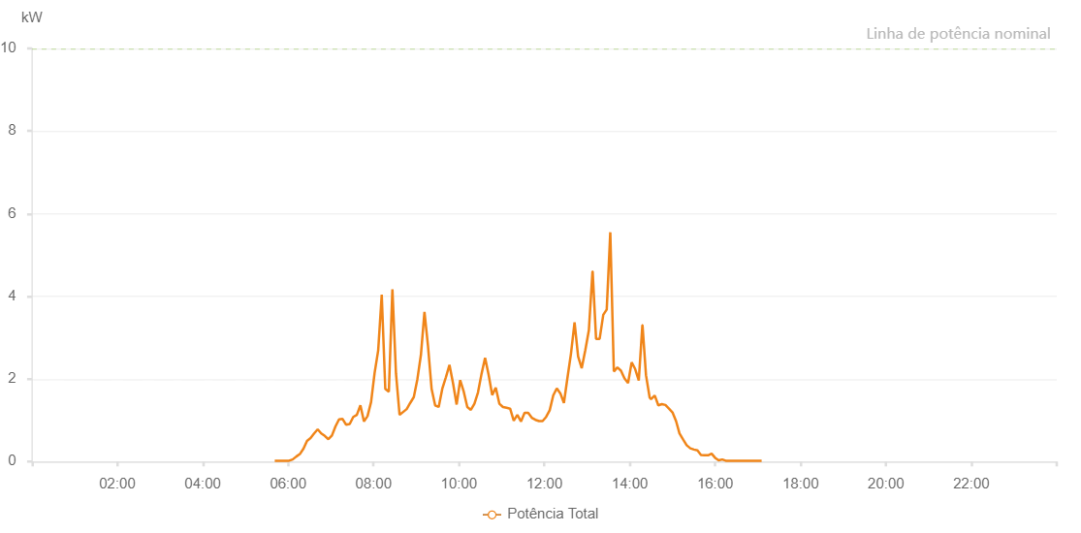

Number | Time | Working State | Alarm Code | Total Inverter Power(W)
1 | 07/08/2022 05:41:12 (UTC-4:00) | Normal |  | 20.000
2 | 07/08/2022 05:46:12 (UTC-4:00) | Normal |  | 20.000
3 | 07/08/2022 05:51:13 (UTC-4:00) | Normal |  | 20.000
4 | 07/08/2022 05:56:16 (UTC-4:00) | Normal |  | 20.000
5 | 07/08/2022 06:01:18 (UTC-4:00) | Normal |  | 20.000
6 | 07/08/2022 06:06:21 (UTC-4:00) | Normal |  | 50.000
7 | 07/08/2022 06:11:27 (UTC-4:00) | Normal |  | 120.000
8 | 07/08/2022 06:16:28 (UTC-4:00) | Normal |  | 180.000
9 | 07/08/2022 06:21:32 (UTC-4:00) | Normal |  | 310.000
10 | 07/08/2022 06:26:32 (UTC-4:00) | Normal |  | 500.000
11 | 07/08/2022 06:31:31 (UTC-4:00) | Normal |  | 570.000
12 | 07/08/2022 06:36:31 (UTC-4:00) | Normal |  | 680.000
13 | 07/08/2022 06:41:31 (UTC-4:00) | Normal |  | 780.000
14 | 07/08/2022 06:46:32 (UTC-4:00) | Normal |  | 680.000
15 | 07/08/2022 06:51:33 (UTC-4:00) | Normal |  | 620.000
16 | 07/08/2022 06:56:32 (UTC-4:00) | Normal |  | 540.000
17 | 07/08/2022 07:01:32 (UTC-4:00) | Normal |  | 630.000
18 | 07/08/2022 07:06:32 (UTC-4:00) | Normal |  | 850.000
19 | 07/08/2022 07:11:31 (UTC-4:00) | Normal |  | 1020.000
20 | 07/08/2022 07:16:31 (UTC-4:00) | Normal |  | 1030.000
21 | 07/08/2022 07:21:31 (UTC-4:00) | Normal |  | 890.000
22 | 07/08/2022 07:26:32 (UTC-4:00) | Normal |  | 910.000
23 | 07/08/2022 07:31:32 (UTC-4:00) | Normal |  | 1080.000
24 | 07/08/2022 07:36:31 (UTC-4:00) | Normal |  | 1130.000
25 | 07/08/2022 07:41:33 (UTC-4:00) | Normal |  | 1360.000
26 | 07/08/2022 07:46:33 (UTC-4:00) | Normal |  | 970.000
27 | 07/08/2022 07:51:33 (UTC-4:00) | Normal |  | 1100.000
28 | 07/08/2022 07:56:32 (UTC-4:00) | Normal |  | 1440.000
29 | 07/08/2022 08:01:32 (UTC-4:00) | Normal |  | 2150.000
30 | 07/08/2022 08:06:31 (UTC-4:00) | Normal |  | 2690.000
31 | 07/08/2022 08:11:31 (UTC-4:00) | Normal |  | 4040.000
32 | 07/08/2022 08:16:31 (UTC-4:00) | Normal |  | 1760.000
33 | 07/08/2022 08:21:30 (UTC-4:00) | Normal |  | 1690.000
34 | 07/08/2022 08:26:31 (UTC-4:00) | Normal |  | 4170.000
35 | 07/08/2022 08:31:33 (UTC-4:00) | Normal |  | 2130.000
36 | 07/08/2022 08:36:36 (UTC-4:00) | Normal |  | 1130.000
37 | 07/08/2022 08:41:36 (UTC-4:00) | Normal |  | 1200.000
38 | 07/08/2022 08:46:36 (UTC-4:00) | Normal |  | 1270.000
39 | 07/08/2022 08:51:35 (UTC-4:00) | Normal |  | 1420.000
40 | 07/08/2022 08:56:35 (UTC-4:00) | Normal |  | 1560.000
41 | 07/08/2022 09:01:35 (UTC-4:00) | Normal |  | 1990.000
42 | 07/08/2022 09:06:34 (UTC-4:00) | Normal |  | 2580.000
43 | 07/08/2022 09:11:34 (UTC-4:00) | Normal |  | 3620.000
44 | 07/08/2022 09:16:34 (UTC-4:00) | Normal |  | 2790.000
45 | 07/08/2022 09:21:34 (UTC-4:00) | Normal |  | 1760.000
46 | 07/08/2022 09:26:34 (UTC-4:00) | Normal |  | 1360.000
47 | 07/08/2022 09:31:33 (UTC-4:00) | Normal |  | 1320.000
48 | 07/08/2022 09:36:35 (UTC-4:00) | Normal |  | 1760.000
49 | 07/08/2022 09:41:38 (UTC-4:00) | Normal |  | 2040.000
50 | 07/08/2022 09:46:42 (UTC-4:00) | Normal |  | 2340.000
51 | 07/08/2022 09:51:46 (UTC-4:00) | Normal |  | 1890.000
52 | 07/08/2022 09:56:45 (UTC-4:00) | Normal |  | 1380.000
53 | 07/08/2022 10:01:45 (UTC-4:00) | Normal |  | 1970.000
54 | 07/08/2022 10:06:45 (UTC-4:00) | Normal |  | 1690.000
55 | 07/08/2022 10:11:45 (UTC-4:00) | Normal |  | 1320.000
56 | 07/08/2022 10:16:44 (UTC-4:00) | Normal |  | 1250.000
57 | 07/08/2022 10:21:44 (UTC-4:00) | Normal |  | 1400.000
58 | 07/08/2022 10:26:44 (UTC-4:00) | Normal |  | 1670.000
59 | 07/08/2022 10:31:44 (UTC-4:00) | Normal |  | 2120.000
60 | 07/08/2022 10:36:44 (UTC-4:00) | Normal |  | 2510.000
61 | 07/08/2022 10:41:43 (UTC-4:00) | Normal |  | 2100.000
62 | 07/08/2022 10:46:43 (UTC-4:00) | Normal |  | 1610.000
63 | 07/08/2022 10:51:44 (UTC-4:00) | Normal |  | 1790.000
64 | 07/08/2022 10:56:47 (UTC-4:00) | Normal |  | 1400.000
65 | 07/08/2022 11:01:51 (UTC-4:00) | Normal |  | 1320.000
66 | 07/08/2022 11:06:53 (UTC-4:00) | Normal |  | 1300.000
67 | 07/08/2022 11:11:56 (UTC-4:00) | Normal |  | 1280.000
68 | 07/08/2022 11:17:00 (UTC-4:00) | Normal |  | 990.000
69 | 07/08/2022 11:22:04 (UTC-4:00) | Normal |  | 1130.000
70 | 07/08/2022 11:27:09 (UTC-4:00) | Normal |  | 970.000
71 | 07/08/2022 11:32:13 (UTC-4:00) | Normal |  | 1180.000
72 | 07/08/2022 11:37:17 (UTC-4:00) | Normal |  | 1180.000
73 | 07/08/2022 11:42:20 (UTC-4:00) | Normal |  | 1060.000
74 | 07/08/2022 11:47:24 (UTC-4:00) | Normal |  | 1010.000
75 | 07/08/2022 11:52:28 (UTC-4:00) | Normal |  | 980.000
76 | 07/08/2022 11:57:32 (UTC-4:00) | Normal |  | 980.000
77 | 07/08/2022 12:02:31 (UTC-4:00) | Normal |  | 1080.000
78 | 07/08/2022 12:07:31 (UTC-4:00) | Normal |  | 1240.000
79 | 07/08/2022 12:12:31 (UTC-4:00) | Normal |  | 1600.000
80 | 07/08/2022 12:17:30 (UTC-4:00) | Normal |  | 1770.000
81 | 07/08/2022 12:22:30 (UTC-4:00) | Normal |  | 1650.000
82 | 07/08/2022 12:27:29 (UTC-4:00) | Normal |  | 1420.000
83 | 07/08/2022 12:32:29 (UTC-4:00) | Normal |  | 2030.000
84 | 07/08/2022 12:37:29 (UTC-4:00) | Normal |  | 2620.000
85 | 07/08/2022 12:42:28 (UTC-4:00) | Normal |  | 3370.000
86 | 07/08/2022 12:47:28 (UTC-4:00) | Normal |  | 2540.000
87 | 07/08/2022 12:52:29 (UTC-4:00) | Normal |  | 2260.000
88 | 07/08/2022 12:57:30 (UTC-4:00) | Normal |  | 2690.000
89 | 07/08/2022 13:02:34 (UTC-4:00) | Normal |  | 3180.000
90 | 07/08/2022 13:07:39 (UTC-4:00) | Normal |  | 4600.000
91 | 07/08/2022 13:07:52 (UTC-4:00) | Normal |  | 4600.000
92 | 07/08/2022 13:12:41 (UTC-4:00) | Normal |  | 2970.000
93 | 07/08/2022 13:17:41 (UTC-4:00) | Normal |  | 2970.000
94 | 07/08/2022 13:22:47 (UTC-4:00) | Normal |  | 3550.000
95 | 07/08/2022 13:27:40 (UTC-4:00) | Normal |  | 3680.000
96 | 07/08/2022 13:32:40 (UTC-4:00) | Normal |  | 5550.000
97 | 07/08/2022 13:37:39 (UTC-4:00) | Normal |  | 2180.000
98 | 07/08/2022 13:42:39 (UTC-4:00) | Normal |  | 2280.000
99 | 07/08/2022 13:47:39 (UTC-4:00) | Normal |  | 2200.000
100 | 07/08/2022 13:52:38 (UTC-4:00) | Normal |  | 2010.000
101 | 07/08/2022 13:57:38 (UTC-4:00) | Normal |  | 1900.000
102 | 07/08/2022 14:02:38 (UTC-4:00) | Normal |  | 2400.000
103 | 07/08/2022 14:07:37 (UTC-4:00) | Normal |  | 2240.000
104 | 07/08/2022 14:12:41 (UTC-4:00) | Normal |  | 1960.000
105 | 07/08/2022 14:17:45 (UTC-4:00) | Normal |  | 3300.000
106 | 07/08/2022 14:17:56 (UTC-4:00) | Normal |  | 3300.000
107 | 07/08/2022 14:22:50 (UTC-4:00) | Normal |  | 2090.000
108 | 07/08/2022 14:27:59 (UTC-4:00) | Normal |  | 1550.000
109 | 07/08/2022 14:29:56 (UTC-4:00) | Normal |  | 1510.000
110 | 07/08/2022 14:35:09 (UTC-4:00) | Normal |  | 1600.000
111 | 07/08/2022 14:40:08 (UTC-4:00) | Normal |  | 1360.000
112 | 07/08/2022 14:45:08 (UTC-4:00) | Normal |  | 1390.000
113 | 07/08/2022 14:50:08 (UTC-4:00) | Normal |  | 1370.000
114 | 07/08/2022 14:55:06 (UTC-4:00) | Normal |  | 1280.000
115 | 07/08/2022 15:00:04 (UTC-4:00) | Normal |  | 1190.000
116 | 07/08/2022 15:05:05 (UTC-4:00) | Normal |  | 980.000
117 | 07/08/2022 15:10:03 (UTC-4:00) | Normal |  | 670.000
118 | 07/08/2022 15:10:14 (UTC-4:00) | Normal |  | 670.000
119 | 07/08/2022 15:15:04 (UTC-4:00) | Normal |  | 530.000
120 | 07/08/2022 15:20:07 (UTC-4:00) | Normal |  | 390.000
121 | 07/08/2022 15:20:17 (UTC-4:00) | Normal |  | 390.000
122 | 07/08/2022 15:25:09 (UTC-4:00) | Normal |  | 320.000
123 | 07/08/2022 15:30:07 (UTC-4:00) | Normal |  | 290.000
124 | 07/08/2022 15:35:09 (UTC-4:00) | Normal |  | 270.000
125 | 07/08/2022 15:40:04 (UTC-4:00) | Normal |  | 160.000
126 | 07/08/2022 15:45:04 (UTC-4:00) | Normal |  | 150.000
127 | 07/08/2022 15:50:04 (UTC-4:00) | Normal |  | 150.000
128 | 07/08/2022 15:55:02 (UTC-4:00) | Normal |  | 190.000
129 | 07/08/2022 15:59:57 (UTC-4:00) | Normal |  | 90.000
130 | 07/08/2022 16:04:56 (UTC-4:00) | Normal |  | 30.000
131 | 07/08/2022 16:09:54 (UTC-4:00) | Normal |  | 50.000
132 | 07/08/2022 16:14:54 (UTC-4:00) | Normal |  | 20.000
133 | 07/08/2022 16:19:53 (UTC-4:00) | Normal |  | 20.000
134 | 07/08/2022 16:24:51 (UTC-4:00) | Normal |  | 20.000
135 | 07/08/2022 16:29:51 (UTC-4:00) | Normal |  | 20.000
136 | 07/08/2022 16:34:53 (UTC-4:00) | Normal |  | 20.000
137 | 07/08/2022 16:39:56 (UTC-4:00) | Normal |  | 20.000
138 | 07/08/2022 16:44:58 (UTC-4:00) | Normal |  | 20.000
139 | 07/08/2022 16:50:00 (UTC-4:00) | Normal |  | 20.000
140 | 07/08/2022 16:55:03 (UTC-4:00) | Normal |  | 20.000
141 | 07/08/2022 16:55:27 (UTC-4:00) | Normal |  | 20.000
142 | 07/08/2022 17:00:05 (UTC-4:00) | Normal |  | 20.000
143 | 07/08/2022 17:05:07 (UTC-4:00) | Normal |  | 20.000
144 | 07/08/2022 17:05:18 (UTC-4:00) | Normal |  | 20.000

