Inverter History Report__17-08-
Inverter History Report_08/08/2022_Report

Inverter SN:054B7020C020041 |  | Inverter type:B7
Collector SN:4045966636 |  | Full Load Hours(h):1.59
Rated Power:10000Wp

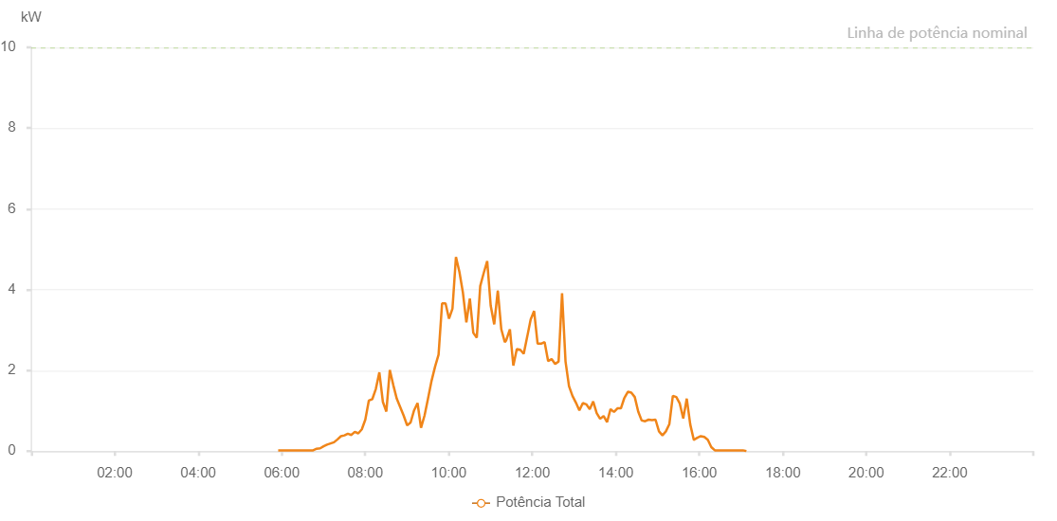

Number | Time | Working State | Alarm Code | Total Inverter Power(W)
1 | 08/08/2022 05:54:53 (UTC-4:00) | Normal |  | 20.000
2 | 08/08/2022 05:59:52 (UTC-4:00) | Normal |  | 20.000
3 | 08/08/2022 06:04:51 (UTC-4:00) | Normal |  | 20.000
4 | 08/08/2022 06:09:50 (UTC-4:00) | Normal |  | 20.000
5 | 08/08/2022 06:14:51 (UTC-4:00) | Normal |  | 20.000
6 | 08/08/2022 06:19:55 (UTC-4:00) | Normal |  | 20.000
7 | 08/08/2022 06:24:57 (UTC-4:00) | Normal |  | 20.000
8 | 08/08/2022 06:30:00 (UTC-4:00) | Normal |  | 20.000
9 | 08/08/2022 06:35:03 (UTC-4:00) | Normal |  | 20.000
10 | 08/08/2022 06:40:06 (UTC-4:00) | Normal |  | 20.000
11 | 08/08/2022 06:45:08 (UTC-4:00) | Normal |  | 20.000
12 | 08/08/2022 06:50:11 (UTC-4:00) | Normal |  | 60.000
13 | 08/08/2022 06:55:10 (UTC-4:00) | Normal |  | 70.000
14 | 08/08/2022 07:00:09 (UTC-4:00) | Normal |  | 120.000
15 | 08/08/2022 07:05:08 (UTC-4:00) | Normal |  | 160.000
16 | 08/08/2022 07:10:07 (UTC-4:00) | Normal |  | 190.000
17 | 08/08/2022 07:15:07 (UTC-4:00) | Normal |  | 220.000
18 | 08/08/2022 07:20:05 (UTC-4:00) | Normal |  | 290.000
19 | 08/08/2022 07:25:04 (UTC-4:00) | Normal |  | 370.000
20 | 08/08/2022 07:30:03 (UTC-4:00) | Normal |  | 390.000
21 | 08/08/2022 07:35:02 (UTC-4:00) | Normal |  | 430.000
22 | 08/08/2022 07:40:02 (UTC-4:00) | Normal |  | 400.000
23 | 08/08/2022 07:45:01 (UTC-4:00) | Normal |  | 480.000
24 | 08/08/2022 07:50:00 (UTC-4:00) | Normal |  | 440.000
25 | 08/08/2022 07:55:03 (UTC-4:00) | Normal |  | 540.000
26 | 08/08/2022 08:00:06 (UTC-4:00) | Normal |  | 780.000
27 | 08/08/2022 08:05:08 (UTC-4:00) | Normal |  | 1250.000
28 | 08/08/2022 08:10:12 (UTC-4:00) | Normal |  | 1290.000
29 | 08/08/2022 08:15:14 (UTC-4:00) | Normal |  | 1540.000
30 | 08/08/2022 08:20:17 (UTC-4:00) | Normal |  | 1950.000
31 | 08/08/2022 08:25:20 (UTC-4:00) | Normal |  | 1220.000
32 | 08/08/2022 08:30:19 (UTC-4:00) | Normal |  | 980.000
33 | 08/08/2022 08:35:18 (UTC-4:00) | Normal |  | 2010.000
34 | 08/08/2022 08:40:16 (UTC-4:00) | Normal |  | 1640.000
35 | 08/08/2022 08:45:15 (UTC-4:00) | Normal |  | 1300.000
36 | 08/08/2022 08:50:14 (UTC-4:00) | Normal |  | 1090.000
37 | 08/08/2022 08:55:13 (UTC-4:00) | Normal |  | 880.000
38 | 08/08/2022 09:00:12 (UTC-4:00) | Normal |  | 640.000
39 | 08/08/2022 09:05:11 (UTC-4:00) | Normal |  | 710.000
40 | 08/08/2022 09:10:10 (UTC-4:00) | Normal |  | 1010.000
41 | 08/08/2022 09:15:09 (UTC-4:00) | Normal |  | 1190.000
42 | 08/08/2022 09:20:08 (UTC-4:00) | Normal |  | 580.000
43 | 08/08/2022 09:25:11 (UTC-4:00) | Normal |  | 880.000
44 | 08/08/2022 09:30:13 (UTC-4:00) | Normal |  | 1300.000
45 | 08/08/2022 09:35:16 (UTC-4:00) | Normal |  | 1740.000
46 | 08/08/2022 09:40:19 (UTC-4:00) | Normal |  | 2090.000
47 | 08/08/2022 09:45:22 (UTC-4:00) | Normal |  | 2390.000
48 | 08/08/2022 09:50:25 (UTC-4:00) | Normal |  | 3660.000
49 | 08/08/2022 09:55:23 (UTC-4:00) | Normal |  | 3660.000
50 | 08/08/2022 10:00:22 (UTC-4:00) | Normal |  | 3280.000
51 | 08/08/2022 10:05:21 (UTC-4:00) | Normal |  | 3530.000
52 | 08/08/2022 10:10:21 (UTC-4:00) | Normal |  | 4810.000
53 | 08/08/2022 10:15:19 (UTC-4:00) | Normal |  | 4440.000
54 | 08/08/2022 10:20:19 (UTC-4:00) | Normal |  | 3930.000
55 | 08/08/2022 10:25:19 (UTC-4:00) | Normal |  | 3190.000
56 | 08/08/2022 10:30:18 (UTC-4:00) | Normal |  | 3780.000
57 | 08/08/2022 10:35:17 (UTC-4:00) | Normal |  | 2930.000
58 | 08/08/2022 10:40:16 (UTC-4:00) | Normal |  | 2810.000
59 | 08/08/2022 10:45:15 (UTC-4:00) | Normal |  | 4090.000
60 | 08/08/2022 10:50:14 (UTC-4:00) | Normal |  | 4410.000
61 | 08/08/2022 10:55:15 (UTC-4:00) | Normal |  | 4710.000
62 | 08/08/2022 11:00:18 (UTC-4:00) | Normal |  | 3600.000
63 | 08/08/2022 11:05:21 (UTC-4:00) | Normal |  | 3140.000
64 | 08/08/2022 11:10:23 (UTC-4:00) | Normal |  | 3960.000
65 | 08/08/2022 11:10:34 (UTC-4:00) | Normal |  | 3960.000
66 | 08/08/2022 11:15:29 (UTC-4:00) | Normal |  | 3020.000
67 | 08/08/2022 11:20:32 (UTC-4:00) | Normal |  | 2700.000
68 | 08/08/2022 11:22:29 (UTC-4:00) | Normal |  | 2740.000
69 | 08/08/2022 11:27:51 (UTC-4:00) | Normal |  | 3020.000
70 | 08/08/2022 11:32:49 (UTC-4:00) | Normal |  | 2120.000
71 | 08/08/2022 11:37:47 (UTC-4:00) | Normal |  | 2530.000
72 | 08/08/2022 11:42:46 (UTC-4:00) | Normal |  | 2510.000
73 | 08/08/2022 11:47:44 (UTC-4:00) | Normal |  | 2410.000
74 | 08/08/2022 11:52:42 (UTC-4:00) | Normal |  | 2830.000
75 | 08/08/2022 11:57:43 (UTC-4:00) | Normal |  | 3260.000
76 | 08/08/2022 12:02:41 (UTC-4:00) | Normal |  | 3470.000
77 | 08/08/2022 12:07:40 (UTC-4:00) | Normal |  | 2660.000
78 | 08/08/2022 12:12:43 (UTC-4:00) | Normal |  | 2660.000
79 | 08/08/2022 12:17:46 (UTC-4:00) | Normal |  | 2700.000
80 | 08/08/2022 12:22:49 (UTC-4:00) | Normal |  | 2230.000
81 | 08/08/2022 12:27:50 (UTC-4:00) | Normal |  | 2280.000
82 | 08/08/2022 12:32:52 (UTC-4:00) | Normal |  | 2160.000
83 | 08/08/2022 12:37:51 (UTC-4:00) | Normal |  | 2220.000
84 | 08/08/2022 12:42:49 (UTC-4:00) | Normal |  | 3910.000
85 | 08/08/2022 12:47:48 (UTC-4:00) | Normal |  | 2220.000
86 | 08/08/2022 12:52:47 (UTC-4:00) | Normal |  | 1610.000
87 | 08/08/2022 12:57:45 (UTC-4:00) | Normal |  | 1370.000
88 | 08/08/2022 13:02:44 (UTC-4:00) | Normal |  | 1200.000
89 | 08/08/2022 13:07:42 (UTC-4:00) | Normal |  | 1010.000
90 | 08/08/2022 13:12:40 (UTC-4:00) | Normal |  | 1190.000
91 | 08/08/2022 13:17:39 (UTC-4:00) | Normal |  | 1160.000
92 | 08/08/2022 13:22:37 (UTC-4:00) | Normal |  | 1040.000
93 | 08/08/2022 13:27:35 (UTC-4:00) | Normal |  | 1230.000
94 | 08/08/2022 13:32:34 (UTC-4:00) | Normal |  | 940.000
95 | 08/08/2022 13:37:32 (UTC-4:00) | Normal |  | 800.000
96 | 08/08/2022 13:42:31 (UTC-4:00) | Normal |  | 870.000
97 | 08/08/2022 13:47:29 (UTC-4:00) | Normal |  | 720.000
98 | 08/08/2022 13:52:28 (UTC-4:00) | Normal |  | 1040.000
99 | 08/08/2022 13:57:27 (UTC-4:00) | Normal |  | 970.000
100 | 08/08/2022 14:02:25 (UTC-4:00) | Normal |  | 1060.000
101 | 08/08/2022 14:02:36 (UTC-4:00) | Normal |  | 1060.000
102 | 08/08/2022 14:07:23 (UTC-4:00) | Normal |  | 1060.000
103 | 08/08/2022 14:12:22 (UTC-4:00) | Normal |  | 1320.000
104 | 08/08/2022 14:12:32 (UTC-4:00) | Normal |  | 1320.000
105 | 08/08/2022 14:17:27 (UTC-4:00) | Normal |  | 1470.000
106 | 08/08/2022 14:22:21 (UTC-4:00) | Normal |  | 1450.000
107 | 08/08/2022 14:27:17 (UTC-4:00) | Normal |  | 1340.000
108 | 08/08/2022 14:32:16 (UTC-4:00) | Normal |  | 980.000
109 | 08/08/2022 14:37:13 (UTC-4:00) | Normal |  | 760.000
110 | 08/08/2022 14:42:12 (UTC-4:00) | Normal |  | 740.000
111 | 08/08/2022 14:47:10 (UTC-4:00) | Normal |  | 780.000
112 | 08/08/2022 14:52:08 (UTC-4:00) | Normal |  | 770.000
113 | 08/08/2022 14:57:08 (UTC-4:00) | Normal |  | 780.000
114 | 08/08/2022 15:02:06 (UTC-4:00) | Normal |  | 490.000
115 | 08/08/2022 15:07:04 (UTC-4:00) | Normal |  | 390.000
116 | 08/08/2022 15:12:03 (UTC-4:00) | Normal |  | 490.000
117 | 08/08/2022 15:17:01 (UTC-4:00) | Normal |  | 670.000
118 | 08/08/2022 15:22:01 (UTC-4:00) | Normal |  | 1370.000
119 | 08/08/2022 15:26:59 (UTC-4:00) | Normal |  | 1340.000
120 | 08/08/2022 15:31:57 (UTC-4:00) | Normal |  | 1180.000
121 | 08/08/2022 15:36:59 (UTC-4:00) | Normal |  | 810.000
122 | 08/08/2022 15:42:01 (UTC-4:00) | Normal |  | 1300.000
123 | 08/08/2022 15:47:03 (UTC-4:00) | Normal |  | 660.000
124 | 08/08/2022 15:52:06 (UTC-4:00) | Normal |  | 280.000
125 | 08/08/2022 15:52:30 (UTC-4:00) | Normal |  | 280.000
126 | 08/08/2022 15:57:08 (UTC-4:00) | Normal |  | 330.000
127 | 08/08/2022 16:02:10 (UTC-4:00) | Normal |  | 370.000
128 | 08/08/2022 16:02:21 (UTC-4:00) | Normal |  | 370.000
129 | 08/08/2022 16:07:13 (UTC-4:00) | Normal |  | 350.000
130 | 08/08/2022 16:12:15 (UTC-4:00) | Normal |  | 280.000
131 | 08/08/2022 16:17:17 (UTC-4:00) | Normal |  | 100.000
132 | 08/08/2022 16:22:21 (UTC-4:00) | Normal |  | 20.000
133 | 08/08/2022 16:27:22 (UTC-4:00) | Normal |  | 20.000
134 | 08/08/2022 16:32:24 (UTC-4:00) | Normal |  | 20.000
135 | 08/08/2022 16:32:35 (UTC-4:00) | Normal |  | 20.000
136 | 08/08/2022 16:37:30 (UTC-4:00) | Normal |  | 20.000
137 | 08/08/2022 16:42:37 (UTC-4:00) | Normal |  | 20.000
138 | 08/08/2022 16:47:33 (UTC-4:00) | Normal |  | 20.000
139 | 08/08/2022 16:52:36 (UTC-4:00) | Normal |  | 20.000
140 | 08/08/2022 16:57:39 (UTC-4:00) | Normal |  | 20.000
141 | 08/08/2022 17:02:40 (UTC-4:00) | Normal |  | 20.000
142 | 08/08/2022 17:07:43 (UTC-4:00) | Normal |  | 0.000

