Inverter History Report__17-08-
Inverter History Report_09/08/2022_Report

Inverter SN:054B7020C020041 |  | Inverter type:B7
Collector SN:4045966636 |  | Full Load Hours(h):1.96
Rated Power:10000Wp

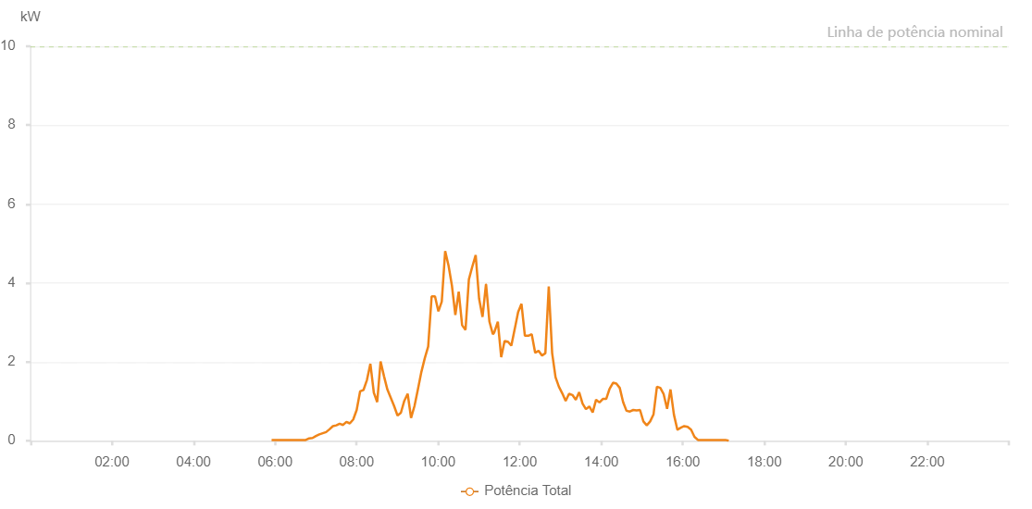

Number | Time | Working State | Alarm Code | Total Inverter Power(W)
1 | 09/08/2022 05:48:30 (UTC-4:00) | Normal |  | 20.000
2 | 09/08/2022 05:53:32 (UTC-4:00) | Normal |  | 20.000
3 | 09/08/2022 05:58:31 (UTC-4:00) | Normal |  | 20.000
4 | 09/08/2022 06:03:29 (UTC-4:00) | Normal |  | 20.000
5 | 09/08/2022 06:08:32 (UTC-4:00) | Normal |  | 30.000
6 | 09/08/2022 06:13:31 (UTC-4:00) | Normal |  | 80.000
7 | 09/08/2022 06:18:30 (UTC-4:00) | Normal |  | 50.000
8 | 09/08/2022 06:23:28 (UTC-4:00) | Normal |  | 130.000
9 | 09/08/2022 06:28:27 (UTC-4:00) | Normal |  | 110.000
10 | 09/08/2022 06:33:26 (UTC-4:00) | Normal |  | 20.000
11 | 09/08/2022 06:38:25 (UTC-4:00) | Normal |  | 100.000
12 | 09/08/2022 06:43:23 (UTC-4:00) | Normal |  | 340.000
13 | 09/08/2022 06:48:22 (UTC-4:00) | Normal |  | 600.000
14 | 09/08/2022 06:53:22 (UTC-4:00) | Normal |  | 670.000
15 | 09/08/2022 06:58:21 (UTC-4:00) | Normal |  | 750.000
16 | 09/08/2022 07:03:20 (UTC-4:00) | Normal |  | 920.000
17 | 09/08/2022 07:08:19 (UTC-4:00) | Normal |  | 980.000
18 | 09/08/2022 07:13:22 (UTC-4:00) | Normal |  | 930.000
19 | 09/08/2022 07:18:25 (UTC-4:00) | Normal |  | 990.000
20 | 09/08/2022 07:23:28 (UTC-4:00) | Normal |  | 1360.000
21 | 09/08/2022 07:28:26 (UTC-4:00) | Normal |  | 1560.000
22 | 09/08/2022 07:33:25 (UTC-4:00) | Normal |  | 2680.000
23 | 09/08/2022 07:38:24 (UTC-4:00) | Normal |  | 2150.000
24 | 09/08/2022 07:43:23 (UTC-4:00) | Normal |  | 2240.000
25 | 09/08/2022 07:48:22 (UTC-4:00) | Normal |  | 2230.000
26 | 09/08/2022 07:53:20 (UTC-4:00) | Normal |  | 2840.000
27 | 09/08/2022 07:53:31 (UTC-4:00) | Normal |  | 2840.000
28 | 09/08/2022 07:58:19 (UTC-4:00) | Normal |  | 3230.000
29 | 09/08/2022 08:03:18 (UTC-4:00) | Normal |  | 3330.000
30 | 09/08/2022 08:08:21 (UTC-4:00) | Normal |  | 2730.000
31 | 09/08/2022 08:13:16 (UTC-4:00) | Normal |  | 2850.000
32 | 09/08/2022 08:18:15 (UTC-4:00) | Normal |  | 3170.000
33 | 09/08/2022 08:23:16 (UTC-4:00) | Normal |  | 2830.000
34 | 09/08/2022 08:28:19 (UTC-4:00) | Normal |  | 3420.000
35 | 09/08/2022 08:33:22 (UTC-4:00) | Normal |  | 3640.000
36 | 09/08/2022 08:38:24 (UTC-4:00) | Normal |  | 3840.000
37 | 09/08/2022 08:43:27 (UTC-4:00) | Normal |  | 4100.000
38 | 09/08/2022 08:43:38 (UTC-4:00) | Normal |  | 4100.000
39 | 09/08/2022 08:48:31 (UTC-4:00) | Normal |  | 3630.000
40 | 09/08/2022 08:53:33 (UTC-4:00) | Normal |  | 3260.000
41 | 09/08/2022 08:58:35 (UTC-4:00) | Normal |  | 3910.000
42 | 09/08/2022 09:03:34 (UTC-4:00) | Normal |  | 2500.000
43 | 09/08/2022 09:08:33 (UTC-4:00) | Normal |  | 3010.000
44 | 09/08/2022 09:13:32 (UTC-4:00) | Normal |  | 3960.000
45 | 09/08/2022 09:18:31 (UTC-4:00) | Normal |  | 4750.000
46 | 09/08/2022 09:23:30 (UTC-4:00) | Normal |  | 3040.000
47 | 09/08/2022 09:28:29 (UTC-4:00) | Normal |  | 2790.000
48 | 09/08/2022 09:33:27 (UTC-4:00) | Normal |  | 2420.000
49 | 09/08/2022 09:38:26 (UTC-4:00) | Normal |  | 2420.000
50 | 09/08/2022 09:43:28 (UTC-4:00) | Normal |  | 2400.000
51 | 09/08/2022 09:48:25 (UTC-4:00) | Normal |  | 2460.000
52 | 09/08/2022 09:53:24 (UTC-4:00) | Normal |  | 3150.000
53 | 09/08/2022 09:58:26 (UTC-4:00) | Normal |  | 2810.000
54 | 09/08/2022 10:03:25 (UTC-4:00) | Normal |  | 2540.000
55 | 09/08/2022 10:08:27 (UTC-4:00) | Normal |  | 2410.000
56 | 09/08/2022 10:13:30 (UTC-4:00) | Normal |  | 2810.000
57 | 09/08/2022 10:18:33 (UTC-4:00) | Normal |  | 2240.000
58 | 09/08/2022 10:23:36 (UTC-4:00) | Normal |  | 2650.000
59 | 09/08/2022 10:28:39 (UTC-4:00) | Normal |  | 3050.000
60 | 09/08/2022 10:33:41 (UTC-4:00) | Normal |  | 2790.000
61 | 09/08/2022 10:38:44 (UTC-4:00) | Normal |  | 2040.000
62 | 09/08/2022 10:43:47 (UTC-4:00) | Normal |  | 2650.000
63 | 09/08/2022 10:48:49 (UTC-4:00) | Normal |  | 2570.000
64 | 09/08/2022 10:53:48 (UTC-4:00) | Normal |  | 2980.000
65 | 09/08/2022 10:58:47 (UTC-4:00) | Normal |  | 2720.000
66 | 09/08/2022 11:03:46 (UTC-4:00) | Normal |  | 2130.000
67 | 09/08/2022 11:08:44 (UTC-4:00) | Normal |  | 1990.000
68 | 09/08/2022 11:13:43 (UTC-4:00) | Normal |  | 2100.000
69 | 09/08/2022 11:18:42 (UTC-4:00) | Normal |  | 1900.000
70 | 09/08/2022 11:23:41 (UTC-4:00) | Normal |  | 1570.000
71 | 09/08/2022 11:28:40 (UTC-4:00) | Normal |  | 1890.000
72 | 09/08/2022 11:33:38 (UTC-4:00) | Normal |  | 2550.000
73 | 09/08/2022 11:38:37 (UTC-4:00) | Normal |  | 2000.000
74 | 09/08/2022 11:43:38 (UTC-4:00) | Normal |  | 2060.000
75 | 09/08/2022 11:48:38 (UTC-4:00) | Normal |  | 2040.000
76 | 09/08/2022 11:53:41 (UTC-4:00) | Normal |  | 2200.000
77 | 09/08/2022 11:54:05 (UTC-4:00) | Normal |  | 2200.000
78 | 09/08/2022 11:58:43 (UTC-4:00) | Normal |  | 2180.000
79 | 09/08/2022 12:03:50 (UTC-4:00) | Normal |  | 2450.000
80 | 09/08/2022 12:08:49 (UTC-4:00) | Normal |  | 2120.000
81 | 09/08/2022 12:13:52 (UTC-4:00) | Normal |  | 2190.000
82 | 09/08/2022 12:14:03 (UTC-4:00) | Normal |  | 2190.000
83 | 09/08/2022 12:18:55 (UTC-4:00) | Normal |  | 2620.000
84 | 09/08/2022 12:23:59 (UTC-4:00) | Normal |  | 3050.000
85 | 09/08/2022 12:29:00 (UTC-4:00) | Normal |  | 2660.000
86 | 09/08/2022 12:34:03 (UTC-4:00) | Normal |  | 2410.000
87 | 09/08/2022 12:34:04 (UTC-4:00) | Normal |  | 2410.000
88 | 09/08/2022 12:39:06 (UTC-4:00) | Normal |  | 2050.000
89 | 09/08/2022 12:44:09 (UTC-4:00) | Normal |  | 2210.000
90 | 09/08/2022 12:49:11 (UTC-4:00) | Normal |  | 3350.000
91 | 09/08/2022 12:54:10 (UTC-4:00) | Normal |  | 3170.000
92 | 09/08/2022 12:59:09 (UTC-4:00) | Normal |  | 3040.000
93 | 09/08/2022 13:04:07 (UTC-4:00) | Normal |  | 4000.000
94 | 09/08/2022 13:09:06 (UTC-4:00) | Normal |  | 1420.000
95 | 09/08/2022 13:14:05 (UTC-4:00) | Normal |  | 1950.000
96 | 09/08/2022 13:19:04 (UTC-4:00) | Normal |  | 1120.000
97 | 09/08/2022 13:24:03 (UTC-4:00) | Normal |  | 1400.000
98 | 09/08/2022 13:29:02 (UTC-4:00) | Normal |  | 1130.000
99 | 09/08/2022 13:34:00 (UTC-4:00) | Normal |  | 1320.000
100 | 09/08/2022 13:38:59 (UTC-4:00) | Normal |  | 2100.000
101 | 09/08/2022 13:43:59 (UTC-4:00) | Normal |  | 2330.000
102 | 09/08/2022 13:48:59 (UTC-4:00) | Normal |  | 2050.000
103 | 09/08/2022 13:53:59 (UTC-4:00) | Normal |  | 2130.000
104 | 09/08/2022 13:58:58 (UTC-4:00) | Normal |  | 2000.000
105 | 09/08/2022 14:03:57 (UTC-4:00) | Normal |  | 1380.000
106 | 09/08/2022 14:04:08 (UTC-4:00) | Normal |  | 1380.000
107 | 09/08/2022 14:08:56 (UTC-4:00) | Normal |  | 1710.000
108 | 09/08/2022 14:13:55 (UTC-4:00) | Normal |  | 1920.000
109 | 09/08/2022 14:18:54 (UTC-4:00) | Normal |  | 1780.000
110 | 09/08/2022 14:23:52 (UTC-4:00) | Normal |  | 1770.000
111 | 09/08/2022 14:28:59 (UTC-4:00) | Normal |  | 1390.000
112 | 09/08/2022 14:33:50 (UTC-4:00) | Normal |  | 1530.000
113 | 09/08/2022 14:35:46 (UTC-4:00) | Normal |  | 1540.000
114 | 09/08/2022 14:41:00 (UTC-4:00) | Normal |  | 1230.000
115 | 09/08/2022 14:45:58 (UTC-4:00) | Normal |  | 1320.000
116 | 09/08/2022 14:50:56 (UTC-4:00) | Normal |  | 1220.000
117 | 09/08/2022 14:55:55 (UTC-4:00) | Normal |  | 710.000
118 | 09/08/2022 15:00:53 (UTC-4:00) | Normal |  | 510.000
119 | 09/08/2022 15:05:54 (UTC-4:00) | Normal |  | 490.000
120 | 09/08/2022 15:10:52 (UTC-4:00) | Normal |  | 760.000
121 | 09/08/2022 15:15:52 (UTC-4:00) | Normal |  | 770.000
122 | 09/08/2022 15:20:54 (UTC-4:00) | Normal |  | 530.000
123 | 09/08/2022 15:25:56 (UTC-4:00) | Normal |  | 390.000
124 | 09/08/2022 15:30:54 (UTC-4:00) | Normal |  | 510.000
125 | 09/08/2022 15:35:53 (UTC-4:00) | Normal |  | 330.000
126 | 09/08/2022 15:36:11 (UTC-4:00) | Normal |  | 290.000
127 | 09/08/2022 15:41:28 (UTC-4:00) | Normal |  | 240.000
128 | 09/08/2022 15:46:29 (UTC-4:00) | Normal |  | 310.000
129 | 09/08/2022 15:51:29 (UTC-4:00) | Normal |  | 270.000
130 | 09/08/2022 15:56:29 (UTC-4:00) | Normal |  | 220.000
131 | 09/08/2022 16:01:29 (UTC-4:00) | Normal |  | 190.000
132 | 09/08/2022 16:06:29 (UTC-4:00) | Normal |  | 140.000
133 | 09/08/2022 16:11:33 (UTC-4:00) | Normal |  | 60.000
134 | 09/08/2022 16:16:37 (UTC-4:00) | Normal |  | 20.000
135 | 09/08/2022 16:21:41 (UTC-4:00) | Normal |  | 20.000
136 | 09/08/2022 16:26:45 (UTC-4:00) | Normal |  | 20.000
137 | 09/08/2022 16:31:50 (UTC-4:00) | Normal |  | 20.000
138 | 09/08/2022 16:36:54 (UTC-4:00) | Normal |  | 20.000
139 | 09/08/2022 16:41:58 (UTC-4:00) | Normal |  | 20.000
140 | 09/08/2022 16:47:02 (UTC-4:00) | Normal |  | 20.000
141 | 09/08/2022 16:52:06 (UTC-4:00) | Normal |  | 20.000
142 | 09/08/2022 16:57:10 (UTC-4:00) | Normal |  | 20.000
143 | 09/08/2022 17:02:14 (UTC-4:00) | Normal |  | 20.000

