Inverter History Report__17-08-
Inverter History Report_10/08/2022_Report

Inverter SN:054B7020C020041 |  | Inverter type:B7
Collector SN:4045966636 |  | Full Load Hours(h):2.93
Rated Power:10000Wp

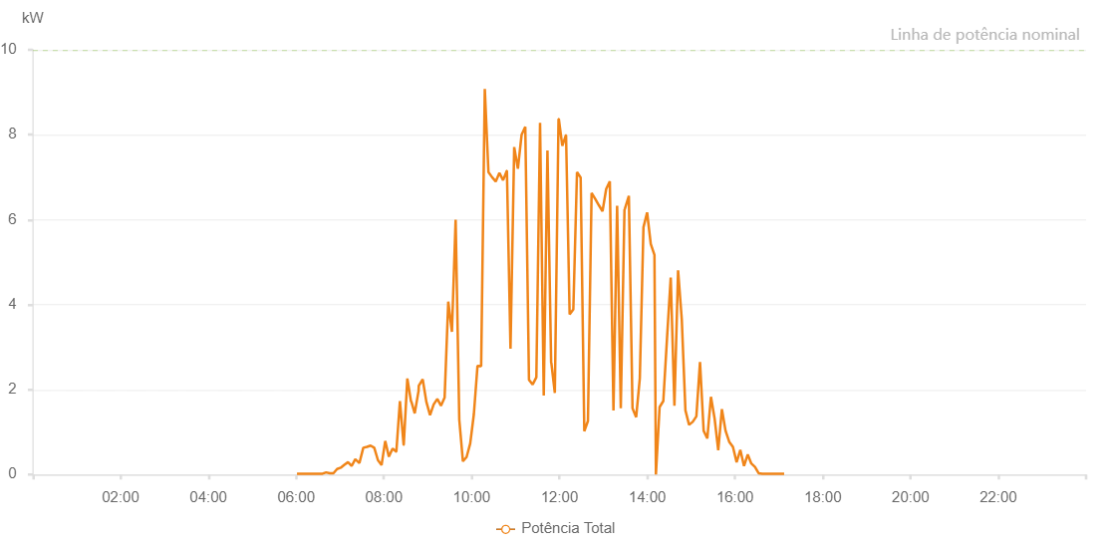

Number | Time | Working State | Alarm Code | Total Inverter Power(W)
1 | 10/08/2022 06:01:09 (UTC-4:00) | Normal |  | 20.000
2 | 10/08/2022 06:06:10 (UTC-4:00) | Normal |  | 20.000
3 | 10/08/2022 06:11:09 (UTC-4:00) | Normal |  | 20.000
4 | 10/08/2022 06:16:07 (UTC-4:00) | Normal |  | 20.000
5 | 10/08/2022 06:21:09 (UTC-4:00) | Normal |  | 20.000
6 | 10/08/2022 06:26:07 (UTC-4:00) | Normal |  | 20.000
7 | 10/08/2022 06:31:05 (UTC-4:00) | Normal |  | 20.000
8 | 10/08/2022 06:36:03 (UTC-4:00) | Normal |  | 20.000
9 | 10/08/2022 06:41:02 (UTC-4:00) | Normal |  | 50.000
10 | 10/08/2022 06:46:00 (UTC-4:00) | Normal |  | 30.000
11 | 10/08/2022 06:50:59 (UTC-4:00) | Normal |  | 30.000
12 | 10/08/2022 06:55:57 (UTC-4:00) | Normal |  | 130.000
13 | 10/08/2022 07:00:55 (UTC-4:00) | Normal |  | 160.000
14 | 10/08/2022 07:05:54 (UTC-4:00) | Normal |  | 230.000
15 | 10/08/2022 07:10:54 (UTC-4:00) | Normal |  | 290.000
16 | 10/08/2022 07:15:53 (UTC-4:00) | Normal |  | 200.000
17 | 10/08/2022 07:20:51 (UTC-4:00) | Normal |  | 360.000
18 | 10/08/2022 07:25:52 (UTC-4:00) | Normal |  | 280.000
19 | 10/08/2022 07:26:30 (UTC-4:00) | Normal |  | 270.000
20 | 10/08/2022 07:31:49 (UTC-4:00) | Normal |  | 630.000
21 | 10/08/2022 07:36:49 (UTC-4:00) | Normal |  | 650.000
22 | 10/08/2022 07:41:49 (UTC-4:00) | Normal |  | 680.000
23 | 10/08/2022 07:46:48 (UTC-4:00) | Normal |  | 630.000
24 | 10/08/2022 07:51:48 (UTC-4:00) | Normal |  | 340.000
25 | 10/08/2022 07:56:47 (UTC-4:00) | Normal |  | 220.000
26 | 10/08/2022 08:01:48 (UTC-4:00) | Normal |  | 790.000
27 | 10/08/2022 08:06:49 (UTC-4:00) | Normal |  | 420.000
28 | 10/08/2022 08:11:49 (UTC-4:00) | Normal |  | 610.000
29 | 10/08/2022 08:16:50 (UTC-4:00) | Normal |  | 540.000
30 | 10/08/2022 08:17:01 (UTC-4:00) | Normal |  | 540.000
31 | 10/08/2022 08:21:54 (UTC-4:00) | Normal |  | 1730.000
32 | 10/08/2022 08:26:57 (UTC-4:00) | Normal |  | 700.000
33 | 10/08/2022 08:27:08 (UTC-4:00) | Normal |  | 700.000
34 | 10/08/2022 08:32:02 (UTC-4:00) | Normal |  | 2260.000
35 | 10/08/2022 08:37:04 (UTC-4:00) | Normal |  | 1720.000
36 | 10/08/2022 08:37:29 (UTC-4:00) | Normal |  | 1720.000
37 | 10/08/2022 08:42:08 (UTC-4:00) | Normal |  | 1440.000
38 | 10/08/2022 08:47:11 (UTC-4:00) | Normal |  | 1950.000
39 | 10/08/2022 08:47:22 (UTC-4:00) | Normal |  | 1950.000
40 | 10/08/2022 08:47:41 (UTC-4:00) | Normal |  | 2090.000
41 | 10/08/2022 08:53:03 (UTC-4:00) | Normal |  | 2240.000
42 | 10/08/2022 08:58:04 (UTC-4:00) | Normal |  | 1710.000
43 | 10/08/2022 09:03:04 (UTC-4:00) | Normal |  | 1400.000
44 | 10/08/2022 09:08:03 (UTC-4:00) | Normal |  | 1650.000
45 | 10/08/2022 09:13:02 (UTC-4:00) | Normal |  | 1780.000
46 | 10/08/2022 09:18:01 (UTC-4:00) | Normal |  | 1620.000
47 | 10/08/2022 09:23:00 (UTC-4:00) | Normal |  | 1810.000
48 | 10/08/2022 09:27:59 (UTC-4:00) | Normal |  | 4070.000
49 | 10/08/2022 09:33:01 (UTC-4:00) | Normal |  | 3360.000
50 | 10/08/2022 09:38:04 (UTC-4:00) | Normal |  | 6000.000
51 | 10/08/2022 09:43:03 (UTC-4:00) | Normal |  | 1290.000
52 | 10/08/2022 09:48:02 (UTC-4:00) | Normal |  | 310.000
53 | 10/08/2022 09:53:01 (UTC-4:00) | Normal |  | 410.000
54 | 10/08/2022 09:58:00 (UTC-4:00) | Normal |  | 730.000
55 | 10/08/2022 10:02:59 (UTC-4:00) | Normal |  | 1420.000
56 | 10/08/2022 10:07:58 (UTC-4:00) | Normal |  | 2560.000
57 | 10/08/2022 10:12:57 (UTC-4:00) | Normal |  | 2550.000
58 | 10/08/2022 10:17:56 (UTC-4:00) | Normal |  | 9080.000
59 | 10/08/2022 10:22:55 (UTC-4:00) | Normal |  | 7120.000
60 | 10/08/2022 10:27:54 (UTC-4:00) | Normal |  | 7000.000
61 | 10/08/2022 10:32:53 (UTC-4:00) | Normal |  | 6900.000
62 | 10/08/2022 10:37:54 (UTC-4:00) | Normal |  | 7100.000
63 | 10/08/2022 10:42:57 (UTC-4:00) | Normal |  | 6930.000
64 | 10/08/2022 10:48:00 (UTC-4:00) | Normal |  | 7150.000
65 | 10/08/2022 10:48:11 (UTC-4:00) | Normal |  | 7150.000
66 | 10/08/2022 10:53:05 (UTC-4:00) | Normal |  | 2960.000
67 | 10/08/2022 10:58:08 (UTC-4:00) | Normal |  | 7710.000
68 | 10/08/2022 11:03:10 (UTC-4:00) | Normal |  | 7200.000
69 | 10/08/2022 11:08:14 (UTC-4:00) | Normal |  | 8000.000
70 | 10/08/2022 11:13:17 (UTC-4:00) | Normal |  | 8190.000
71 | 10/08/2022 11:18:20 (UTC-4:00) | Normal |  | 2230.000
72 | 10/08/2022 11:23:23 (UTC-4:00) | Normal |  | 2120.000
73 | 10/08/2022 11:28:26 (UTC-4:00) | Normal |  | 2290.000
74 | 10/08/2022 11:33:29 (UTC-4:00) | Normal |  | 8280.000
75 | 10/08/2022 11:38:32 (UTC-4:00) | Normal |  | 1860.000
76 | 10/08/2022 11:43:35 (UTC-4:00) | Normal |  | 7630.000
77 | 10/08/2022 11:48:38 (UTC-4:00) | Normal |  | 2630.000
78 | 10/08/2022 11:48:54 (UTC-4:00) | Normal |  | 2630.000
79 | 10/08/2022 11:53:41 (UTC-4:00) | Normal |  | 1920.000
80 | 10/08/2022 11:58:44 (UTC-4:00) | Normal |  | 8370.000
81 | 10/08/2022 11:59:09 (UTC-4:00) | Normal |  | 8370.000
82 | 10/08/2022 12:03:54 (UTC-4:00) | Normal |  | 7740.000
83 | 10/08/2022 12:08:51 (UTC-4:00) | Normal |  | 7990.000
84 | 10/08/2022 12:09:01 (UTC-4:00) | Normal |  | 7990.000
85 | 10/08/2022 12:13:55 (UTC-4:00) | Normal |  | 3770.000
86 | 10/08/2022 12:18:59 (UTC-4:00) | Normal |  | 3890.000
87 | 10/08/2022 12:24:00 (UTC-4:00) | Normal |  | 7120.000
88 | 10/08/2022 12:28:59 (UTC-4:00) | Normal |  | 6990.000
89 | 10/08/2022 12:33:58 (UTC-4:00) | Normal |  | 1020.000
90 | 10/08/2022 12:38:57 (UTC-4:00) | Normal |  | 1260.000
91 | 10/08/2022 12:43:56 (UTC-4:00) | Normal |  | 6630.000
92 | 10/08/2022 12:48:55 (UTC-4:00) | Normal |  | 6490.000
93 | 10/08/2022 12:53:54 (UTC-4:00) | Normal |  | 6340.000
94 | 10/08/2022 12:58:53 (UTC-4:00) | Normal |  | 6200.000
95 | 10/08/2022 13:03:52 (UTC-4:00) | Normal |  | 6720.000
96 | 10/08/2022 13:08:51 (UTC-4:00) | Normal |  | 6900.000
97 | 10/08/2022 13:13:50 (UTC-4:00) | Normal |  | 1510.000
98 | 10/08/2022 13:18:51 (UTC-4:00) | Normal |  | 6330.000
99 | 10/08/2022 13:23:51 (UTC-4:00) | Normal |  | 1560.000
100 | 10/08/2022 13:28:54 (UTC-4:00) | Normal |  | 6240.000
101 | 10/08/2022 13:29:03 (UTC-4:00) | Normal |  | 6240.000
102 | 10/08/2022 13:29:33 (UTC-4:00) | Normal |  | 6260.000
103 | 10/08/2022 13:34:54 (UTC-4:00) | Normal |  | 6560.000
104 | 10/08/2022 13:39:53 (UTC-4:00) | Normal |  | 1560.000
105 | 10/08/2022 13:44:53 (UTC-4:00) | Normal |  | 1350.000
106 | 10/08/2022 13:49:51 (UTC-4:00) | Normal |  | 2260.000
107 | 10/08/2022 13:54:51 (UTC-4:00) | Normal |  | 5820.000
108 | 10/08/2022 13:59:51 (UTC-4:00) | Normal |  | 6170.000
109 | 10/08/2022 14:04:50 (UTC-4:00) | Normal |  | 5430.000
110 | 10/08/2022 14:09:53 (UTC-4:00) | Normal |  | 5170.000
111 | 10/08/2022 14:11:53 (UTC-4:00) | Fault | 1015 | 0.000
112 | 10/08/2022 14:16:56 (UTC-4:00) | Normal |  | 1590.000
113 | 10/08/2022 14:22:00 (UTC-4:00) | Normal |  | 1730.000
114 | 10/08/2022 14:27:02 (UTC-4:00) | Normal |  | 3200.000
115 | 10/08/2022 14:32:08 (UTC-4:00) | Normal |  | 4640.000
116 | 10/08/2022 14:37:11 (UTC-4:00) | Normal |  | 1620.000
117 | 10/08/2022 14:42:12 (UTC-4:00) | Normal |  | 4810.000
118 | 10/08/2022 14:47:15 (UTC-4:00) | Normal |  | 3650.000
119 | 10/08/2022 14:52:14 (UTC-4:00) | Normal |  | 1510.000
120 | 10/08/2022 14:57:13 (UTC-4:00) | Normal |  | 1170.000
121 | 10/08/2022 15:02:12 (UTC-4:00) | Normal |  | 1240.000
122 | 10/08/2022 15:07:12 (UTC-4:00) | Normal |  | 1370.000
123 | 10/08/2022 15:12:10 (UTC-4:00) | Normal |  | 2650.000
124 | 10/08/2022 15:17:09 (UTC-4:00) | Normal |  | 1030.000
125 | 10/08/2022 15:22:08 (UTC-4:00) | Normal |  | 850.000
126 | 10/08/2022 15:27:07 (UTC-4:00) | Normal |  | 1830.000
127 | 10/08/2022 15:32:07 (UTC-4:00) | Normal |  | 1320.000
128 | 10/08/2022 15:37:05 (UTC-4:00) | Normal |  | 570.000
129 | 10/08/2022 15:42:05 (UTC-4:00) | Normal |  | 1540.000
130 | 10/08/2022 15:47:06 (UTC-4:00) | Normal |  | 1030.000
131 | 10/08/2022 15:52:07 (UTC-4:00) | Normal |  | 770.000
132 | 10/08/2022 15:57:10 (UTC-4:00) | Normal |  | 650.000
133 | 10/08/2022 16:02:13 (UTC-4:00) | Normal |  | 290.000
134 | 10/08/2022 16:07:16 (UTC-4:00) | Normal |  | 580.000
135 | 10/08/2022 16:12:20 (UTC-4:00) | Normal |  | 200.000
136 | 10/08/2022 16:17:27 (UTC-4:00) | Normal |  | 470.000
137 | 10/08/2022 16:22:17 (UTC-4:00) | Normal |  | 260.000
138 | 10/08/2022 16:27:17 (UTC-4:00) | Normal |  | 180.000
139 | 10/08/2022 16:32:16 (UTC-4:00) | Normal |  | 30.000
140 | 10/08/2022 16:37:15 (UTC-4:00) | Normal |  | 20.000
141 | 10/08/2022 16:42:14 (UTC-4:00) | Normal |  | 20.000
142 | 10/08/2022 16:47:13 (UTC-4:00) | Normal |  | 20.000
143 | 10/08/2022 16:52:13 (UTC-4:00) | Normal |  | 20.000
144 | 10/08/2022 16:57:12 (UTC-4:00) | Normal |  | 20.000
145 | 10/08/2022 17:02:14 (UTC-4:00) | Normal |  | 20.000
146 | 10/08/2022 17:07:13 (UTC-4:00) | Normal |  | 20.000

