Inverter History Report__17-08-
Inverter History Report_11/08/2022_Report

Inverter SN:054B7020C020041 |  | Inverter type:B7
Collector SN:4045966636 |  | Full Load Hours(h):3.15
Rated Power:10000Wp

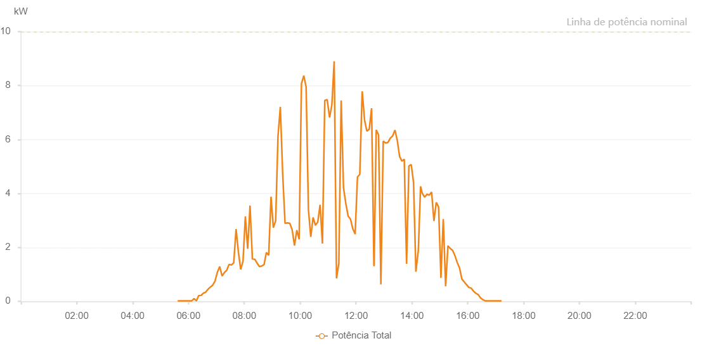

Number | Time | Working State | Alarm Code | Total Inverter Power(W)
1 | 11/08/2022 05:36:56 (UTC-4:00) | Normal |  | 20.000
2 | 11/08/2022 05:41:56 (UTC-4:00) | Normal |  | 20.000
3 | 11/08/2022 05:46:56 (UTC-4:00) | Normal |  | 20.000
4 | 11/08/2022 05:51:58 (UTC-4:00) | Normal |  | 20.000
5 | 11/08/2022 05:57:02 (UTC-4:00) | Normal |  | 20.000
6 | 11/08/2022 06:02:02 (UTC-4:00) | Normal |  | 20.000
7 | 11/08/2022 06:07:02 (UTC-4:00) | Normal |  | 20.000
8 | 11/08/2022 06:12:02 (UTC-4:00) | Normal |  | 100.000
9 | 11/08/2022 06:17:02 (UTC-4:00) | Normal |  | 20.000
10 | 11/08/2022 06:22:02 (UTC-4:00) | Normal |  | 210.000
11 | 11/08/2022 06:27:02 (UTC-4:00) | Normal |  | 220.000
12 | 11/08/2022 06:32:02 (UTC-4:00) | Normal |  | 300.000
13 | 11/08/2022 06:37:02 (UTC-4:00) | Normal |  | 340.000
14 | 11/08/2022 06:42:02 (UTC-4:00) | Normal |  | 450.000
15 | 11/08/2022 06:47:02 (UTC-4:00) | Normal |  | 530.000
16 | 11/08/2022 06:52:02 (UTC-4:00) | Normal |  | 600.000
17 | 11/08/2022 06:57:03 (UTC-4:00) | Normal |  | 750.000
18 | 11/08/2022 07:02:07 (UTC-4:00) | Normal |  | 1080.000
19 | 11/08/2022 07:07:11 (UTC-4:00) | Normal |  | 1290.000
20 | 11/08/2022 07:12:15 (UTC-4:00) | Normal |  | 940.000
21 | 11/08/2022 07:17:19 (UTC-4:00) | Normal |  | 1070.000
22 | 11/08/2022 07:22:15 (UTC-4:00) | Normal |  | 1150.000
23 | 11/08/2022 07:27:15 (UTC-4:00) | Normal |  | 1370.000
24 | 11/08/2022 07:32:16 (UTC-4:00) | Normal |  | 1350.000
25 | 11/08/2022 07:32:27 (UTC-4:00) | Normal |  | 1350.000
26 | 11/08/2022 07:37:16 (UTC-4:00) | Normal |  | 1430.000
27 | 11/08/2022 07:42:20 (UTC-4:00) | Normal |  | 2680.000
28 | 11/08/2022 07:47:16 (UTC-4:00) | Normal |  | 1830.000
29 | 11/08/2022 07:52:16 (UTC-4:00) | Normal |  | 1180.000
30 | 11/08/2022 07:57:16 (UTC-4:00) | Normal |  | 1500.000
31 | 11/08/2022 08:02:16 (UTC-4:00) | Normal |  | 3150.000
32 | 11/08/2022 08:07:16 (UTC-4:00) | Normal |  | 1950.000
33 | 11/08/2022 08:12:19 (UTC-4:00) | Normal |  | 3550.000
34 | 11/08/2022 08:17:22 (UTC-4:00) | Normal |  | 1570.000
35 | 11/08/2022 08:22:25 (UTC-4:00) | Normal |  | 1560.000
36 | 11/08/2022 08:27:22 (UTC-4:00) | Normal |  | 1420.000
37 | 11/08/2022 08:32:22 (UTC-4:00) | Normal |  | 1290.000
38 | 11/08/2022 08:37:22 (UTC-4:00) | Normal |  | 1310.000
39 | 11/08/2022 08:42:27 (UTC-4:00) | Normal |  | 1360.000
40 | 11/08/2022 08:47:22 (UTC-4:00) | Normal |  | 1810.000
41 | 11/08/2022 08:52:22 (UTC-4:00) | Normal |  | 1710.000
42 | 11/08/2022 08:57:23 (UTC-4:00) | Normal |  | 3880.000
43 | 11/08/2022 09:02:23 (UTC-4:00) | Normal |  | 2730.000
44 | 11/08/2022 09:07:23 (UTC-4:00) | Normal |  | 2990.000
45 | 11/08/2022 09:12:23 (UTC-4:00) | Normal |  | 6120.000
46 | 11/08/2022 09:17:25 (UTC-4:00) | Normal |  | 7210.000
47 | 11/08/2022 09:22:29 (UTC-4:00) | Normal |  | 4710.000
48 | 11/08/2022 09:27:34 (UTC-4:00) | Normal |  | 2890.000
49 | 11/08/2022 09:32:37 (UTC-4:00) | Normal |  | 2910.000
50 | 11/08/2022 09:32:48 (UTC-4:00) | Normal |  | 2910.000
51 | 11/08/2022 09:37:41 (UTC-4:00) | Normal |  | 2890.000
52 | 11/08/2022 09:42:45 (UTC-4:00) | Normal |  | 2660.000
53 | 11/08/2022 09:47:48 (UTC-4:00) | Normal |  | 2070.000
54 | 11/08/2022 09:52:49 (UTC-4:00) | Normal |  | 2640.000
55 | 11/08/2022 09:57:48 (UTC-4:00) | Normal |  | 2300.000
56 | 11/08/2022 10:02:48 (UTC-4:00) | Normal |  | 8070.000
57 | 11/08/2022 10:07:48 (UTC-4:00) | Normal |  | 8370.000
58 | 11/08/2022 10:12:48 (UTC-4:00) | Normal |  | 7950.000
59 | 11/08/2022 10:17:48 (UTC-4:00) | Normal |  | 3390.000
60 | 11/08/2022 10:22:48 (UTC-4:00) | Normal |  | 2390.000
61 | 11/08/2022 10:27:48 (UTC-4:00) | Normal |  | 3110.000
62 | 11/08/2022 10:32:48 (UTC-4:00) | Normal |  | 2820.000
63 | 11/08/2022 10:37:48 (UTC-4:00) | Normal |  | 2940.000
64 | 11/08/2022 10:42:49 (UTC-4:00) | Normal |  | 3580.000
65 | 11/08/2022 10:47:52 (UTC-4:00) | Normal |  | 2140.000
66 | 11/08/2022 10:52:54 (UTC-4:00) | Normal |  | 7450.000
67 | 11/08/2022 10:57:59 (UTC-4:00) | Normal |  | 7480.000
68 | 11/08/2022 11:03:02 (UTC-4:00) | Normal |  | 6830.000
69 | 11/08/2022 11:03:27 (UTC-4:00) | Normal |  | 6830.000
70 | 11/08/2022 11:08:07 (UTC-4:00) | Normal |  | 7290.000
71 | 11/08/2022 11:13:06 (UTC-4:00) | Normal |  | 8900.000
72 | 11/08/2022 11:18:06 (UTC-4:00) | Normal |  | 850.000
73 | 11/08/2022 11:23:06 (UTC-4:00) | Normal |  | 1410.000
74 | 11/08/2022 11:28:06 (UTC-4:00) | Normal |  | 7450.000
75 | 11/08/2022 11:33:06 (UTC-4:00) | Normal |  | 4210.000
76 | 11/08/2022 11:38:11 (UTC-4:00) | Normal |  | 3620.000
77 | 11/08/2022 11:43:06 (UTC-4:00) | Normal |  | 3160.000
78 | 11/08/2022 11:48:08 (UTC-4:00) | Normal |  | 3050.000
79 | 11/08/2022 11:53:06 (UTC-4:00) | Normal |  | 2690.000
80 | 11/08/2022 11:58:07 (UTC-4:00) | Normal |  | 2490.000
81 | 11/08/2022 12:03:08 (UTC-4:00) | Normal |  | 4610.000
82 | 11/08/2022 12:08:08 (UTC-4:00) | Normal |  | 4710.000
83 | 11/08/2022 12:13:11 (UTC-4:00) | Normal |  | 7770.000
84 | 11/08/2022 12:13:27 (UTC-4:00) | Normal |  | 7770.000
85 | 11/08/2022 12:18:19 (UTC-4:00) | Normal |  | 6730.000
86 | 11/08/2022 12:23:19 (UTC-4:00) | Normal |  | 6310.000
87 | 11/08/2022 12:28:23 (UTC-4:00) | Normal |  | 6380.000
88 | 11/08/2022 12:33:27 (UTC-4:00) | Normal |  | 7160.000
89 | 11/08/2022 12:38:27 (UTC-4:00) | Normal |  | 1320.000
90 | 11/08/2022 12:38:54 (UTC-4:00) | Normal |  | 1320.000
91 | 11/08/2022 12:43:27 (UTC-4:00) | Normal |  | 6360.000
92 | 11/08/2022 12:48:27 (UTC-4:00) | Normal |  | 6170.000
93 | 11/08/2022 12:53:27 (UTC-4:00) | Normal |  | 630.000
94 | 11/08/2022 12:58:27 (UTC-4:00) | Normal |  | 5940.000
95 | 11/08/2022 13:03:30 (UTC-4:00) | Normal |  | 5870.000
96 | 11/08/2022 13:08:34 (UTC-4:00) | Normal |  | 5890.000
97 | 11/08/2022 13:13:38 (UTC-4:00) | Normal |  | 6050.000
98 | 11/08/2022 13:18:38 (UTC-4:00) | Normal |  | 6130.000
99 | 11/08/2022 13:23:38 (UTC-4:00) | Normal |  | 6350.000
100 | 11/08/2022 13:28:38 (UTC-4:00) | Normal |  | 5970.000
101 | 11/08/2022 13:33:38 (UTC-4:00) | Normal |  | 5370.000
102 | 11/08/2022 13:38:38 (UTC-4:00) | Normal |  | 5200.000
103 | 11/08/2022 13:43:38 (UTC-4:00) | Normal |  | 5270.000
104 | 11/08/2022 13:48:39 (UTC-4:00) | Normal |  | 1390.000
105 | 11/08/2022 13:53:38 (UTC-4:00) | Normal |  | 5020.000
106 | 11/08/2022 13:58:38 (UTC-4:00) | Normal |  | 5070.000
107 | 11/08/2022 14:03:38 (UTC-4:00) | Normal |  | 4400.000
108 | 11/08/2022 14:08:38 (UTC-4:00) | Normal |  | 1100.000
109 | 11/08/2022 14:13:39 (UTC-4:00) | Normal |  | 1860.000
110 | 11/08/2022 14:13:50 (UTC-4:00) | Normal |  | 1860.000
111 | 11/08/2022 14:18:42 (UTC-4:00) | Normal |  | 4260.000
112 | 11/08/2022 14:22:12 (UTC-4:00) | Normal |  | 4010.000
113 | 11/08/2022 14:27:28 (UTC-4:00) | Normal |  | 3860.000
114 | 11/08/2022 14:32:26 (UTC-4:00) | Normal |  | 3970.000
115 | 11/08/2022 14:37:26 (UTC-4:00) | Normal |  | 3940.000
116 | 11/08/2022 14:42:25 (UTC-4:00) | Normal |  | 4050.000
117 | 11/08/2022 14:47:24 (UTC-4:00) | Normal |  | 2980.000
118 | 11/08/2022 14:52:23 (UTC-4:00) | Normal |  | 3670.000
119 | 11/08/2022 14:57:23 (UTC-4:00) | Normal |  | 3500.000
120 | 11/08/2022 15:02:26 (UTC-4:00) | Normal |  | 870.000
121 | 11/08/2022 15:07:29 (UTC-4:00) | Normal |  | 3050.000
122 | 11/08/2022 15:12:32 (UTC-4:00) | Normal |  | 560.000
123 | 11/08/2022 15:17:31 (UTC-4:00) | Normal |  | 2060.000
124 | 11/08/2022 15:22:30 (UTC-4:00) | Normal |  | 1960.000
125 | 11/08/2022 15:27:29 (UTC-4:00) | Normal |  | 1890.000
126 | 11/08/2022 15:32:28 (UTC-4:00) | Normal |  | 1700.000
127 | 11/08/2022 15:37:26 (UTC-4:00) | Normal |  | 1440.000
128 | 11/08/2022 15:42:26 (UTC-4:00) | Normal |  | 1240.000
129 | 11/08/2022 15:47:24 (UTC-4:00) | Normal |  | 830.000
130 | 11/08/2022 15:52:23 (UTC-4:00) | Normal |  | 720.000
131 | 11/08/2022 15:57:22 (UTC-4:00) | Normal |  | 620.000
132 | 11/08/2022 16:02:21 (UTC-4:00) | Normal |  | 520.000
133 | 11/08/2022 16:07:20 (UTC-4:00) | Normal |  | 490.000
134 | 11/08/2022 16:12:19 (UTC-4:00) | Normal |  | 380.000
135 | 11/08/2022 16:17:21 (UTC-4:00) | Normal |  | 300.000
136 | 11/08/2022 16:22:24 (UTC-4:00) | Normal |  | 250.000
137 | 11/08/2022 16:27:27 (UTC-4:00) | Normal |  | 130.000
138 | 11/08/2022 16:32:30 (UTC-4:00) | Normal |  | 60.000
139 | 11/08/2022 16:37:33 (UTC-4:00) | Normal |  | 20.000
140 | 11/08/2022 16:42:36 (UTC-4:00) | Normal |  | 20.000
141 | 11/08/2022 16:47:38 (UTC-4:00) | Normal |  | 20.000
142 | 11/08/2022 16:52:37 (UTC-4:00) | Normal |  | 20.000
143 | 11/08/2022 16:57:36 (UTC-4:00) | Normal |  | 20.000
144 | 11/08/2022 17:02:35 (UTC-4:00) | Normal |  | 20.000
145 | 11/08/2022 17:07:34 (UTC-4:00) | Normal |  | 20.000
146 | 11/08/2022 17:12:33 (UTC-4:00) | Normal |  | 20.000

