Inverter History Report__17-08-
Inverter History Report_17/11/2022_Report

Inverter SN:054B7020C020041 |  | Inverter type:B7
Collector SN:4045966636 |  | Full Load Hours(h):6.18
Rated Power:10000Wp

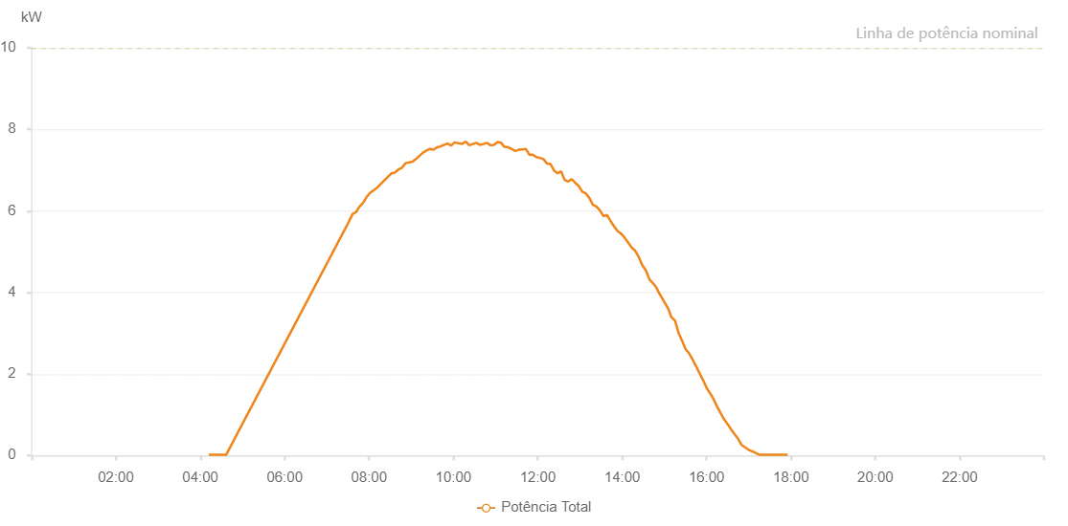

Number | Time | Working State | Alarm Code | Total Inverter Power(W)
1 | 17/11/2022 04:12:10 (UTC-4:00) | Normal |  | 20.000
2 | 17/11/2022 04:17:21 (UTC-4:00) | Normal |  | 20.000
3 | 17/11/2022 04:30:47 (UTC-4:00) | Normal |  | 20.000
4 | 17/11/2022 04:36:53 (UTC-4:00) | Normal |  | 20.000
5 | 17/11/2022 07:31:28 (UTC-4:00) | Normal |  | 5740.000
6 | 17/11/2022 07:36:31 (UTC-4:00) | Normal |  | 5920.000
7 | 17/11/2022 07:41:37 (UTC-4:00) | Normal |  | 5970.000
8 | 17/11/2022 07:45:49 (UTC-4:00) | Normal |  | 6090.000
9 | 17/11/2022 07:51:46 (UTC-4:00) | Normal |  | 6200.000
10 | 17/11/2022 07:56:28 (UTC-4:00) | Normal |  | 6340.000
11 | 17/11/2022 08:01:27 (UTC-4:00) | Normal |  | 6440.000
12 | 17/11/2022 08:11:35 (UTC-4:00) | Normal |  | 6570.000
13 | 17/11/2022 08:21:41 (UTC-4:00) | Normal |  | 6750.000
14 | 17/11/2022 08:31:48 (UTC-4:00) | Normal |  | 6920.000
15 | 17/11/2022 08:36:51 (UTC-4:00) | Normal |  | 6940.000
16 | 17/11/2022 08:41:23 (UTC-4:00) | Normal |  | 7010.000
17 | 17/11/2022 08:46:57 (UTC-4:00) | Normal |  | 7060.000
18 | 17/11/2022 08:51:55 (UTC-4:00) | Normal |  | 7170.000
19 | 17/11/2022 09:02:00 (UTC-4:00) | Normal |  | 7210.000
20 | 17/11/2022 09:06:37 (UTC-4:00) | Normal |  | 7270.000
21 | 17/11/2022 09:16:43 (UTC-4:00) | Normal |  | 7430.000
22 | 17/11/2022 09:21:46 (UTC-4:00) | Normal |  | 7480.000
23 | 17/11/2022 09:26:45 (UTC-4:00) | Normal |  | 7520.000
24 | 17/11/2022 09:31:44 (UTC-4:00) | Normal |  | 7500.000
25 | 17/11/2022 09:36:43 (UTC-4:00) | Normal |  | 7560.000
26 | 17/11/2022 09:41:42 (UTC-4:00) | Normal |  | 7580.000
27 | 17/11/2022 09:46:41 (UTC-4:00) | Normal |  | 7620.000
28 | 17/11/2022 09:47:06 (UTC-4:00) | Normal |  | 7620.000
29 | 17/11/2022 09:51:40 (UTC-4:00) | Normal |  | 7650.000
30 | 17/11/2022 09:51:52 (UTC-4:00) | Normal |  | 7650.000
31 | 17/11/2022 09:56:39 (UTC-4:00) | Normal |  | 7600.000
32 | 17/11/2022 10:01:38 (UTC-4:00) | Normal |  | 7680.000
33 | 17/11/2022 10:06:37 (UTC-4:00) | Normal |  | 7660.000
34 | 17/11/2022 10:11:38 (UTC-4:00) | Normal |  | 7650.000
35 | 17/11/2022 10:11:40 (UTC-4:00) | Normal |  | 7650.000
36 | 17/11/2022 10:12:10 (UTC-4:00) | Normal |  | 7640.000
37 | 17/11/2022 10:17:30 (UTC-4:00) | Normal |  | 7700.000
38 | 17/11/2022 10:22:31 (UTC-4:00) | Normal |  | 7610.000
39 | 17/11/2022 10:27:31 (UTC-4:00) | Normal |  | 7640.000
40 | 17/11/2022 10:32:33 (UTC-4:00) | Normal |  | 7670.000
41 | 17/11/2022 10:37:34 (UTC-4:00) | Normal |  | 7620.000
42 | 17/11/2022 10:42:35 (UTC-4:00) | Normal |  | 7640.000
43 | 17/11/2022 10:47:35 (UTC-4:00) | Normal |  | 7670.000
44 | 17/11/2022 10:52:36 (UTC-4:00) | Normal |  | 7610.000
45 | 17/11/2022 10:57:40 (UTC-4:00) | Normal |  | 7620.000
46 | 17/11/2022 11:02:45 (UTC-4:00) | Normal |  | 7690.000
47 | 17/11/2022 11:07:46 (UTC-4:00) | Normal |  | 7670.000
48 | 17/11/2022 11:12:46 (UTC-4:00) | Normal |  | 7570.000
49 | 17/11/2022 11:17:46 (UTC-4:00) | Normal |  | 7560.000
50 | 17/11/2022 11:22:47 (UTC-4:00) | Normal |  | 7520.000
51 | 17/11/2022 11:27:48 (UTC-4:00) | Normal |  | 7470.000
52 | 17/11/2022 11:32:49 (UTC-4:00) | Normal |  | 7500.000
53 | 17/11/2022 11:37:50 (UTC-4:00) | Normal |  | 7510.000
54 | 17/11/2022 11:42:50 (UTC-4:00) | Normal |  | 7520.000
55 | 17/11/2022 11:47:51 (UTC-4:00) | Normal |  | 7380.000
56 | 17/11/2022 11:52:51 (UTC-4:00) | Normal |  | 7380.000
57 | 17/11/2022 11:57:52 (UTC-4:00) | Normal |  | 7320.000
58 | 17/11/2022 12:02:54 (UTC-4:00) | Normal |  | 7300.000
59 | 17/11/2022 12:03:06 (UTC-4:00) | Normal |  | 7300.000
60 | 17/11/2022 12:08:00 (UTC-4:00) | Normal |  | 7270.000
61 | 17/11/2022 12:13:04 (UTC-4:00) | Normal |  | 7160.000
62 | 17/11/2022 12:18:08 (UTC-4:00) | Normal |  | 7150.000
63 | 17/11/2022 12:23:09 (UTC-4:00) | Normal |  | 6990.000
64 | 17/11/2022 12:28:09 (UTC-4:00) | Normal |  | 6920.000
65 | 17/11/2022 12:33:10 (UTC-4:00) | Normal |  | 6970.000
66 | 17/11/2022 12:38:10 (UTC-4:00) | Normal |  | 6760.000
67 | 17/11/2022 12:43:11 (UTC-4:00) | Normal |  | 6720.000
68 | 17/11/2022 12:48:12 (UTC-4:00) | Normal |  | 6780.000
69 | 17/11/2022 12:53:12 (UTC-4:00) | Normal |  | 6690.000
70 | 17/11/2022 12:58:13 (UTC-4:00) | Normal |  | 6610.000
71 | 17/11/2022 13:03:14 (UTC-4:00) | Normal |  | 6470.000
72 | 17/11/2022 13:08:14 (UTC-4:00) | Normal |  | 6430.000
73 | 17/11/2022 13:13:15 (UTC-4:00) | Normal |  | 6320.000
74 | 17/11/2022 13:18:18 (UTC-4:00) | Normal |  | 6150.000
75 | 17/11/2022 13:23:22 (UTC-4:00) | Normal |  | 6110.000
76 | 17/11/2022 13:28:27 (UTC-4:00) | Normal |  | 6010.000
77 | 17/11/2022 13:33:31 (UTC-4:00) | Normal |  | 5870.000
78 | 17/11/2022 13:38:32 (UTC-4:00) | Normal |  | 5900.000
79 | 17/11/2022 13:43:32 (UTC-4:00) | Normal |  | 5750.000
80 | 17/11/2022 13:48:33 (UTC-4:00) | Normal |  | 5620.000
81 | 17/11/2022 13:53:33 (UTC-4:00) | Normal |  | 5500.000
82 | 17/11/2022 13:53:44 (UTC-4:00) | Normal |  | 5500.000
83 | 17/11/2022 13:58:34 (UTC-4:00) | Normal |  | 5440.000
84 | 17/11/2022 14:03:34 (UTC-4:00) | Normal |  | 5340.000
85 | 17/11/2022 14:08:35 (UTC-4:00) | Normal |  | 5220.000
86 | 17/11/2022 14:13:35 (UTC-4:00) | Normal |  | 5100.000
87 | 17/11/2022 14:18:36 (UTC-4:00) | Normal |  | 5020.000
88 | 17/11/2022 14:23:36 (UTC-4:00) | Normal |  | 4870.000
89 | 17/11/2022 14:28:37 (UTC-4:00) | Normal |  | 4670.000
90 | 17/11/2022 14:33:40 (UTC-4:00) | Normal |  | 4540.000
91 | 17/11/2022 14:38:45 (UTC-4:00) | Normal |  | 4320.000
92 | 17/11/2022 14:43:50 (UTC-4:00) | Normal |  | 4220.000
93 | 17/11/2022 14:44:15 (UTC-4:00) | Normal |  | 4220.000
94 | 17/11/2022 14:48:54 (UTC-4:00) | Normal |  | 4110.000
95 | 17/11/2022 14:53:58 (UTC-4:00) | Normal |  | 3940.000
96 | 17/11/2022 14:54:09 (UTC-4:00) | Normal |  | 3940.000
97 | 17/11/2022 14:59:04 (UTC-4:00) | Normal |  | 3790.000
98 | 17/11/2022 15:04:08 (UTC-4:00) | Normal |  | 3640.000
99 | 17/11/2022 15:04:44 (UTC-4:00) | Normal |  | 3630.000
100 | 17/11/2022 15:10:09 (UTC-4:00) | Normal |  | 3390.000
101 | 17/11/2022 15:15:07 (UTC-4:00) | Normal |  | 3310.000
102 | 17/11/2022 15:20:06 (UTC-4:00) | Normal |  | 3010.000
103 | 17/11/2022 15:25:04 (UTC-4:00) | Normal |  | 2820.000
104 | 17/11/2022 15:30:03 (UTC-4:00) | Normal |  | 2610.000
105 | 17/11/2022 15:35:02 (UTC-4:00) | Normal |  | 2510.000
106 | 17/11/2022 15:40:00 (UTC-4:00) | Normal |  | 2360.000
107 | 17/11/2022 15:44:59 (UTC-4:00) | Normal |  | 2190.000
108 | 17/11/2022 15:45:09 (UTC-4:00) | Normal |  | 2190.000
109 | 17/11/2022 15:49:57 (UTC-4:00) | Normal |  | 2020.000
110 | 17/11/2022 15:54:59 (UTC-4:00) | Normal |  | 1850.000
111 | 17/11/2022 15:55:08 (UTC-4:00) | Normal |  | 1850.000
112 | 17/11/2022 16:00:00 (UTC-4:00) | Normal |  | 1660.000
113 | 17/11/2022 16:05:02 (UTC-4:00) | Normal |  | 1520.000
114 | 17/11/2022 16:05:17 (UTC-4:00) | Normal |  | 1520.000
115 | 17/11/2022 16:10:01 (UTC-4:00) | Normal |  | 1380.000
116 | 17/11/2022 16:14:59 (UTC-4:00) | Normal |  | 1200.000
117 | 17/11/2022 16:19:57 (UTC-4:00) | Normal |  | 1040.000
118 | 17/11/2022 16:24:56 (UTC-4:00) | Normal |  | 890.000
119 | 17/11/2022 16:29:54 (UTC-4:00) | Normal |  | 770.000
120 | 17/11/2022 16:34:52 (UTC-4:00) | Normal |  | 640.000
121 | 17/11/2022 16:39:51 (UTC-4:00) | Normal |  | 520.000
122 | 17/11/2022 16:44:49 (UTC-4:00) | Normal |  | 410.000
123 | 17/11/2022 16:49:49 (UTC-4:00) | Normal |  | 260.000
124 | 17/11/2022 16:54:47 (UTC-4:00) | Normal |  | 200.000
125 | 17/11/2022 16:59:46 (UTC-4:00) | Normal |  | 140.000
126 | 17/11/2022 17:04:44 (UTC-4:00) | Normal |  | 100.000
127 | 17/11/2022 17:05:09 (UTC-4:00) | Normal |  | 100.000
128 | 17/11/2022 17:09:48 (UTC-4:00) | Normal |  | 60.000
129 | 17/11/2022 17:14:51 (UTC-4:00) | Normal |  | 20.000
130 | 17/11/2022 17:19:53 (UTC-4:00) | Normal |  | 20.000
131 | 17/11/2022 17:24:56 (UTC-4:00) | Normal |  | 20.000
132 | 17/11/2022 17:29:58 (UTC-4:00) | Normal |  | 20.000
133 | 17/11/2022 17:35:00 (UTC-4:00) | Normal |  | 20.000
134 | 17/11/2022 17:40:02 (UTC-4:00) | Normal |  | 20.000
135 | 17/11/2022 17:45:04 (UTC-4:00) | Normal |  | 20.000
136 | 17/11/2022 17:50:07 (UTC-4:00) | Normal |  | 20.000
137 | 17/11/2022 17:55:09 (UTC-4:00) | Normal |  | 20.000
138 | 17/11/2022 17:55:20 (UTC-4:00) | Normal |  | 20.000

