Inverter History Report__17-08-
Inverter History Report_21/02/2023_Report

Inverter SN:054B7020C020041 |  | Inverter type:B7
Collector SN:4045966636 |  | Full Load Hours(h):4.46
Rated Power:10000Wp

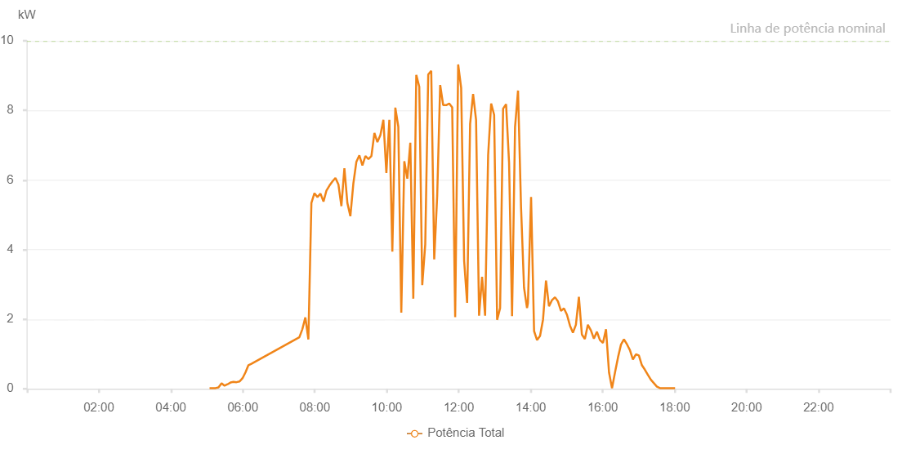

Number | Time | Working State | Alarm Code | Total Inverter Power(W)
1 | 21/02/2023 05:04:33 (UTC-4:00) | Normal |  | 20.000
2 | 21/02/2023 05:09:31 (UTC-4:00) | Normal |  | 20.000
3 | 21/02/2023 05:14:30 (UTC-4:00) | Normal |  | 20.000
4 | 21/02/2023 05:19:31 (UTC-4:00) | Normal |  | 40.000
5 | 21/02/2023 05:24:34 (UTC-4:00) | Normal |  | 160.000
6 | 21/02/2023 05:29:32 (UTC-4:00) | Normal |  | 90.000
7 | 21/02/2023 05:34:31 (UTC-4:00) | Normal |  | 130.000
8 | 21/02/2023 05:39:30 (UTC-4:00) | Normal |  | 180.000
9 | 21/02/2023 05:44:28 (UTC-4:00) | Normal |  | 200.000
10 | 21/02/2023 05:49:27 (UTC-4:00) | Normal |  | 190.000
11 | 21/02/2023 05:54:26 (UTC-4:00) | Normal |  | 210.000
12 | 21/02/2023 05:59:24 (UTC-4:00) | Normal |  | 300.000
13 | 21/02/2023 06:04:23 (UTC-4:00) | Normal |  | 470.000
14 | 21/02/2023 06:09:22 (UTC-4:00) | Normal |  | 680.000
15 | 21/02/2023 06:14:20 (UTC-4:00) | Normal |  | 720.000
16 | 21/02/2023 07:34:14 (UTC-4:00) | Normal |  | 1480.000
17 | 21/02/2023 07:39:12 (UTC-4:00) | Normal |  | 1710.000
18 | 21/02/2023 07:44:15 (UTC-4:00) | Normal |  | 2050.000
19 | 21/02/2023 07:49:18 (UTC-4:00) | Normal |  | 1420.000
20 | 21/02/2023 07:54:20 (UTC-4:00) | Normal |  | 5340.000
21 | 21/02/2023 07:59:23 (UTC-4:00) | Normal |  | 5620.000
22 | 21/02/2023 08:04:26 (UTC-4:00) | Normal |  | 5510.000
23 | 21/02/2023 08:09:28 (UTC-4:00) | Normal |  | 5610.000
24 | 21/02/2023 08:14:30 (UTC-4:00) | Normal |  | 5380.000
25 | 21/02/2023 08:19:29 (UTC-4:00) | Normal |  | 5700.000
26 | 21/02/2023 08:24:28 (UTC-4:00) | Normal |  | 5840.000
27 | 21/02/2023 08:29:26 (UTC-4:00) | Normal |  | 5960.000
28 | 21/02/2023 08:34:25 (UTC-4:00) | Normal |  | 6060.000
29 | 21/02/2023 08:39:24 (UTC-4:00) | Normal |  | 5870.000
30 | 21/02/2023 08:44:22 (UTC-4:00) | Normal |  | 5250.000
31 | 21/02/2023 08:49:21 (UTC-4:00) | Normal |  | 6340.000
32 | 21/02/2023 08:54:19 (UTC-4:00) | Normal |  | 5340.000
33 | 21/02/2023 08:59:18 (UTC-4:00) | Normal |  | 4960.000
34 | 21/02/2023 09:04:17 (UTC-4:00) | Normal |  | 5900.000
35 | 21/02/2023 09:09:17 (UTC-4:00) | Normal |  | 6520.000
36 | 21/02/2023 09:14:19 (UTC-4:00) | Normal |  | 6710.000
37 | 21/02/2023 09:19:22 (UTC-4:00) | Normal |  | 6420.000
38 | 21/02/2023 09:24:24 (UTC-4:00) | Normal |  | 6690.000
39 | 21/02/2023 09:29:27 (UTC-4:00) | Normal |  | 6600.000
40 | 21/02/2023 09:34:25 (UTC-4:00) | Normal |  | 6690.000
41 | 21/02/2023 09:39:24 (UTC-4:00) | Normal |  | 7350.000
42 | 21/02/2023 09:44:23 (UTC-4:00) | Normal |  | 7090.000
43 | 21/02/2023 09:49:22 (UTC-4:00) | Normal |  | 7290.000
44 | 21/02/2023 09:54:21 (UTC-4:00) | Normal |  | 7730.000
45 | 21/02/2023 09:59:20 (UTC-4:00) | Normal |  | 6200.000
46 | 21/02/2023 10:04:19 (UTC-4:00) | Normal |  | 7730.000
47 | 21/02/2023 10:09:17 (UTC-4:00) | Normal |  | 3940.000
48 | 21/02/2023 10:14:16 (UTC-4:00) | Normal |  | 8080.000
49 | 21/02/2023 10:19:15 (UTC-4:00) | Normal |  | 7530.000
50 | 21/02/2023 10:24:13 (UTC-4:00) | Normal |  | 2190.000
51 | 21/02/2023 10:29:14 (UTC-4:00) | Normal |  | 6540.000
52 | 21/02/2023 10:34:17 (UTC-4:00) | Normal |  | 6040.000
53 | 21/02/2023 10:39:15 (UTC-4:00) | Normal |  | 7070.000
54 | 21/02/2023 10:44:14 (UTC-4:00) | Normal |  | 2590.000
55 | 21/02/2023 10:49:13 (UTC-4:00) | Normal |  | 9020.000
56 | 21/02/2023 10:54:12 (UTC-4:00) | Normal |  | 8680.000
57 | 21/02/2023 10:59:10 (UTC-4:00) | Normal |  | 2980.000
58 | 21/02/2023 11:04:09 (UTC-4:00) | Normal |  | 4150.000
59 | 21/02/2023 11:09:09 (UTC-4:00) | Normal |  | 9030.000
60 | 21/02/2023 11:14:08 (UTC-4:00) | Normal |  | 9140.000
61 | 21/02/2023 11:19:07 (UTC-4:00) | Normal |  | 3720.000
62 | 21/02/2023 11:24:05 (UTC-4:00) | Normal |  | 5550.000
63 | 21/02/2023 11:29:04 (UTC-4:00) | Normal |  | 8730.000
64 | 21/02/2023 11:34:05 (UTC-4:00) | Normal |  | 8150.000
65 | 21/02/2023 11:39:08 (UTC-4:00) | Normal |  | 8150.000
66 | 21/02/2023 11:44:07 (UTC-4:00) | Normal |  | 8200.000
67 | 21/02/2023 11:49:05 (UTC-4:00) | Normal |  | 8090.000
68 | 21/02/2023 11:54:04 (UTC-4:00) | Normal |  | 2060.000
69 | 21/02/2023 11:59:03 (UTC-4:00) | Normal |  | 9320.000
70 | 21/02/2023 12:04:01 (UTC-4:00) | Normal |  | 8650.000
71 | 21/02/2023 12:09:00 (UTC-4:00) | Normal |  | 3680.000
72 | 21/02/2023 12:13:59 (UTC-4:00) | Normal |  | 2470.000
73 | 21/02/2023 12:18:58 (UTC-4:00) | Normal |  | 7610.000
74 | 21/02/2023 12:23:56 (UTC-4:00) | Normal |  | 8470.000
75 | 21/02/2023 12:28:55 (UTC-4:00) | Normal |  | 7720.000
76 | 21/02/2023 12:33:54 (UTC-4:00) | Normal |  | 2100.000
77 | 21/02/2023 12:38:55 (UTC-4:00) | Normal |  | 3220.000
78 | 21/02/2023 12:43:58 (UTC-4:00) | Normal |  | 2100.000
79 | 21/02/2023 12:49:01 (UTC-4:00) | Normal |  | 6710.000
80 | 21/02/2023 12:54:03 (UTC-4:00) | Normal |  | 8200.000
81 | 21/02/2023 12:59:02 (UTC-4:00) | Normal |  | 7870.000
82 | 21/02/2023 13:04:00 (UTC-4:00) | Normal |  | 1980.000
83 | 21/02/2023 13:08:59 (UTC-4:00) | Normal |  | 2320.000
84 | 21/02/2023 13:13:57 (UTC-4:00) | Normal |  | 8050.000
85 | 21/02/2023 13:18:56 (UTC-4:00) | Normal |  | 8180.000
86 | 21/02/2023 13:23:56 (UTC-4:00) | Normal |  | 6490.000
87 | 21/02/2023 13:28:55 (UTC-4:00) | Normal |  | 2090.000
88 | 21/02/2023 13:33:53 (UTC-4:00) | Normal |  | 7520.000
89 | 21/02/2023 13:38:52 (UTC-4:00) | Normal |  | 8570.000
90 | 21/02/2023 13:43:51 (UTC-4:00) | Normal |  | 5230.000
91 | 21/02/2023 13:48:51 (UTC-4:00) | Normal |  | 2910.000
92 | 21/02/2023 13:53:52 (UTC-4:00) | Normal |  | 2320.000
93 | 21/02/2023 13:55:21 (UTC-4:00) | Normal |  | 2460.000
94 | 21/02/2023 14:00:37 (UTC-4:00) | Normal |  | 5510.000
95 | 21/02/2023 14:05:36 (UTC-4:00) | Normal |  | 1660.000
96 | 21/02/2023 14:10:34 (UTC-4:00) | Normal |  | 1400.000
97 | 21/02/2023 14:15:33 (UTC-4:00) | Normal |  | 1520.000
98 | 21/02/2023 14:20:32 (UTC-4:00) | Normal |  | 1990.000
99 | 21/02/2023 14:25:31 (UTC-4:00) | Normal |  | 3110.000
100 | 21/02/2023 14:30:29 (UTC-4:00) | Normal |  | 2370.000
101 | 21/02/2023 14:35:32 (UTC-4:00) | Normal |  | 2550.000
102 | 21/02/2023 14:40:30 (UTC-4:00) | Normal |  | 2630.000
103 | 21/02/2023 14:45:29 (UTC-4:00) | Normal |  | 2510.000
104 | 21/02/2023 14:50:28 (UTC-4:00) | Normal |  | 2240.000
105 | 21/02/2023 14:55:26 (UTC-4:00) | Normal |  | 2310.000
106 | 21/02/2023 15:00:25 (UTC-4:00) | Normal |  | 2130.000
107 | 21/02/2023 15:05:23 (UTC-4:00) | Normal |  | 1820.000
108 | 21/02/2023 15:10:22 (UTC-4:00) | Normal |  | 1610.000
109 | 21/02/2023 15:15:20 (UTC-4:00) | Normal |  | 1840.000
110 | 21/02/2023 15:20:20 (UTC-4:00) | Normal |  | 2640.000
111 | 21/02/2023 15:25:18 (UTC-4:00) | Normal |  | 1560.000
112 | 21/02/2023 15:30:17 (UTC-4:00) | Normal |  | 1430.000
113 | 21/02/2023 15:35:17 (UTC-4:00) | Normal |  | 1840.000
114 | 21/02/2023 15:40:20 (UTC-4:00) | Normal |  | 1680.000
115 | 21/02/2023 15:45:22 (UTC-4:00) | Normal |  | 1440.000
116 | 21/02/2023 15:50:25 (UTC-4:00) | Normal |  | 1640.000
117 | 21/02/2023 15:55:27 (UTC-4:00) | Normal |  | 1400.000
118 | 21/02/2023 16:00:30 (UTC-4:00) | Normal |  | 1320.000
119 | 21/02/2023 16:05:32 (UTC-4:00) | Normal |  | 1710.000
120 | 21/02/2023 16:10:35 (UTC-4:00) | Normal |  | 470.000
121 | 21/02/2023 16:15:33 (UTC-4:00) | Normal |  | 20.000
122 | 21/02/2023 16:20:32 (UTC-4:00) | Normal |  | 470.000
123 | 21/02/2023 16:25:31 (UTC-4:00) | Normal |  | 900.000
124 | 21/02/2023 16:30:30 (UTC-4:00) | Normal |  | 1270.000
125 | 21/02/2023 16:35:28 (UTC-4:00) | Normal |  | 1420.000
126 | 21/02/2023 16:40:27 (UTC-4:00) | Normal |  | 1280.000
127 | 21/02/2023 16:45:25 (UTC-4:00) | Normal |  | 1110.000
128 | 21/02/2023 16:50:23 (UTC-4:00) | Normal |  | 840.000
129 | 21/02/2023 16:55:22 (UTC-4:00) | Normal |  | 990.000
130 | 21/02/2023 17:00:20 (UTC-4:00) | Normal |  | 960.000
131 | 21/02/2023 17:05:19 (UTC-4:00) | Normal |  | 680.000
132 | 21/02/2023 17:10:18 (UTC-4:00) | Normal |  | 550.000
133 | 21/02/2023 17:15:20 (UTC-4:00) | Normal |  | 400.000
134 | 21/02/2023 17:20:21 (UTC-4:00) | Normal |  | 260.000
135 | 21/02/2023 17:25:24 (UTC-4:00) | Normal |  | 160.000
136 | 21/02/2023 17:30:26 (UTC-4:00) | Normal |  | 60.000
137 | 21/02/2023 17:35:29 (UTC-4:00) | Normal |  | 20.000
138 | 21/02/2023 17:35:40 (UTC-4:00) | Normal |  | 20.000
139 | 21/02/2023 17:40:32 (UTC-4:00) | Normal |  | 20.000
140 | 21/02/2023 17:45:35 (UTC-4:00) | Normal |  | 20.000
141 | 21/02/2023 17:45:45 (UTC-4:00) | Normal |  | 20.000
142 | 21/02/2023 17:50:36 (UTC-4:00) | Normal |  | 20.000
143 | 21/02/2023 17:55:39 (UTC-4:00) | Normal |  | 20.000
144 | 21/02/2023 18:00:41 (UTC-4:00) | Normal |  | 20.000

