Inverter History Report__17-08-
Inverter History Report_12/03/2023_Report

Inverter SN:054B7020C020041 |  | Inverter type:B7
Collector SN:4045966636 |  | Full Load Hours(h):3.20
Rated Power:10000Wp

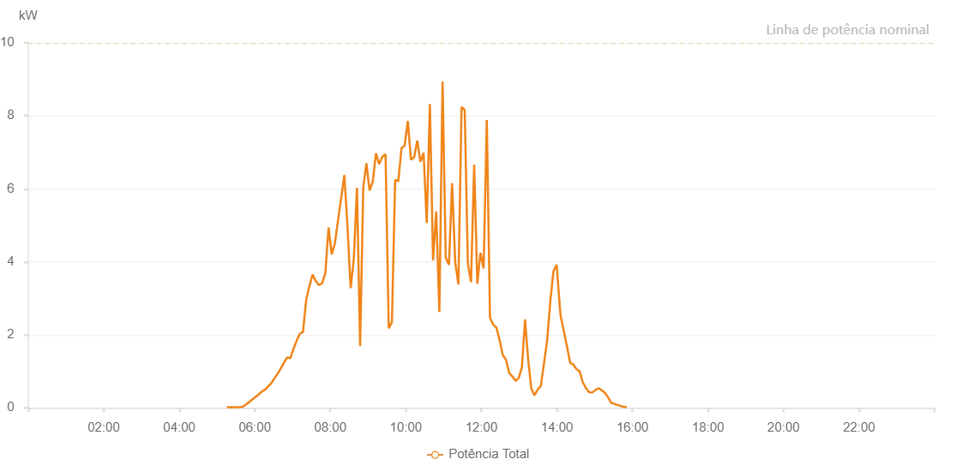

Number | Time | Working State | Alarm Code | Total Inverter Power(W)
1 | 12/03/2023 05:15:38 (UTC-4:00) | Normal |  | 20.000
2 | 12/03/2023 05:20:43 (UTC-4:00) | Normal |  | 20.000
3 | 12/03/2023 05:25:44 (UTC-4:00) | Normal |  | 20.000
4 | 12/03/2023 05:30:47 (UTC-4:00) | Normal |  | 20.000
5 | 12/03/2023 05:35:49 (UTC-4:00) | Normal |  | 20.000
6 | 12/03/2023 05:40:53 (UTC-4:00) | Normal |  | 30.000
7 | 12/03/2023 05:45:56 (UTC-4:00) | Normal |  | 90.000
8 | 12/03/2023 05:51:01 (UTC-4:00) | Normal |  | 160.000
9 | 12/03/2023 05:56:05 (UTC-4:00) | Normal |  | 230.000
10 | 12/03/2023 06:01:10 (UTC-4:00) | Normal |  | 300.000
11 | 12/03/2023 06:06:14 (UTC-4:00) | Normal |  | 370.000
12 | 12/03/2023 06:11:19 (UTC-4:00) | Normal |  | 450.000
13 | 12/03/2023 06:16:19 (UTC-4:00) | Normal |  | 500.000
14 | 12/03/2023 06:21:20 (UTC-4:00) | Normal |  | 590.000
15 | 12/03/2023 06:26:20 (UTC-4:00) | Normal |  | 680.000
16 | 12/03/2023 06:31:21 (UTC-4:00) | Normal |  | 810.000
17 | 12/03/2023 06:36:21 (UTC-4:00) | Normal |  | 940.000
18 | 12/03/2023 06:41:22 (UTC-4:00) | Normal |  | 1080.000
19 | 12/03/2023 06:46:22 (UTC-4:00) | Normal |  | 1240.000
20 | 12/03/2023 06:51:23 (UTC-4:00) | Normal |  | 1380.000
21 | 12/03/2023 06:56:24 (UTC-4:00) | Normal |  | 1360.000
22 | 12/03/2023 07:01:24 (UTC-4:00) | Normal |  | 1610.000
23 | 12/03/2023 07:06:26 (UTC-4:00) | Normal |  | 1840.000
24 | 12/03/2023 07:11:28 (UTC-4:00) | Normal |  | 2030.000
25 | 12/03/2023 07:16:33 (UTC-4:00) | Normal |  | 2080.000
26 | 12/03/2023 07:21:37 (UTC-4:00) | Normal |  | 2960.000
27 | 12/03/2023 07:26:42 (UTC-4:00) | Normal |  | 3330.000
28 | 12/03/2023 07:31:46 (UTC-4:00) | Normal |  | 3650.000
29 | 12/03/2023 07:36:51 (UTC-4:00) | Normal |  | 3470.000
30 | 12/03/2023 07:41:55 (UTC-4:00) | Normal |  | 3360.000
31 | 12/03/2023 07:47:00 (UTC-4:00) | Normal |  | 3410.000
32 | 12/03/2023 07:52:04 (UTC-4:00) | Normal |  | 3690.000
33 | 12/03/2023 07:57:09 (UTC-4:00) | Normal |  | 4940.000
34 | 12/03/2023 08:02:13 (UTC-4:00) | Normal |  | 4200.000
35 | 12/03/2023 08:07:14 (UTC-4:00) | Normal |  | 4510.000
36 | 12/03/2023 08:12:14 (UTC-4:00) | Normal |  | 5140.000
37 | 12/03/2023 08:17:15 (UTC-4:00) | Normal |  | 5750.000
38 | 12/03/2023 08:22:15 (UTC-4:00) | Normal |  | 6380.000
39 | 12/03/2023 08:27:16 (UTC-4:00) | Normal |  | 4950.000
40 | 12/03/2023 08:32:16 (UTC-4:00) | Normal |  | 3280.000
41 | 12/03/2023 08:37:17 (UTC-4:00) | Normal |  | 4080.000
42 | 12/03/2023 08:42:17 (UTC-4:00) | Normal |  | 6030.000
43 | 12/03/2023 08:47:18 (UTC-4:00) | Normal |  | 1690.000
44 | 12/03/2023 08:52:18 (UTC-4:00) | Normal |  | 6040.000
45 | 12/03/2023 08:57:19 (UTC-4:00) | Normal |  | 6700.000
46 | 12/03/2023 09:02:20 (UTC-4:00) | Normal |  | 5950.000
47 | 12/03/2023 09:07:24 (UTC-4:00) | Normal |  | 6200.000
48 | 12/03/2023 09:12:28 (UTC-4:00) | Normal |  | 6970.000
49 | 12/03/2023 09:17:33 (UTC-4:00) | Normal |  | 6680.000
50 | 12/03/2023 09:22:38 (UTC-4:00) | Normal |  | 6880.000
51 | 12/03/2023 09:27:42 (UTC-4:00) | Normal |  | 6950.000
52 | 12/03/2023 09:32:46 (UTC-4:00) | Normal |  | 2180.000
53 | 12/03/2023 09:37:51 (UTC-4:00) | Normal |  | 2350.000
54 | 12/03/2023 09:42:55 (UTC-4:00) | Normal |  | 6240.000
55 | 12/03/2023 09:48:00 (UTC-4:00) | Normal |  | 6210.000
56 | 12/03/2023 09:53:04 (UTC-4:00) | Normal |  | 7120.000
57 | 12/03/2023 09:58:04 (UTC-4:00) | Normal |  | 7180.000
58 | 12/03/2023 10:03:05 (UTC-4:00) | Normal |  | 7860.000
59 | 12/03/2023 10:08:05 (UTC-4:00) | Normal |  | 6800.000
60 | 12/03/2023 10:13:06 (UTC-4:00) | Normal |  | 6860.000
61 | 12/03/2023 10:18:06 (UTC-4:00) | Normal |  | 7320.000
62 | 12/03/2023 10:23:09 (UTC-4:00) | Normal |  | 6740.000
63 | 12/03/2023 10:28:09 (UTC-4:00) | Normal |  | 6990.000
64 | 12/03/2023 10:33:10 (UTC-4:00) | Normal |  | 5060.000
65 | 12/03/2023 10:38:10 (UTC-4:00) | Normal |  | 8320.000
66 | 12/03/2023 10:43:11 (UTC-4:00) | Normal |  | 4040.000
67 | 12/03/2023 10:48:11 (UTC-4:00) | Normal |  | 5380.000
68 | 12/03/2023 10:53:13 (UTC-4:00) | Normal |  | 2630.000
69 | 12/03/2023 10:58:17 (UTC-4:00) | Normal |  | 8940.000
70 | 12/03/2023 11:03:22 (UTC-4:00) | Normal |  | 4110.000
71 | 12/03/2023 11:08:27 (UTC-4:00) | Normal |  | 3920.000
72 | 12/03/2023 11:13:27 (UTC-4:00) | Normal |  | 6150.000
73 | 12/03/2023 11:18:28 (UTC-4:00) | Normal |  | 3980.000
74 | 12/03/2023 11:23:28 (UTC-4:00) | Normal |  | 3380.000
75 | 12/03/2023 11:28:29 (UTC-4:00) | Normal |  | 8240.000
76 | 12/03/2023 11:33:29 (UTC-4:00) | Normal |  | 8160.000
77 | 12/03/2023 11:38:30 (UTC-4:00) | Normal |  | 3950.000
78 | 12/03/2023 11:43:31 (UTC-4:00) | Normal |  | 3440.000
79 | 12/03/2023 11:48:31 (UTC-4:00) | Normal |  | 6660.000
80 | 12/03/2023 11:53:32 (UTC-4:00) | Normal |  | 3400.000
81 | 12/03/2023 11:58:32 (UTC-4:00) | Normal |  | 4250.000
82 | 12/03/2023 12:03:33 (UTC-4:00) | Normal |  | 3820.000
83 | 12/03/2023 12:08:35 (UTC-4:00) | Normal |  | 7890.000
84 | 12/03/2023 12:13:39 (UTC-4:00) | Normal |  | 2470.000
85 | 12/03/2023 12:18:44 (UTC-4:00) | Normal |  | 2280.000
86 | 12/03/2023 12:23:48 (UTC-4:00) | Normal |  | 2200.000
87 | 12/03/2023 12:28:53 (UTC-4:00) | Normal |  | 1860.000
88 | 12/03/2023 12:33:58 (UTC-4:00) | Normal |  | 1450.000
89 | 12/03/2023 12:39:02 (UTC-4:00) | Normal |  | 1320.000
90 | 12/03/2023 12:44:07 (UTC-4:00) | Normal |  | 960.000
91 | 12/03/2023 12:49:11 (UTC-4:00) | Normal |  | 860.000
92 | 12/03/2023 12:54:16 (UTC-4:00) | Normal |  | 740.000
93 | 12/03/2023 12:59:20 (UTC-4:00) | Normal |  | 820.000
94 | 12/03/2023 13:04:21 (UTC-4:00) | Normal |  | 1110.000
95 | 12/03/2023 13:09:21 (UTC-4:00) | Normal |  | 2420.000
96 | 12/03/2023 13:14:22 (UTC-4:00) | Normal |  | 1310.000
97 | 12/03/2023 13:19:22 (UTC-4:00) | Normal |  | 520.000
98 | 12/03/2023 13:24:23 (UTC-4:00) | Normal |  | 340.000
99 | 12/03/2023 13:29:23 (UTC-4:00) | Normal |  | 500.000
100 | 12/03/2023 13:34:24 (UTC-4:00) | Normal |  | 600.000
101 | 12/03/2023 13:39:24 (UTC-4:00) | Normal |  | 1210.000
102 | 12/03/2023 13:44:25 (UTC-4:00) | Normal |  | 1840.000
103 | 12/03/2023 13:49:25 (UTC-4:00) | Normal |  | 2900.000
104 | 12/03/2023 13:54:26 (UTC-4:00) | Normal |  | 3740.000
105 | 12/03/2023 13:59:30 (UTC-4:00) | Normal |  | 3920.000
106 | 12/03/2023 14:04:35 (UTC-4:00) | Normal |  | 2770.000
107 | 12/03/2023 14:05:51 (UTC-4:00) | Normal |  | 2520.000
108 | 12/03/2023 14:11:06 (UTC-4:00) | Normal |  | 2090.000
109 | 12/03/2023 14:16:05 (UTC-4:00) | Normal |  | 1670.000
110 | 12/03/2023 14:21:04 (UTC-4:00) | Normal |  | 1230.000
111 | 12/03/2023 14:26:04 (UTC-4:00) | Normal |  | 1190.000
112 | 12/03/2023 14:31:03 (UTC-4:00) | Normal |  | 1060.000
113 | 12/03/2023 14:36:02 (UTC-4:00) | Normal |  | 1000.000
114 | 12/03/2023 14:41:04 (UTC-4:00) | Normal |  | 700.000
115 | 12/03/2023 14:46:07 (UTC-4:00) | Normal |  | 540.000
116 | 12/03/2023 14:51:10 (UTC-4:00) | Normal |  | 430.000
117 | 12/03/2023 14:56:14 (UTC-4:00) | Normal |  | 420.000
118 | 12/03/2023 15:01:13 (UTC-4:00) | Normal |  | 490.000
119 | 12/03/2023 15:06:12 (UTC-4:00) | Normal |  | 540.000
120 | 12/03/2023 15:11:12 (UTC-4:00) | Normal |  | 480.000
121 | 12/03/2023 15:16:11 (UTC-4:00) | Normal |  | 410.000
122 | 12/03/2023 15:21:11 (UTC-4:00) | Normal |  | 290.000
123 | 12/03/2023 15:26:10 (UTC-4:00) | Normal |  | 140.000
124 | 12/03/2023 15:31:09 (UTC-4:00) | Normal |  | 110.000
125 | 12/03/2023 15:36:08 (UTC-4:00) | Normal |  | 80.000
126 | 12/03/2023 15:41:08 (UTC-4:00) | Normal |  | 50.000
127 | 12/03/2023 15:46:08 (UTC-4:00) | Normal |  | 30.000
128 | 12/03/2023 15:51:07 (UTC-4:00) | Normal |  | 20.000

