Inverter History Report__17-08-
Inverter History Report_02/04/2023_Report

Inverter SN:054B7020C020041 |  | Inverter type:B7
Collector SN:4045966636 |  | Full Load Hours(h):4.50
Rated Power:10000Wp

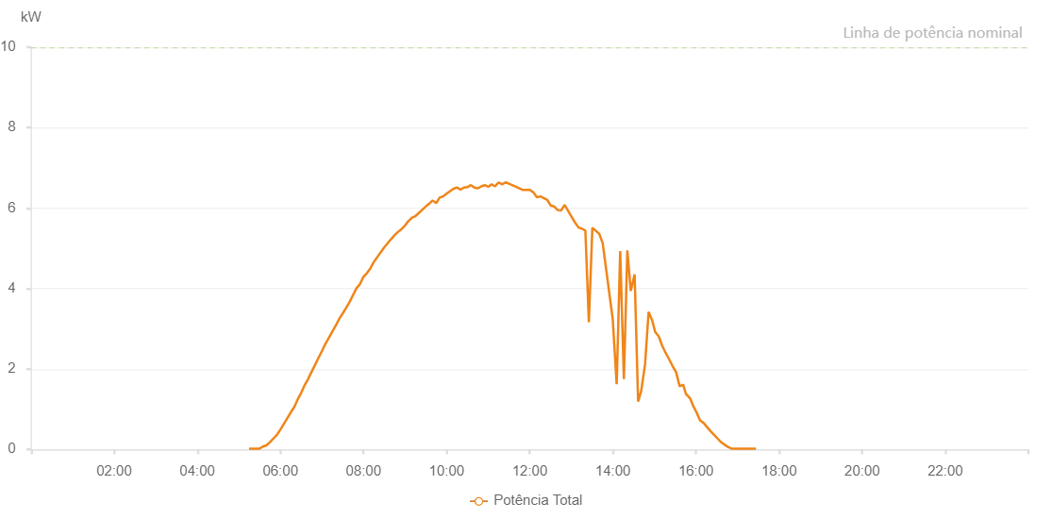

Number | Time | Working State | Alarm Code | Total Inverter Power(W)
1 | 02/04/2023 05:14:43 (UTC-4:00) | Normal |  | 20.000
2 | 02/04/2023 05:19:43 (UTC-4:00) | Normal |  | 20.000
3 | 02/04/2023 05:24:43 (UTC-4:00) | Normal |  | 20.000
4 | 02/04/2023 05:29:44 (UTC-4:00) | Normal |  | 20.000
5 | 02/04/2023 05:34:47 (UTC-4:00) | Normal |  | 70.000
6 | 02/04/2023 05:39:50 (UTC-4:00) | Normal |  | 100.000
7 | 02/04/2023 05:44:53 (UTC-4:00) | Normal |  | 180.000
8 | 02/04/2023 05:49:56 (UTC-4:00) | Normal |  | 270.000
9 | 02/04/2023 05:54:54 (UTC-4:00) | Normal |  | 360.000
10 | 02/04/2023 05:59:53 (UTC-4:00) | Normal |  | 490.000
11 | 02/04/2023 06:04:52 (UTC-4:00) | Normal |  | 630.000
12 | 02/04/2023 06:14:53 (UTC-4:00) | Normal |  | 920.000
13 | 02/04/2023 06:19:52 (UTC-4:00) | Normal |  | 1050.000
14 | 02/04/2023 06:24:51 (UTC-4:00) | Normal |  | 1240.000
15 | 02/04/2023 06:29:50 (UTC-4:00) | Normal |  | 1400.000
16 | 02/04/2023 06:34:48 (UTC-4:00) | Normal |  | 1590.000
17 | 02/04/2023 06:39:47 (UTC-4:00) | Normal |  | 1740.000
18 | 02/04/2023 06:44:47 (UTC-4:00) | Normal |  | 1920.000
19 | 02/04/2023 06:49:47 (UTC-4:00) | Normal |  | 2090.000
20 | 02/04/2023 06:54:47 (UTC-4:00) | Normal |  | 2270.000
21 | 02/04/2023 06:59:48 (UTC-4:00) | Normal |  | 2440.000
22 | 02/04/2023 07:04:51 (UTC-4:00) | Normal |  | 2620.000
23 | 02/04/2023 07:09:54 (UTC-4:00) | Normal |  | 2770.000
24 | 02/04/2023 07:14:57 (UTC-4:00) | Normal |  | 2930.000
25 | 02/04/2023 07:19:59 (UTC-4:00) | Normal |  | 3080.000
26 | 02/04/2023 07:25:02 (UTC-4:00) | Normal |  | 3250.000
27 | 02/04/2023 07:30:01 (UTC-4:00) | Normal |  | 3380.000
28 | 02/04/2023 07:35:00 (UTC-4:00) | Normal |  | 3520.000
29 | 02/04/2023 07:39:58 (UTC-4:00) | Normal |  | 3670.000
30 | 02/04/2023 07:44:57 (UTC-4:00) | Normal |  | 3840.000
31 | 02/04/2023 07:49:56 (UTC-4:00) | Normal |  | 4010.000
32 | 02/04/2023 07:54:55 (UTC-4:00) | Normal |  | 4110.000
33 | 02/04/2023 07:59:53 (UTC-4:00) | Normal |  | 4290.000
34 | 02/04/2023 08:04:52 (UTC-4:00) | Normal |  | 4380.000
35 | 02/04/2023 08:09:51 (UTC-4:00) | Normal |  | 4500.000
36 | 02/04/2023 08:14:50 (UTC-4:00) | Normal |  | 4660.000
37 | 02/04/2023 08:29:50 (UTC-4:00) | Normal |  | 5020.000
38 | 02/04/2023 08:39:55 (UTC-4:00) | Normal |  | 5230.000
39 | 02/04/2023 08:40:07 (UTC-4:00) | Normal |  | 5230.000
40 | 02/04/2023 08:45:01 (UTC-4:00) | Normal |  | 5330.000
41 | 02/04/2023 08:50:02 (UTC-4:00) | Normal |  | 5410.000
42 | 02/04/2023 08:55:04 (UTC-4:00) | Normal |  | 5480.000
43 | 02/04/2023 09:00:02 (UTC-4:00) | Normal |  | 5570.000
44 | 02/04/2023 09:05:01 (UTC-4:00) | Normal |  | 5680.000
45 | 02/04/2023 09:10:00 (UTC-4:00) | Normal |  | 5760.000
46 | 02/04/2023 09:14:59 (UTC-4:00) | Normal |  | 5800.000
47 | 02/04/2023 09:29:55 (UTC-4:00) | Normal |  | 6040.000
48 | 02/04/2023 09:34:54 (UTC-4:00) | Normal |  | 6110.000
49 | 02/04/2023 09:39:53 (UTC-4:00) | Normal |  | 6190.000
50 | 02/04/2023 09:44:53 (UTC-4:00) | Normal |  | 6120.000
51 | 02/04/2023 09:49:51 (UTC-4:00) | Normal |  | 6260.000
52 | 02/04/2023 09:54:52 (UTC-4:00) | Normal |  | 6290.000
53 | 02/04/2023 09:59:54 (UTC-4:00) | Normal |  | 6360.000
54 | 02/04/2023 10:09:59 (UTC-4:00) | Normal |  | 6480.000
55 | 02/04/2023 10:15:02 (UTC-4:00) | Normal |  | 6510.000
56 | 02/04/2023 10:20:05 (UTC-4:00) | Normal |  | 6460.000
57 | 02/04/2023 10:25:08 (UTC-4:00) | Normal |  | 6510.000
58 | 02/04/2023 10:30:07 (UTC-4:00) | Normal |  | 6520.000
59 | 02/04/2023 10:35:05 (UTC-4:00) | Normal |  | 6570.000
60 | 02/04/2023 10:40:04 (UTC-4:00) | Normal |  | 6510.000
61 | 02/04/2023 10:45:03 (UTC-4:00) | Normal |  | 6490.000
62 | 02/04/2023 10:50:02 (UTC-4:00) | Normal |  | 6540.000
63 | 02/04/2023 10:55:03 (UTC-4:00) | Normal |  | 6570.000
64 | 02/04/2023 11:00:01 (UTC-4:00) | Normal |  | 6530.000
65 | 02/04/2023 11:05:00 (UTC-4:00) | Normal |  | 6590.000
66 | 02/04/2023 11:09:59 (UTC-4:00) | Normal |  | 6540.000
67 | 02/04/2023 11:14:58 (UTC-4:00) | Normal |  | 6640.000
68 | 02/04/2023 11:19:57 (UTC-4:00) | Normal |  | 6590.000
69 | 02/04/2023 11:24:59 (UTC-4:00) | Normal |  | 6640.000
70 | 02/04/2023 11:40:05 (UTC-4:00) | Normal |  | 6530.000
71 | 02/04/2023 11:50:10 (UTC-4:00) | Normal |  | 6450.000
72 | 02/04/2023 11:55:13 (UTC-4:00) | Normal |  | 6450.000
73 | 02/04/2023 12:00:16 (UTC-4:00) | Normal |  | 6450.000
74 | 02/04/2023 12:05:19 (UTC-4:00) | Normal |  | 6390.000
75 | 02/04/2023 12:10:21 (UTC-4:00) | Normal |  | 6270.000
76 | 02/04/2023 12:15:24 (UTC-4:00) | Normal |  | 6290.000
77 | 02/04/2023 12:25:26 (UTC-4:00) | Normal |  | 6200.000
78 | 02/04/2023 12:30:25 (UTC-4:00) | Normal |  | 6060.000
79 | 02/04/2023 12:35:23 (UTC-4:00) | Normal |  | 6040.000
80 | 02/04/2023 12:40:22 (UTC-4:00) | Normal |  | 5950.000
81 | 02/04/2023 12:45:21 (UTC-4:00) | Normal |  | 5940.000
82 | 02/04/2023 12:50:20 (UTC-4:00) | Normal |  | 6080.000
83 | 02/04/2023 13:05:45 (UTC-4:00) | Normal |  | 5630.000
84 | 02/04/2023 13:10:47 (UTC-4:00) | Normal |  | 5510.000
85 | 02/04/2023 13:15:21 (UTC-4:00) | Normal |  | 5490.000
86 | 02/04/2023 13:20:19 (UTC-4:00) | Normal |  | 5440.000
87 | 02/04/2023 13:25:22 (UTC-4:00) | Normal |  | 3160.000
88 | 02/04/2023 13:30:25 (UTC-4:00) | Normal |  | 5510.000
89 | 02/04/2023 13:40:20 (UTC-4:00) | Normal |  | 5360.000
90 | 02/04/2023 13:45:19 (UTC-4:00) | Normal |  | 5130.000
91 | 02/04/2023 13:59:47 (UTC-4:00) | Normal |  | 3250.000
92 | 02/04/2023 14:05:32 (UTC-4:00) | Normal |  | 1620.000
93 | 02/04/2023 14:10:36 (UTC-4:00) | Normal |  | 4930.000
94 | 02/04/2023 14:15:56 (UTC-4:00) | Normal |  | 1750.000
95 | 02/04/2023 14:20:55 (UTC-4:00) | Normal |  | 4950.000
96 | 02/04/2023 14:25:53 (UTC-4:00) | Normal |  | 3940.000
97 | 02/04/2023 14:31:25 (UTC-4:00) | Normal |  | 4350.000
98 | 02/04/2023 14:36:28 (UTC-4:00) | Normal |  | 1190.000
99 | 02/04/2023 14:40:55 (UTC-4:00) | Normal |  | 1450.000
100 | 02/04/2023 14:46:33 (UTC-4:00) | Normal |  | 2120.000
101 | 02/04/2023 14:51:36 (UTC-4:00) | Normal |  | 3420.000
102 | 02/04/2023 14:56:03 (UTC-4:00) | Normal |  | 3240.000
103 | 02/04/2023 14:56:15 (UTC-4:00) | Normal |  | 3240.000
104 | 02/04/2023 15:01:08 (UTC-4:00) | Normal |  | 2920.000
105 | 02/04/2023 15:06:17 (UTC-4:00) | Normal |  | 2810.000
106 | 02/04/2023 15:11:11 (UTC-4:00) | Normal |  | 2580.000
107 | 02/04/2023 15:16:13 (UTC-4:00) | Normal |  | 2400.000
108 | 02/04/2023 15:21:16 (UTC-4:00) | Normal |  | 2240.000
109 | 02/04/2023 15:26:19 (UTC-4:00) | Normal |  | 2070.000
110 | 02/04/2023 15:31:21 (UTC-4:00) | Normal |  | 1920.000
111 | 02/04/2023 15:36:26 (UTC-4:00) | Normal |  | 1570.000
112 | 02/04/2023 15:41:27 (UTC-4:00) | Normal |  | 1610.000
113 | 02/04/2023 15:45:31 (UTC-4:00) | Normal |  | 1380.000
114 | 02/04/2023 15:51:24 (UTC-4:00) | Normal |  | 1270.000
115 | 02/04/2023 15:56:23 (UTC-4:00) | Normal |  | 1070.000
116 | 02/04/2023 16:00:51 (UTC-4:00) | Normal |  | 920.000
117 | 02/04/2023 16:05:54 (UTC-4:00) | Normal |  | 720.000
118 | 02/04/2023 16:10:56 (UTC-4:00) | Normal |  | 660.000
119 | 02/04/2023 16:21:17 (UTC-4:00) | Normal |  | 450.000
120 | 02/04/2023 16:26:16 (UTC-4:00) | Normal |  | 360.000
121 | 02/04/2023 16:31:15 (UTC-4:00) | Normal |  | 270.000
122 | 02/04/2023 16:36:14 (UTC-4:00) | Normal |  | 180.000
123 | 02/04/2023 16:41:12 (UTC-4:00) | Normal |  | 120.000
124 | 02/04/2023 16:46:14 (UTC-4:00) | Normal |  | 60.000
125 | 02/04/2023 16:46:25 (UTC-4:00) | Normal |  | 60.000
126 | 02/04/2023 16:51:19 (UTC-4:00) | Normal |  | 20.000
127 | 02/04/2023 16:56:21 (UTC-4:00) | Normal |  | 20.000
128 | 02/04/2023 17:01:23 (UTC-4:00) | Normal |  | 20.000
129 | 02/04/2023 17:06:25 (UTC-4:00) | Normal |  | 20.000
130 | 02/04/2023 17:11:28 (UTC-4:00) | Normal |  | 20.000
131 | 02/04/2023 17:16:30 (UTC-4:00) | Normal |  | 20.000
132 | 02/04/2023 17:21:33 (UTC-4:00) | Normal |  | 20.000
133 | 02/04/2023 17:26:36 (UTC-4:00) | Normal |  | 20.000

