Inverter History Report__17-08-
Inverter History Report_07/04/2023_Report

Inverter SN:054B7020C020041 |  | Inverter type:B7
Collector SN:4045966636 |  | Full Load Hours(h):0.70
Rated Power:10000Wp

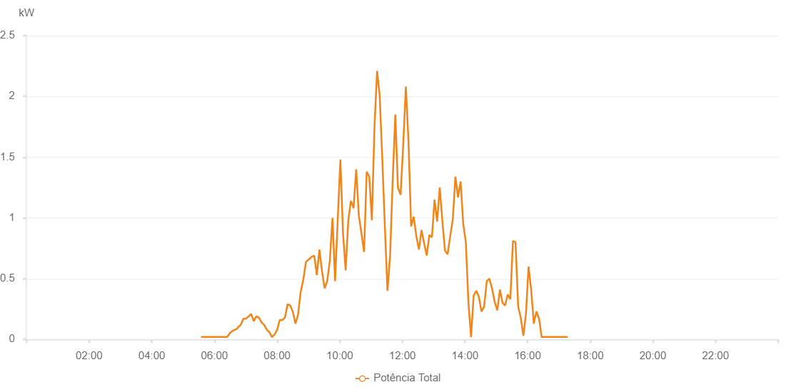

Number | Time | Working State | Alarm Code | Total Inverter Power(W)
1 | 07/04/2023 05:34:28 (UTC-4:00) | Normal |  | 20.000
2 | 07/04/2023 05:39:32 (UTC-4:00) | Normal |  | 20.000
3 | 07/04/2023 05:44:29 (UTC-4:00) | Normal |  | 20.000
4 | 07/04/2023 05:49:26 (UTC-4:00) | Normal |  | 20.000
5 | 07/04/2023 05:54:28 (UTC-4:00) | Normal |  | 20.000
6 | 07/04/2023 05:59:26 (UTC-4:00) | Normal |  | 20.000
7 | 07/04/2023 06:05:14 (UTC-4:00) | Normal |  | 20.000
8 | 07/04/2023 06:09:23 (UTC-4:00) | Normal |  | 20.000
9 | 07/04/2023 06:14:21 (UTC-4:00) | Normal |  | 20.000
10 | 07/04/2023 06:19:26 (UTC-4:00) | Normal |  | 20.000
11 | 07/04/2023 06:24:18 (UTC-4:00) | Normal |  | 20.000
12 | 07/04/2023 06:29:17 (UTC-4:00) | Normal |  | 50.000
13 | 07/04/2023 06:34:24 (UTC-4:00) | Normal |  | 70.000
14 | 07/04/2023 06:39:25 (UTC-4:00) | Normal |  | 80.000
15 | 07/04/2023 06:39:26 (UTC-4:00) | Normal |  | 80.000
16 | 07/04/2023 06:44:19 (UTC-4:00) | Normal |  | 90.000
17 | 07/04/2023 06:45:01 (UTC-4:00) | Normal |  | 100.000
18 | 07/04/2023 06:50:28 (UTC-4:00) | Normal |  | 120.000
19 | 07/04/2023 06:55:26 (UTC-4:00) | Normal |  | 170.000
20 | 07/04/2023 07:00:25 (UTC-4:00) | Normal |  | 170.000
21 | 07/04/2023 07:05:35 (UTC-4:00) | Normal |  | 190.000
22 | 07/04/2023 07:05:46 (UTC-4:00) | Normal |  | 190.000
23 | 07/04/2023 07:10:23 (UTC-4:00) | Normal |  | 210.000
24 | 07/04/2023 07:15:21 (UTC-4:00) | Normal |  | 150.000
25 | 07/04/2023 07:20:21 (UTC-4:00) | Normal |  | 190.000
26 | 07/04/2023 07:25:19 (UTC-4:00) | Normal |  | 180.000
27 | 07/04/2023 07:30:18 (UTC-4:00) | Normal |  | 140.000
28 | 07/04/2023 07:35:18 (UTC-4:00) | Normal |  | 120.000
29 | 07/04/2023 07:40:18 (UTC-4:00) | Normal |  | 80.000
30 | 07/04/2023 07:45:15 (UTC-4:00) | Normal |  | 60.000
31 | 07/04/2023 07:50:16 (UTC-4:00) | Normal |  | 20.000
32 | 07/04/2023 07:55:16 (UTC-4:00) | Normal |  | 40.000
33 | 07/04/2023 08:00:13 (UTC-4:00) | Normal |  | 80.000
34 | 07/04/2023 08:05:12 (UTC-4:00) | Normal |  | 160.000
35 | 07/04/2023 08:10:11 (UTC-4:00) | Normal |  | 160.000
36 | 07/04/2023 08:15:09 (UTC-4:00) | Normal |  | 180.000
37 | 07/04/2023 08:20:10 (UTC-4:00) | Normal |  | 290.000
38 | 07/04/2023 08:25:07 (UTC-4:00) | Normal |  | 280.000
39 | 07/04/2023 08:30:07 (UTC-4:00) | Normal |  | 230.000
40 | 07/04/2023 08:35:14 (UTC-4:00) | Normal |  | 130.000
41 | 07/04/2023 08:40:08 (UTC-4:00) | Normal |  | 200.000
42 | 07/04/2023 08:45:11 (UTC-4:00) | Normal |  | 390.000
43 | 07/04/2023 08:50:13 (UTC-4:00) | Normal |  | 490.000
44 | 07/04/2023 08:55:28 (UTC-4:00) | Normal |  | 640.000
45 | 07/04/2023 08:55:51 (UTC-4:00) | Normal |  | 640.000
46 | 07/04/2023 09:01:12 (UTC-4:00) | Normal |  | 660.000
47 | 07/04/2023 09:06:13 (UTC-4:00) | Normal |  | 680.000
48 | 07/04/2023 09:11:13 (UTC-4:00) | Normal |  | 690.000
49 | 07/04/2023 09:16:12 (UTC-4:00) | Normal |  | 530.000
50 | 07/04/2023 09:21:11 (UTC-4:00) | Normal |  | 740.000
51 | 07/04/2023 09:26:10 (UTC-4:00) | Normal |  | 560.000
52 | 07/04/2023 09:31:09 (UTC-4:00) | Normal |  | 420.000
53 | 07/04/2023 09:36:08 (UTC-4:00) | Normal |  | 480.000
54 | 07/04/2023 09:41:10 (UTC-4:00) | Normal |  | 650.000
55 | 07/04/2023 09:46:12 (UTC-4:00) | Normal |  | 1000.000
56 | 07/04/2023 09:51:15 (UTC-4:00) | Normal |  | 480.000
57 | 07/04/2023 09:56:18 (UTC-4:00) | Normal |  | 990.000
58 | 07/04/2023 10:01:21 (UTC-4:00) | Normal |  | 1480.000
59 | 07/04/2023 10:06:24 (UTC-4:00) | Normal |  | 870.000
60 | 07/04/2023 10:11:27 (UTC-4:00) | Normal |  | 570.000
61 | 07/04/2023 10:16:30 (UTC-4:00) | Normal |  | 980.000
62 | 07/04/2023 10:21:33 (UTC-4:00) | Normal |  | 1140.000
63 | 07/04/2023 10:26:37 (UTC-4:00) | Normal |  | 1080.000
64 | 07/04/2023 10:31:39 (UTC-4:00) | Normal |  | 1400.000
65 | 07/04/2023 10:36:42 (UTC-4:00) | Normal |  | 1020.000
66 | 07/04/2023 10:41:44 (UTC-4:00) | Normal |  | 870.000
67 | 07/04/2023 10:46:43 (UTC-4:00) | Normal |  | 720.000
68 | 07/04/2023 10:51:44 (UTC-4:00) | Normal |  | 1380.000
69 | 07/04/2023 10:56:42 (UTC-4:00) | Normal |  | 1340.000
70 | 07/04/2023 11:01:40 (UTC-4:00) | Normal |  | 980.000
71 | 07/04/2023 11:06:39 (UTC-4:00) | Normal |  | 1750.000
72 | 07/04/2023 11:11:39 (UTC-4:00) | Normal |  | 2210.000
73 | 07/04/2023 11:16:37 (UTC-4:00) | Normal |  | 2010.000
74 | 07/04/2023 11:21:36 (UTC-4:00) | Normal |  | 1490.000
75 | 07/04/2023 11:26:38 (UTC-4:00) | Normal |  | 920.000
76 | 07/04/2023 11:31:36 (UTC-4:00) | Normal |  | 400.000
77 | 07/04/2023 11:36:35 (UTC-4:00) | Normal |  | 690.000
78 | 07/04/2023 11:41:34 (UTC-4:00) | Normal |  | 1310.000
79 | 07/04/2023 11:46:35 (UTC-4:00) | Normal |  | 1850.000
80 | 07/04/2023 11:51:37 (UTC-4:00) | Normal |  | 1250.000
81 | 07/04/2023 11:56:40 (UTC-4:00) | Normal |  | 1190.000
82 | 07/04/2023 12:01:43 (UTC-4:00) | Normal |  | 1600.000
83 | 07/04/2023 12:06:46 (UTC-4:00) | Normal |  | 2080.000
84 | 07/04/2023 12:11:49 (UTC-4:00) | Normal |  | 1630.000
85 | 07/04/2023 12:16:52 (UTC-4:00) | Normal |  | 930.000
86 | 07/04/2023 12:21:51 (UTC-4:00) | Normal |  | 1010.000
87 | 07/04/2023 12:26:51 (UTC-4:00) | Normal |  | 850.000
88 | 07/04/2023 12:31:48 (UTC-4:00) | Normal |  | 740.000
89 | 07/04/2023 12:36:48 (UTC-4:00) | Normal |  | 900.000
90 | 07/04/2023 12:41:47 (UTC-4:00) | Normal |  | 790.000
91 | 07/04/2023 12:46:47 (UTC-4:00) | Normal |  | 690.000
92 | 07/04/2023 12:51:46 (UTC-4:00) | Normal |  | 860.000
93 | 07/04/2023 12:56:45 (UTC-4:00) | Normal |  | 840.000
94 | 07/04/2023 13:01:44 (UTC-4:00) | Normal |  | 1150.000
95 | 07/04/2023 13:06:43 (UTC-4:00) | Normal |  | 970.000
96 | 07/04/2023 13:11:42 (UTC-4:00) | Normal |  | 1250.000
97 | 07/04/2023 13:16:46 (UTC-4:00) | Normal |  | 970.000
98 | 07/04/2023 13:21:46 (UTC-4:00) | Normal |  | 730.000
99 | 07/04/2023 13:21:56 (UTC-4:00) | Normal |  | 730.000
100 | 07/04/2023 13:26:44 (UTC-4:00) | Normal |  | 700.000
101 | 07/04/2023 13:31:43 (UTC-4:00) | Normal |  | 850.000
102 | 07/04/2023 13:36:43 (UTC-4:00) | Normal |  | 990.000
103 | 07/04/2023 13:41:43 (UTC-4:00) | Normal |  | 1340.000
104 | 07/04/2023 13:46:42 (UTC-4:00) | Normal |  | 1170.000
105 | 07/04/2023 13:51:41 (UTC-4:00) | Normal |  | 1300.000
106 | 07/04/2023 13:56:42 (UTC-4:00) | Normal |  | 950.000
107 | 07/04/2023 14:01:41 (UTC-4:00) | Normal |  | 800.000
108 | 07/04/2023 14:06:40 (UTC-4:00) | Normal |  | 300.000
109 | 07/04/2023 14:11:39 (UTC-4:00) | Normal |  | 20.000
110 | 07/04/2023 14:16:38 (UTC-4:00) | Normal |  | 360.000
111 | 07/04/2023 14:21:37 (UTC-4:00) | Normal |  | 400.000
112 | 07/04/2023 14:26:38 (UTC-4:00) | Normal |  | 350.000
113 | 07/04/2023 14:31:41 (UTC-4:00) | Normal |  | 230.000
114 | 07/04/2023 14:36:44 (UTC-4:00) | Normal |  | 270.000
115 | 07/04/2023 14:41:47 (UTC-4:00) | Normal |  | 480.000
116 | 07/04/2023 14:46:50 (UTC-4:00) | Normal |  | 500.000
117 | 07/04/2023 14:51:53 (UTC-4:00) | Normal |  | 420.000
118 | 07/04/2023 14:56:55 (UTC-4:00) | Normal |  | 310.000
119 | 07/04/2023 15:01:59 (UTC-4:00) | Normal |  | 240.000
120 | 07/04/2023 15:07:02 (UTC-4:00) | Normal |  | 410.000
121 | 07/04/2023 15:12:00 (UTC-4:00) | Normal |  | 300.000
122 | 07/04/2023 15:16:59 (UTC-4:00) | Normal |  | 280.000
123 | 07/04/2023 15:21:58 (UTC-4:00) | Normal |  | 370.000
124 | 07/04/2023 15:26:57 (UTC-4:00) | Normal |  | 330.000
125 | 07/04/2023 15:31:56 (UTC-4:00) | Normal |  | 810.000
126 | 07/04/2023 15:36:55 (UTC-4:00) | Normal |  | 800.000
127 | 07/04/2023 15:41:54 (UTC-4:00) | Normal |  | 270.000
128 | 07/04/2023 15:46:53 (UTC-4:00) | Normal |  | 180.000
129 | 07/04/2023 15:51:52 (UTC-4:00) | Normal |  | 30.000
130 | 07/04/2023 15:56:51 (UTC-4:00) | Normal |  | 210.000
131 | 07/04/2023 16:01:50 (UTC-4:00) | Normal |  | 600.000
132 | 07/04/2023 16:06:49 (UTC-4:00) | Normal |  | 410.000
133 | 07/04/2023 16:11:52 (UTC-4:00) | Normal |  | 130.000
134 | 07/04/2023 16:16:54 (UTC-4:00) | Normal |  | 230.000
135 | 07/04/2023 16:21:58 (UTC-4:00) | Normal |  | 170.000
136 | 07/04/2023 16:26:56 (UTC-4:00) | Normal |  | 20.000
137 | 07/04/2023 16:31:55 (UTC-4:00) | Normal |  | 20.000
138 | 07/04/2023 16:36:54 (UTC-4:00) | Normal |  | 20.000
139 | 07/04/2023 16:41:53 (UTC-4:00) | Normal |  | 20.000
140 | 07/04/2023 16:46:53 (UTC-4:00) | Normal |  | 20.000
141 | 07/04/2023 16:51:52 (UTC-4:00) | Normal |  | 20.000
142 | 07/04/2023 16:56:51 (UTC-4:00) | Normal |  | 20.000
143 | 07/04/2023 17:01:50 (UTC-4:00) | Normal |  | 20.000
144 | 07/04/2023 17:06:49 (UTC-4:00) | Normal |  | 20.000
145 | 07/04/2023 17:11:48 (UTC-4:00) | Normal |  | 20.000
146 | 07/04/2023 17:16:46 (UTC-4:00) | Normal |  | 20.000

