Inverter History Report__17-08-
Inverter History Report_08/04/2023_Report

Inverter SN:054B7020C020041 |  | Inverter type:B7
Collector SN:4045966636 |  | Full Load Hours(h):2.70
Rated Power:10000Wp

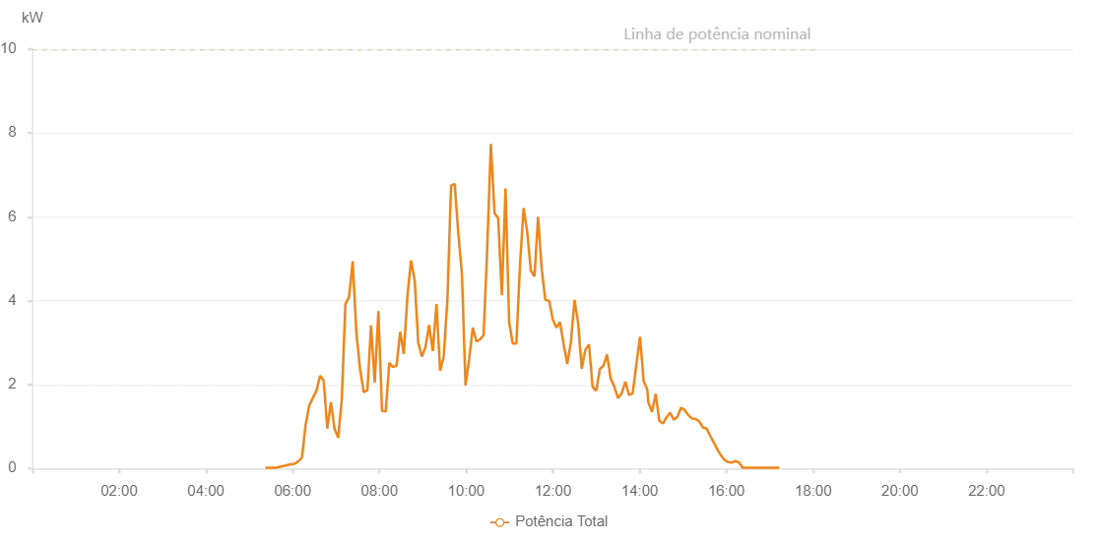

Number | Time | Working State | Alarm Code | Total Inverter Power(W)
1 | 08/04/2023 05:22:19 (UTC-4:00) | Normal |  | 20.000
2 | 08/04/2023 05:27:23 (UTC-4:00) | Normal |  | 20.000
3 | 08/04/2023 05:32:23 (UTC-4:00) | Normal |  | 20.000
4 | 08/04/2023 05:37:25 (UTC-4:00) | Normal |  | 20.000
5 | 08/04/2023 05:42:29 (UTC-4:00) | Normal |  | 40.000
6 | 08/04/2023 05:47:33 (UTC-4:00) | Normal |  | 60.000
7 | 08/04/2023 05:52:39 (UTC-4:00) | Normal |  | 80.000
8 | 08/04/2023 05:57:41 (UTC-4:00) | Normal |  | 100.000
9 | 08/04/2023 06:02:45 (UTC-4:00) | Normal |  | 110.000
10 | 08/04/2023 06:07:50 (UTC-4:00) | Normal |  | 170.000
11 | 08/04/2023 06:12:54 (UTC-4:00) | Normal |  | 260.000
12 | 08/04/2023 06:17:54 (UTC-4:00) | Normal |  | 1040.000
13 | 08/04/2023 06:22:54 (UTC-4:00) | Normal |  | 1500.000
14 | 08/04/2023 06:27:54 (UTC-4:00) | Normal |  | 1680.000
15 | 08/04/2023 06:32:54 (UTC-4:00) | Normal |  | 1850.000
16 | 08/04/2023 06:37:54 (UTC-4:00) | Normal |  | 2210.000
17 | 08/04/2023 06:42:55 (UTC-4:00) | Normal |  | 2100.000
18 | 08/04/2023 06:47:55 (UTC-4:00) | Normal |  | 950.000
19 | 08/04/2023 06:52:55 (UTC-4:00) | Normal |  | 1580.000
20 | 08/04/2023 06:57:55 (UTC-4:00) | Normal |  | 950.000
21 | 08/04/2023 07:02:55 (UTC-4:00) | Normal |  | 730.000
22 | 08/04/2023 07:07:56 (UTC-4:00) | Normal |  | 1640.000
23 | 08/04/2023 07:12:56 (UTC-4:00) | Normal |  | 3920.000
24 | 08/04/2023 07:18:00 (UTC-4:00) | Normal |  | 4090.000
25 | 08/04/2023 07:23:04 (UTC-4:00) | Normal |  | 4940.000
26 | 08/04/2023 07:28:09 (UTC-4:00) | Normal |  | 3230.000
27 | 08/04/2023 07:33:13 (UTC-4:00) | Normal |  | 2370.000
28 | 08/04/2023 07:38:17 (UTC-4:00) | Normal |  | 1820.000
29 | 08/04/2023 07:43:21 (UTC-4:00) | Normal |  | 1860.000
30 | 08/04/2023 07:48:26 (UTC-4:00) | Normal |  | 3410.000
31 | 08/04/2023 07:53:30 (UTC-4:00) | Normal |  | 2050.000
32 | 08/04/2023 07:58:34 (UTC-4:00) | Normal |  | 3750.000
33 | 08/04/2023 08:03:38 (UTC-4:00) | Normal |  | 1370.000
34 | 08/04/2023 08:08:42 (UTC-4:00) | Normal |  | 1360.000
35 | 08/04/2023 08:13:42 (UTC-4:00) | Normal |  | 2520.000
36 | 08/04/2023 08:18:42 (UTC-4:00) | Normal |  | 2420.000
37 | 08/04/2023 08:23:43 (UTC-4:00) | Normal |  | 2450.000
38 | 08/04/2023 08:28:43 (UTC-4:00) | Normal |  | 3260.000
39 | 08/04/2023 08:33:45 (UTC-4:00) | Normal |  | 2730.000
40 | 08/04/2023 08:38:43 (UTC-4:00) | Normal |  | 4110.000
41 | 08/04/2023 08:43:43 (UTC-4:00) | Normal |  | 4960.000
42 | 08/04/2023 08:48:43 (UTC-4:00) | Normal |  | 4500.000
43 | 08/04/2023 08:53:43 (UTC-4:00) | Normal |  | 3000.000
44 | 08/04/2023 08:58:44 (UTC-4:00) | Normal |  | 2670.000
45 | 08/04/2023 09:03:44 (UTC-4:00) | Normal |  | 2900.000
46 | 08/04/2023 09:08:46 (UTC-4:00) | Normal |  | 3420.000
47 | 08/04/2023 09:13:50 (UTC-4:00) | Normal |  | 2800.000
48 | 08/04/2023 09:18:54 (UTC-4:00) | Normal |  | 3920.000
49 | 08/04/2023 09:23:58 (UTC-4:00) | Normal |  | 2330.000
50 | 08/04/2023 09:29:03 (UTC-4:00) | Normal |  | 2680.000
51 | 08/04/2023 09:34:07 (UTC-4:00) | Normal |  | 4050.000
52 | 08/04/2023 09:39:07 (UTC-4:00) | Normal |  | 6750.000
53 | 08/04/2023 09:44:07 (UTC-4:00) | Normal |  | 6790.000
54 | 08/04/2023 09:49:07 (UTC-4:00) | Normal |  | 5610.000
55 | 08/04/2023 09:54:08 (UTC-4:00) | Normal |  | 4650.000
56 | 08/04/2023 09:59:08 (UTC-4:00) | Normal |  | 1980.000
57 | 08/04/2023 10:04:08 (UTC-4:00) | Normal |  | 2600.000
58 | 08/04/2023 10:09:08 (UTC-4:00) | Normal |  | 3360.000
59 | 08/04/2023 10:14:08 (UTC-4:00) | Normal |  | 3030.000
60 | 08/04/2023 10:19:08 (UTC-4:00) | Normal |  | 3080.000
61 | 08/04/2023 10:24:09 (UTC-4:00) | Normal |  | 3180.000
62 | 08/04/2023 10:29:09 (UTC-4:00) | Normal |  | 5260.000
63 | 08/04/2023 10:34:10 (UTC-4:00) | Normal |  | 7740.000
64 | 08/04/2023 10:39:14 (UTC-4:00) | Normal |  | 6090.000
65 | 08/04/2023 10:44:18 (UTC-4:00) | Normal |  | 5970.000
66 | 08/04/2023 10:49:23 (UTC-4:00) | Normal |  | 4130.000
67 | 08/04/2023 10:54:27 (UTC-4:00) | Normal |  | 6680.000
68 | 08/04/2023 10:59:27 (UTC-4:00) | Normal |  | 3490.000
69 | 08/04/2023 11:04:27 (UTC-4:00) | Normal |  | 2980.000
70 | 08/04/2023 11:09:27 (UTC-4:00) | Normal |  | 2980.000
71 | 08/04/2023 11:14:28 (UTC-4:00) | Normal |  | 4850.000
72 | 08/04/2023 11:19:28 (UTC-4:00) | Normal |  | 6210.000
73 | 08/04/2023 11:24:28 (UTC-4:00) | Normal |  | 5640.000
74 | 08/04/2023 11:29:28 (UTC-4:00) | Normal |  | 4720.000
75 | 08/04/2023 11:34:29 (UTC-4:00) | Normal |  | 4580.000
76 | 08/04/2023 11:39:29 (UTC-4:00) | Normal |  | 6000.000
77 | 08/04/2023 11:44:29 (UTC-4:00) | Normal |  | 4760.000
78 | 08/04/2023 11:49:29 (UTC-4:00) | Normal |  | 4020.000
79 | 08/04/2023 11:54:33 (UTC-4:00) | Normal |  | 4000.000
80 | 08/04/2023 11:54:56 (UTC-4:00) | Normal |  | 4000.000
81 | 08/04/2023 11:59:47 (UTC-4:00) | Normal |  | 3550.000
82 | 08/04/2023 12:00:02 (UTC-4:00) | Normal |  | 3550.000
83 | 08/04/2023 12:04:40 (UTC-4:00) | Normal |  | 3360.000
84 | 08/04/2023 12:09:44 (UTC-4:00) | Normal |  | 3490.000
85 | 08/04/2023 12:14:48 (UTC-4:00) | Normal |  | 2970.000
86 | 08/04/2023 12:19:52 (UTC-4:00) | Normal |  | 2490.000
87 | 08/04/2023 12:24:52 (UTC-4:00) | Normal |  | 3010.000
88 | 08/04/2023 12:29:54 (UTC-4:00) | Normal |  | 4020.000
89 | 08/04/2023 12:34:53 (UTC-4:00) | Normal |  | 3470.000
90 | 08/04/2023 12:39:53 (UTC-4:00) | Normal |  | 2380.000
91 | 08/04/2023 12:44:53 (UTC-4:00) | Normal |  | 2830.000
92 | 08/04/2023 12:49:55 (UTC-4:00) | Normal |  | 2960.000
93 | 08/04/2023 12:54:54 (UTC-4:00) | Normal |  | 1950.000
94 | 08/04/2023 12:59:54 (UTC-4:00) | Normal |  | 1850.000
95 | 08/04/2023 13:04:54 (UTC-4:00) | Normal |  | 2370.000
96 | 08/04/2023 13:09:54 (UTC-4:00) | Normal |  | 2450.000
97 | 08/04/2023 13:14:54 (UTC-4:00) | Normal |  | 2720.000
98 | 08/04/2023 13:19:56 (UTC-4:00) | Normal |  | 2140.000
99 | 08/04/2023 13:25:01 (UTC-4:00) | Normal |  | 1950.000
100 | 08/04/2023 13:30:04 (UTC-4:00) | Normal |  | 1680.000
101 | 08/04/2023 13:35:09 (UTC-4:00) | Normal |  | 1790.000
102 | 08/04/2023 13:40:12 (UTC-4:00) | Normal |  | 2070.000
103 | 08/04/2023 13:45:16 (UTC-4:00) | Normal |  | 1750.000
104 | 08/04/2023 13:50:21 (UTC-4:00) | Normal |  | 1790.000
105 | 08/04/2023 13:55:25 (UTC-4:00) | Normal |  | 2480.000
106 | 08/04/2023 14:00:29 (UTC-4:00) | Normal |  | 3140.000
107 | 08/04/2023 14:05:33 (UTC-4:00) | Normal |  | 2080.000
108 | 08/04/2023 14:10:33 (UTC-4:00) | Normal |  | 1880.000
109 | 08/04/2023 14:11:53 (UTC-4:00) | Normal |  | 1580.000
110 | 08/04/2023 14:17:10 (UTC-4:00) | Normal |  | 1350.000
111 | 08/04/2023 14:22:10 (UTC-4:00) | Normal |  | 1780.000
112 | 08/04/2023 14:27:09 (UTC-4:00) | Normal |  | 1140.000
113 | 08/04/2023 14:32:09 (UTC-4:00) | Normal |  | 1070.000
114 | 08/04/2023 14:37:09 (UTC-4:00) | Normal |  | 1220.000
115 | 08/04/2023 14:42:09 (UTC-4:00) | Normal |  | 1330.000
116 | 08/04/2023 14:47:09 (UTC-4:00) | Normal |  | 1160.000
117 | 08/04/2023 14:52:12 (UTC-4:00) | Normal |  | 1230.000
118 | 08/04/2023 14:57:17 (UTC-4:00) | Normal |  | 1450.000
119 | 08/04/2023 15:02:19 (UTC-4:00) | Normal |  | 1390.000
120 | 08/04/2023 15:07:23 (UTC-4:00) | Normal |  | 1270.000
121 | 08/04/2023 15:12:27 (UTC-4:00) | Normal |  | 1190.000
122 | 08/04/2023 15:17:31 (UTC-4:00) | Normal |  | 1180.000
123 | 08/04/2023 15:22:34 (UTC-4:00) | Normal |  | 1120.000
124 | 08/04/2023 15:27:34 (UTC-4:00) | Normal |  | 980.000
125 | 08/04/2023 15:32:34 (UTC-4:00) | Normal |  | 950.000
126 | 08/04/2023 15:37:34 (UTC-4:00) | Normal |  | 780.000
127 | 08/04/2023 15:42:34 (UTC-4:00) | Normal |  | 620.000
128 | 08/04/2023 15:47:33 (UTC-4:00) | Normal |  | 450.000
129 | 08/04/2023 15:52:33 (UTC-4:00) | Normal |  | 310.000
130 | 08/04/2023 15:57:33 (UTC-4:00) | Normal |  | 200.000
131 | 08/04/2023 16:02:33 (UTC-4:00) | Normal |  | 150.000
132 | 08/04/2023 16:07:33 (UTC-4:00) | Normal |  | 140.000
133 | 08/04/2023 16:12:32 (UTC-4:00) | Normal |  | 180.000
134 | 08/04/2023 16:17:32 (UTC-4:00) | Normal |  | 140.000
135 | 08/04/2023 16:22:32 (UTC-4:00) | Normal |  | 20.000
136 | 08/04/2023 16:27:36 (UTC-4:00) | Normal |  | 20.000
137 | 08/04/2023 16:32:40 (UTC-4:00) | Normal |  | 20.000
138 | 08/04/2023 16:32:51 (UTC-4:00) | Normal |  | 20.000
139 | 08/04/2023 16:37:45 (UTC-4:00) | Normal |  | 20.000
140 | 08/04/2023 16:42:48 (UTC-4:00) | Normal |  | 20.000
141 | 08/04/2023 16:47:51 (UTC-4:00) | Normal |  | 20.000
142 | 08/04/2023 16:52:55 (UTC-4:00) | Normal |  | 20.000
143 | 08/04/2023 16:57:59 (UTC-4:00) | Normal |  | 20.000
144 | 08/04/2023 17:03:03 (UTC-4:00) | Normal |  | 20.000
145 | 08/04/2023 17:08:07 (UTC-4:00) | Normal |  | 20.000
146 | 08/04/2023 17:13:11 (UTC-4:00) | Normal |  | 20.000

