Inverter History Report__17-08-
Inverter History Report_16/04/2023_Report

Inverter SN:054B7020C020041 |  | Inverter type:B7
Collector SN:4045966636 |  | Full Load Hours(h):4.30
Rated Power:10000Wp

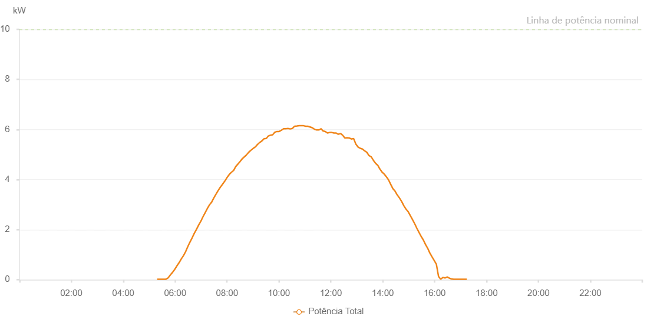

Number | Time | Working State | Alarm Code | Total Inverter Power(W)
1 | 16/04/2023 05:18:34 (UTC-4:00) | Normal |  | 20.000
2 | 16/04/2023 05:23:37 (UTC-4:00) | Normal |  | 20.000
3 | 16/04/2023 05:28:38 (UTC-4:00) | Normal |  | 20.000
4 | 16/04/2023 05:33:42 (UTC-4:00) | Normal |  | 20.000
5 | 16/04/2023 05:38:44 (UTC-4:00) | Normal |  | 20.000
6 | 16/04/2023 05:43:49 (UTC-4:00) | Normal |  | 70.000
7 | 16/04/2023 05:48:53 (UTC-4:00) | Normal |  | 190.000
8 | 16/04/2023 05:53:58 (UTC-4:00) | Normal |  | 290.000
9 | 16/04/2023 05:59:02 (UTC-4:00) | Normal |  | 410.000
10 | 16/04/2023 06:04:06 (UTC-4:00) | Normal |  | 550.000
11 | 16/04/2023 06:09:11 (UTC-4:00) | Normal |  | 680.000
12 | 16/04/2023 06:14:15 (UTC-4:00) | Normal |  | 830.000
13 | 16/04/2023 06:19:15 (UTC-4:00) | Normal |  | 960.000
14 | 16/04/2023 06:24:16 (UTC-4:00) | Normal |  | 1120.000
15 | 16/04/2023 06:29:16 (UTC-4:00) | Normal |  | 1320.000
16 | 16/04/2023 06:34:16 (UTC-4:00) | Normal |  | 1500.000
17 | 16/04/2023 06:39:17 (UTC-4:00) | Normal |  | 1670.000
18 | 16/04/2023 06:44:17 (UTC-4:00) | Normal |  | 1850.000
19 | 16/04/2023 06:49:18 (UTC-4:00) | Normal |  | 2010.000
20 | 16/04/2023 06:54:18 (UTC-4:00) | Normal |  | 2180.000
21 | 16/04/2023 06:59:18 (UTC-4:00) | Normal |  | 2330.000
22 | 16/04/2023 07:04:19 (UTC-4:00) | Normal |  | 2510.000
23 | 16/04/2023 07:09:19 (UTC-4:00) | Normal |  | 2670.000
24 | 16/04/2023 07:14:22 (UTC-4:00) | Normal |  | 2840.000
25 | 16/04/2023 07:19:26 (UTC-4:00) | Normal |  | 2990.000
26 | 16/04/2023 07:24:31 (UTC-4:00) | Normal |  | 3100.000
27 | 16/04/2023 07:29:35 (UTC-4:00) | Normal |  | 3270.000
28 | 16/04/2023 07:34:40 (UTC-4:00) | Normal |  | 3420.000
29 | 16/04/2023 07:39:44 (UTC-4:00) | Normal |  | 3570.000
30 | 16/04/2023 07:44:48 (UTC-4:00) | Normal |  | 3700.000
31 | 16/04/2023 07:49:53 (UTC-4:00) | Normal |  | 3820.000
32 | 16/04/2023 07:54:57 (UTC-4:00) | Normal |  | 3940.000
33 | 16/04/2023 08:00:02 (UTC-4:00) | Normal |  | 4080.000
34 | 16/04/2023 08:05:06 (UTC-4:00) | Normal |  | 4200.000
35 | 16/04/2023 08:10:07 (UTC-4:00) | Normal |  | 4290.000
36 | 16/04/2023 08:15:07 (UTC-4:00) | Normal |  | 4360.000
37 | 16/04/2023 08:20:07 (UTC-4:00) | Normal |  | 4520.000
38 | 16/04/2023 08:25:08 (UTC-4:00) | Normal |  | 4620.000
39 | 16/04/2023 08:30:08 (UTC-4:00) | Normal |  | 4720.000
40 | 16/04/2023 08:35:09 (UTC-4:00) | Normal |  | 4830.000
41 | 16/04/2023 08:40:09 (UTC-4:00) | Normal |  | 4910.000
42 | 16/04/2023 08:45:09 (UTC-4:00) | Normal |  | 4990.000
43 | 16/04/2023 08:50:10 (UTC-4:00) | Normal |  | 5090.000
44 | 16/04/2023 08:55:10 (UTC-4:00) | Normal |  | 5170.000
45 | 16/04/2023 09:00:11 (UTC-4:00) | Normal |  | 5240.000
46 | 16/04/2023 09:05:12 (UTC-4:00) | Normal |  | 5300.000
47 | 16/04/2023 09:10:17 (UTC-4:00) | Normal |  | 5400.000
48 | 16/04/2023 09:15:21 (UTC-4:00) | Normal |  | 5480.000
49 | 16/04/2023 09:20:25 (UTC-4:00) | Normal |  | 5540.000
50 | 16/04/2023 09:25:26 (UTC-4:00) | Normal |  | 5630.000
51 | 16/04/2023 09:30:26 (UTC-4:00) | Normal |  | 5640.000
52 | 16/04/2023 09:30:51 (UTC-4:00) | Normal |  | 5640.000
53 | 16/04/2023 09:35:27 (UTC-4:00) | Normal |  | 5740.000
54 | 16/04/2023 09:40:27 (UTC-4:00) | Normal |  | 5770.000
55 | 16/04/2023 09:45:28 (UTC-4:00) | Normal |  | 5790.000
56 | 16/04/2023 09:50:28 (UTC-4:00) | Normal |  | 5890.000
57 | 16/04/2023 09:55:30 (UTC-4:00) | Normal |  | 5920.000
58 | 16/04/2023 09:55:41 (UTC-4:00) | Normal |  | 5920.000
59 | 16/04/2023 10:00:34 (UTC-4:00) | Normal |  | 5920.000
60 | 16/04/2023 10:05:39 (UTC-4:00) | Normal |  | 5970.000
61 | 16/04/2023 10:10:44 (UTC-4:00) | Normal |  | 6030.000
62 | 16/04/2023 10:15:48 (UTC-4:00) | Normal |  | 6030.000
63 | 16/04/2023 10:20:54 (UTC-4:00) | Normal |  | 6040.000
64 | 16/04/2023 10:25:57 (UTC-4:00) | Normal |  | 6020.000
65 | 16/04/2023 10:31:01 (UTC-4:00) | Normal |  | 6040.000
66 | 16/04/2023 10:36:05 (UTC-4:00) | Normal |  | 6130.000
67 | 16/04/2023 10:36:37 (UTC-4:00) | Normal |  | 6130.000
68 | 16/04/2023 10:41:58 (UTC-4:00) | Normal |  | 6140.000
69 | 16/04/2023 10:46:59 (UTC-4:00) | Normal |  | 6150.000
70 | 16/04/2023 10:51:59 (UTC-4:00) | Normal |  | 6150.000
71 | 16/04/2023 10:57:00 (UTC-4:00) | Normal |  | 6150.000
72 | 16/04/2023 11:02:00 (UTC-4:00) | Normal |  | 6130.000
73 | 16/04/2023 11:07:00 (UTC-4:00) | Normal |  | 6130.000
74 | 16/04/2023 11:12:02 (UTC-4:00) | Normal |  | 6100.000
75 | 16/04/2023 11:17:03 (UTC-4:00) | Normal |  | 6070.000
76 | 16/04/2023 11:22:06 (UTC-4:00) | Normal |  | 6010.000
77 | 16/04/2023 11:27:11 (UTC-4:00) | Normal |  | 5980.000
78 | 16/04/2023 11:32:11 (UTC-4:00) | Normal |  | 5980.000
79 | 16/04/2023 11:37:11 (UTC-4:00) | Normal |  | 6030.000
80 | 16/04/2023 11:42:12 (UTC-4:00) | Normal |  | 5940.000
81 | 16/04/2023 11:47:12 (UTC-4:00) | Normal |  | 5920.000
82 | 16/04/2023 11:52:13 (UTC-4:00) | Normal |  | 5860.000
83 | 16/04/2023 11:57:15 (UTC-4:00) | Normal |  | 5880.000
84 | 16/04/2023 12:02:13 (UTC-4:00) | Normal |  | 5880.000
85 | 16/04/2023 12:07:14 (UTC-4:00) | Normal |  | 5860.000
86 | 16/04/2023 12:12:15 (UTC-4:00) | Normal |  | 5860.000
87 | 16/04/2023 12:17:15 (UTC-4:00) | Normal |  | 5810.000
88 | 16/04/2023 12:22:16 (UTC-4:00) | Normal |  | 5840.000
89 | 16/04/2023 12:27:19 (UTC-4:00) | Normal |  | 5770.000
90 | 16/04/2023 12:32:23 (UTC-4:00) | Normal |  | 5660.000
91 | 16/04/2023 12:37:28 (UTC-4:00) | Normal |  | 5670.000
92 | 16/04/2023 12:37:39 (UTC-4:00) | Normal |  | 5670.000
93 | 16/04/2023 12:42:33 (UTC-4:00) | Normal |  | 5660.000
94 | 16/04/2023 12:47:37 (UTC-4:00) | Normal |  | 5620.000
95 | 16/04/2023 12:52:41 (UTC-4:00) | Normal |  | 5640.000
96 | 16/04/2023 12:57:45 (UTC-4:00) | Normal |  | 5420.000
97 | 16/04/2023 13:02:49 (UTC-4:00) | Normal |  | 5300.000
98 | 16/04/2023 13:07:54 (UTC-4:00) | Normal |  | 5250.000
99 | 16/04/2023 13:12:58 (UTC-4:00) | Normal |  | 5220.000
100 | 16/04/2023 13:18:02 (UTC-4:00) | Normal |  | 5150.000
101 | 16/04/2023 13:23:07 (UTC-4:00) | Normal |  | 5090.000
102 | 16/04/2023 13:28:11 (UTC-4:00) | Normal |  | 4960.000
103 | 16/04/2023 13:33:15 (UTC-4:00) | Normal |  | 4910.000
104 | 16/04/2023 13:38:20 (UTC-4:00) | Normal |  | 4770.000
105 | 16/04/2023 13:43:20 (UTC-4:00) | Normal |  | 4650.000
106 | 16/04/2023 13:48:27 (UTC-4:00) | Normal |  | 4570.000
107 | 16/04/2023 13:53:21 (UTC-4:00) | Normal |  | 4420.000
108 | 16/04/2023 13:58:21 (UTC-4:00) | Normal |  | 4300.000
109 | 16/04/2023 14:03:21 (UTC-4:00) | Normal |  | 4220.000
110 | 16/04/2023 14:08:22 (UTC-4:00) | Normal |  | 4110.000
111 | 16/04/2023 14:13:22 (UTC-4:00) | Normal |  | 3990.000
112 | 16/04/2023 14:18:23 (UTC-4:00) | Normal |  | 3810.000
113 | 16/04/2023 14:23:23 (UTC-4:00) | Normal |  | 3640.000
114 | 16/04/2023 14:28:23 (UTC-4:00) | Normal |  | 3540.000
115 | 16/04/2023 14:33:25 (UTC-4:00) | Normal |  | 3390.000
116 | 16/04/2023 14:38:29 (UTC-4:00) | Normal |  | 3270.000
117 | 16/04/2023 14:43:33 (UTC-4:00) | Normal |  | 3130.000
118 | 16/04/2023 14:48:38 (UTC-4:00) | Normal |  | 2960.000
119 | 16/04/2023 14:53:42 (UTC-4:00) | Normal |  | 2820.000
120 | 16/04/2023 14:58:42 (UTC-4:00) | Normal |  | 2720.000
121 | 16/04/2023 15:03:43 (UTC-4:00) | Normal |  | 2560.000
122 | 16/04/2023 15:08:48 (UTC-4:00) | Normal |  | 2400.000
123 | 16/04/2023 15:13:44 (UTC-4:00) | Normal |  | 2240.000
124 | 16/04/2023 15:18:44 (UTC-4:00) | Normal |  | 2060.000
125 | 16/04/2023 15:23:45 (UTC-4:00) | Normal |  | 1890.000
126 | 16/04/2023 15:28:45 (UTC-4:00) | Normal |  | 1730.000
127 | 16/04/2023 15:33:46 (UTC-4:00) | Normal |  | 1590.000
128 | 16/04/2023 15:38:45 (UTC-4:00) | Normal |  | 1410.000
129 | 16/04/2023 15:43:45 (UTC-4:00) | Normal |  | 1260.000
130 | 16/04/2023 15:48:46 (UTC-4:00) | Normal |  | 1070.000
131 | 16/04/2023 15:53:47 (UTC-4:00) | Normal |  | 920.000
132 | 16/04/2023 15:58:51 (UTC-4:00) | Normal |  | 770.000
133 | 16/04/2023 16:03:56 (UTC-4:00) | Normal |  | 620.000
134 | 16/04/2023 16:09:00 (UTC-4:00) | Normal |  | 130.000
135 | 16/04/2023 16:14:01 (UTC-4:00) | Normal |  | 20.000
136 | 16/04/2023 16:19:01 (UTC-4:00) | Normal |  | 90.000
137 | 16/04/2023 16:24:01 (UTC-4:00) | Normal |  | 70.000
138 | 16/04/2023 16:29:02 (UTC-4:00) | Normal |  | 110.000
139 | 16/04/2023 16:34:02 (UTC-4:00) | Normal |  | 60.000
140 | 16/04/2023 16:39:03 (UTC-4:00) | Normal |  | 30.000
141 | 16/04/2023 16:44:03 (UTC-4:00) | Normal |  | 20.000
142 | 16/04/2023 16:49:03 (UTC-4:00) | Normal |  | 20.000
143 | 16/04/2023 16:54:04 (UTC-4:00) | Normal |  | 20.000
144 | 16/04/2023 16:59:04 (UTC-4:00) | Normal |  | 20.000
145 | 16/04/2023 17:04:05 (UTC-4:00) | Normal |  | 20.000
146 | 16/04/2023 17:09:07 (UTC-4:00) | Normal |  | 20.000
147 | 16/04/2023 17:14:12 (UTC-4:00) | Normal |  | 20.000

