Inverter History Report__17-08-
Inverter History Report_21/04/2023_Report

Inverter SN:054B7020C020041 |  | Inverter type:B7
Collector SN:4045966636 |  | Full Load Hours(h):4.50
Rated Power:10000Wp

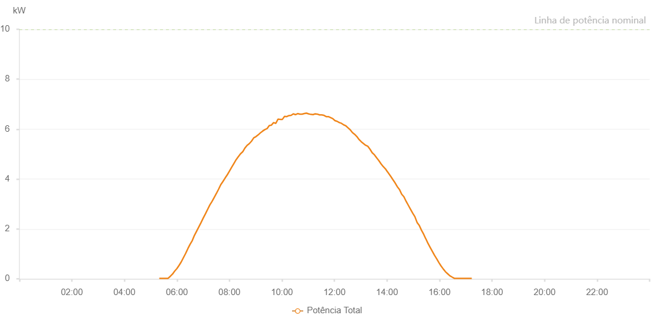

Number | Time | Working State | Alarm Code | Total Inverter Power(W)
1 | 21/04/2023 05:19:46 (UTC-4:00) | Normal |  | 20.000
2 | 21/04/2023 05:24:46 (UTC-4:00) | Normal |  | 20.000
3 | 21/04/2023 05:29:46 (UTC-4:00) | Normal |  | 20.000
4 | 21/04/2023 05:34:47 (UTC-4:00) | Normal |  | 20.000
5 | 21/04/2023 05:39:52 (UTC-4:00) | Normal |  | 20.000
6 | 21/04/2023 05:44:57 (UTC-4:00) | Normal |  | 100.000
7 | 21/04/2023 05:49:58 (UTC-4:00) | Normal |  | 190.000
8 | 21/04/2023 05:55:02 (UTC-4:00) | Normal |  | 310.000
9 | 21/04/2023 06:00:02 (UTC-4:00) | Normal |  | 410.000
10 | 21/04/2023 06:05:02 (UTC-4:00) | Normal |  | 540.000
11 | 21/04/2023 06:10:02 (UTC-4:00) | Normal |  | 680.000
12 | 21/04/2023 06:15:01 (UTC-4:00) | Normal |  | 850.000
13 | 21/04/2023 06:20:04 (UTC-4:00) | Normal |  | 1020.000
14 | 21/04/2023 06:25:05 (UTC-4:00) | Normal |  | 1210.000
15 | 21/04/2023 06:30:04 (UTC-4:00) | Normal |  | 1380.000
16 | 21/04/2023 06:35:04 (UTC-4:00) | Normal |  | 1530.000
17 | 21/04/2023 06:40:04 (UTC-4:00) | Normal |  | 1740.000
18 | 21/04/2023 06:45:04 (UTC-4:00) | Normal |  | 1910.000
19 | 21/04/2023 06:50:04 (UTC-4:00) | Normal |  | 2080.000
20 | 21/04/2023 06:55:04 (UTC-4:00) | Normal |  | 2250.000
21 | 21/04/2023 07:00:04 (UTC-4:00) | Normal |  | 2430.000
22 | 21/04/2023 07:05:07 (UTC-4:00) | Normal |  | 2600.000
23 | 21/04/2023 07:10:10 (UTC-4:00) | Normal |  | 2780.000
24 | 21/04/2023 07:15:14 (UTC-4:00) | Normal |  | 2960.000
25 | 21/04/2023 07:20:14 (UTC-4:00) | Normal |  | 3100.000
26 | 21/04/2023 07:25:13 (UTC-4:00) | Normal |  | 3260.000
27 | 21/04/2023 07:30:13 (UTC-4:00) | Normal |  | 3420.000
28 | 21/04/2023 07:35:13 (UTC-4:00) | Normal |  | 3590.000
29 | 21/04/2023 07:40:13 (UTC-4:00) | Normal |  | 3770.000
30 | 21/04/2023 07:45:13 (UTC-4:00) | Normal |  | 3900.000
31 | 21/04/2023 07:50:13 (UTC-4:00) | Normal |  | 4040.000
32 | 21/04/2023 07:55:12 (UTC-4:00) | Normal |  | 4170.000
33 | 21/04/2023 08:00:12 (UTC-4:00) | Normal |  | 4320.000
34 | 21/04/2023 08:05:11 (UTC-4:00) | Normal |  | 4470.000
35 | 21/04/2023 08:10:11 (UTC-4:00) | Normal |  | 4620.000
36 | 21/04/2023 08:15:11 (UTC-4:00) | Normal |  | 4770.000
37 | 21/04/2023 08:20:14 (UTC-4:00) | Normal |  | 4890.000
38 | 21/04/2023 08:25:18 (UTC-4:00) | Normal |  | 5010.000
39 | 21/04/2023 08:30:22 (UTC-4:00) | Normal |  | 5090.000
40 | 21/04/2023 08:35:25 (UTC-4:00) | Normal |  | 5240.000
41 | 21/04/2023 08:40:29 (UTC-4:00) | Normal |  | 5350.000
42 | 21/04/2023 08:45:33 (UTC-4:00) | Normal |  | 5420.000
43 | 21/04/2023 08:50:38 (UTC-4:00) | Normal |  | 5520.000
44 | 21/04/2023 08:55:40 (UTC-4:00) | Normal |  | 5650.000
45 | 21/04/2023 09:00:43 (UTC-4:00) | Normal |  | 5700.000
46 | 21/04/2023 09:05:47 (UTC-4:00) | Normal |  | 5770.000
47 | 21/04/2023 09:10:51 (UTC-4:00) | Normal |  | 5850.000
48 | 21/04/2023 09:15:54 (UTC-4:00) | Normal |  | 5920.000
49 | 21/04/2023 09:20:58 (UTC-4:00) | Normal |  | 5980.000
50 | 21/04/2023 09:26:01 (UTC-4:00) | Normal |  | 6020.000
51 | 21/04/2023 09:31:01 (UTC-4:00) | Normal |  | 6140.000
52 | 21/04/2023 09:36:01 (UTC-4:00) | Normal |  | 6160.000
53 | 21/04/2023 09:41:01 (UTC-4:00) | Normal |  | 6260.000
54 | 21/04/2023 09:46:01 (UTC-4:00) | Normal |  | 6230.000
55 | 21/04/2023 09:51:01 (UTC-4:00) | Normal |  | 6400.000
56 | 21/04/2023 09:56:01 (UTC-4:00) | Normal |  | 6390.000
57 | 21/04/2023 10:01:00 (UTC-4:00) | Normal |  | 6390.000
58 | 21/04/2023 10:06:00 (UTC-4:00) | Normal |  | 6510.000
59 | 21/04/2023 10:11:00 (UTC-4:00) | Normal |  | 6500.000
60 | 21/04/2023 10:15:59 (UTC-4:00) | Normal |  | 6540.000
61 | 21/04/2023 10:20:59 (UTC-4:00) | Normal |  | 6550.000
62 | 21/04/2023 10:25:59 (UTC-4:00) | Normal |  | 6610.000
63 | 21/04/2023 10:30:59 (UTC-4:00) | Normal |  | 6580.000
64 | 21/04/2023 10:35:58 (UTC-4:00) | Normal |  | 6620.000
65 | 21/04/2023 10:40:58 (UTC-4:00) | Normal |  | 6600.000
66 | 21/04/2023 10:45:57 (UTC-4:00) | Normal |  | 6600.000
67 | 21/04/2023 10:50:57 (UTC-4:00) | Normal |  | 6620.000
68 | 21/04/2023 10:55:57 (UTC-4:00) | Normal |  | 6640.000
69 | 21/04/2023 11:00:57 (UTC-4:00) | Normal |  | 6610.000
70 | 21/04/2023 11:05:56 (UTC-4:00) | Normal |  | 6590.000
71 | 21/04/2023 11:10:56 (UTC-4:00) | Normal |  | 6580.000
72 | 21/04/2023 11:15:55 (UTC-4:00) | Normal |  | 6610.000
73 | 21/04/2023 11:20:55 (UTC-4:00) | Normal |  | 6600.000
74 | 21/04/2023 11:25:56 (UTC-4:00) | Normal |  | 6570.000
75 | 21/04/2023 11:31:00 (UTC-4:00) | Normal |  | 6570.000
76 | 21/04/2023 11:36:04 (UTC-4:00) | Normal |  | 6550.000
77 | 21/04/2023 11:41:08 (UTC-4:00) | Normal |  | 6500.000
78 | 21/04/2023 11:46:07 (UTC-4:00) | Normal |  | 6500.000
79 | 21/04/2023 11:51:07 (UTC-4:00) | Normal |  | 6460.000
80 | 21/04/2023 11:56:07 (UTC-4:00) | Normal |  | 6420.000
81 | 21/04/2023 12:01:06 (UTC-4:00) | Normal |  | 6340.000
82 | 21/04/2023 12:06:06 (UTC-4:00) | Normal |  | 6310.000
83 | 21/04/2023 12:11:06 (UTC-4:00) | Normal |  | 6260.000
84 | 21/04/2023 12:11:17 (UTC-4:00) | Normal |  | 6260.000
85 | 21/04/2023 12:16:05 (UTC-4:00) | Normal |  | 6230.000
86 | 21/04/2023 12:21:05 (UTC-4:00) | Normal |  | 6170.000
87 | 21/04/2023 12:26:05 (UTC-4:00) | Normal |  | 6130.000
88 | 21/04/2023 12:31:04 (UTC-4:00) | Normal |  | 6050.000
89 | 21/04/2023 12:36:04 (UTC-4:00) | Normal |  | 5970.000
90 | 21/04/2023 12:41:07 (UTC-4:00) | Normal |  | 5860.000
91 | 21/04/2023 12:46:10 (UTC-4:00) | Normal |  | 5790.000
92 | 21/04/2023 12:51:14 (UTC-4:00) | Normal |  | 5700.000
93 | 21/04/2023 12:56:18 (UTC-4:00) | Normal |  | 5580.000
94 | 21/04/2023 13:01:21 (UTC-4:00) | Normal |  | 5490.000
95 | 21/04/2023 13:06:21 (UTC-4:00) | Normal |  | 5420.000
96 | 21/04/2023 13:11:21 (UTC-4:00) | Normal |  | 5350.000
97 | 21/04/2023 13:16:20 (UTC-4:00) | Normal |  | 5310.000
98 | 21/04/2023 13:21:20 (UTC-4:00) | Normal |  | 5190.000
99 | 21/04/2023 13:26:20 (UTC-4:00) | Normal |  | 5050.000
100 | 21/04/2023 13:31:20 (UTC-4:00) | Normal |  | 4970.000
101 | 21/04/2023 13:36:19 (UTC-4:00) | Normal |  | 4850.000
102 | 21/04/2023 13:41:19 (UTC-4:00) | Normal |  | 4740.000
103 | 21/04/2023 13:46:19 (UTC-4:00) | Normal |  | 4610.000
104 | 21/04/2023 13:51:19 (UTC-4:00) | Normal |  | 4500.000
105 | 21/04/2023 13:56:19 (UTC-4:00) | Normal |  | 4410.000
106 | 21/04/2023 14:01:21 (UTC-4:00) | Normal |  | 4280.000
107 | 21/04/2023 14:01:32 (UTC-4:00) | Normal |  | 4280.000
108 | 21/04/2023 14:06:26 (UTC-4:00) | Normal |  | 4160.000
109 | 21/04/2023 14:08:22 (UTC-4:00) | Normal |  | 4110.000
110 | 21/04/2023 14:13:39 (UTC-4:00) | Normal |  | 3970.000
111 | 21/04/2023 14:18:38 (UTC-4:00) | Normal |  | 3840.000
112 | 21/04/2023 14:23:37 (UTC-4:00) | Normal |  | 3690.000
113 | 21/04/2023 14:28:36 (UTC-4:00) | Normal |  | 3580.000
114 | 21/04/2023 14:33:36 (UTC-4:00) | Normal |  | 3390.000
115 | 21/04/2023 14:38:35 (UTC-4:00) | Normal |  | 3290.000
116 | 21/04/2023 14:43:36 (UTC-4:00) | Normal |  | 3110.000
117 | 21/04/2023 14:48:40 (UTC-4:00) | Normal |  | 2950.000
118 | 21/04/2023 14:53:43 (UTC-4:00) | Normal |  | 2790.000
119 | 21/04/2023 14:58:46 (UTC-4:00) | Normal |  | 2630.000
120 | 21/04/2023 15:03:45 (UTC-4:00) | Normal |  | 2490.000
121 | 21/04/2023 15:08:44 (UTC-4:00) | Normal |  | 2260.000
122 | 21/04/2023 15:13:44 (UTC-4:00) | Normal |  | 2140.000
123 | 21/04/2023 15:18:43 (UTC-4:00) | Normal |  | 1950.000
124 | 21/04/2023 15:23:42 (UTC-4:00) | Normal |  | 1790.000
125 | 21/04/2023 15:28:41 (UTC-4:00) | Normal |  | 1600.000
126 | 21/04/2023 15:28:52 (UTC-4:00) | Normal |  | 1600.000
127 | 21/04/2023 15:33:40 (UTC-4:00) | Normal |  | 1420.000
128 | 21/04/2023 15:38:40 (UTC-4:00) | Normal |  | 1260.000
129 | 21/04/2023 15:43:39 (UTC-4:00) | Normal |  | 1100.000
130 | 21/04/2023 15:48:38 (UTC-4:00) | Normal |  | 940.000
131 | 21/04/2023 15:53:38 (UTC-4:00) | Normal |  | 800.000
132 | 21/04/2023 15:58:40 (UTC-4:00) | Normal |  | 650.000
133 | 21/04/2023 16:03:43 (UTC-4:00) | Normal |  | 510.000
134 | 21/04/2023 16:08:46 (UTC-4:00) | Normal |  | 390.000
135 | 21/04/2023 16:13:49 (UTC-4:00) | Normal |  | 280.000
136 | 21/04/2023 16:18:48 (UTC-4:00) | Normal |  | 200.000
137 | 21/04/2023 16:23:47 (UTC-4:00) | Normal |  | 120.000
138 | 21/04/2023 16:28:46 (UTC-4:00) | Normal |  | 70.000
139 | 21/04/2023 16:33:46 (UTC-4:00) | Normal |  | 20.000
140 | 21/04/2023 16:38:45 (UTC-4:00) | Normal |  | 20.000
141 | 21/04/2023 16:43:44 (UTC-4:00) | Normal |  | 20.000
142 | 21/04/2023 16:48:43 (UTC-4:00) | Normal |  | 20.000
143 | 21/04/2023 16:53:42 (UTC-4:00) | Normal |  | 20.000
144 | 21/04/2023 16:58:41 (UTC-4:00) | Normal |  | 20.000
145 | 21/04/2023 17:03:41 (UTC-4:00) | Normal |  | 20.000
146 | 21/04/2023 17:08:40 (UTC-4:00) | Normal |  | 20.000
147 | 21/04/2023 17:13:43 (UTC-4:00) | Normal |  | 20.000

