Inverter History Report__17-08-
Inverter History Report_23/04/2023_Report

Inverter SN:054B7020C020041 |  | Inverter type:B7
Collector SN:4045966636 |  | Full Load Hours(h):3.70
Rated Power:10000Wp

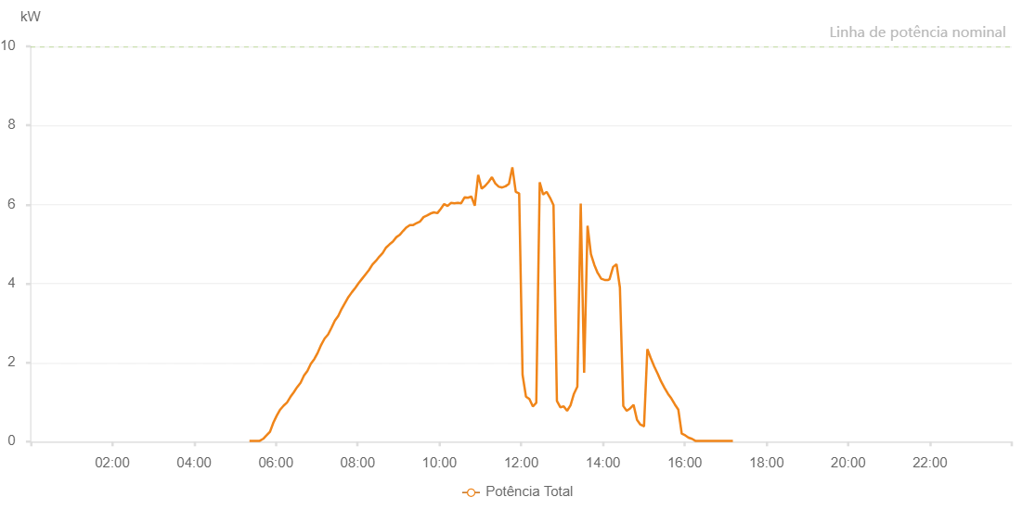

Number | Time | Working State | Alarm Code | Total Inverter Power(W)
1 | 23/04/2023 05:21:14 (UTC-4:00) | Normal |  | 20.000
2 | 23/04/2023 05:26:18 (UTC-4:00) | Normal |  | 20.000
3 | 23/04/2023 05:31:18 (UTC-4:00) | Normal |  | 20.000
4 | 23/04/2023 05:36:18 (UTC-4:00) | Normal |  | 20.000
5 | 23/04/2023 05:41:19 (UTC-4:00) | Normal |  | 70.000
6 | 23/04/2023 05:46:23 (UTC-4:00) | Normal |  | 160.000
7 | 23/04/2023 05:51:22 (UTC-4:00) | Normal |  | 250.000
8 | 23/04/2023 05:56:22 (UTC-4:00) | Normal |  | 480.000
9 | 23/04/2023 06:01:21 (UTC-4:00) | Normal |  | 660.000
10 | 23/04/2023 06:06:21 (UTC-4:00) | Normal |  | 810.000
11 | 23/04/2023 06:11:20 (UTC-4:00) | Normal |  | 910.000
12 | 23/04/2023 06:16:20 (UTC-4:00) | Normal |  | 990.000
13 | 23/04/2023 06:21:19 (UTC-4:00) | Normal |  | 1130.000
14 | 23/04/2023 06:26:19 (UTC-4:00) | Normal |  | 1250.000
15 | 23/04/2023 06:31:18 (UTC-4:00) | Normal |  | 1380.000
16 | 23/04/2023 06:36:18 (UTC-4:00) | Normal |  | 1490.000
17 | 23/04/2023 06:41:17 (UTC-4:00) | Normal |  | 1670.000
18 | 23/04/2023 06:46:19 (UTC-4:00) | Normal |  | 1790.000
19 | 23/04/2023 06:51:22 (UTC-4:00) | Normal |  | 1970.000
20 | 23/04/2023 06:56:26 (UTC-4:00) | Normal |  | 2090.000
21 | 23/04/2023 07:01:29 (UTC-4:00) | Normal |  | 2250.000
22 | 23/04/2023 07:06:33 (UTC-4:00) | Normal |  | 2450.000
23 | 23/04/2023 07:11:36 (UTC-4:00) | Normal |  | 2610.000
24 | 23/04/2023 07:16:36 (UTC-4:00) | Normal |  | 2710.000
25 | 23/04/2023 07:21:36 (UTC-4:00) | Normal |  | 2880.000
26 | 23/04/2023 07:26:35 (UTC-4:00) | Normal |  | 3060.000
27 | 23/04/2023 07:31:35 (UTC-4:00) | Normal |  | 3180.000
28 | 23/04/2023 07:36:34 (UTC-4:00) | Normal |  | 3360.000
29 | 23/04/2023 07:41:34 (UTC-4:00) | Normal |  | 3510.000
30 | 23/04/2023 07:46:34 (UTC-4:00) | Normal |  | 3660.000
31 | 23/04/2023 07:51:33 (UTC-4:00) | Normal |  | 3780.000
32 | 23/04/2023 07:56:32 (UTC-4:00) | Normal |  | 3890.000
33 | 23/04/2023 08:01:32 (UTC-4:00) | Normal |  | 4010.000
34 | 23/04/2023 08:06:31 (UTC-4:00) | Normal |  | 4120.000
35 | 23/04/2023 08:11:31 (UTC-4:00) | Normal |  | 4230.000
36 | 23/04/2023 08:16:34 (UTC-4:00) | Normal |  | 4340.000
37 | 23/04/2023 08:21:38 (UTC-4:00) | Normal |  | 4480.000
38 | 23/04/2023 08:26:41 (UTC-4:00) | Normal |  | 4570.000
39 | 23/04/2023 08:31:45 (UTC-4:00) | Normal |  | 4680.000
40 | 23/04/2023 08:36:44 (UTC-4:00) | Normal |  | 4770.000
41 | 23/04/2023 08:41:44 (UTC-4:00) | Normal |  | 4910.000
42 | 23/04/2023 08:46:43 (UTC-4:00) | Normal |  | 4990.000
43 | 23/04/2023 08:51:43 (UTC-4:00) | Normal |  | 5060.000
44 | 23/04/2023 08:56:42 (UTC-4:00) | Normal |  | 5170.000
45 | 23/04/2023 09:01:42 (UTC-4:00) | Normal |  | 5230.000
46 | 23/04/2023 09:06:41 (UTC-4:00) | Normal |  | 5330.000
47 | 23/04/2023 09:11:41 (UTC-4:00) | Normal |  | 5420.000
48 | 23/04/2023 09:16:40 (UTC-4:00) | Normal |  | 5480.000
49 | 23/04/2023 09:21:40 (UTC-4:00) | Normal |  | 5480.000
50 | 23/04/2023 09:26:39 (UTC-4:00) | Normal |  | 5530.000
51 | 23/04/2023 09:31:42 (UTC-4:00) | Normal |  | 5570.000
52 | 23/04/2023 09:36:45 (UTC-4:00) | Normal |  | 5680.000
53 | 23/04/2023 09:41:49 (UTC-4:00) | Normal |  | 5720.000
54 | 23/04/2023 09:46:52 (UTC-4:00) | Normal |  | 5770.000
55 | 23/04/2023 09:51:56 (UTC-4:00) | Normal |  | 5800.000
56 | 23/04/2023 09:56:59 (UTC-4:00) | Normal |  | 5780.000
57 | 23/04/2023 10:01:59 (UTC-4:00) | Normal |  | 5890.000
58 | 23/04/2023 10:06:58 (UTC-4:00) | Normal |  | 6010.000
59 | 23/04/2023 10:11:58 (UTC-4:00) | Normal |  | 5960.000
60 | 23/04/2023 10:16:57 (UTC-4:00) | Normal |  | 6040.000
61 | 23/04/2023 10:21:57 (UTC-4:00) | Normal |  | 6030.000
62 | 23/04/2023 10:26:56 (UTC-4:00) | Normal |  | 6040.000
63 | 23/04/2023 10:27:07 (UTC-4:00) | Normal |  | 6040.000
64 | 23/04/2023 10:31:56 (UTC-4:00) | Normal |  | 6030.000
65 | 23/04/2023 10:36:55 (UTC-4:00) | Normal |  | 6180.000
66 | 23/04/2023 10:41:55 (UTC-4:00) | Normal |  | 6170.000
67 | 23/04/2023 10:46:54 (UTC-4:00) | Normal |  | 6200.000
68 | 23/04/2023 10:51:54 (UTC-4:00) | Normal |  | 5970.000
69 | 23/04/2023 10:56:55 (UTC-4:00) | Normal |  | 6750.000
70 | 23/04/2023 11:01:59 (UTC-4:00) | Normal |  | 6400.000
71 | 23/04/2023 11:07:02 (UTC-4:00) | Normal |  | 6470.000
72 | 23/04/2023 11:12:06 (UTC-4:00) | Normal |  | 6570.000
73 | 23/04/2023 11:17:05 (UTC-4:00) | Normal |  | 6690.000
74 | 23/04/2023 11:22:05 (UTC-4:00) | Normal |  | 6530.000
75 | 23/04/2023 11:27:05 (UTC-4:00) | Normal |  | 6450.000
76 | 23/04/2023 11:32:04 (UTC-4:00) | Normal |  | 6430.000
77 | 23/04/2023 11:37:04 (UTC-4:00) | Normal |  | 6460.000
78 | 23/04/2023 11:42:03 (UTC-4:00) | Normal |  | 6520.000
79 | 23/04/2023 11:47:03 (UTC-4:00) | Normal |  | 6940.000
80 | 23/04/2023 11:52:02 (UTC-4:00) | Normal |  | 6320.000
81 | 23/04/2023 11:57:02 (UTC-4:00) | Normal |  | 6280.000
82 | 23/04/2023 12:02:02 (UTC-4:00) | Normal |  | 1690.000
83 | 23/04/2023 12:07:01 (UTC-4:00) | Normal |  | 1140.000
84 | 23/04/2023 12:12:02 (UTC-4:00) | Normal |  | 1080.000
85 | 23/04/2023 12:17:06 (UTC-4:00) | Normal |  | 890.000
86 | 23/04/2023 12:22:09 (UTC-4:00) | Normal |  | 980.000
87 | 23/04/2023 12:27:13 (UTC-4:00) | Normal |  | 6560.000
88 | 23/04/2023 12:32:16 (UTC-4:00) | Normal |  | 6250.000
89 | 23/04/2023 12:37:20 (UTC-4:00) | Normal |  | 6320.000
90 | 23/04/2023 12:42:23 (UTC-4:00) | Normal |  | 6170.000
91 | 23/04/2023 12:47:26 (UTC-4:00) | Normal |  | 5980.000
92 | 23/04/2023 12:52:26 (UTC-4:00) | Normal |  | 1030.000
93 | 23/04/2023 12:57:25 (UTC-4:00) | Normal |  | 870.000
94 | 23/04/2023 13:02:25 (UTC-4:00) | Normal |  | 890.000
95 | 23/04/2023 13:07:24 (UTC-4:00) | Normal |  | 780.000
96 | 23/04/2023 13:12:25 (UTC-4:00) | Normal |  | 920.000
97 | 23/04/2023 13:17:25 (UTC-4:00) | Normal |  | 1210.000
98 | 23/04/2023 13:22:24 (UTC-4:00) | Normal |  | 1390.000
99 | 23/04/2023 13:27:24 (UTC-4:00) | Normal |  | 6020.000
100 | 23/04/2023 13:32:23 (UTC-4:00) | Normal |  | 1740.000
101 | 23/04/2023 13:37:23 (UTC-4:00) | Normal |  | 5460.000
102 | 23/04/2023 13:42:22 (UTC-4:00) | Normal |  | 4740.000
103 | 23/04/2023 13:47:23 (UTC-4:00) | Normal |  | 4470.000
104 | 23/04/2023 13:52:26 (UTC-4:00) | Normal |  | 4260.000
105 | 23/04/2023 13:52:37 (UTC-4:00) | Normal |  | 4260.000
106 | 23/04/2023 13:57:30 (UTC-4:00) | Normal |  | 4120.000
107 | 23/04/2023 14:02:33 (UTC-4:00) | Normal |  | 4090.000
108 | 23/04/2023 14:07:36 (UTC-4:00) | Normal |  | 4090.000
109 | 23/04/2023 14:09:39 (UTC-4:00) | Normal |  | 4110.000
110 | 23/04/2023 14:14:55 (UTC-4:00) | Normal |  | 4420.000
111 | 23/04/2023 14:19:54 (UTC-4:00) | Normal |  | 4490.000
112 | 23/04/2023 14:24:53 (UTC-4:00) | Normal |  | 3900.000
113 | 23/04/2023 14:29:52 (UTC-4:00) | Normal |  | 900.000
114 | 23/04/2023 14:34:51 (UTC-4:00) | Normal |  | 780.000
115 | 23/04/2023 14:39:53 (UTC-4:00) | Normal |  | 840.000
116 | 23/04/2023 14:44:56 (UTC-4:00) | Normal |  | 930.000
117 | 23/04/2023 14:49:59 (UTC-4:00) | Normal |  | 550.000
118 | 23/04/2023 14:55:02 (UTC-4:00) | Normal |  | 430.000
119 | 23/04/2023 15:00:05 (UTC-4:00) | Normal |  | 390.000
120 | 23/04/2023 15:00:17 (UTC-4:00) | Normal |  | 390.000
121 | 23/04/2023 15:05:11 (UTC-4:00) | Normal |  | 2340.000
122 | 23/04/2023 15:10:12 (UTC-4:00) | Normal |  | 2110.000
123 | 23/04/2023 15:15:16 (UTC-4:00) | Normal |  | 1900.000
124 | 23/04/2023 15:20:18 (UTC-4:00) | Normal |  | 1720.000
125 | 23/04/2023 15:25:21 (UTC-4:00) | Normal |  | 1520.000
126 | 23/04/2023 15:30:24 (UTC-4:00) | Normal |  | 1360.000
127 | 23/04/2023 15:35:27 (UTC-4:00) | Normal |  | 1210.000
128 | 23/04/2023 15:40:30 (UTC-4:00) | Normal |  | 1090.000
129 | 23/04/2023 15:45:33 (UTC-4:00) | Normal |  | 940.000
130 | 23/04/2023 15:50:36 (UTC-4:00) | Normal |  | 810.000
131 | 23/04/2023 15:55:40 (UTC-4:00) | Normal |  | 200.000
132 | 23/04/2023 16:00:39 (UTC-4:00) | Normal |  | 160.000
133 | 23/04/2023 16:05:38 (UTC-4:00) | Normal |  | 100.000
134 | 23/04/2023 16:10:37 (UTC-4:00) | Normal |  | 70.000
135 | 23/04/2023 16:15:36 (UTC-4:00) | Normal |  | 20.000
136 | 23/04/2023 16:20:36 (UTC-4:00) | Normal |  | 20.000
137 | 23/04/2023 16:25:35 (UTC-4:00) | Normal |  | 20.000
138 | 23/04/2023 16:30:34 (UTC-4:00) | Normal |  | 20.000
139 | 23/04/2023 16:35:33 (UTC-4:00) | Normal |  | 20.000
140 | 23/04/2023 16:40:32 (UTC-4:00) | Normal |  | 20.000
141 | 23/04/2023 16:45:31 (UTC-4:00) | Normal |  | 20.000
142 | 23/04/2023 16:50:30 (UTC-4:00) | Normal |  | 20.000
143 | 23/04/2023 16:55:32 (UTC-4:00) | Normal |  | 20.000
144 | 23/04/2023 17:00:35 (UTC-4:00) | Normal |  | 20.000
145 | 23/04/2023 17:05:38 (UTC-4:00) | Normal |  | 20.000
146 | 23/04/2023 17:10:41 (UTC-4:00) | Normal |  | 20.000

