Inverter History Report__17-08-
Inverter History Report_30/04/2023_Report

Inverter SN:054B7020C020041 |  | Inverter type:B7
Collector SN:4045966636 |  | Full Load Hours(h):3.60
Rated Power:10000Wp

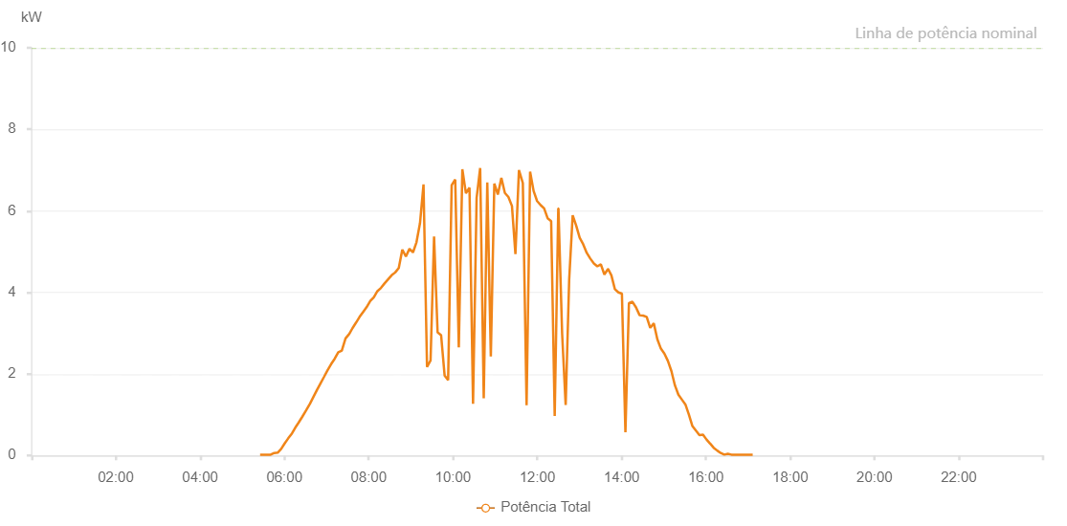

Number | Time | Working State | Alarm Code | Total Inverter Power(W)
1 | 30/04/2023 05:25:23 (UTC-4:00) | Normal |  | 20.000
2 | 30/04/2023 05:30:24 (UTC-4:00) | Normal |  | 20.000
3 | 30/04/2023 05:35:24 (UTC-4:00) | Normal |  | 20.000
4 | 30/04/2023 05:40:26 (UTC-4:00) | Normal |  | 20.000
5 | 30/04/2023 05:45:27 (UTC-4:00) | Normal |  | 60.000
6 | 30/04/2023 05:50:26 (UTC-4:00) | Normal |  | 70.000
7 | 30/04/2023 05:55:25 (UTC-4:00) | Normal |  | 160.000
8 | 30/04/2023 06:00:31 (UTC-4:00) | Normal |  | 300.000
9 | 30/04/2023 06:05:26 (UTC-4:00) | Normal |  | 420.000
10 | 30/04/2023 06:10:47 (UTC-4:00) | Normal |  | 540.000
11 | 30/04/2023 06:15:23 (UTC-4:00) | Normal |  | 680.000
12 | 30/04/2023 06:20:22 (UTC-4:00) | Normal |  | 810.000
13 | 30/04/2023 06:25:29 (UTC-4:00) | Normal |  | 950.000
14 | 30/04/2023 06:31:03 (UTC-4:00) | Normal |  | 1110.000
15 | 30/04/2023 06:36:24 (UTC-4:00) | Normal |  | 1270.000
16 | 30/04/2023 06:41:24 (UTC-4:00) | Normal |  | 1440.000
17 | 30/04/2023 06:46:26 (UTC-4:00) | Normal |  | 1610.000
18 | 30/04/2023 06:51:25 (UTC-4:00) | Normal |  | 1770.000
19 | 30/04/2023 06:56:27 (UTC-4:00) | Normal |  | 1930.000
20 | 30/04/2023 07:01:26 (UTC-4:00) | Normal |  | 2090.000
21 | 30/04/2023 07:06:26 (UTC-4:00) | Normal |  | 2240.000
22 | 30/04/2023 07:11:30 (UTC-4:00) | Normal |  | 2370.000
23 | 30/04/2023 07:16:40 (UTC-4:00) | Normal |  | 2530.000
24 | 30/04/2023 07:21:42 (UTC-4:00) | Normal |  | 2570.000
25 | 30/04/2023 07:27:00 (UTC-4:00) | Normal |  | 2870.000
26 | 30/04/2023 07:31:47 (UTC-4:00) | Normal |  | 2970.000
27 | 30/04/2023 07:31:58 (UTC-4:00) | Normal |  | 2970.000
28 | 30/04/2023 07:36:51 (UTC-4:00) | Normal |  | 3120.000
29 | 30/04/2023 07:42:02 (UTC-4:00) | Normal |  | 3260.000
30 | 30/04/2023 07:47:01 (UTC-4:00) | Normal |  | 3400.000
31 | 30/04/2023 07:52:04 (UTC-4:00) | Normal |  | 3520.000
32 | 30/04/2023 07:57:09 (UTC-4:00) | Normal |  | 3640.000
33 | 30/04/2023 08:02:17 (UTC-4:00) | Normal |  | 3790.000
34 | 30/04/2023 08:07:17 (UTC-4:00) | Normal |  | 3880.000
35 | 30/04/2023 08:12:21 (UTC-4:00) | Normal |  | 4030.000
36 | 30/04/2023 08:17:26 (UTC-4:00) | Normal |  | 4110.000
37 | 30/04/2023 08:22:30 (UTC-4:00) | Normal |  | 4220.000
38 | 30/04/2023 08:27:34 (UTC-4:00) | Normal |  | 4320.000
39 | 30/04/2023 08:32:39 (UTC-4:00) | Normal |  | 4420.000
40 | 30/04/2023 08:37:43 (UTC-4:00) | Normal |  | 4490.000
41 | 30/04/2023 08:42:47 (UTC-4:00) | Normal |  | 4600.000
42 | 30/04/2023 08:47:52 (UTC-4:00) | Normal |  | 5050.000
43 | 30/04/2023 08:52:56 (UTC-4:00) | Normal |  | 4880.000
44 | 30/04/2023 08:58:02 (UTC-4:00) | Normal |  | 5070.000
45 | 30/04/2023 09:03:01 (UTC-4:00) | Normal |  | 4980.000
46 | 30/04/2023 09:08:01 (UTC-4:00) | Normal |  | 5230.000
47 | 30/04/2023 09:13:02 (UTC-4:00) | Normal |  | 5700.000
48 | 30/04/2023 09:18:02 (UTC-4:00) | Normal |  | 6650.000
49 | 30/04/2023 09:23:02 (UTC-4:00) | Normal |  | 2170.000
50 | 30/04/2023 09:28:03 (UTC-4:00) | Normal |  | 2330.000
51 | 30/04/2023 09:33:03 (UTC-4:00) | Normal |  | 5370.000
52 | 30/04/2023 09:38:04 (UTC-4:00) | Normal |  | 3020.000
53 | 30/04/2023 09:43:04 (UTC-4:00) | Normal |  | 2950.000
54 | 30/04/2023 09:48:04 (UTC-4:00) | Normal |  | 1960.000
55 | 30/04/2023 09:53:05 (UTC-4:00) | Normal |  | 1850.000
56 | 30/04/2023 09:58:06 (UTC-4:00) | Normal |  | 6630.000
57 | 30/04/2023 10:03:10 (UTC-4:00) | Normal |  | 6770.000
58 | 30/04/2023 10:08:15 (UTC-4:00) | Normal |  | 2650.000
59 | 30/04/2023 10:13:19 (UTC-4:00) | Normal |  | 7020.000
60 | 30/04/2023 10:18:23 (UTC-4:00) | Normal |  | 6430.000
61 | 30/04/2023 10:23:28 (UTC-4:00) | Normal |  | 6570.000
62 | 30/04/2023 10:28:32 (UTC-4:00) | Normal |  | 1270.000
63 | 30/04/2023 10:33:37 (UTC-4:00) | Normal |  | 6320.000
64 | 30/04/2023 10:38:41 (UTC-4:00) | Normal |  | 7050.000
65 | 30/04/2023 10:43:45 (UTC-4:00) | Normal |  | 1400.000
66 | 30/04/2023 10:48:49 (UTC-4:00) | Normal |  | 6700.000
67 | 30/04/2023 10:53:51 (UTC-4:00) | Normal |  | 2430.000
68 | 30/04/2023 10:58:50 (UTC-4:00) | Normal |  | 6670.000
69 | 30/04/2023 11:03:50 (UTC-4:00) | Normal |  | 6400.000
70 | 30/04/2023 11:08:51 (UTC-4:00) | Normal |  | 6810.000
71 | 30/04/2023 11:13:51 (UTC-4:00) | Normal |  | 6440.000
72 | 30/04/2023 11:18:53 (UTC-4:00) | Normal |  | 6340.000
73 | 30/04/2023 11:23:56 (UTC-4:00) | Normal |  | 6120.000
74 | 30/04/2023 11:28:52 (UTC-4:00) | Normal |  | 4940.000
75 | 30/04/2023 11:33:53 (UTC-4:00) | Normal |  | 7000.000
76 | 30/04/2023 11:39:05 (UTC-4:00) | Normal |  | 6700.000
77 | 30/04/2023 11:39:25 (UTC-4:00) | Normal |  | 6680.000
78 | 30/04/2023 11:44:45 (UTC-4:00) | Normal |  | 1230.000
79 | 30/04/2023 11:49:45 (UTC-4:00) | Normal |  | 6960.000
80 | 30/04/2023 11:54:44 (UTC-4:00) | Normal |  | 6490.000
81 | 30/04/2023 11:59:43 (UTC-4:00) | Normal |  | 6240.000
82 | 30/04/2023 12:04:47 (UTC-4:00) | Normal |  | 6140.000
83 | 30/04/2023 12:09:42 (UTC-4:00) | Normal |  | 6060.000
84 | 30/04/2023 12:14:42 (UTC-4:00) | Normal |  | 5820.000
85 | 30/04/2023 12:19:44 (UTC-4:00) | Normal |  | 5750.000
86 | 30/04/2023 12:24:47 (UTC-4:00) | Normal |  | 970.000
87 | 30/04/2023 12:29:51 (UTC-4:00) | Normal |  | 6060.000
88 | 30/04/2023 12:30:08 (UTC-4:00) | Normal |  | 6060.000
89 | 30/04/2023 12:35:23 (UTC-4:00) | Normal |  | 2980.000
90 | 30/04/2023 12:40:23 (UTC-4:00) | Normal |  | 1240.000
91 | 30/04/2023 12:45:23 (UTC-4:00) | Normal |  | 4310.000
92 | 30/04/2023 12:50:22 (UTC-4:00) | Normal |  | 5890.000
93 | 30/04/2023 12:55:21 (UTC-4:00) | Normal |  | 5640.000
94 | 30/04/2023 13:00:21 (UTC-4:00) | Normal |  | 5340.000
95 | 30/04/2023 13:05:21 (UTC-4:00) | Normal |  | 5180.000
96 | 30/04/2023 13:10:24 (UTC-4:00) | Normal |  | 4970.000
97 | 30/04/2023 13:15:27 (UTC-4:00) | Normal |  | 4830.000
98 | 30/04/2023 13:20:31 (UTC-4:00) | Normal |  | 4710.000
99 | 30/04/2023 13:25:30 (UTC-4:00) | Normal |  | 4640.000
100 | 30/04/2023 13:30:29 (UTC-4:00) | Normal |  | 4690.000
101 | 30/04/2023 13:35:28 (UTC-4:00) | Normal |  | 4440.000
102 | 30/04/2023 13:40:27 (UTC-4:00) | Normal |  | 4570.000
103 | 30/04/2023 13:40:52 (UTC-4:00) | Normal |  | 4570.000
104 | 30/04/2023 13:45:27 (UTC-4:00) | Normal |  | 4420.000
105 | 30/04/2023 13:50:27 (UTC-4:00) | Normal |  | 4080.000
106 | 30/04/2023 13:55:28 (UTC-4:00) | Normal |  | 4000.000
107 | 30/04/2023 14:00:27 (UTC-4:00) | Normal |  | 3970.000
108 | 30/04/2023 14:05:27 (UTC-4:00) | Normal |  | 570.000
109 | 30/04/2023 14:10:28 (UTC-4:00) | Normal |  | 3740.000
110 | 30/04/2023 14:15:31 (UTC-4:00) | Normal |  | 3770.000
111 | 30/04/2023 14:20:35 (UTC-4:00) | Normal |  | 3630.000
112 | 30/04/2023 14:25:38 (UTC-4:00) | Normal |  | 3440.000
113 | 30/04/2023 14:30:41 (UTC-4:00) | Normal |  | 3430.000
114 | 30/04/2023 14:35:44 (UTC-4:00) | Normal |  | 3400.000
115 | 30/04/2023 14:40:47 (UTC-4:00) | Normal |  | 3130.000
116 | 30/04/2023 14:45:51 (UTC-4:00) | Normal |  | 3240.000
117 | 30/04/2023 14:50:54 (UTC-4:00) | Normal |  | 2850.000
118 | 30/04/2023 14:55:57 (UTC-4:00) | Normal |  | 2620.000
119 | 30/04/2023 15:00:56 (UTC-4:00) | Normal |  | 2500.000
120 | 30/04/2023 15:05:55 (UTC-4:00) | Normal |  | 2320.000
121 | 30/04/2023 15:10:55 (UTC-4:00) | Normal |  | 2070.000
122 | 30/04/2023 15:15:54 (UTC-4:00) | Normal |  | 1720.000
123 | 30/04/2023 15:20:54 (UTC-4:00) | Normal |  | 1490.000
124 | 30/04/2023 15:25:53 (UTC-4:00) | Normal |  | 1370.000
125 | 30/04/2023 15:30:52 (UTC-4:00) | Normal |  | 1250.000
126 | 30/04/2023 15:35:51 (UTC-4:00) | Normal |  | 1000.000
127 | 30/04/2023 15:40:50 (UTC-4:00) | Normal |  | 720.000
128 | 30/04/2023 15:45:50 (UTC-4:00) | Normal |  | 610.000
129 | 30/04/2023 15:50:49 (UTC-4:00) | Normal |  | 500.000
130 | 30/04/2023 15:55:52 (UTC-4:00) | Normal |  | 510.000
131 | 30/04/2023 16:00:56 (UTC-4:00) | Normal |  | 390.000
132 | 30/04/2023 16:05:59 (UTC-4:00) | Normal |  | 290.000
133 | 30/04/2023 16:06:10 (UTC-4:00) | Normal |  | 290.000
134 | 30/04/2023 16:11:03 (UTC-4:00) | Normal |  | 190.000
135 | 30/04/2023 16:16:07 (UTC-4:00) | Normal |  | 120.000
136 | 30/04/2023 16:21:10 (UTC-4:00) | Normal |  | 60.000
137 | 30/04/2023 16:26:13 (UTC-4:00) | Normal |  | 20.000
138 | 30/04/2023 16:31:16 (UTC-4:00) | Normal |  | 40.000
139 | 30/04/2023 16:36:20 (UTC-4:00) | Normal |  | 20.000
140 | 30/04/2023 16:41:23 (UTC-4:00) | Normal |  | 20.000
141 | 30/04/2023 16:46:26 (UTC-4:00) | Normal |  | 20.000
142 | 30/04/2023 16:51:29 (UTC-4:00) | Normal |  | 20.000
143 | 30/04/2023 16:56:33 (UTC-4:00) | Normal |  | 20.000
144 | 30/04/2023 16:56:57 (UTC-4:00) | Normal |  | 20.000
145 | 30/04/2023 17:01:36 (UTC-4:00) | Normal |  | 20.000
146 | 30/04/2023 17:06:39 (UTC-4:00) | Normal |  | 20.000

