Inverter History Report__17-08-
Inverter History Report_01/05/2023_Report

Inverter SN:054B7020C020041 |  | Inverter type:B7
Collector SN:4045966636 |  | Full Load Hours(h):3.40
Rated Power:10000Wp

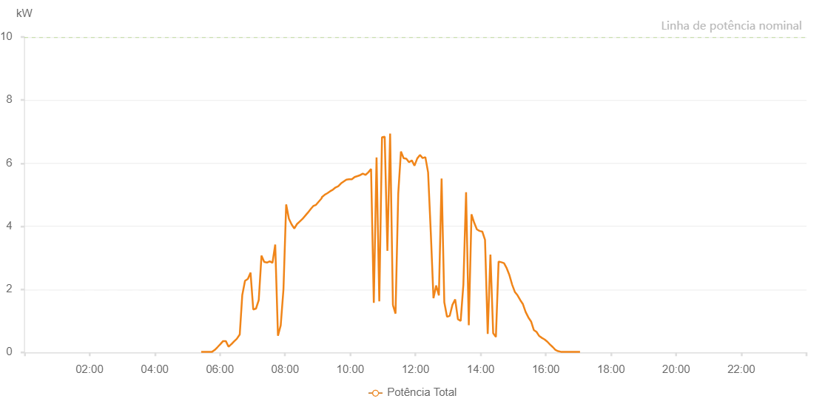

Number | Time | Working State | Alarm Code | Total Inverter Power(W)
1 | 01/05/2023 05:25:32 (UTC-4:00) | Normal |  | 20.000
2 | 01/05/2023 05:30:33 (UTC-4:00) | Normal |  | 20.000
3 | 01/05/2023 05:35:42 (UTC-4:00) | Normal |  | 20.000
4 | 01/05/2023 05:35:44 (UTC-4:00) | Normal |  | 20.000
5 | 01/05/2023 05:40:35 (UTC-4:00) | Normal |  | 20.000
6 | 01/05/2023 05:45:37 (UTC-4:00) | Normal |  | 20.000
7 | 01/05/2023 05:50:39 (UTC-4:00) | Normal |  | 80.000
8 | 01/05/2023 05:55:44 (UTC-4:00) | Normal |  | 170.000
9 | 01/05/2023 06:00:46 (UTC-4:00) | Normal |  | 260.000
10 | 01/05/2023 06:05:54 (UTC-4:00) | Normal |  | 360.000
11 | 01/05/2023 06:10:52 (UTC-4:00) | Normal |  | 360.000
12 | 01/05/2023 06:15:55 (UTC-4:00) | Normal |  | 180.000
13 | 01/05/2023 06:20:59 (UTC-4:00) | Normal |  | 260.000
14 | 01/05/2023 06:21:09 (UTC-4:00) | Normal |  | 260.000
15 | 01/05/2023 06:26:03 (UTC-4:00) | Normal |  | 350.000
16 | 01/05/2023 06:31:05 (UTC-4:00) | Normal |  | 430.000
17 | 01/05/2023 06:36:33 (UTC-4:00) | Normal |  | 570.000
18 | 01/05/2023 06:41:11 (UTC-4:00) | Normal |  | 1820.000
19 | 01/05/2023 06:46:14 (UTC-4:00) | Normal |  | 2270.000
20 | 01/05/2023 06:51:18 (UTC-4:00) | Normal |  | 2330.000
21 | 01/05/2023 06:51:28 (UTC-4:00) | Normal |  | 2330.000
22 | 01/05/2023 06:56:24 (UTC-4:00) | Normal |  | 2530.000
23 | 01/05/2023 07:01:25 (UTC-4:00) | Normal |  | 1360.000
24 | 01/05/2023 07:06:28 (UTC-4:00) | Normal |  | 1390.000
25 | 01/05/2023 07:11:32 (UTC-4:00) | Normal |  | 1660.000
26 | 01/05/2023 07:16:35 (UTC-4:00) | Normal |  | 3070.000
27 | 01/05/2023 07:21:38 (UTC-4:00) | Normal |  | 2870.000
28 | 01/05/2023 07:26:41 (UTC-4:00) | Normal |  | 2850.000
29 | 01/05/2023 07:31:45 (UTC-4:00) | Normal |  | 2890.000
30 | 01/05/2023 07:36:48 (UTC-4:00) | Normal |  | 2840.000
31 | 01/05/2023 07:41:51 (UTC-4:00) | Normal |  | 3420.000
32 | 01/05/2023 07:46:54 (UTC-4:00) | Normal |  | 530.000
33 | 01/05/2023 07:51:59 (UTC-4:00) | Normal |  | 860.000
34 | 01/05/2023 07:57:01 (UTC-4:00) | Normal |  | 2000.000
35 | 01/05/2023 08:02:01 (UTC-4:00) | Normal |  | 4690.000
36 | 01/05/2023 08:07:00 (UTC-4:00) | Normal |  | 4240.000
37 | 01/05/2023 08:11:59 (UTC-4:00) | Normal |  | 4060.000
38 | 01/05/2023 08:16:58 (UTC-4:00) | Normal |  | 3930.000
39 | 01/05/2023 08:21:58 (UTC-4:00) | Normal |  | 4070.000
40 | 01/05/2023 08:26:57 (UTC-4:00) | Normal |  | 4150.000
41 | 01/05/2023 08:31:56 (UTC-4:00) | Normal |  | 4230.000
42 | 01/05/2023 08:36:57 (UTC-4:00) | Normal |  | 4330.000
43 | 01/05/2023 08:41:55 (UTC-4:00) | Normal |  | 4430.000
44 | 01/05/2023 08:46:54 (UTC-4:00) | Normal |  | 4540.000
45 | 01/05/2023 08:51:53 (UTC-4:00) | Normal |  | 4640.000
46 | 01/05/2023 08:56:57 (UTC-4:00) | Normal |  | 4680.000
47 | 01/05/2023 09:01:56 (UTC-4:00) | Normal |  | 4780.000
48 | 01/05/2023 09:06:59 (UTC-4:00) | Normal |  | 4880.000
49 | 01/05/2023 09:07:45 (UTC-4:00) | Normal |  | 4920.000
50 | 01/05/2023 09:13:05 (UTC-4:00) | Normal |  | 5000.000
51 | 01/05/2023 09:18:03 (UTC-4:00) | Normal |  | 5050.000
52 | 01/05/2023 09:23:02 (UTC-4:00) | Normal |  | 5110.000
53 | 01/05/2023 09:28:01 (UTC-4:00) | Normal |  | 5160.000
54 | 01/05/2023 09:32:59 (UTC-4:00) | Normal |  | 5230.000
55 | 01/05/2023 09:37:58 (UTC-4:00) | Normal |  | 5270.000
56 | 01/05/2023 09:42:57 (UTC-4:00) | Normal |  | 5360.000
57 | 01/05/2023 09:47:56 (UTC-4:00) | Normal |  | 5420.000
58 | 01/05/2023 09:52:55 (UTC-4:00) | Normal |  | 5480.000
59 | 01/05/2023 09:57:56 (UTC-4:00) | Normal |  | 5490.000
60 | 01/05/2023 10:02:59 (UTC-4:00) | Normal |  | 5490.000
61 | 01/05/2023 10:08:02 (UTC-4:00) | Normal |  | 5560.000
62 | 01/05/2023 10:13:05 (UTC-4:00) | Normal |  | 5590.000
63 | 01/05/2023 10:18:07 (UTC-4:00) | Normal |  | 5620.000
64 | 01/05/2023 10:23:10 (UTC-4:00) | Normal |  | 5670.000
65 | 01/05/2023 10:28:15 (UTC-4:00) | Normal |  | 5630.000
66 | 01/05/2023 10:33:16 (UTC-4:00) | Normal |  | 5710.000
67 | 01/05/2023 10:38:19 (UTC-4:00) | Normal |  | 5820.000
68 | 01/05/2023 10:43:21 (UTC-4:00) | Normal |  | 1570.000
69 | 01/05/2023 10:48:24 (UTC-4:00) | Normal |  | 6180.000
70 | 01/05/2023 10:53:27 (UTC-4:00) | Normal |  | 1620.000
71 | 01/05/2023 10:58:26 (UTC-4:00) | Normal |  | 6820.000
72 | 01/05/2023 11:03:25 (UTC-4:00) | Normal |  | 6840.000
73 | 01/05/2023 11:08:24 (UTC-4:00) | Normal |  | 3220.000
74 | 01/05/2023 11:13:23 (UTC-4:00) | Normal |  | 6940.000
75 | 01/05/2023 11:18:33 (UTC-4:00) | Normal |  | 1500.000
76 | 01/05/2023 11:18:35 (UTC-4:00) | Normal |  | 1500.000
77 | 01/05/2023 11:23:20 (UTC-4:00) | Normal |  | 1230.000
78 | 01/05/2023 11:28:20 (UTC-4:00) | Normal |  | 5030.000
79 | 01/05/2023 11:33:18 (UTC-4:00) | Normal |  | 6370.000
80 | 01/05/2023 11:38:17 (UTC-4:00) | Normal |  | 6160.000
81 | 01/05/2023 11:43:16 (UTC-4:00) | Normal |  | 6140.000
82 | 01/05/2023 11:48:15 (UTC-4:00) | Normal |  | 6030.000
83 | 01/05/2023 11:53:14 (UTC-4:00) | Normal |  | 6090.000
84 | 01/05/2023 11:58:17 (UTC-4:00) | Normal |  | 5920.000
85 | 01/05/2023 12:03:20 (UTC-4:00) | Normal |  | 6150.000
86 | 01/05/2023 12:08:19 (UTC-4:00) | Normal |  | 6260.000
87 | 01/05/2023 12:13:18 (UTC-4:00) | Normal |  | 6160.000
88 | 01/05/2023 12:18:17 (UTC-4:00) | Normal |  | 6190.000
89 | 01/05/2023 12:23:18 (UTC-4:00) | Normal |  | 5710.000
90 | 01/05/2023 12:28:15 (UTC-4:00) | Normal |  | 3810.000
91 | 01/05/2023 12:33:13 (UTC-4:00) | Normal |  | 1720.000
92 | 01/05/2023 12:38:12 (UTC-4:00) | Normal |  | 2120.000
93 | 01/05/2023 12:43:11 (UTC-4:00) | Normal |  | 1810.000
94 | 01/05/2023 12:48:10 (UTC-4:00) | Normal |  | 5510.000
95 | 01/05/2023 12:53:09 (UTC-4:00) | Normal |  | 1590.000
96 | 01/05/2023 12:58:09 (UTC-4:00) | Normal |  | 1130.000
97 | 01/05/2023 13:03:08 (UTC-4:00) | Normal |  | 1160.000
98 | 01/05/2023 13:08:09 (UTC-4:00) | Normal |  | 1510.000
99 | 01/05/2023 13:13:12 (UTC-4:00) | Normal |  | 1680.000
100 | 01/05/2023 13:18:15 (UTC-4:00) | Normal |  | 1050.000
101 | 01/05/2023 13:23:17 (UTC-4:00) | Normal |  | 1000.000
102 | 01/05/2023 13:28:16 (UTC-4:00) | Normal |  | 2150.000
103 | 01/05/2023 13:33:15 (UTC-4:00) | Normal |  | 5080.000
104 | 01/05/2023 13:38:14 (UTC-4:00) | Normal |  | 860.000
105 | 01/05/2023 13:43:13 (UTC-4:00) | Normal |  | 4380.000
106 | 01/05/2023 13:48:13 (UTC-4:00) | Normal |  | 4110.000
107 | 01/05/2023 13:53:10 (UTC-4:00) | Normal |  | 3900.000
108 | 01/05/2023 13:58:09 (UTC-4:00) | Normal |  | 3850.000
109 | 01/05/2023 14:03:08 (UTC-4:00) | Normal |  | 3830.000
110 | 01/05/2023 14:08:07 (UTC-4:00) | Normal |  | 3570.000
111 | 01/05/2023 14:13:05 (UTC-4:00) | Normal |  | 590.000
112 | 01/05/2023 14:18:04 (UTC-4:00) | Normal |  | 3100.000
113 | 01/05/2023 14:23:07 (UTC-4:00) | Normal |  | 610.000
114 | 01/05/2023 14:28:09 (UTC-4:00) | Normal |  | 490.000
115 | 01/05/2023 14:33:07 (UTC-4:00) | Normal |  | 2880.000
116 | 01/05/2023 14:38:06 (UTC-4:00) | Normal |  | 2860.000
117 | 01/05/2023 14:43:05 (UTC-4:00) | Normal |  | 2830.000
118 | 01/05/2023 14:48:03 (UTC-4:00) | Normal |  | 2670.000
119 | 01/05/2023 14:53:02 (UTC-4:00) | Normal |  | 2450.000
120 | 01/05/2023 14:58:02 (UTC-4:00) | Normal |  | 2150.000
121 | 01/05/2023 15:03:00 (UTC-4:00) | Normal |  | 1920.000
122 | 01/05/2023 15:07:58 (UTC-4:00) | Normal |  | 1810.000
123 | 01/05/2023 15:12:57 (UTC-4:00) | Normal |  | 1660.000
124 | 01/05/2023 15:17:56 (UTC-4:00) | Normal |  | 1530.000
125 | 01/05/2023 15:22:55 (UTC-4:00) | Normal |  | 1280.000
126 | 01/05/2023 15:27:56 (UTC-4:00) | Normal |  | 1110.000
127 | 01/05/2023 15:32:57 (UTC-4:00) | Normal |  | 980.000
128 | 01/05/2023 15:37:56 (UTC-4:00) | Normal |  | 710.000
129 | 01/05/2023 15:42:55 (UTC-4:00) | Normal |  | 650.000
130 | 01/05/2023 15:47:54 (UTC-4:00) | Normal |  | 520.000
131 | 01/05/2023 15:52:53 (UTC-4:00) | Normal |  | 460.000
132 | 01/05/2023 15:57:51 (UTC-4:00) | Normal |  | 410.000
133 | 01/05/2023 16:02:50 (UTC-4:00) | Normal |  | 340.000
134 | 01/05/2023 16:07:49 (UTC-4:00) | Normal |  | 250.000
135 | 01/05/2023 16:12:50 (UTC-4:00) | Normal |  | 170.000
136 | 01/05/2023 16:17:47 (UTC-4:00) | Normal |  | 80.000
137 | 01/05/2023 16:22:45 (UTC-4:00) | Normal |  | 40.000
138 | 01/05/2023 16:27:44 (UTC-4:00) | Normal |  | 20.000
139 | 01/05/2023 16:32:44 (UTC-4:00) | Normal |  | 20.000
140 | 01/05/2023 16:37:47 (UTC-4:00) | Normal |  | 20.000
141 | 01/05/2023 16:42:50 (UTC-4:00) | Normal |  | 20.000
142 | 01/05/2023 16:47:52 (UTC-4:00) | Normal |  | 20.000
143 | 01/05/2023 16:52:55 (UTC-4:00) | Normal |  | 20.000
144 | 01/05/2023 16:53:06 (UTC-4:00) | Normal |  | 20.000
145 | 01/05/2023 16:57:59 (UTC-4:00) | Normal |  | 20.000
146 | 01/05/2023 17:03:01 (UTC-4:00) | Normal |  | 20.000

