Inverter History Report__17-08-
Inverter History Report_06/05/2023_Report

Inverter SN:054B7020C020041 |  | Inverter type:B7
Collector SN:4045966636 |  | Full Load Hours(h):3.40
Rated Power:10000Wp

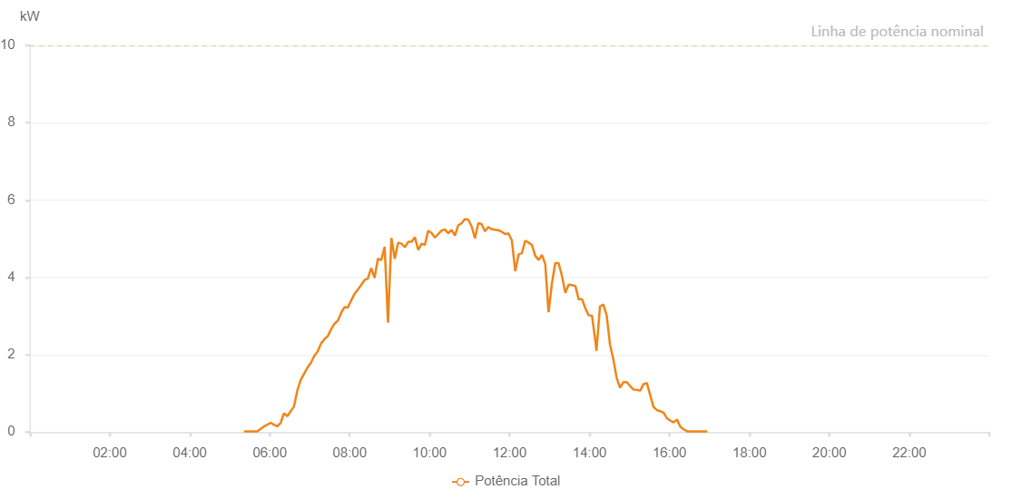

Number | Time | Working State | Alarm Code | Total Inverter Power(W)
1 | 06/05/2023 05:21:18 (UTC-4:00) | Normal |  | 20.000
2 | 06/05/2023 05:26:18 (UTC-4:00) | Normal |  | 20.000
3 | 06/05/2023 05:31:18 (UTC-4:00) | Normal |  | 20.000
4 | 06/05/2023 05:36:21 (UTC-4:00) | Normal |  | 20.000
5 | 06/05/2023 05:41:25 (UTC-4:00) | Normal |  | 20.000
6 | 06/05/2023 05:46:25 (UTC-4:00) | Normal |  | 80.000
7 | 06/05/2023 05:51:25 (UTC-4:00) | Normal |  | 150.000
8 | 06/05/2023 05:56:25 (UTC-4:00) | Normal |  | 190.000
9 | 06/05/2023 06:01:25 (UTC-4:00) | Normal |  | 240.000
10 | 06/05/2023 06:06:25 (UTC-4:00) | Normal |  | 190.000
11 | 06/05/2023 06:11:25 (UTC-4:00) | Normal |  | 150.000
12 | 06/05/2023 06:16:25 (UTC-4:00) | Normal |  | 240.000
13 | 06/05/2023 06:21:25 (UTC-4:00) | Normal |  | 490.000
14 | 06/05/2023 06:26:25 (UTC-4:00) | Normal |  | 410.000
15 | 06/05/2023 06:31:25 (UTC-4:00) | Normal |  | 540.000
16 | 06/05/2023 06:36:25 (UTC-4:00) | Normal |  | 660.000
17 | 06/05/2023 06:41:28 (UTC-4:00) | Normal |  | 1080.000
18 | 06/05/2023 06:46:32 (UTC-4:00) | Normal |  | 1350.000
19 | 06/05/2023 06:51:36 (UTC-4:00) | Normal |  | 1510.000
20 | 06/05/2023 06:56:41 (UTC-4:00) | Normal |  | 1670.000
21 | 06/05/2023 07:01:44 (UTC-4:00) | Normal |  | 1790.000
22 | 06/05/2023 07:06:48 (UTC-4:00) | Normal |  | 1970.000
23 | 06/05/2023 07:11:52 (UTC-4:00) | Normal |  | 2080.000
24 | 06/05/2023 07:16:56 (UTC-4:00) | Normal |  | 2290.000
25 | 06/05/2023 07:22:00 (UTC-4:00) | Normal |  | 2400.000
26 | 06/05/2023 07:27:04 (UTC-4:00) | Normal |  | 2480.000
27 | 06/05/2023 07:32:08 (UTC-4:00) | Normal |  | 2660.000
28 | 06/05/2023 07:37:08 (UTC-4:00) | Normal |  | 2800.000
29 | 06/05/2023 07:42:08 (UTC-4:00) | Normal |  | 2880.000
30 | 06/05/2023 07:47:08 (UTC-4:00) | Normal |  | 3080.000
31 | 06/05/2023 07:52:08 (UTC-4:00) | Normal |  | 3230.000
32 | 06/05/2023 07:57:08 (UTC-4:00) | Normal |  | 3220.000
33 | 06/05/2023 08:02:08 (UTC-4:00) | Normal |  | 3400.000
34 | 06/05/2023 08:07:08 (UTC-4:00) | Normal |  | 3570.000
35 | 06/05/2023 08:12:08 (UTC-4:00) | Normal |  | 3680.000
36 | 06/05/2023 08:17:09 (UTC-4:00) | Normal |  | 3800.000
37 | 06/05/2023 08:22:10 (UTC-4:00) | Normal |  | 3930.000
38 | 06/05/2023 08:27:10 (UTC-4:00) | Normal |  | 3970.000
39 | 06/05/2023 08:32:11 (UTC-4:00) | Normal |  | 4240.000
40 | 06/05/2023 08:37:15 (UTC-4:00) | Normal |  | 4000.000
41 | 06/05/2023 08:37:26 (UTC-4:00) | Normal |  | 4000.000
42 | 06/05/2023 08:42:20 (UTC-4:00) | Normal |  | 4480.000
43 | 06/05/2023 08:47:23 (UTC-4:00) | Normal |  | 4450.000
44 | 06/05/2023 08:52:27 (UTC-4:00) | Normal |  | 4790.000
45 | 06/05/2023 08:57:31 (UTC-4:00) | Normal |  | 2830.000
46 | 06/05/2023 09:02:35 (UTC-4:00) | Normal |  | 5020.000
47 | 06/05/2023 09:07:39 (UTC-4:00) | Normal |  | 4480.000
48 | 06/05/2023 09:12:43 (UTC-4:00) | Normal |  | 4900.000
49 | 06/05/2023 09:17:47 (UTC-4:00) | Normal |  | 4870.000
50 | 06/05/2023 09:22:51 (UTC-4:00) | Normal |  | 4780.000
51 | 06/05/2023 09:27:50 (UTC-4:00) | Normal |  | 4920.000
52 | 06/05/2023 09:32:50 (UTC-4:00) | Normal |  | 4920.000
53 | 06/05/2023 09:37:50 (UTC-4:00) | Normal |  | 5040.000
54 | 06/05/2023 09:42:50 (UTC-4:00) | Normal |  | 4710.000
55 | 06/05/2023 09:47:50 (UTC-4:00) | Normal |  | 4870.000
56 | 06/05/2023 09:52:50 (UTC-4:00) | Normal |  | 4840.000
57 | 06/05/2023 09:57:50 (UTC-4:00) | Normal |  | 5210.000
58 | 06/05/2023 10:02:50 (UTC-4:00) | Normal |  | 5150.000
59 | 06/05/2023 10:07:50 (UTC-4:00) | Normal |  | 5030.000
60 | 06/05/2023 10:12:50 (UTC-4:00) | Normal |  | 5120.000
61 | 06/05/2023 10:17:51 (UTC-4:00) | Normal |  | 5210.000
62 | 06/05/2023 10:22:55 (UTC-4:00) | Normal |  | 5240.000
63 | 06/05/2023 10:27:57 (UTC-4:00) | Normal |  | 5140.000
64 | 06/05/2023 10:33:00 (UTC-4:00) | Normal |  | 5230.000
65 | 06/05/2023 10:38:00 (UTC-4:00) | Normal |  | 5080.000
66 | 06/05/2023 10:43:00 (UTC-4:00) | Normal |  | 5350.000
67 | 06/05/2023 10:48:00 (UTC-4:00) | Normal |  | 5400.000
68 | 06/05/2023 10:53:00 (UTC-4:00) | Normal |  | 5510.000
69 | 06/05/2023 10:58:00 (UTC-4:00) | Normal |  | 5490.000
70 | 06/05/2023 11:03:00 (UTC-4:00) | Normal |  | 5320.000
71 | 06/05/2023 11:08:00 (UTC-4:00) | Normal |  | 5010.000
72 | 06/05/2023 11:13:00 (UTC-4:00) | Normal |  | 5400.000
73 | 06/05/2023 11:18:00 (UTC-4:00) | Normal |  | 5380.000
74 | 06/05/2023 11:22:59 (UTC-4:00) | Normal |  | 5190.000
75 | 06/05/2023 11:28:00 (UTC-4:00) | Normal |  | 5300.000
76 | 06/05/2023 11:33:01 (UTC-4:00) | Normal |  | 5250.000
77 | 06/05/2023 11:38:05 (UTC-4:00) | Normal |  | 5230.000
78 | 06/05/2023 11:43:09 (UTC-4:00) | Normal |  | 5220.000
79 | 06/05/2023 11:48:14 (UTC-4:00) | Normal |  | 5180.000
80 | 06/05/2023 11:53:17 (UTC-4:00) | Normal |  | 5120.000
81 | 06/05/2023 11:58:21 (UTC-4:00) | Normal |  | 5140.000
82 | 06/05/2023 12:03:25 (UTC-4:00) | Normal |  | 4950.000
83 | 06/05/2023 12:08:30 (UTC-4:00) | Normal |  | 4160.000
84 | 06/05/2023 12:13:29 (UTC-4:00) | Normal |  | 4590.000
85 | 06/05/2023 12:18:29 (UTC-4:00) | Normal |  | 4630.000
86 | 06/05/2023 12:23:29 (UTC-4:00) | Normal |  | 4950.000
87 | 06/05/2023 12:28:29 (UTC-4:00) | Normal |  | 4900.000
88 | 06/05/2023 12:33:29 (UTC-4:00) | Normal |  | 4840.000
89 | 06/05/2023 12:38:29 (UTC-4:00) | Normal |  | 4560.000
90 | 06/05/2023 12:43:29 (UTC-4:00) | Normal |  | 4450.000
91 | 06/05/2023 12:48:29 (UTC-4:00) | Normal |  | 4580.000
92 | 06/05/2023 12:53:30 (UTC-4:00) | Normal |  | 4350.000
93 | 06/05/2023 12:58:30 (UTC-4:00) | Normal |  | 3100.000
94 | 06/05/2023 13:03:30 (UTC-4:00) | Normal |  | 3840.000
95 | 06/05/2023 13:08:30 (UTC-4:00) | Normal |  | 4370.000
96 | 06/05/2023 13:13:33 (UTC-4:00) | Normal |  | 4370.000
97 | 06/05/2023 13:18:37 (UTC-4:00) | Normal |  | 4040.000
98 | 06/05/2023 13:23:41 (UTC-4:00) | Normal |  | 3600.000
99 | 06/05/2023 13:28:41 (UTC-4:00) | Normal |  | 3810.000
100 | 06/05/2023 13:33:41 (UTC-4:00) | Normal |  | 3800.000
101 | 06/05/2023 13:38:41 (UTC-4:00) | Normal |  | 3780.000
102 | 06/05/2023 13:43:41 (UTC-4:00) | Normal |  | 3430.000
103 | 06/05/2023 13:48:41 (UTC-4:00) | Normal |  | 3440.000
104 | 06/05/2023 13:53:41 (UTC-4:00) | Normal |  | 3200.000
105 | 06/05/2023 13:58:41 (UTC-4:00) | Normal |  | 3020.000
106 | 06/05/2023 14:03:41 (UTC-4:00) | Normal |  | 3010.000
107 | 06/05/2023 14:08:41 (UTC-4:00) | Normal |  | 2360.000
108 | 06/05/2023 14:10:24 (UTC-4:00) | Normal |  | 2100.000
109 | 06/05/2023 14:15:41 (UTC-4:00) | Normal |  | 3250.000
110 | 06/05/2023 14:20:41 (UTC-4:00) | Normal |  | 3300.000
111 | 06/05/2023 14:25:43 (UTC-4:00) | Normal |  | 3020.000
112 | 06/05/2023 14:30:43 (UTC-4:00) | Normal |  | 2260.000
113 | 06/05/2023 14:35:44 (UTC-4:00) | Normal |  | 1880.000
114 | 06/05/2023 14:40:44 (UTC-4:00) | Normal |  | 1400.000
115 | 06/05/2023 14:45:46 (UTC-4:00) | Normal |  | 1150.000
116 | 06/05/2023 14:50:50 (UTC-4:00) | Normal |  | 1290.000
117 | 06/05/2023 14:55:54 (UTC-4:00) | Normal |  | 1290.000
118 | 06/05/2023 15:00:59 (UTC-4:00) | Normal |  | 1190.000
119 | 06/05/2023 15:05:59 (UTC-4:00) | Normal |  | 1100.000
120 | 06/05/2023 15:11:00 (UTC-4:00) | Normal |  | 1090.000
121 | 06/05/2023 15:16:00 (UTC-4:00) | Normal |  | 1070.000
122 | 06/05/2023 15:21:00 (UTC-4:00) | Normal |  | 1240.000
123 | 06/05/2023 15:26:01 (UTC-4:00) | Normal |  | 1270.000
124 | 06/05/2023 15:31:01 (UTC-4:00) | Normal |  | 960.000
125 | 06/05/2023 15:36:02 (UTC-4:00) | Normal |  | 650.000
126 | 06/05/2023 15:41:02 (UTC-4:00) | Normal |  | 570.000
127 | 06/05/2023 15:46:02 (UTC-4:00) | Normal |  | 540.000
128 | 06/05/2023 15:51:03 (UTC-4:00) | Normal |  | 500.000
129 | 06/05/2023 15:56:03 (UTC-4:00) | Normal |  | 360.000
130 | 06/05/2023 16:01:04 (UTC-4:00) | Normal |  | 300.000
131 | 06/05/2023 16:06:08 (UTC-4:00) | Normal |  | 250.000
132 | 06/05/2023 16:11:13 (UTC-4:00) | Normal |  | 320.000
133 | 06/05/2023 16:11:24 (UTC-4:00) | Normal |  | 320.000
134 | 06/05/2023 16:16:17 (UTC-4:00) | Normal |  | 140.000
135 | 06/05/2023 16:21:22 (UTC-4:00) | Normal |  | 70.000
136 | 06/05/2023 16:26:26 (UTC-4:00) | Normal |  | 20.000
137 | 06/05/2023 16:31:31 (UTC-4:00) | Normal |  | 20.000
138 | 06/05/2023 16:31:42 (UTC-4:00) | Normal |  | 20.000
139 | 06/05/2023 16:36:36 (UTC-4:00) | Normal |  | 20.000
140 | 06/05/2023 16:41:40 (UTC-4:00) | Normal |  | 20.000
141 | 06/05/2023 16:41:56 (UTC-4:00) | Normal |  | 20.000
142 | 06/05/2023 16:46:44 (UTC-4:00) | Normal |  | 20.000
143 | 06/05/2023 16:51:48 (UTC-4:00) | Normal |  | 20.000
144 | 06/05/2023 16:56:53 (UTC-4:00) | Normal |  | 20.000

