Inverter History Report__17-08-
Inverter History Report_07/05/2023_Report

Inverter SN:054B7020C020041 |  | Inverter type:B7
Collector SN:4045966636 |  | Full Load Hours(h):3.30
Rated Power:10000Wp

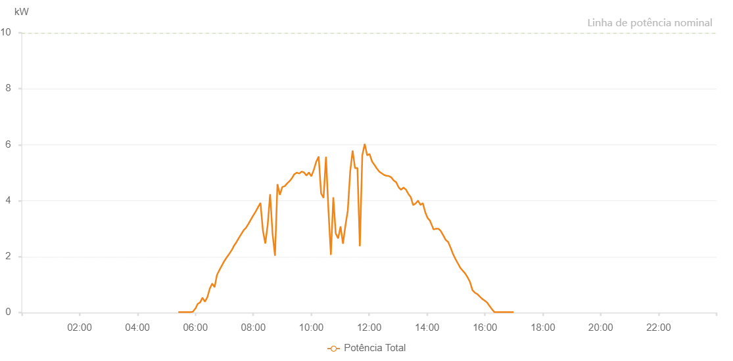

Number | Time | Working State | Alarm Code | Total Inverter Power(W)
1 | 07/05/2023 05:24:36 (UTC-4:00) | Normal |  | 20.000
2 | 07/05/2023 05:29:36 (UTC-4:00) | Normal |  | 20.000
3 | 07/05/2023 05:34:36 (UTC-4:00) | Normal |  | 20.000
4 | 07/05/2023 05:39:38 (UTC-4:00) | Normal |  | 20.000
5 | 07/05/2023 05:44:42 (UTC-4:00) | Normal |  | 20.000
6 | 07/05/2023 05:49:42 (UTC-4:00) | Normal |  | 20.000
7 | 07/05/2023 05:54:42 (UTC-4:00) | Normal |  | 30.000
8 | 07/05/2023 05:59:42 (UTC-4:00) | Normal |  | 140.000
9 | 07/05/2023 06:00:06 (UTC-4:00) | Normal |  | 140.000
10 | 07/05/2023 06:04:42 (UTC-4:00) | Normal |  | 310.000
11 | 07/05/2023 06:09:42 (UTC-4:00) | Normal |  | 360.000
12 | 07/05/2023 06:14:43 (UTC-4:00) | Normal |  | 530.000
13 | 07/05/2023 06:19:43 (UTC-4:00) | Normal |  | 390.000
14 | 07/05/2023 06:24:42 (UTC-4:00) | Normal |  | 540.000
15 | 07/05/2023 06:29:45 (UTC-4:00) | Normal |  | 850.000
16 | 07/05/2023 06:34:49 (UTC-4:00) | Normal |  | 1040.000
17 | 07/05/2023 06:39:49 (UTC-4:00) | Normal |  | 910.000
18 | 07/05/2023 06:44:48 (UTC-4:00) | Normal |  | 1350.000
19 | 07/05/2023 06:49:48 (UTC-4:00) | Normal |  | 1520.000
20 | 07/05/2023 06:54:48 (UTC-4:00) | Normal |  | 1680.000
21 | 07/05/2023 06:59:48 (UTC-4:00) | Normal |  | 1840.000
22 | 07/05/2023 07:04:48 (UTC-4:00) | Normal |  | 1970.000
23 | 07/05/2023 07:09:48 (UTC-4:00) | Normal |  | 2090.000
24 | 07/05/2023 07:14:47 (UTC-4:00) | Normal |  | 2220.000
25 | 07/05/2023 07:14:58 (UTC-4:00) | Normal |  | 2220.000
26 | 07/05/2023 07:19:47 (UTC-4:00) | Normal |  | 2380.000
27 | 07/05/2023 07:24:47 (UTC-4:00) | Normal |  | 2510.000
28 | 07/05/2023 07:29:47 (UTC-4:00) | Normal |  | 2660.000
29 | 07/05/2023 07:34:51 (UTC-4:00) | Normal |  | 2800.000
30 | 07/05/2023 07:39:54 (UTC-4:00) | Normal |  | 2940.000
31 | 07/05/2023 07:44:54 (UTC-4:00) | Normal |  | 3030.000
32 | 07/05/2023 07:49:54 (UTC-4:00) | Normal |  | 3170.000
33 | 07/05/2023 07:54:54 (UTC-4:00) | Normal |  | 3320.000
34 | 07/05/2023 07:59:54 (UTC-4:00) | Normal |  | 3470.000
35 | 07/05/2023 08:04:53 (UTC-4:00) | Normal |  | 3610.000
36 | 07/05/2023 08:09:53 (UTC-4:00) | Normal |  | 3770.000
37 | 07/05/2023 08:14:53 (UTC-4:00) | Normal |  | 3920.000
38 | 07/05/2023 08:19:54 (UTC-4:00) | Normal |  | 2940.000
39 | 07/05/2023 08:24:52 (UTC-4:00) | Normal |  | 2470.000
40 | 07/05/2023 08:29:52 (UTC-4:00) | Normal |  | 3140.000
41 | 07/05/2023 08:34:52 (UTC-4:00) | Normal |  | 4230.000
42 | 07/05/2023 08:39:55 (UTC-4:00) | Normal |  | 2820.000
43 | 07/05/2023 08:44:59 (UTC-4:00) | Normal |  | 2030.000
44 | 07/05/2023 08:50:04 (UTC-4:00) | Normal |  | 4590.000
45 | 07/05/2023 08:55:06 (UTC-4:00) | Normal |  | 4210.000
46 | 07/05/2023 09:00:10 (UTC-4:00) | Normal |  | 4490.000
47 | 07/05/2023 09:05:14 (UTC-4:00) | Normal |  | 4520.000
48 | 07/05/2023 09:10:14 (UTC-4:00) | Normal |  | 4620.000
49 | 07/05/2023 09:15:13 (UTC-4:00) | Normal |  | 4700.000
50 | 07/05/2023 09:20:13 (UTC-4:00) | Normal |  | 4810.000
51 | 07/05/2023 09:25:14 (UTC-4:00) | Normal |  | 4950.000
52 | 07/05/2023 09:25:29 (UTC-4:00) | Normal |  | 4950.000
53 | 07/05/2023 09:30:15 (UTC-4:00) | Normal |  | 5000.000
54 | 07/05/2023 09:35:13 (UTC-4:00) | Normal |  | 4970.000
55 | 07/05/2023 09:40:12 (UTC-4:00) | Normal |  | 5040.000
56 | 07/05/2023 09:45:12 (UTC-4:00) | Normal |  | 5010.000
57 | 07/05/2023 09:50:13 (UTC-4:00) | Normal |  | 4900.000
58 | 07/05/2023 09:55:16 (UTC-4:00) | Normal |  | 5010.000
59 | 07/05/2023 10:00:18 (UTC-4:00) | Normal |  | 4870.000
60 | 07/05/2023 10:05:20 (UTC-4:00) | Normal |  | 5100.000
61 | 07/05/2023 10:10:23 (UTC-4:00) | Normal |  | 5390.000
62 | 07/05/2023 10:15:27 (UTC-4:00) | Normal |  | 5580.000
63 | 07/05/2023 10:20:31 (UTC-4:00) | Normal |  | 4260.000
64 | 07/05/2023 10:25:35 (UTC-4:00) | Normal |  | 4100.000
65 | 07/05/2023 10:30:39 (UTC-4:00) | Normal |  | 5570.000
66 | 07/05/2023 10:35:43 (UTC-4:00) | Normal |  | 3670.000
67 | 07/05/2023 10:40:47 (UTC-4:00) | Normal |  | 2060.000
68 | 07/05/2023 10:45:50 (UTC-4:00) | Normal |  | 4120.000
69 | 07/05/2023 10:50:50 (UTC-4:00) | Normal |  | 2830.000
70 | 07/05/2023 10:55:50 (UTC-4:00) | Normal |  | 2650.000
71 | 07/05/2023 11:00:50 (UTC-4:00) | Normal |  | 3080.000
72 | 07/05/2023 11:05:50 (UTC-4:00) | Normal |  | 2460.000
73 | 07/05/2023 11:10:50 (UTC-4:00) | Normal |  | 3100.000
74 | 07/05/2023 11:15:50 (UTC-4:00) | Normal |  | 3650.000
75 | 07/05/2023 11:20:49 (UTC-4:00) | Normal |  | 5040.000
76 | 07/05/2023 11:25:49 (UTC-4:00) | Normal |  | 5790.000
77 | 07/05/2023 11:30:49 (UTC-4:00) | Normal |  | 5160.000
78 | 07/05/2023 11:35:49 (UTC-4:00) | Normal |  | 5170.000
79 | 07/05/2023 11:40:49 (UTC-4:00) | Normal |  | 2370.000
80 | 07/05/2023 11:45:52 (UTC-4:00) | Normal |  | 5620.000
81 | 07/05/2023 11:50:55 (UTC-4:00) | Normal |  | 6030.000
82 | 07/05/2023 11:55:59 (UTC-4:00) | Normal |  | 5620.000
83 | 07/05/2023 12:01:03 (UTC-4:00) | Normal |  | 5670.000
84 | 07/05/2023 12:06:03 (UTC-4:00) | Normal |  | 5400.000
85 | 07/05/2023 12:11:03 (UTC-4:00) | Normal |  | 5280.000
86 | 07/05/2023 12:16:03 (UTC-4:00) | Normal |  | 5150.000
87 | 07/05/2023 12:21:03 (UTC-4:00) | Normal |  | 5040.000
88 | 07/05/2023 12:26:03 (UTC-4:00) | Normal |  | 4980.000
89 | 07/05/2023 12:31:03 (UTC-4:00) | Normal |  | 4920.000
90 | 07/05/2023 12:36:02 (UTC-4:00) | Normal |  | 4890.000
91 | 07/05/2023 12:41:02 (UTC-4:00) | Normal |  | 4880.000
92 | 07/05/2023 12:46:02 (UTC-4:00) | Normal |  | 4830.000
93 | 07/05/2023 12:51:02 (UTC-4:00) | Normal |  | 4720.000
94 | 07/05/2023 12:56:03 (UTC-4:00) | Normal |  | 4660.000
95 | 07/05/2023 13:01:08 (UTC-4:00) | Normal |  | 4480.000
96 | 07/05/2023 13:06:08 (UTC-4:00) | Normal |  | 4390.000
97 | 07/05/2023 13:11:11 (UTC-4:00) | Normal |  | 4470.000
98 | 07/05/2023 13:16:15 (UTC-4:00) | Normal |  | 4400.000
99 | 07/05/2023 13:21:19 (UTC-4:00) | Normal |  | 4240.000
100 | 07/05/2023 13:26:18 (UTC-4:00) | Normal |  | 4130.000
101 | 07/05/2023 13:31:18 (UTC-4:00) | Normal |  | 3840.000
102 | 07/05/2023 13:36:18 (UTC-4:00) | Normal |  | 3900.000
103 | 07/05/2023 13:41:18 (UTC-4:00) | Normal |  | 4000.000
104 | 07/05/2023 13:41:29 (UTC-4:00) | Normal |  | 4000.000
105 | 07/05/2023 13:46:18 (UTC-4:00) | Normal |  | 3850.000
106 | 07/05/2023 13:51:18 (UTC-4:00) | Normal |  | 3910.000
107 | 07/05/2023 13:56:17 (UTC-4:00) | Normal |  | 3590.000
108 | 07/05/2023 14:01:17 (UTC-4:00) | Normal |  | 3380.000
109 | 07/05/2023 14:06:17 (UTC-4:00) | Normal |  | 3280.000
110 | 07/05/2023 14:11:17 (UTC-4:00) | Normal |  | 3070.000
111 | 07/05/2023 14:13:26 (UTC-4:00) | Normal |  | 2970.000
112 | 07/05/2023 14:18:42 (UTC-4:00) | Normal |  | 3000.000
113 | 07/05/2023 14:23:41 (UTC-4:00) | Normal |  | 3000.000
114 | 07/05/2023 14:28:41 (UTC-4:00) | Normal |  | 2910.000
115 | 07/05/2023 14:33:40 (UTC-4:00) | Normal |  | 2760.000
116 | 07/05/2023 14:38:40 (UTC-4:00) | Normal |  | 2600.000
117 | 07/05/2023 14:43:39 (UTC-4:00) | Normal |  | 2530.000
118 | 07/05/2023 14:48:41 (UTC-4:00) | Normal |  | 2330.000
119 | 07/05/2023 14:53:44 (UTC-4:00) | Normal |  | 2100.000
120 | 07/05/2023 14:58:48 (UTC-4:00) | Normal |  | 1920.000
121 | 07/05/2023 15:03:51 (UTC-4:00) | Normal |  | 1760.000
122 | 07/05/2023 15:04:02 (UTC-4:00) | Normal |  | 1760.000
123 | 07/05/2023 15:08:59 (UTC-4:00) | Normal |  | 1600.000
124 | 07/05/2023 15:13:59 (UTC-4:00) | Normal |  | 1500.000
125 | 07/05/2023 15:19:02 (UTC-4:00) | Normal |  | 1400.000
126 | 07/05/2023 15:24:07 (UTC-4:00) | Normal |  | 1260.000
127 | 07/05/2023 15:29:09 (UTC-4:00) | Normal |  | 1090.000
128 | 07/05/2023 15:34:12 (UTC-4:00) | Normal |  | 800.000
129 | 07/05/2023 15:39:16 (UTC-4:00) | Normal |  | 710.000
130 | 07/05/2023 15:44:20 (UTC-4:00) | Normal |  | 660.000
131 | 07/05/2023 15:49:23 (UTC-4:00) | Normal |  | 570.000
132 | 07/05/2023 15:54:26 (UTC-4:00) | Normal |  | 490.000
133 | 07/05/2023 15:59:30 (UTC-4:00) | Normal |  | 430.000
134 | 07/05/2023 16:04:29 (UTC-4:00) | Normal |  | 360.000
135 | 07/05/2023 16:09:29 (UTC-4:00) | Normal |  | 240.000
136 | 07/05/2023 16:14:28 (UTC-4:00) | Normal |  | 120.000
137 | 07/05/2023 16:19:27 (UTC-4:00) | Normal |  | 20.000
138 | 07/05/2023 16:24:30 (UTC-4:00) | Normal |  | 20.000
139 | 07/05/2023 16:29:27 (UTC-4:00) | Normal |  | 20.000
140 | 07/05/2023 16:34:28 (UTC-4:00) | Normal |  | 20.000
141 | 07/05/2023 16:39:26 (UTC-4:00) | Normal |  | 20.000
142 | 07/05/2023 16:44:26 (UTC-4:00) | Normal |  | 20.000
143 | 07/05/2023 16:49:25 (UTC-4:00) | Normal |  | 20.000
144 | 07/05/2023 16:54:25 (UTC-4:00) | Normal |  | 20.000
145 | 07/05/2023 16:59:28 (UTC-4:00) | Normal |  | 20.000

