Inverter History Report__17-08-
Inverter History Report_13/05/2023_Report

Inverter SN:054B7020C020041 |  | Inverter type:B7
Collector SN:4045966636 |  | Full Load Hours(h):3.40
Rated Power:10000Wp

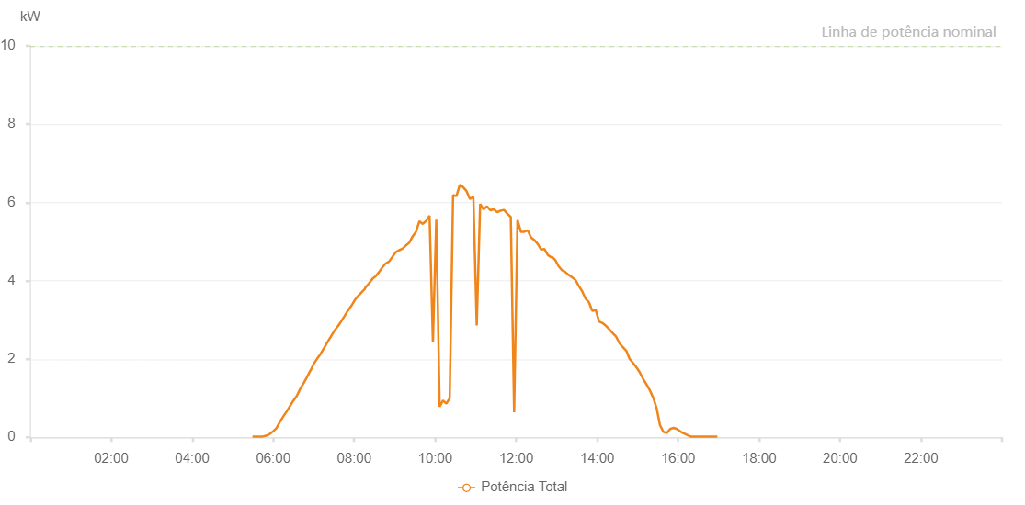

Number | Time | Working State | Alarm Code | Total Inverter Power(W)
1 | 13/05/2023 05:29:18 (UTC-4:00) | Normal |  | 20.000
2 | 13/05/2023 05:34:18 (UTC-4:00) | Normal |  | 20.000
3 | 13/05/2023 05:39:22 (UTC-4:00) | Normal |  | 20.000
4 | 13/05/2023 05:44:26 (UTC-4:00) | Normal |  | 20.000
5 | 13/05/2023 05:49:30 (UTC-4:00) | Normal |  | 40.000
6 | 13/05/2023 05:54:34 (UTC-4:00) | Normal |  | 80.000
7 | 13/05/2023 05:59:39 (UTC-4:00) | Normal |  | 150.000
8 | 13/05/2023 06:04:44 (UTC-4:00) | Normal |  | 230.000
9 | 13/05/2023 06:09:47 (UTC-4:00) | Normal |  | 390.000
10 | 13/05/2023 06:14:51 (UTC-4:00) | Normal |  | 530.000
11 | 13/05/2023 06:19:57 (UTC-4:00) | Normal |  | 660.000
12 | 13/05/2023 06:25:00 (UTC-4:00) | Normal |  | 800.000
13 | 13/05/2023 06:30:04 (UTC-4:00) | Normal |  | 940.000
14 | 13/05/2023 06:35:04 (UTC-4:00) | Normal |  | 1060.000
15 | 13/05/2023 06:40:07 (UTC-4:00) | Normal |  | 1240.000
16 | 13/05/2023 06:45:36 (UTC-4:00) | Normal |  | 1400.000
17 | 13/05/2023 06:50:05 (UTC-4:00) | Normal |  | 1540.000
18 | 13/05/2023 06:55:13 (UTC-4:00) | Normal |  | 1710.000
19 | 13/05/2023 06:55:30 (UTC-4:00) | Normal |  | 1710.000
20 | 13/05/2023 07:00:13 (UTC-4:00) | Normal |  | 1880.000
21 | 13/05/2023 07:05:09 (UTC-4:00) | Normal |  | 2010.000
22 | 13/05/2023 07:10:13 (UTC-4:00) | Normal |  | 2130.000
23 | 13/05/2023 07:15:17 (UTC-4:00) | Normal |  | 2280.000
24 | 13/05/2023 07:20:22 (UTC-4:00) | Normal |  | 2430.000
25 | 13/05/2023 07:25:26 (UTC-4:00) | Normal |  | 2570.000
26 | 13/05/2023 07:30:31 (UTC-4:00) | Normal |  | 2720.000
27 | 13/05/2023 07:36:23 (UTC-4:00) | Normal |  | 2850.000
28 | 13/05/2023 07:40:38 (UTC-4:00) | Normal |  | 2960.000
29 | 13/05/2023 07:45:46 (UTC-4:00) | Normal |  | 3100.000
30 | 13/05/2023 07:50:44 (UTC-4:00) | Normal |  | 3240.000
31 | 13/05/2023 07:55:49 (UTC-4:00) | Normal |  | 3360.000
32 | 13/05/2023 07:55:50 (UTC-4:00) | Normal |  | 3360.000
33 | 13/05/2023 08:00:42 (UTC-4:00) | Normal |  | 3500.000
34 | 13/05/2023 08:05:45 (UTC-4:00) | Normal |  | 3610.000
35 | 13/05/2023 08:10:40 (UTC-4:00) | Normal |  | 3700.000
36 | 13/05/2023 08:15:52 (UTC-4:00) | Normal |  | 3790.000
37 | 13/05/2023 08:16:27 (UTC-4:00) | Normal |  | 3820.000
38 | 13/05/2023 08:21:46 (UTC-4:00) | Normal |  | 3930.000
39 | 13/05/2023 08:27:33 (UTC-4:00) | Normal |  | 4060.000
40 | 13/05/2023 08:31:45 (UTC-4:00) | Normal |  | 4110.000
41 | 13/05/2023 08:36:43 (UTC-4:00) | Normal |  | 4220.000
42 | 13/05/2023 08:41:42 (UTC-4:00) | Normal |  | 4340.000
43 | 13/05/2023 08:46:40 (UTC-4:00) | Normal |  | 4440.000
44 | 13/05/2023 08:51:39 (UTC-4:00) | Normal |  | 4490.000
45 | 13/05/2023 08:56:40 (UTC-4:00) | Normal |  | 4610.000
46 | 13/05/2023 09:01:39 (UTC-4:00) | Normal |  | 4730.000
47 | 13/05/2023 09:06:37 (UTC-4:00) | Normal |  | 4780.000
48 | 13/05/2023 09:11:36 (UTC-4:00) | Normal |  | 4820.000
49 | 13/05/2023 09:16:34 (UTC-4:00) | Normal |  | 4900.000
50 | 13/05/2023 09:21:33 (UTC-4:00) | Normal |  | 4970.000
51 | 13/05/2023 09:26:33 (UTC-4:00) | Normal |  | 5130.000
52 | 13/05/2023 09:31:35 (UTC-4:00) | Normal |  | 5250.000
53 | 13/05/2023 09:36:38 (UTC-4:00) | Normal |  | 5520.000
54 | 13/05/2023 09:41:40 (UTC-4:00) | Normal |  | 5450.000
55 | 13/05/2023 09:46:43 (UTC-4:00) | Normal |  | 5530.000
56 | 13/05/2023 09:51:41 (UTC-4:00) | Normal |  | 5660.000
57 | 13/05/2023 09:56:40 (UTC-4:00) | Normal |  | 2430.000
58 | 13/05/2023 10:01:39 (UTC-4:00) | Normal |  | 5560.000
59 | 13/05/2023 10:06:37 (UTC-4:00) | Normal |  | 780.000
60 | 13/05/2023 10:11:36 (UTC-4:00) | Normal |  | 940.000
61 | 13/05/2023 10:16:35 (UTC-4:00) | Normal |  | 860.000
62 | 13/05/2023 10:21:33 (UTC-4:00) | Normal |  | 1000.000
63 | 13/05/2023 10:26:32 (UTC-4:00) | Normal |  | 6190.000
64 | 13/05/2023 10:31:31 (UTC-4:00) | Normal |  | 6160.000
65 | 13/05/2023 10:36:29 (UTC-4:00) | Normal |  | 6450.000
66 | 13/05/2023 10:41:29 (UTC-4:00) | Normal |  | 6390.000
67 | 13/05/2023 10:46:30 (UTC-4:00) | Normal |  | 6290.000
68 | 13/05/2023 10:51:32 (UTC-4:00) | Normal |  | 6090.000
69 | 13/05/2023 10:56:35 (UTC-4:00) | Normal |  | 6140.000
70 | 13/05/2023 11:01:37 (UTC-4:00) | Normal |  | 2860.000
71 | 13/05/2023 11:06:40 (UTC-4:00) | Normal |  | 5960.000
72 | 13/05/2023 11:11:43 (UTC-4:00) | Normal |  | 5820.000
73 | 13/05/2023 11:16:45 (UTC-4:00) | Normal |  | 5900.000
74 | 13/05/2023 11:21:48 (UTC-4:00) | Normal |  | 5800.000
75 | 13/05/2023 11:21:59 (UTC-4:00) | Normal |  | 5800.000
76 | 13/05/2023 11:26:54 (UTC-4:00) | Normal |  | 5830.000
77 | 13/05/2023 11:31:55 (UTC-4:00) | Normal |  | 5750.000
78 | 13/05/2023 11:36:57 (UTC-4:00) | Normal |  | 5790.000
79 | 13/05/2023 11:41:59 (UTC-4:00) | Normal |  | 5810.000
80 | 13/05/2023 11:47:01 (UTC-4:00) | Normal |  | 5710.000
81 | 13/05/2023 11:52:04 (UTC-4:00) | Normal |  | 5630.000
82 | 13/05/2023 11:57:02 (UTC-4:00) | Normal |  | 640.000
83 | 13/05/2023 12:02:01 (UTC-4:00) | Normal |  | 5550.000
84 | 13/05/2023 12:07:00 (UTC-4:00) | Normal |  | 5250.000
85 | 13/05/2023 12:11:59 (UTC-4:00) | Normal |  | 5250.000
86 | 13/05/2023 12:16:57 (UTC-4:00) | Normal |  | 5290.000
87 | 13/05/2023 12:21:56 (UTC-4:00) | Normal |  | 5110.000
88 | 13/05/2023 12:26:54 (UTC-4:00) | Normal |  | 5040.000
89 | 13/05/2023 12:31:53 (UTC-4:00) | Normal |  | 4940.000
90 | 13/05/2023 12:36:52 (UTC-4:00) | Normal |  | 4800.000
91 | 13/05/2023 12:41:50 (UTC-4:00) | Normal |  | 4810.000
92 | 13/05/2023 12:46:49 (UTC-4:00) | Normal |  | 4660.000
93 | 13/05/2023 12:51:50 (UTC-4:00) | Normal |  | 4600.000
94 | 13/05/2023 12:52:11 (UTC-4:00) | Normal |  | 4600.000
95 | 13/05/2023 12:52:37 (UTC-4:00) | Normal |  | 4620.000
96 | 13/05/2023 12:57:58 (UTC-4:00) | Normal |  | 4530.000
97 | 13/05/2023 13:02:57 (UTC-4:00) | Normal |  | 4370.000
98 | 13/05/2023 13:07:56 (UTC-4:00) | Normal |  | 4270.000
99 | 13/05/2023 13:12:54 (UTC-4:00) | Normal |  | 4220.000
100 | 13/05/2023 13:17:53 (UTC-4:00) | Normal |  | 4150.000
101 | 13/05/2023 13:22:52 (UTC-4:00) | Normal |  | 4090.000
102 | 13/05/2023 13:27:51 (UTC-4:00) | Normal |  | 4020.000
103 | 13/05/2023 13:32:51 (UTC-4:00) | Normal |  | 3870.000
104 | 13/05/2023 13:37:51 (UTC-4:00) | Normal |  | 3730.000
105 | 13/05/2023 13:42:52 (UTC-4:00) | Normal |  | 3540.000
106 | 13/05/2023 13:47:52 (UTC-4:00) | Normal |  | 3450.000
107 | 13/05/2023 13:52:52 (UTC-4:00) | Normal |  | 3230.000
108 | 13/05/2023 13:57:54 (UTC-4:00) | Normal |  | 3250.000
109 | 13/05/2023 14:02:57 (UTC-4:00) | Normal |  | 2960.000
110 | 13/05/2023 14:08:00 (UTC-4:00) | Normal |  | 2920.000
111 | 13/05/2023 14:13:03 (UTC-4:00) | Normal |  | 2850.000
112 | 13/05/2023 14:18:06 (UTC-4:00) | Normal |  | 2760.000
113 | 13/05/2023 14:23:09 (UTC-4:00) | Normal |  | 2660.000
114 | 13/05/2023 14:28:12 (UTC-4:00) | Normal |  | 2570.000
115 | 13/05/2023 14:33:15 (UTC-4:00) | Normal |  | 2400.000
116 | 13/05/2023 14:38:17 (UTC-4:00) | Normal |  | 2300.000
117 | 13/05/2023 14:43:16 (UTC-4:00) | Normal |  | 2210.000
118 | 13/05/2023 14:48:15 (UTC-4:00) | Normal |  | 2000.000
119 | 13/05/2023 14:53:14 (UTC-4:00) | Normal |  | 1900.000
120 | 13/05/2023 14:58:13 (UTC-4:00) | Normal |  | 1790.000
121 | 13/05/2023 15:03:12 (UTC-4:00) | Normal |  | 1660.000
122 | 13/05/2023 15:08:11 (UTC-4:00) | Normal |  | 1490.000
123 | 13/05/2023 15:13:10 (UTC-4:00) | Normal |  | 1350.000
124 | 13/05/2023 15:18:08 (UTC-4:00) | Normal |  | 1200.000
125 | 13/05/2023 15:23:08 (UTC-4:00) | Normal |  | 1010.000
126 | 13/05/2023 15:28:06 (UTC-4:00) | Normal |  | 750.000
127 | 13/05/2023 15:33:09 (UTC-4:00) | Normal |  | 310.000
128 | 13/05/2023 15:38:07 (UTC-4:00) | Normal |  | 140.000
129 | 13/05/2023 15:43:10 (UTC-4:00) | Normal |  | 110.000
130 | 13/05/2023 15:48:14 (UTC-4:00) | Normal |  | 210.000
131 | 13/05/2023 15:53:16 (UTC-4:00) | Normal |  | 240.000
132 | 13/05/2023 15:58:15 (UTC-4:00) | Normal |  | 210.000
133 | 13/05/2023 16:03:15 (UTC-4:00) | Normal |  | 150.000
134 | 13/05/2023 16:08:12 (UTC-4:00) | Normal |  | 100.000
135 | 13/05/2023 16:13:16 (UTC-4:00) | Normal |  | 60.000
136 | 13/05/2023 16:18:12 (UTC-4:00) | Normal |  | 20.000
137 | 13/05/2023 16:23:10 (UTC-4:00) | Normal |  | 20.000
138 | 13/05/2023 16:28:08 (UTC-4:00) | Normal |  | 20.000
139 | 13/05/2023 16:33:07 (UTC-4:00) | Normal |  | 20.000
140 | 13/05/2023 16:38:06 (UTC-4:00) | Normal |  | 20.000
141 | 13/05/2023 16:43:05 (UTC-4:00) | Normal |  | 20.000
142 | 13/05/2023 16:48:04 (UTC-4:00) | Normal |  | 20.000
143 | 13/05/2023 16:53:06 (UTC-4:00) | Normal |  | 20.000
144 | 13/05/2023 16:58:10 (UTC-4:00) | Normal |  | 20.000

