Inverter History Report__17-08-
Inverter History Report_14/05/2023_Report

Inverter SN:054B7020C020041 |  | Inverter type:B7
Collector SN:4045966636 |  | Full Load Hours(h):3.50
Rated Power:10000Wp

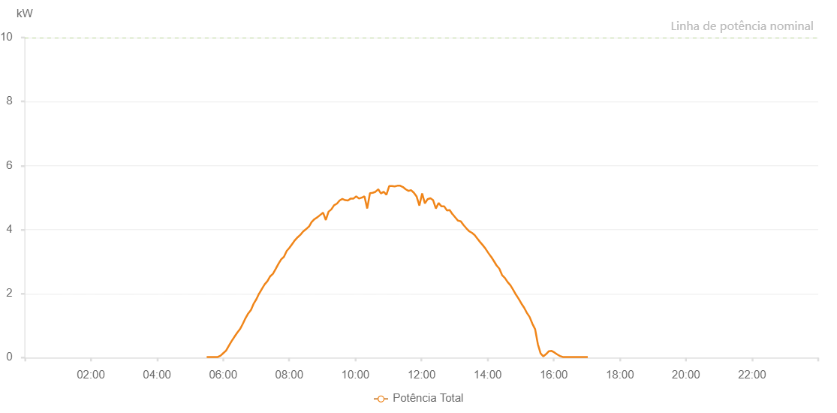

Number | Time | Working State | Alarm Code | Total Inverter Power(W)
1 | 14/05/2023 05:30:14 (UTC-4:00) | Normal |  | 20.000
2 | 14/05/2023 05:35:14 (UTC-4:00) | Normal |  | 20.000
3 | 14/05/2023 05:40:14 (UTC-4:00) | Normal |  | 20.000
4 | 14/05/2023 05:45:16 (UTC-4:00) | Normal |  | 20.000
5 | 14/05/2023 05:50:20 (UTC-4:00) | Normal |  | 20.000
6 | 14/05/2023 05:55:22 (UTC-4:00) | Normal |  | 60.000
7 | 14/05/2023 06:00:25 (UTC-4:00) | Normal |  | 140.000
8 | 14/05/2023 06:05:28 (UTC-4:00) | Normal |  | 220.000
9 | 14/05/2023 06:10:31 (UTC-4:00) | Normal |  | 370.000
10 | 14/05/2023 06:15:34 (UTC-4:00) | Normal |  | 520.000
11 | 14/05/2023 06:20:37 (UTC-4:00) | Normal |  | 650.000
12 | 14/05/2023 06:25:40 (UTC-4:00) | Normal |  | 780.000
13 | 14/05/2023 06:30:39 (UTC-4:00) | Normal |  | 890.000
14 | 14/05/2023 06:35:38 (UTC-4:00) | Normal |  | 1050.000
15 | 14/05/2023 06:40:37 (UTC-4:00) | Normal |  | 1230.000
16 | 14/05/2023 06:45:36 (UTC-4:00) | Normal |  | 1380.000
17 | 14/05/2023 06:50:35 (UTC-4:00) | Normal |  | 1490.000
18 | 14/05/2023 06:55:34 (UTC-4:00) | Normal |  | 1690.000
19 | 14/05/2023 06:55:44 (UTC-4:00) | Normal |  | 1690.000
20 | 14/05/2023 07:00:33 (UTC-4:00) | Normal |  | 1830.000
21 | 14/05/2023 07:05:32 (UTC-4:00) | Normal |  | 2010.000
22 | 14/05/2023 07:05:47 (UTC-4:00) | Normal |  | 2010.000
23 | 14/05/2023 07:10:30 (UTC-4:00) | Normal |  | 2150.000
24 | 14/05/2023 07:15:29 (UTC-4:00) | Normal |  | 2290.000
25 | 14/05/2023 07:20:28 (UTC-4:00) | Normal |  | 2390.000
26 | 14/05/2023 07:25:29 (UTC-4:00) | Normal |  | 2540.000
27 | 14/05/2023 07:30:28 (UTC-4:00) | Normal |  | 2620.000
28 | 14/05/2023 07:35:27 (UTC-4:00) | Normal |  | 2770.000
29 | 14/05/2023 07:40:26 (UTC-4:00) | Normal |  | 2930.000
30 | 14/05/2023 07:45:25 (UTC-4:00) | Normal |  | 3070.000
31 | 14/05/2023 07:50:24 (UTC-4:00) | Normal |  | 3150.000
32 | 14/05/2023 07:55:24 (UTC-4:00) | Normal |  | 3330.000
33 | 14/05/2023 08:00:22 (UTC-4:00) | Normal |  | 3430.000
34 | 14/05/2023 08:05:22 (UTC-4:00) | Normal |  | 3550.000
35 | 14/05/2023 08:10:24 (UTC-4:00) | Normal |  | 3670.000
36 | 14/05/2023 08:15:20 (UTC-4:00) | Normal |  | 3760.000
37 | 14/05/2023 08:20:19 (UTC-4:00) | Normal |  | 3840.000
38 | 14/05/2023 08:25:20 (UTC-4:00) | Normal |  | 3940.000
39 | 14/05/2023 08:30:22 (UTC-4:00) | Normal |  | 4010.000
40 | 14/05/2023 08:35:25 (UTC-4:00) | Normal |  | 4090.000
41 | 14/05/2023 08:35:50 (UTC-4:00) | Normal |  | 4090.000
42 | 14/05/2023 08:40:28 (UTC-4:00) | Normal |  | 4230.000
43 | 14/05/2023 08:44:41 (UTC-4:00) | Normal |  | 4310.000
44 | 14/05/2023 08:46:08 (UTC-4:00) | Normal |  | 4330.000
45 | 14/05/2023 08:51:29 (UTC-4:00) | Normal |  | 4390.000
46 | 14/05/2023 08:56:28 (UTC-4:00) | Normal |  | 4460.000
47 | 14/05/2023 09:01:27 (UTC-4:00) | Normal |  | 4530.000
48 | 14/05/2023 09:06:25 (UTC-4:00) | Normal |  | 4300.000
49 | 14/05/2023 09:11:24 (UTC-4:00) | Normal |  | 4560.000
50 | 14/05/2023 09:16:23 (UTC-4:00) | Normal |  | 4630.000
51 | 14/05/2023 09:21:22 (UTC-4:00) | Normal |  | 4760.000
52 | 14/05/2023 09:26:22 (UTC-4:00) | Normal |  | 4810.000
53 | 14/05/2023 09:26:33 (UTC-4:00) | Normal |  | 4810.000
54 | 14/05/2023 09:31:23 (UTC-4:00) | Normal |  | 4910.000
55 | 14/05/2023 09:36:26 (UTC-4:00) | Normal |  | 4960.000
56 | 14/05/2023 09:41:29 (UTC-4:00) | Normal |  | 4920.000
57 | 14/05/2023 09:46:32 (UTC-4:00) | Normal |  | 4910.000
58 | 14/05/2023 09:51:35 (UTC-4:00) | Normal |  | 4970.000
59 | 14/05/2023 09:56:37 (UTC-4:00) | Normal |  | 4970.000
60 | 14/05/2023 10:01:36 (UTC-4:00) | Normal |  | 5040.000
61 | 14/05/2023 10:06:35 (UTC-4:00) | Normal |  | 4970.000
62 | 14/05/2023 10:11:34 (UTC-4:00) | Normal |  | 5000.000
63 | 14/05/2023 10:11:58 (UTC-4:00) | Normal |  | 5000.000
64 | 14/05/2023 10:16:33 (UTC-4:00) | Normal |  | 5040.000
65 | 14/05/2023 10:21:31 (UTC-4:00) | Normal |  | 4660.000
66 | 14/05/2023 10:26:30 (UTC-4:00) | Normal |  | 5140.000
67 | 14/05/2023 10:31:29 (UTC-4:00) | Normal |  | 5150.000
68 | 14/05/2023 10:36:28 (UTC-4:00) | Normal |  | 5180.000
69 | 14/05/2023 10:41:29 (UTC-4:00) | Normal |  | 5260.000
70 | 14/05/2023 10:46:26 (UTC-4:00) | Normal |  | 5130.000
71 | 14/05/2023 10:51:26 (UTC-4:00) | Normal |  | 5180.000
72 | 14/05/2023 10:56:23 (UTC-4:00) | Normal |  | 5090.000
73 | 14/05/2023 11:01:25 (UTC-4:00) | Normal |  | 5360.000
74 | 14/05/2023 11:06:23 (UTC-4:00) | Normal |  | 5360.000
75 | 14/05/2023 11:11:21 (UTC-4:00) | Normal |  | 5350.000
76 | 14/05/2023 11:16:22 (UTC-4:00) | Normal |  | 5370.000
77 | 14/05/2023 11:21:21 (UTC-4:00) | Normal |  | 5370.000
78 | 14/05/2023 11:26:18 (UTC-4:00) | Normal |  | 5330.000
79 | 14/05/2023 11:31:16 (UTC-4:00) | Normal |  | 5260.000
80 | 14/05/2023 11:36:15 (UTC-4:00) | Normal |  | 5210.000
81 | 14/05/2023 11:41:18 (UTC-4:00) | Normal |  | 5230.000
82 | 14/05/2023 11:46:16 (UTC-4:00) | Normal |  | 5150.000
83 | 14/05/2023 11:51:15 (UTC-4:00) | Normal |  | 5030.000
84 | 14/05/2023 11:56:15 (UTC-4:00) | Normal |  | 4750.000
85 | 14/05/2023 12:01:14 (UTC-4:00) | Normal |  | 5130.000
86 | 14/05/2023 12:06:11 (UTC-4:00) | Normal |  | 4820.000
87 | 14/05/2023 12:11:10 (UTC-4:00) | Normal |  | 4950.000
88 | 14/05/2023 12:16:11 (UTC-4:00) | Normal |  | 4980.000
89 | 14/05/2023 12:21:08 (UTC-4:00) | Normal |  | 4920.000
90 | 14/05/2023 12:26:07 (UTC-4:00) | Normal |  | 4660.000
91 | 14/05/2023 12:31:05 (UTC-4:00) | Normal |  | 4830.000
92 | 14/05/2023 12:36:04 (UTC-4:00) | Normal |  | 4730.000
93 | 14/05/2023 12:41:05 (UTC-4:00) | Normal |  | 4730.000
94 | 14/05/2023 12:46:07 (UTC-4:00) | Normal |  | 4600.000
95 | 14/05/2023 12:51:10 (UTC-4:00) | Normal |  | 4610.000
96 | 14/05/2023 12:56:13 (UTC-4:00) | Normal |  | 4480.000
97 | 14/05/2023 12:56:28 (UTC-4:00) | Normal |  | 4480.000
98 | 14/05/2023 13:01:16 (UTC-4:00) | Normal |  | 4380.000
99 | 14/05/2023 13:06:18 (UTC-4:00) | Normal |  | 4280.000
100 | 14/05/2023 13:11:21 (UTC-4:00) | Normal |  | 4260.000
101 | 14/05/2023 13:16:24 (UTC-4:00) | Normal |  | 4140.000
102 | 14/05/2023 13:21:26 (UTC-4:00) | Normal |  | 4040.000
103 | 14/05/2023 13:26:29 (UTC-4:00) | Normal |  | 3950.000
104 | 14/05/2023 13:31:28 (UTC-4:00) | Normal |  | 3900.000
105 | 14/05/2023 13:36:27 (UTC-4:00) | Normal |  | 3830.000
106 | 14/05/2023 13:41:25 (UTC-4:00) | Normal |  | 3720.000
107 | 14/05/2023 13:46:24 (UTC-4:00) | Normal |  | 3610.000
108 | 14/05/2023 13:51:23 (UTC-4:00) | Normal |  | 3510.000
109 | 14/05/2023 13:56:21 (UTC-4:00) | Normal |  | 3400.000
110 | 14/05/2023 14:01:20 (UTC-4:00) | Normal |  | 3270.000
111 | 14/05/2023 14:06:19 (UTC-4:00) | Normal |  | 3150.000
112 | 14/05/2023 14:06:30 (UTC-4:00) | Normal |  | 3150.000
113 | 14/05/2023 14:11:17 (UTC-4:00) | Normal |  | 3020.000
114 | 14/05/2023 14:16:16 (UTC-4:00) | Normal |  | 2880.000
115 | 14/05/2023 14:21:15 (UTC-4:00) | Normal |  | 2780.000
116 | 14/05/2023 14:26:16 (UTC-4:00) | Normal |  | 2580.000
117 | 14/05/2023 14:31:18 (UTC-4:00) | Normal |  | 2490.000
118 | 14/05/2023 14:36:21 (UTC-4:00) | Normal |  | 2360.000
119 | 14/05/2023 14:41:24 (UTC-4:00) | Normal |  | 2260.000
120 | 14/05/2023 14:46:22 (UTC-4:00) | Normal |  | 2120.000
121 | 14/05/2023 14:51:21 (UTC-4:00) | Normal |  | 1970.000
122 | 14/05/2023 14:56:20 (UTC-4:00) | Normal |  | 1840.000
123 | 14/05/2023 15:01:18 (UTC-4:00) | Normal |  | 1690.000
124 | 14/05/2023 15:06:17 (UTC-4:00) | Normal |  | 1560.000
125 | 14/05/2023 15:11:16 (UTC-4:00) | Normal |  | 1400.000
126 | 14/05/2023 15:16:14 (UTC-4:00) | Normal |  | 1270.000
127 | 14/05/2023 15:21:13 (UTC-4:00) | Normal |  | 1060.000
128 | 14/05/2023 15:26:12 (UTC-4:00) | Normal |  | 890.000
129 | 14/05/2023 15:31:12 (UTC-4:00) | Normal |  | 420.000
130 | 14/05/2023 15:36:10 (UTC-4:00) | Normal |  | 130.000
131 | 14/05/2023 15:41:11 (UTC-4:00) | Normal |  | 40.000
132 | 14/05/2023 15:46:13 (UTC-4:00) | Normal |  | 110.000
133 | 14/05/2023 15:51:15 (UTC-4:00) | Normal |  | 200.000
134 | 14/05/2023 15:56:18 (UTC-4:00) | Normal |  | 210.000
135 | 14/05/2023 16:01:20 (UTC-4:00) | Normal |  | 160.000
136 | 14/05/2023 16:06:23 (UTC-4:00) | Normal |  | 100.000
137 | 14/05/2023 16:11:26 (UTC-4:00) | Normal |  | 50.000
138 | 14/05/2023 16:16:28 (UTC-4:00) | Normal |  | 20.000
139 | 14/05/2023 16:21:31 (UTC-4:00) | Normal |  | 20.000
140 | 14/05/2023 16:26:34 (UTC-4:00) | Normal |  | 20.000
141 | 14/05/2023 16:31:36 (UTC-4:00) | Normal |  | 20.000
142 | 14/05/2023 16:36:39 (UTC-4:00) | Normal |  | 20.000
143 | 14/05/2023 16:41:42 (UTC-4:00) | Normal |  | 20.000
144 | 14/05/2023 16:46:44 (UTC-4:00) | Normal |  | 20.000
145 | 14/05/2023 16:51:47 (UTC-4:00) | Normal |  | 20.000
146 | 14/05/2023 16:56:46 (UTC-4:00) | Normal |  | 20.000
147 | 14/05/2023 17:01:44 (UTC-4:00) | Normal |  | 20.000

