Inverter History Report__17-08-
Inverter History Report_20/05/2023_Report

Inverter SN:054B7020C020041 |  | Inverter type:B7
Collector SN:4045966636 |  | Full Load Hours(h):3.20
Rated Power:10000Wp

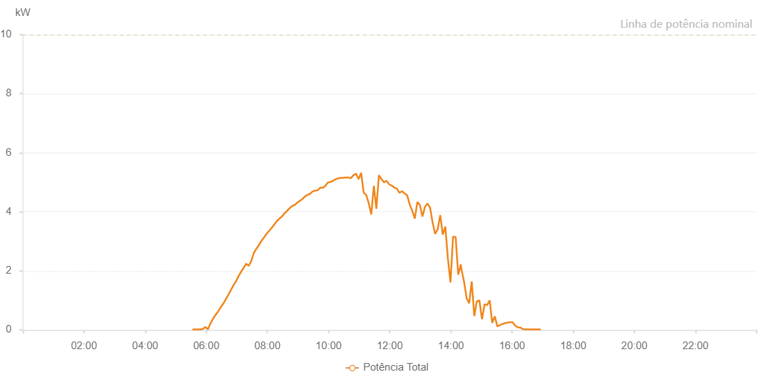

Number | Time | Working State | Alarm Code | Total Inverter Power(W)
1 | 20/05/2023 05:32:56 (UTC-4:00) | Normal |  | 20.000
2 | 20/05/2023 05:37:57 (UTC-4:00) | Normal |  | 20.000
3 | 20/05/2023 05:42:56 (UTC-4:00) | Normal |  | 20.000
4 | 20/05/2023 05:47:58 (UTC-4:00) | Normal |  | 20.000
5 | 20/05/2023 05:53:01 (UTC-4:00) | Normal |  | 30.000
6 | 20/05/2023 05:58:04 (UTC-4:00) | Normal |  | 100.000
7 | 20/05/2023 06:03:07 (UTC-4:00) | Normal |  | 20.000
8 | 20/05/2023 06:08:10 (UTC-4:00) | Normal |  | 220.000
9 | 20/05/2023 06:13:13 (UTC-4:00) | Normal |  | 380.000
10 | 20/05/2023 06:18:16 (UTC-4:00) | Normal |  | 510.000
11 | 20/05/2023 06:23:19 (UTC-4:00) | Normal |  | 630.000
12 | 20/05/2023 06:28:23 (UTC-4:00) | Normal |  | 770.000
13 | 20/05/2023 06:33:22 (UTC-4:00) | Normal |  | 890.000
14 | 20/05/2023 06:38:21 (UTC-4:00) | Normal |  | 1040.000
15 | 20/05/2023 06:43:20 (UTC-4:00) | Normal |  | 1190.000
16 | 20/05/2023 06:48:19 (UTC-4:00) | Normal |  | 1350.000
17 | 20/05/2023 06:53:18 (UTC-4:00) | Normal |  | 1510.000
18 | 20/05/2023 06:58:17 (UTC-4:00) | Normal |  | 1650.000
19 | 20/05/2023 06:58:28 (UTC-4:00) | Normal |  | 1650.000
20 | 20/05/2023 07:03:16 (UTC-4:00) | Normal |  | 1820.000
21 | 20/05/2023 07:08:16 (UTC-4:00) | Normal |  | 1970.000
22 | 20/05/2023 07:13:15 (UTC-4:00) | Normal |  | 2100.000
23 | 20/05/2023 07:18:14 (UTC-4:00) | Normal |  | 2240.000
24 | 20/05/2023 07:23:13 (UTC-4:00) | Normal |  | 2170.000
25 | 20/05/2023 07:28:14 (UTC-4:00) | Normal |  | 2330.000
26 | 20/05/2023 07:33:17 (UTC-4:00) | Normal |  | 2610.000
27 | 20/05/2023 07:38:20 (UTC-4:00) | Normal |  | 2750.000
28 | 20/05/2023 07:38:31 (UTC-4:00) | Normal |  | 2750.000
29 | 20/05/2023 07:43:23 (UTC-4:00) | Normal |  | 2880.000
30 | 20/05/2023 07:48:27 (UTC-4:00) | Normal |  | 3020.000
31 | 20/05/2023 07:53:30 (UTC-4:00) | Normal |  | 3140.000
32 | 20/05/2023 07:58:33 (UTC-4:00) | Normal |  | 3260.000
33 | 20/05/2023 08:03:36 (UTC-4:00) | Normal |  | 3360.000
34 | 20/05/2023 08:08:35 (UTC-4:00) | Normal |  | 3460.000
35 | 20/05/2023 08:13:34 (UTC-4:00) | Normal |  | 3570.000
36 | 20/05/2023 08:18:33 (UTC-4:00) | Normal |  | 3690.000
37 | 20/05/2023 08:23:33 (UTC-4:00) | Normal |  | 3770.000
38 | 20/05/2023 08:28:32 (UTC-4:00) | Normal |  | 3840.000
39 | 20/05/2023 08:33:31 (UTC-4:00) | Normal |  | 3950.000
40 | 20/05/2023 08:38:30 (UTC-4:00) | Normal |  | 4030.000
41 | 20/05/2023 08:43:29 (UTC-4:00) | Normal |  | 4120.000
42 | 20/05/2023 08:48:29 (UTC-4:00) | Normal |  | 4200.000
43 | 20/05/2023 08:53:29 (UTC-4:00) | Normal |  | 4230.000
44 | 20/05/2023 08:58:28 (UTC-4:00) | Normal |  | 4310.000
45 | 20/05/2023 09:03:28 (UTC-4:00) | Normal |  | 4370.000
46 | 20/05/2023 09:08:31 (UTC-4:00) | Normal |  | 4430.000
47 | 20/05/2023 09:13:34 (UTC-4:00) | Normal |  | 4520.000
48 | 20/05/2023 09:18:37 (UTC-4:00) | Normal |  | 4570.000
49 | 20/05/2023 09:23:36 (UTC-4:00) | Normal |  | 4610.000
50 | 20/05/2023 09:28:35 (UTC-4:00) | Normal |  | 4690.000
51 | 20/05/2023 09:33:35 (UTC-4:00) | Normal |  | 4720.000
52 | 20/05/2023 09:38:34 (UTC-4:00) | Normal |  | 4730.000
53 | 20/05/2023 09:43:33 (UTC-4:00) | Normal |  | 4820.000
54 | 20/05/2023 09:48:32 (UTC-4:00) | Normal |  | 4810.000
55 | 20/05/2023 09:53:31 (UTC-4:00) | Normal |  | 4880.000
56 | 20/05/2023 09:58:30 (UTC-4:00) | Normal |  | 4990.000
57 | 20/05/2023 10:03:29 (UTC-4:00) | Normal |  | 5010.000
58 | 20/05/2023 10:08:29 (UTC-4:00) | Normal |  | 5050.000
59 | 20/05/2023 10:13:27 (UTC-4:00) | Normal |  | 5100.000
60 | 20/05/2023 10:18:29 (UTC-4:00) | Normal |  | 5130.000
61 | 20/05/2023 10:23:32 (UTC-4:00) | Normal |  | 5150.000
62 | 20/05/2023 10:28:35 (UTC-4:00) | Normal |  | 5150.000
63 | 20/05/2023 10:28:50 (UTC-4:00) | Normal |  | 5150.000
64 | 20/05/2023 10:33:38 (UTC-4:00) | Normal |  | 5160.000
65 | 20/05/2023 10:38:41 (UTC-4:00) | Normal |  | 5160.000
66 | 20/05/2023 10:43:44 (UTC-4:00) | Normal |  | 5140.000
67 | 20/05/2023 10:48:47 (UTC-4:00) | Normal |  | 5240.000
68 | 20/05/2023 10:53:50 (UTC-4:00) | Normal |  | 5290.000
69 | 20/05/2023 10:58:50 (UTC-4:00) | Normal |  | 5110.000
70 | 20/05/2023 11:03:48 (UTC-4:00) | Normal |  | 5320.000
71 | 20/05/2023 11:08:48 (UTC-4:00) | Normal |  | 4650.000
72 | 20/05/2023 11:13:47 (UTC-4:00) | Normal |  | 4570.000
73 | 20/05/2023 11:18:46 (UTC-4:00) | Normal |  | 4290.000
74 | 20/05/2023 11:23:45 (UTC-4:00) | Normal |  | 3910.000
75 | 20/05/2023 11:28:44 (UTC-4:00) | Normal |  | 4880.000
76 | 20/05/2023 11:33:43 (UTC-4:00) | Normal |  | 4100.000
77 | 20/05/2023 11:38:42 (UTC-4:00) | Normal |  | 5240.000
78 | 20/05/2023 11:43:42 (UTC-4:00) | Normal |  | 5110.000
79 | 20/05/2023 11:48:41 (UTC-4:00) | Normal |  | 5000.000
80 | 20/05/2023 11:53:41 (UTC-4:00) | Normal |  | 5050.000
81 | 20/05/2023 11:58:44 (UTC-4:00) | Normal |  | 4930.000
82 | 20/05/2023 12:03:47 (UTC-4:00) | Normal |  | 4890.000
83 | 20/05/2023 12:08:50 (UTC-4:00) | Normal |  | 4820.000
84 | 20/05/2023 12:13:53 (UTC-4:00) | Normal |  | 4790.000
85 | 20/05/2023 12:18:57 (UTC-4:00) | Normal |  | 4640.000
86 | 20/05/2023 12:24:00 (UTC-4:00) | Normal |  | 4700.000
87 | 20/05/2023 12:29:03 (UTC-4:00) | Normal |  | 4620.000
88 | 20/05/2023 12:34:06 (UTC-4:00) | Normal |  | 4560.000
89 | 20/05/2023 12:39:09 (UTC-4:00) | Normal |  | 4250.000
90 | 20/05/2023 12:44:12 (UTC-4:00) | Normal |  | 4030.000
91 | 20/05/2023 12:49:12 (UTC-4:00) | Normal |  | 3770.000
92 | 20/05/2023 12:54:11 (UTC-4:00) | Normal |  | 4330.000
93 | 20/05/2023 12:59:10 (UTC-4:00) | Normal |  | 4230.000
94 | 20/05/2023 13:04:09 (UTC-4:00) | Normal |  | 3840.000
95 | 20/05/2023 13:09:08 (UTC-4:00) | Normal |  | 4170.000
96 | 20/05/2023 13:14:07 (UTC-4:00) | Normal |  | 4280.000
97 | 20/05/2023 13:19:06 (UTC-4:00) | Normal |  | 4140.000
98 | 20/05/2023 13:24:05 (UTC-4:00) | Normal |  | 3640.000
99 | 20/05/2023 13:29:04 (UTC-4:00) | Normal |  | 3250.000
100 | 20/05/2023 13:34:03 (UTC-4:00) | Normal |  | 3410.000
101 | 20/05/2023 13:39:03 (UTC-4:00) | Normal |  | 3890.000
102 | 20/05/2023 13:44:03 (UTC-4:00) | Normal |  | 3230.000
103 | 20/05/2023 13:49:06 (UTC-4:00) | Normal |  | 3500.000
104 | 20/05/2023 13:54:09 (UTC-4:00) | Normal |  | 2400.000
105 | 20/05/2023 13:59:12 (UTC-4:00) | Normal |  | 1610.000
106 | 20/05/2023 14:04:15 (UTC-4:00) | Normal |  | 3160.000
107 | 20/05/2023 14:09:19 (UTC-4:00) | Normal |  | 3140.000
108 | 20/05/2023 14:14:22 (UTC-4:00) | Normal |  | 1870.000
109 | 20/05/2023 14:19:25 (UTC-4:00) | Normal |  | 2210.000
110 | 20/05/2023 14:19:36 (UTC-4:00) | Normal |  | 2210.000
111 | 20/05/2023 14:20:35 (UTC-4:00) | Normal |  | 2060.000
112 | 20/05/2023 14:25:51 (UTC-4:00) | Normal |  | 1630.000
113 | 20/05/2023 14:30:52 (UTC-4:00) | Normal |  | 1070.000
114 | 20/05/2023 14:35:52 (UTC-4:00) | Normal |  | 900.000
115 | 20/05/2023 14:40:52 (UTC-4:00) | Normal |  | 1640.000
116 | 20/05/2023 14:45:53 (UTC-4:00) | Normal |  | 470.000
117 | 20/05/2023 14:50:55 (UTC-4:00) | Normal |  | 970.000
118 | 20/05/2023 14:55:55 (UTC-4:00) | Normal |  | 1000.000
119 | 20/05/2023 15:00:58 (UTC-4:00) | Normal |  | 360.000
120 | 20/05/2023 15:06:03 (UTC-4:00) | Normal |  | 870.000
121 | 20/05/2023 15:11:07 (UTC-4:00) | Normal |  | 840.000
122 | 20/05/2023 15:16:07 (UTC-4:00) | Normal |  | 1000.000
123 | 20/05/2023 15:21:07 (UTC-4:00) | Normal |  | 240.000
124 | 20/05/2023 15:26:08 (UTC-4:00) | Normal |  | 460.000
125 | 20/05/2023 15:31:08 (UTC-4:00) | Normal |  | 120.000
126 | 20/05/2023 15:36:08 (UTC-4:00) | Normal |  | 160.000
127 | 20/05/2023 15:41:09 (UTC-4:00) | Normal |  | 200.000
128 | 20/05/2023 15:41:19 (UTC-4:00) | Normal |  | 200.000
129 | 20/05/2023 15:46:09 (UTC-4:00) | Normal |  | 230.000
130 | 20/05/2023 15:51:09 (UTC-4:00) | Normal |  | 250.000
131 | 20/05/2023 15:56:09 (UTC-4:00) | Normal |  | 260.000
132 | 20/05/2023 16:01:10 (UTC-4:00) | Normal |  | 260.000
133 | 20/05/2023 16:06:10 (UTC-4:00) | Normal |  | 140.000
134 | 20/05/2023 16:11:12 (UTC-4:00) | Normal |  | 90.000
135 | 20/05/2023 16:16:16 (UTC-4:00) | Normal |  | 80.000
136 | 20/05/2023 16:21:21 (UTC-4:00) | Normal |  | 30.000
137 | 20/05/2023 16:26:25 (UTC-4:00) | Normal |  | 20.000
138 | 20/05/2023 16:31:25 (UTC-4:00) | Normal |  | 20.000
139 | 20/05/2023 16:36:25 (UTC-4:00) | Normal |  | 20.000
140 | 20/05/2023 16:41:25 (UTC-4:00) | Normal |  | 20.000
141 | 20/05/2023 16:46:26 (UTC-4:00) | Normal |  | 20.000
142 | 20/05/2023 16:51:26 (UTC-4:00) | Normal |  | 20.000
143 | 20/05/2023 16:56:26 (UTC-4:00) | Normal |  | 20.000

