Inverter History Report__17-08-
Inverter History Report_21/05/2023_Report

Inverter SN:054B7020C020041 |  | Inverter type:B7
Collector SN:4045966636 |  | Full Load Hours(h):3.10
Rated Power:10000Wp

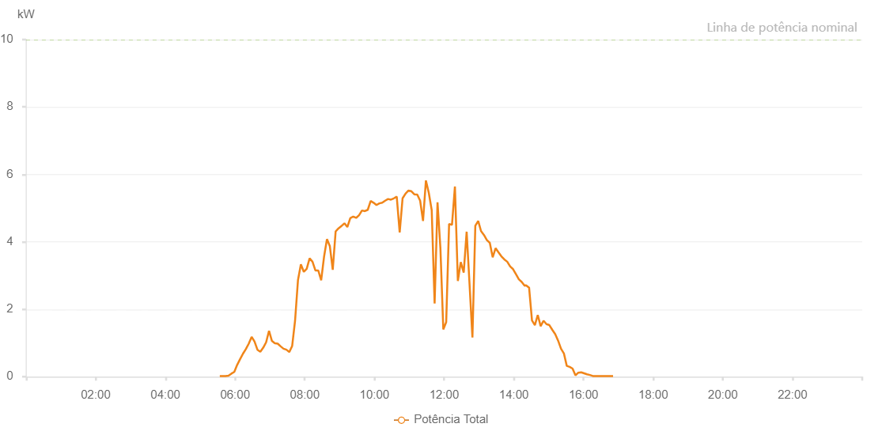

Number | Time | Working State | Alarm Code | Total Inverter Power(W)
1 | 21/05/2023 05:33:39 (UTC-4:00) | Normal |  | 20.000
2 | 21/05/2023 05:38:38 (UTC-4:00) | Normal |  | 20.000
3 | 21/05/2023 05:43:37 (UTC-4:00) | Normal |  | 20.000
4 | 21/05/2023 05:48:39 (UTC-4:00) | Normal |  | 30.000
5 | 21/05/2023 05:53:38 (UTC-4:00) | Normal |  | 90.000
6 | 21/05/2023 05:58:36 (UTC-4:00) | Normal |  | 140.000
7 | 21/05/2023 06:03:35 (UTC-4:00) | Normal |  | 350.000
8 | 21/05/2023 06:08:34 (UTC-4:00) | Normal |  | 520.000
9 | 21/05/2023 06:13:33 (UTC-4:00) | Normal |  | 680.000
10 | 21/05/2023 06:18:32 (UTC-4:00) | Normal |  | 820.000
11 | 21/05/2023 06:23:31 (UTC-4:00) | Normal |  | 980.000
12 | 21/05/2023 06:28:30 (UTC-4:00) | Normal |  | 1180.000
13 | 21/05/2023 06:33:29 (UTC-4:00) | Normal |  | 1040.000
14 | 21/05/2023 06:38:28 (UTC-4:00) | Normal |  | 800.000
15 | 21/05/2023 06:43:27 (UTC-4:00) | Normal |  | 740.000
16 | 21/05/2023 06:48:28 (UTC-4:00) | Normal |  | 860.000
17 | 21/05/2023 06:53:27 (UTC-4:00) | Normal |  | 1020.000
18 | 21/05/2023 06:58:26 (UTC-4:00) | Normal |  | 1360.000
19 | 21/05/2023 07:03:25 (UTC-4:00) | Normal |  | 1060.000
20 | 21/05/2023 07:08:24 (UTC-4:00) | Normal |  | 990.000
21 | 21/05/2023 07:13:23 (UTC-4:00) | Normal |  | 980.000
22 | 21/05/2023 07:18:22 (UTC-4:00) | Normal |  | 900.000
23 | 21/05/2023 07:23:21 (UTC-4:00) | Normal |  | 830.000
24 | 21/05/2023 07:28:20 (UTC-4:00) | Normal |  | 800.000
25 | 21/05/2023 07:33:19 (UTC-4:00) | Normal |  | 730.000
26 | 21/05/2023 07:38:17 (UTC-4:00) | Normal |  | 910.000
27 | 21/05/2023 07:43:16 (UTC-4:00) | Normal |  | 1660.000
28 | 21/05/2023 07:48:16 (UTC-4:00) | Normal |  | 2860.000
29 | 21/05/2023 07:53:18 (UTC-4:00) | Normal |  | 3330.000
30 | 21/05/2023 07:58:21 (UTC-4:00) | Normal |  | 3110.000
31 | 21/05/2023 08:03:20 (UTC-4:00) | Normal |  | 3200.000
32 | 21/05/2023 08:08:19 (UTC-4:00) | Normal |  | 3510.000
33 | 21/05/2023 08:13:17 (UTC-4:00) | Normal |  | 3410.000
34 | 21/05/2023 08:18:16 (UTC-4:00) | Normal |  | 3150.000
35 | 21/05/2023 08:23:15 (UTC-4:00) | Normal |  | 3150.000
36 | 21/05/2023 08:28:14 (UTC-4:00) | Normal |  | 2860.000
37 | 21/05/2023 08:33:13 (UTC-4:00) | Normal |  | 3560.000
38 | 21/05/2023 08:38:12 (UTC-4:00) | Normal |  | 4080.000
39 | 21/05/2023 08:43:11 (UTC-4:00) | Normal |  | 3870.000
40 | 21/05/2023 08:48:10 (UTC-4:00) | Normal |  | 3170.000
41 | 21/05/2023 08:53:09 (UTC-4:00) | Normal |  | 4310.000
42 | 21/05/2023 08:58:09 (UTC-4:00) | Normal |  | 4400.000
43 | 21/05/2023 09:03:12 (UTC-4:00) | Normal |  | 4470.000
44 | 21/05/2023 09:03:23 (UTC-4:00) | Normal |  | 4470.000
45 | 21/05/2023 09:08:18 (UTC-4:00) | Normal |  | 4550.000
46 | 21/05/2023 09:13:19 (UTC-4:00) | Normal |  | 4440.000
47 | 21/05/2023 09:18:21 (UTC-4:00) | Normal |  | 4700.000
48 | 21/05/2023 09:23:23 (UTC-4:00) | Normal |  | 4750.000
49 | 21/05/2023 09:28:26 (UTC-4:00) | Normal |  | 4710.000
50 | 21/05/2023 09:33:29 (UTC-4:00) | Normal |  | 4790.000
51 | 21/05/2023 09:38:32 (UTC-4:00) | Normal |  | 4930.000
52 | 21/05/2023 09:43:31 (UTC-4:00) | Normal |  | 4910.000
53 | 21/05/2023 09:48:30 (UTC-4:00) | Normal |  | 4950.000
54 | 21/05/2023 09:53:29 (UTC-4:00) | Normal |  | 5210.000
55 | 21/05/2023 09:58:28 (UTC-4:00) | Normal |  | 5160.000
56 | 21/05/2023 10:03:28 (UTC-4:00) | Normal |  | 5090.000
57 | 21/05/2023 10:08:27 (UTC-4:00) | Normal |  | 5140.000
58 | 21/05/2023 10:13:26 (UTC-4:00) | Normal |  | 5160.000
59 | 21/05/2023 10:18:25 (UTC-4:00) | Normal |  | 5220.000
60 | 21/05/2023 10:23:24 (UTC-4:00) | Normal |  | 5270.000
61 | 21/05/2023 10:28:23 (UTC-4:00) | Normal |  | 5250.000
62 | 21/05/2023 10:33:22 (UTC-4:00) | Normal |  | 5290.000
63 | 21/05/2023 10:38:22 (UTC-4:00) | Normal |  | 5340.000
64 | 21/05/2023 10:43:26 (UTC-4:00) | Normal |  | 4280.000
65 | 21/05/2023 10:48:26 (UTC-4:00) | Normal |  | 5290.000
66 | 21/05/2023 10:53:29 (UTC-4:00) | Normal |  | 5430.000
67 | 21/05/2023 10:58:32 (UTC-4:00) | Normal |  | 5520.000
68 | 21/05/2023 11:03:35 (UTC-4:00) | Normal |  | 5500.000
69 | 21/05/2023 11:08:38 (UTC-4:00) | Normal |  | 5410.000
70 | 21/05/2023 11:13:41 (UTC-4:00) | Normal |  | 5400.000
71 | 21/05/2023 11:18:40 (UTC-4:00) | Normal |  | 5220.000
72 | 21/05/2023 11:23:39 (UTC-4:00) | Normal |  | 4620.000
73 | 21/05/2023 11:28:38 (UTC-4:00) | Normal |  | 5820.000
74 | 21/05/2023 11:33:37 (UTC-4:00) | Normal |  | 5450.000
75 | 21/05/2023 11:38:37 (UTC-4:00) | Normal |  | 4940.000
76 | 21/05/2023 11:43:37 (UTC-4:00) | Normal |  | 2170.000
77 | 21/05/2023 11:48:36 (UTC-4:00) | Normal |  | 5170.000
78 | 21/05/2023 11:53:35 (UTC-4:00) | Normal |  | 3810.000
79 | 21/05/2023 11:58:34 (UTC-4:00) | Normal |  | 1400.000
80 | 21/05/2023 12:03:33 (UTC-4:00) | Normal |  | 1620.000
81 | 21/05/2023 12:08:32 (UTC-4:00) | Normal |  | 4530.000
82 | 21/05/2023 12:13:31 (UTC-4:00) | Normal |  | 4500.000
83 | 21/05/2023 12:18:34 (UTC-4:00) | Normal |  | 5640.000
84 | 21/05/2023 12:23:37 (UTC-4:00) | Normal |  | 2840.000
85 | 21/05/2023 12:28:39 (UTC-4:00) | Normal |  | 3400.000
86 | 21/05/2023 12:33:42 (UTC-4:00) | Normal |  | 3090.000
87 | 21/05/2023 12:38:46 (UTC-4:00) | Normal |  | 4300.000
88 | 21/05/2023 12:43:44 (UTC-4:00) | Normal |  | 2750.000
89 | 21/05/2023 12:48:43 (UTC-4:00) | Normal |  | 1160.000
90 | 21/05/2023 12:53:42 (UTC-4:00) | Normal |  | 4480.000
91 | 21/05/2023 12:58:41 (UTC-4:00) | Normal |  | 4620.000
92 | 21/05/2023 13:03:40 (UTC-4:00) | Normal |  | 4310.000
93 | 21/05/2023 13:03:51 (UTC-4:00) | Normal |  | 4310.000
94 | 21/05/2023 13:08:39 (UTC-4:00) | Normal |  | 4200.000
95 | 21/05/2023 13:13:38 (UTC-4:00) | Normal |  | 4050.000
96 | 21/05/2023 13:18:37 (UTC-4:00) | Normal |  | 3970.000
97 | 21/05/2023 13:23:36 (UTC-4:00) | Normal |  | 3540.000
98 | 21/05/2023 13:28:35 (UTC-4:00) | Normal |  | 3810.000
99 | 21/05/2023 13:33:34 (UTC-4:00) | Normal |  | 3690.000
100 | 21/05/2023 13:38:33 (UTC-4:00) | Normal |  | 3570.000
101 | 21/05/2023 13:43:35 (UTC-4:00) | Normal |  | 3480.000
102 | 21/05/2023 13:48:38 (UTC-4:00) | Normal |  | 3410.000
103 | 21/05/2023 13:53:41 (UTC-4:00) | Normal |  | 3270.000
104 | 21/05/2023 13:58:40 (UTC-4:00) | Normal |  | 3190.000
105 | 21/05/2023 14:03:39 (UTC-4:00) | Normal |  | 3040.000
106 | 21/05/2023 14:08:38 (UTC-4:00) | Normal |  | 2890.000
107 | 21/05/2023 14:13:37 (UTC-4:00) | Normal |  | 2810.000
108 | 21/05/2023 14:18:36 (UTC-4:00) | Normal |  | 2700.000
109 | 21/05/2023 14:21:04 (UTC-4:00) | Normal |  | 2710.000
110 | 21/05/2023 14:26:18 (UTC-4:00) | Normal |  | 2640.000
111 | 21/05/2023 14:31:17 (UTC-4:00) | Normal |  | 1670.000
112 | 21/05/2023 14:36:15 (UTC-4:00) | Normal |  | 1530.000
113 | 21/05/2023 14:41:14 (UTC-4:00) | Normal |  | 1830.000
114 | 21/05/2023 14:46:12 (UTC-4:00) | Normal |  | 1500.000
115 | 21/05/2023 14:51:11 (UTC-4:00) | Normal |  | 1660.000
116 | 21/05/2023 14:56:11 (UTC-4:00) | Normal |  | 1560.000
117 | 21/05/2023 15:01:13 (UTC-4:00) | Normal |  | 1530.000
118 | 21/05/2023 15:06:15 (UTC-4:00) | Normal |  | 1390.000
119 | 21/05/2023 15:11:18 (UTC-4:00) | Normal |  | 1260.000
120 | 21/05/2023 15:16:16 (UTC-4:00) | Normal |  | 1070.000
121 | 21/05/2023 15:21:15 (UTC-4:00) | Normal |  | 830.000
122 | 21/05/2023 15:26:13 (UTC-4:00) | Normal |  | 690.000
123 | 21/05/2023 15:31:12 (UTC-4:00) | Normal |  | 320.000
124 | 21/05/2023 15:36:10 (UTC-4:00) | Normal |  | 290.000
125 | 21/05/2023 15:41:09 (UTC-4:00) | Normal |  | 240.000
126 | 21/05/2023 15:46:07 (UTC-4:00) | Normal |  | 40.000
127 | 21/05/2023 15:51:06 (UTC-4:00) | Normal |  | 120.000
128 | 21/05/2023 15:56:04 (UTC-4:00) | Normal |  | 130.000
129 | 21/05/2023 16:01:03 (UTC-4:00) | Normal |  | 100.000
130 | 21/05/2023 16:06:01 (UTC-4:00) | Normal |  | 70.000
131 | 21/05/2023 16:11:01 (UTC-4:00) | Normal |  | 50.000
132 | 21/05/2023 16:16:03 (UTC-4:00) | Normal |  | 20.000
133 | 21/05/2023 16:21:05 (UTC-4:00) | Normal |  | 20.000
134 | 21/05/2023 16:26:04 (UTC-4:00) | Normal |  | 20.000
135 | 21/05/2023 16:31:03 (UTC-4:00) | Normal |  | 20.000
136 | 21/05/2023 16:36:01 (UTC-4:00) | Normal |  | 20.000
137 | 21/05/2023 16:40:59 (UTC-4:00) | Normal |  | 20.000
138 | 21/05/2023 16:45:58 (UTC-4:00) | Normal |  | 20.000
139 | 21/05/2023 16:50:56 (UTC-4:00) | Normal |  | 20.000

