Inverter History Report__17-08-
Inverter History Report_27/05/2023_Report

Inverter SN:054B7020C020041 |  | Inverter type:B7
Collector SN:4045966636 |  | Full Load Hours(h):2.90
Rated Power:10000Wp

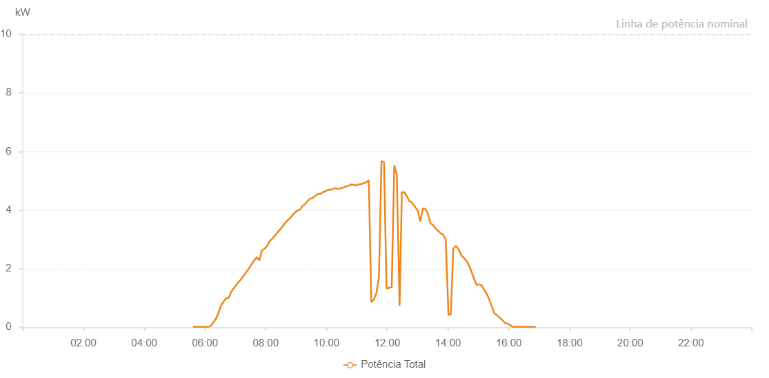

Number | Time | Working State | Alarm Code | Total Inverter Power(W)
1 | 27/05/2023 05:36:35 (UTC-4:00) | Normal |  | 20.000
2 | 27/05/2023 05:41:39 (UTC-4:00) | Normal |  | 20.000
3 | 27/05/2023 05:46:39 (UTC-4:00) | Normal |  | 20.000
4 | 27/05/2023 05:51:40 (UTC-4:00) | Normal |  | 20.000
5 | 27/05/2023 05:56:43 (UTC-4:00) | Normal |  | 20.000
6 | 27/05/2023 06:01:43 (UTC-4:00) | Normal |  | 20.000
7 | 27/05/2023 06:06:43 (UTC-4:00) | Normal |  | 20.000
8 | 27/05/2023 06:11:43 (UTC-4:00) | Normal |  | 50.000
9 | 27/05/2023 06:16:43 (UTC-4:00) | Normal |  | 180.000
10 | 27/05/2023 06:21:44 (UTC-4:00) | Normal |  | 290.000
11 | 27/05/2023 06:26:44 (UTC-4:00) | Normal |  | 500.000
12 | 27/05/2023 06:31:44 (UTC-4:00) | Normal |  | 740.000
13 | 27/05/2023 06:36:44 (UTC-4:00) | Normal |  | 880.000
14 | 27/05/2023 06:41:44 (UTC-4:00) | Normal |  | 990.000
15 | 27/05/2023 06:46:45 (UTC-4:00) | Normal |  | 1000.000
16 | 27/05/2023 06:51:46 (UTC-4:00) | Normal |  | 1220.000
17 | 27/05/2023 06:56:49 (UTC-4:00) | Normal |  | 1330.000
18 | 27/05/2023 07:01:53 (UTC-4:00) | Normal |  | 1450.000
19 | 27/05/2023 07:06:57 (UTC-4:00) | Normal |  | 1560.000
20 | 27/05/2023 07:12:01 (UTC-4:00) | Normal |  | 1650.000
21 | 27/05/2023 07:17:06 (UTC-4:00) | Normal |  | 1780.000
22 | 27/05/2023 07:22:10 (UTC-4:00) | Normal |  | 1900.000
23 | 27/05/2023 07:27:14 (UTC-4:00) | Normal |  | 2020.000
24 | 27/05/2023 07:32:18 (UTC-4:00) | Normal |  | 2160.000
25 | 27/05/2023 07:37:22 (UTC-4:00) | Normal |  | 2290.000
26 | 27/05/2023 07:42:23 (UTC-4:00) | Normal |  | 2390.000
27 | 27/05/2023 07:47:23 (UTC-4:00) | Normal |  | 2280.000
28 | 27/05/2023 07:52:23 (UTC-4:00) | Normal |  | 2620.000
29 | 27/05/2023 07:57:23 (UTC-4:00) | Normal |  | 2680.000
30 | 27/05/2023 08:02:24 (UTC-4:00) | Normal |  | 2760.000
31 | 27/05/2023 08:07:24 (UTC-4:00) | Normal |  | 2930.000
32 | 27/05/2023 08:12:24 (UTC-4:00) | Normal |  | 3020.000
33 | 27/05/2023 08:17:24 (UTC-4:00) | Normal |  | 3110.000
34 | 27/05/2023 08:22:24 (UTC-4:00) | Normal |  | 3230.000
35 | 27/05/2023 08:27:25 (UTC-4:00) | Normal |  | 3320.000
36 | 27/05/2023 08:32:25 (UTC-4:00) | Normal |  | 3420.000
37 | 27/05/2023 08:37:27 (UTC-4:00) | Normal |  | 3540.000
38 | 27/05/2023 08:42:31 (UTC-4:00) | Normal |  | 3640.000
39 | 27/05/2023 08:47:35 (UTC-4:00) | Normal |  | 3720.000
40 | 27/05/2023 08:52:39 (UTC-4:00) | Normal |  | 3820.000
41 | 27/05/2023 08:57:44 (UTC-4:00) | Normal |  | 3920.000
42 | 27/05/2023 09:02:48 (UTC-4:00) | Normal |  | 3990.000
43 | 27/05/2023 09:07:48 (UTC-4:00) | Normal |  | 4020.000
44 | 27/05/2023 09:12:48 (UTC-4:00) | Normal |  | 4150.000
45 | 27/05/2023 09:17:48 (UTC-4:00) | Normal |  | 4200.000
46 | 27/05/2023 09:22:49 (UTC-4:00) | Normal |  | 4320.000
47 | 27/05/2023 09:27:49 (UTC-4:00) | Normal |  | 4390.000
48 | 27/05/2023 09:32:49 (UTC-4:00) | Normal |  | 4420.000
49 | 27/05/2023 09:37:49 (UTC-4:00) | Normal |  | 4480.000
50 | 27/05/2023 09:42:50 (UTC-4:00) | Normal |  | 4550.000
51 | 27/05/2023 09:47:50 (UTC-4:00) | Normal |  | 4560.000
52 | 27/05/2023 09:52:50 (UTC-4:00) | Normal |  | 4610.000
53 | 27/05/2023 09:57:50 (UTC-4:00) | Normal |  | 4650.000
54 | 27/05/2023 10:02:52 (UTC-4:00) | Normal |  | 4690.000
55 | 27/05/2023 10:03:03 (UTC-4:00) | Normal |  | 4690.000
56 | 27/05/2023 10:07:57 (UTC-4:00) | Normal |  | 4690.000
57 | 27/05/2023 10:13:01 (UTC-4:00) | Normal |  | 4730.000
58 | 27/05/2023 10:18:05 (UTC-4:00) | Normal |  | 4750.000
59 | 27/05/2023 10:23:09 (UTC-4:00) | Normal |  | 4720.000
60 | 27/05/2023 10:28:13 (UTC-4:00) | Normal |  | 4750.000
61 | 27/05/2023 10:33:17 (UTC-4:00) | Normal |  | 4770.000
62 | 27/05/2023 10:38:21 (UTC-4:00) | Normal |  | 4810.000
63 | 27/05/2023 10:43:26 (UTC-4:00) | Normal |  | 4830.000
64 | 27/05/2023 10:48:30 (UTC-4:00) | Normal |  | 4880.000
65 | 27/05/2023 10:53:34 (UTC-4:00) | Normal |  | 4860.000
66 | 27/05/2023 10:58:34 (UTC-4:00) | Normal |  | 4840.000
67 | 27/05/2023 11:03:34 (UTC-4:00) | Normal |  | 4880.000
68 | 27/05/2023 11:08:34 (UTC-4:00) | Normal |  | 4890.000
69 | 27/05/2023 11:13:34 (UTC-4:00) | Normal |  | 4920.000
70 | 27/05/2023 11:18:34 (UTC-4:00) | Normal |  | 4950.000
71 | 27/05/2023 11:23:34 (UTC-4:00) | Normal |  | 5020.000
72 | 27/05/2023 11:28:35 (UTC-4:00) | Normal |  | 860.000
73 | 27/05/2023 11:33:35 (UTC-4:00) | Normal |  | 940.000
74 | 27/05/2023 11:38:35 (UTC-4:00) | Normal |  | 1170.000
75 | 27/05/2023 11:43:35 (UTC-4:00) | Normal |  | 1710.000
76 | 27/05/2023 11:48:37 (UTC-4:00) | Normal |  | 5670.000
77 | 27/05/2023 11:53:37 (UTC-4:00) | Normal |  | 5650.000
78 | 27/05/2023 11:58:40 (UTC-4:00) | Normal |  | 1320.000
79 | 27/05/2023 12:03:44 (UTC-4:00) | Normal |  | 1350.000
80 | 27/05/2023 12:08:49 (UTC-4:00) | Normal |  | 1370.000
81 | 27/05/2023 12:13:54 (UTC-4:00) | Normal |  | 5530.000
82 | 27/05/2023 12:18:53 (UTC-4:00) | Normal |  | 5210.000
83 | 27/05/2023 12:24:22 (UTC-4:00) | Normal |  | 740.000
84 | 27/05/2023 12:28:53 (UTC-4:00) | Normal |  | 4610.000
85 | 27/05/2023 12:33:53 (UTC-4:00) | Normal |  | 4610.000
86 | 27/05/2023 12:39:01 (UTC-4:00) | Normal |  | 4460.000
87 | 27/05/2023 12:43:57 (UTC-4:00) | Normal |  | 4300.000
88 | 27/05/2023 12:49:02 (UTC-4:00) | Normal |  | 4260.000
89 | 27/05/2023 12:50:14 (UTC-4:00) | Normal |  | 4210.000
90 | 27/05/2023 12:55:52 (UTC-4:00) | Normal |  | 4090.000
91 | 27/05/2023 12:55:53 (UTC-4:00) | Normal |  | 4090.000
92 | 27/05/2023 13:00:32 (UTC-4:00) | Normal |  | 3970.000
93 | 27/05/2023 13:05:30 (UTC-4:00) | Normal |  | 3610.000
94 | 27/05/2023 13:10:28 (UTC-4:00) | Normal |  | 4060.000
95 | 27/05/2023 13:15:33 (UTC-4:00) | Normal |  | 4040.000
96 | 27/05/2023 13:20:28 (UTC-4:00) | Normal |  | 3870.000
97 | 27/05/2023 13:25:26 (UTC-4:00) | Normal |  | 3550.000
98 | 27/05/2023 13:30:44 (UTC-4:00) | Normal |  | 3490.000
99 | 27/05/2023 13:35:28 (UTC-4:00) | Normal |  | 3370.000
100 | 27/05/2023 13:41:26 (UTC-4:00) | Normal |  | 3280.000
101 | 27/05/2023 13:45:29 (UTC-4:00) | Normal |  | 3210.000
102 | 27/05/2023 13:50:36 (UTC-4:00) | Normal |  | 3160.000
103 | 27/05/2023 13:55:31 (UTC-4:00) | Normal |  | 2990.000
104 | 27/05/2023 14:01:00 (UTC-4:00) | Normal |  | 420.000
105 | 27/05/2023 14:05:22 (UTC-4:00) | Normal |  | 440.000
106 | 27/05/2023 14:05:33 (UTC-4:00) | Normal |  | 440.000
107 | 27/05/2023 14:10:26 (UTC-4:00) | Normal |  | 2680.000
108 | 27/05/2023 14:15:29 (UTC-4:00) | Normal |  | 2780.000
109 | 27/05/2023 14:20:31 (UTC-4:00) | Normal |  | 2680.000
110 | 27/05/2023 14:25:45 (UTC-4:00) | Normal |  | 2480.000
111 | 27/05/2023 14:26:32 (UTC-4:00) | Normal |  | 2450.000
112 | 27/05/2023 14:31:54 (UTC-4:00) | Normal |  | 2360.000
113 | 27/05/2023 14:36:52 (UTC-4:00) | Normal |  | 2260.000
114 | 27/05/2023 14:41:53 (UTC-4:00) | Normal |  | 2100.000
115 | 27/05/2023 14:46:51 (UTC-4:00) | Normal |  | 1880.000
116 | 27/05/2023 14:51:49 (UTC-4:00) | Normal |  | 1640.000
117 | 27/05/2023 14:56:48 (UTC-4:00) | Normal |  | 1440.000
118 | 27/05/2023 15:01:47 (UTC-4:00) | Normal |  | 1470.000
119 | 27/05/2023 15:06:45 (UTC-4:00) | Normal |  | 1430.000
120 | 27/05/2023 15:11:43 (UTC-4:00) | Normal |  | 1270.000
121 | 27/05/2023 15:16:42 (UTC-4:00) | Normal |  | 1140.000
122 | 27/05/2023 15:21:41 (UTC-4:00) | Normal |  | 940.000
123 | 27/05/2023 15:26:41 (UTC-4:00) | Normal |  | 700.000
124 | 27/05/2023 15:26:51 (UTC-4:00) | Normal |  | 700.000
125 | 27/05/2023 15:31:45 (UTC-4:00) | Normal |  | 470.000
126 | 27/05/2023 15:37:30 (UTC-4:00) | Normal |  | 410.000
127 | 27/05/2023 15:42:47 (UTC-4:00) | Normal |  | 320.000
128 | 27/05/2023 15:47:46 (UTC-4:00) | Normal |  | 240.000
129 | 27/05/2023 15:52:54 (UTC-4:00) | Normal |  | 140.000
130 | 27/05/2023 15:57:44 (UTC-4:00) | Normal |  | 130.000
131 | 27/05/2023 16:02:45 (UTC-4:00) | Normal |  | 70.000
132 | 27/05/2023 16:07:41 (UTC-4:00) | Normal |  | 20.000
133 | 27/05/2023 16:12:40 (UTC-4:00) | Normal |  | 20.000
134 | 27/05/2023 16:17:46 (UTC-4:00) | Normal |  | 20.000
135 | 27/05/2023 16:22:45 (UTC-4:00) | Normal |  | 20.000
136 | 27/05/2023 16:27:48 (UTC-4:00) | Normal |  | 20.000
137 | 27/05/2023 16:32:50 (UTC-4:00) | Normal |  | 20.000
138 | 27/05/2023 16:37:53 (UTC-4:00) | Normal |  | 20.000
139 | 27/05/2023 16:42:59 (UTC-4:00) | Normal |  | 20.000
140 | 27/05/2023 16:48:12 (UTC-4:00) | Normal |  | 20.000
141 | 27/05/2023 16:53:16 (UTC-4:00) | Normal |  | 20.000

