Inverter History Report__17-08-
Inverter History Report_28/05/2023_Report

Inverter SN:054B7020C020041 |  | Inverter type:B7
Collector SN:4045966636 |  | Full Load Hours(h):1.10
Rated Power:10000Wp

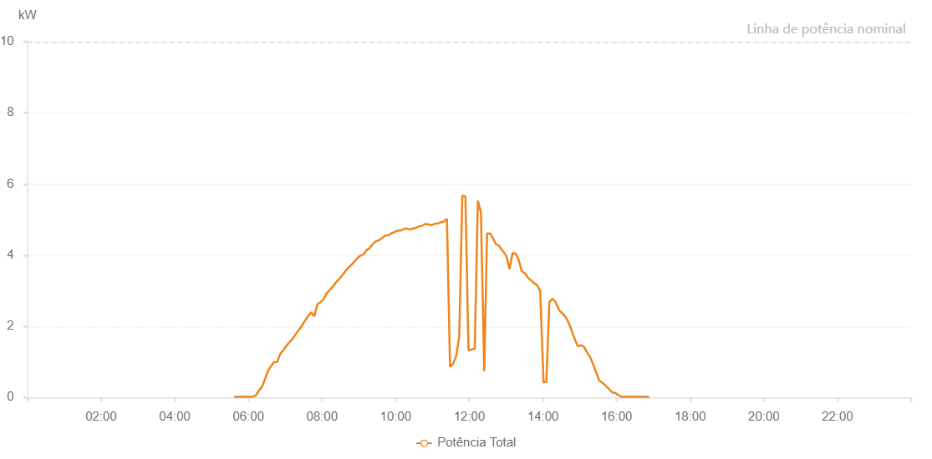

Number | Time | Working State | Alarm Code | Total Inverter Power(W)
1 | 28/05/2023 05:38:14 (UTC-4:00) | Normal |  | 20.000
2 | 28/05/2023 05:43:14 (UTC-4:00) | Normal |  | 20.000
3 | 28/05/2023 05:48:13 (UTC-4:00) | Normal |  | 20.000
4 | 28/05/2023 05:54:01 (UTC-4:00) | Normal |  | 20.000
5 | 28/05/2023 05:58:14 (UTC-4:00) | Normal |  | 20.000
6 | 28/05/2023 06:03:13 (UTC-4:00) | Normal |  | 20.000
7 | 28/05/2023 06:08:12 (UTC-4:00) | Normal |  | 40.000
8 | 28/05/2023 06:13:11 (UTC-4:00) | Normal |  | 50.000
9 | 28/05/2023 06:18:11 (UTC-4:00) | Normal |  | 110.000
10 | 28/05/2023 06:23:10 (UTC-4:00) | Normal |  | 240.000
11 | 28/05/2023 06:28:09 (UTC-4:00) | Normal |  | 360.000
12 | 28/05/2023 06:33:08 (UTC-4:00) | Normal |  | 500.000
13 | 28/05/2023 06:38:08 (UTC-4:00) | Normal |  | 420.000
14 | 28/05/2023 06:43:07 (UTC-4:00) | Normal |  | 420.000
15 | 28/05/2023 06:48:06 (UTC-4:00) | Normal |  | 550.000
16 | 28/05/2023 06:53:09 (UTC-4:00) | Normal |  | 550.000
17 | 28/05/2023 06:58:12 (UTC-4:00) | Normal |  | 570.000
18 | 28/05/2023 07:03:15 (UTC-4:00) | Normal |  | 710.000
19 | 28/05/2023 07:08:19 (UTC-4:00) | Normal |  | 1050.000
20 | 28/05/2023 07:13:22 (UTC-4:00) | Normal |  | 1330.000
21 | 28/05/2023 07:18:25 (UTC-4:00) | Normal |  | 1330.000
22 | 28/05/2023 07:23:25 (UTC-4:00) | Normal |  | 1090.000
23 | 28/05/2023 07:28:24 (UTC-4:00) | Normal |  | 920.000
24 | 28/05/2023 07:33:24 (UTC-4:00) | Normal |  | 850.000
25 | 28/05/2023 07:38:23 (UTC-4:00) | Normal |  | 1100.000
26 | 28/05/2023 07:43:22 (UTC-4:00) | Normal |  | 1710.000
27 | 28/05/2023 07:48:21 (UTC-4:00) | Normal |  | 3620.000
28 | 28/05/2023 07:53:21 (UTC-4:00) | Normal |  | 1420.000
29 | 28/05/2023 07:58:20 (UTC-4:00) | Normal |  | 1410.000
30 | 28/05/2023 08:03:19 (UTC-4:00) | Normal |  | 1440.000
31 | 28/05/2023 08:08:19 (UTC-4:00) | Normal |  | 1990.000
32 | 28/05/2023 08:13:18 (UTC-4:00) | Normal |  | 1450.000
33 | 28/05/2023 08:18:17 (UTC-4:00) | Normal |  | 1620.000
34 | 28/05/2023 08:23:21 (UTC-4:00) | Normal |  | 1620.000
35 | 28/05/2023 08:28:24 (UTC-4:00) | Normal |  | 1560.000
36 | 28/05/2023 08:33:27 (UTC-4:00) | Normal |  | 1660.000
37 | 28/05/2023 08:38:30 (UTC-4:00) | Normal |  | 1740.000
38 | 28/05/2023 08:43:34 (UTC-4:00) | Normal |  | 1420.000
39 | 28/05/2023 08:48:37 (UTC-4:00) | Normal |  | 1740.000
40 | 28/05/2023 08:53:40 (UTC-4:00) | Normal |  | 2570.000
41 | 28/05/2023 08:58:44 (UTC-4:00) | Normal |  | 2260.000
42 | 28/05/2023 09:03:47 (UTC-4:00) | Normal |  | 2170.000
43 | 28/05/2023 09:08:50 (UTC-4:00) | Normal |  | 2270.000
44 | 28/05/2023 09:13:50 (UTC-4:00) | Normal |  | 2020.000
45 | 28/05/2023 09:18:49 (UTC-4:00) | Normal |  | 1550.000
46 | 28/05/2023 09:23:48 (UTC-4:00) | Normal |  | 1900.000
47 | 28/05/2023 09:28:48 (UTC-4:00) | Normal |  | 2520.000
48 | 28/05/2023 09:28:59 (UTC-4:00) | Normal |  | 2520.000
49 | 28/05/2023 09:33:47 (UTC-4:00) | Normal |  | 2040.000
50 | 28/05/2023 09:38:46 (UTC-4:00) | Normal |  | 1840.000
51 | 28/05/2023 09:43:51 (UTC-4:00) | Normal |  | 1840.000
52 | 28/05/2023 09:48:45 (UTC-4:00) | Normal |  | 1990.000
53 | 28/05/2023 09:53:53 (UTC-4:00) | Normal |  | 1770.000
54 | 28/05/2023 09:58:44 (UTC-4:00) | Normal |  | 1490.000
55 | 28/05/2023 10:03:48 (UTC-4:00) | Normal |  | 1620.000
56 | 28/05/2023 10:08:45 (UTC-4:00) | Normal |  | 1570.000
57 | 28/05/2023 10:13:51 (UTC-4:00) | Normal |  | 1720.000
58 | 28/05/2023 10:18:51 (UTC-4:00) | Normal |  | 1790.000
59 | 28/05/2023 10:23:54 (UTC-4:00) | Normal |  | 1680.000
60 | 28/05/2023 10:28:57 (UTC-4:00) | Normal |  | 1570.000
61 | 28/05/2023 10:29:09 (UTC-4:00) | Normal |  | 1570.000
62 | 28/05/2023 10:34:03 (UTC-4:00) | Normal |  | 1620.000
63 | 28/05/2023 10:39:40 (UTC-4:00) | Normal |  | 1700.000
64 | 28/05/2023 10:44:07 (UTC-4:00) | Normal |  | 1920.000
65 | 28/05/2023 10:49:12 (UTC-4:00) | Normal |  | 2130.000
66 | 28/05/2023 10:54:16 (UTC-4:00) | Normal |  | 2030.000
67 | 28/05/2023 10:59:17 (UTC-4:00) | Normal |  | 2030.000
68 | 28/05/2023 10:59:28 (UTC-4:00) | Normal |  | 2030.000
69 | 28/05/2023 11:04:29 (UTC-4:00) | Normal |  | 2100.000
70 | 28/05/2023 11:09:33 (UTC-4:00) | Normal |  | 2190.000
71 | 28/05/2023 11:14:36 (UTC-4:00) | Normal |  | 2290.000
72 | 28/05/2023 11:19:30 (UTC-4:00) | Normal |  | 2120.000
73 | 28/05/2023 11:19:41 (UTC-4:00) | Normal |  | 2120.000
74 | 28/05/2023 11:24:34 (UTC-4:00) | Normal |  | 2130.000
75 | 28/05/2023 11:29:37 (UTC-4:00) | Normal |  | 1860.000
76 | 28/05/2023 11:29:48 (UTC-4:00) | Normal |  | 1860.000
77 | 28/05/2023 11:34:40 (UTC-4:00) | Normal |  | 1540.000
78 | 28/05/2023 11:39:59 (UTC-4:00) | Normal |  | 1110.000
79 | 28/05/2023 11:44:53 (UTC-4:00) | Normal |  | 940.000
80 | 28/05/2023 11:49:50 (UTC-4:00) | Normal |  | 860.000
81 | 28/05/2023 11:54:55 (UTC-4:00) | Normal |  | 880.000
82 | 28/05/2023 11:59:57 (UTC-4:00) | Normal |  | 1150.000
83 | 28/05/2023 12:00:08 (UTC-4:00) | Normal |  | 1150.000
84 | 28/05/2023 12:05:01 (UTC-4:00) | Normal |  | 1230.000
85 | 28/05/2023 12:10:03 (UTC-4:00) | Normal |  | 1360.000
86 | 28/05/2023 12:10:14 (UTC-4:00) | Normal |  | 1360.000
87 | 28/05/2023 12:15:09 (UTC-4:00) | Normal |  | 1260.000
88 | 28/05/2023 12:20:13 (UTC-4:00) | Normal |  | 970.000
89 | 28/05/2023 12:20:21 (UTC-4:00) | Normal |  | 970.000
90 | 28/05/2023 12:20:44 (UTC-4:00) | Normal |  | 940.000
91 | 28/05/2023 12:26:06 (UTC-4:00) | Normal |  | 630.000
92 | 28/05/2023 12:31:05 (UTC-4:00) | Normal |  | 570.000
93 | 28/05/2023 12:36:05 (UTC-4:00) | Normal |  | 570.000
94 | 28/05/2023 12:41:03 (UTC-4:00) | Normal |  | 620.000
95 | 28/05/2023 12:46:02 (UTC-4:00) | Normal |  | 610.000
96 | 28/05/2023 12:51:00 (UTC-4:00) | Normal |  | 790.000
97 | 28/05/2023 12:55:59 (UTC-4:00) | Normal |  | 1010.000
98 | 28/05/2023 13:00:58 (UTC-4:00) | Normal |  | 1210.000
99 | 28/05/2023 13:05:58 (UTC-4:00) | Normal |  | 1350.000
100 | 28/05/2023 13:11:01 (UTC-4:00) | Normal |  | 1590.000
101 | 28/05/2023 13:15:59 (UTC-4:00) | Normal |  | 1490.000
102 | 28/05/2023 13:20:58 (UTC-4:00) | Normal |  | 1520.000
103 | 28/05/2023 13:25:56 (UTC-4:00) | Normal |  | 1640.000
104 | 28/05/2023 13:30:55 (UTC-4:00) | Normal |  | 2290.000
105 | 28/05/2023 13:35:55 (UTC-4:00) | Normal |  | 2040.000
106 | 28/05/2023 13:40:54 (UTC-4:00) | Normal |  | 1830.000
107 | 28/05/2023 13:45:52 (UTC-4:00) | Normal |  | 1350.000
108 | 28/05/2023 13:50:51 (UTC-4:00) | Normal |  | 1290.000
109 | 28/05/2023 13:55:50 (UTC-4:00) | Normal |  | 940.000
110 | 28/05/2023 14:00:48 (UTC-4:00) | Normal |  | 570.000
111 | 28/05/2023 14:05:47 (UTC-4:00) | Normal |  | 320.000
112 | 28/05/2023 14:10:47 (UTC-4:00) | Normal |  | 210.000
113 | 28/05/2023 14:15:49 (UTC-4:00) | Normal |  | 160.000
114 | 28/05/2023 14:20:52 (UTC-4:00) | Normal |  | 120.000
115 | 28/05/2023 14:25:54 (UTC-4:00) | Normal |  | 70.000
116 | 28/05/2023 14:30:52 (UTC-4:00) | Normal |  | 60.000
117 | 28/05/2023 14:35:51 (UTC-4:00) | Normal |  | 60.000
118 | 28/05/2023 14:40:51 (UTC-4:00) | Normal |  | 50.000
119 | 28/05/2023 14:45:50 (UTC-4:00) | Normal |  | 20.000
120 | 28/05/2023 14:50:49 (UTC-4:00) | Normal |  | 20.000
121 | 28/05/2023 14:55:48 (UTC-4:00) | Normal |  | 60.000
122 | 28/05/2023 15:00:46 (UTC-4:00) | Normal |  | 70.000
123 | 28/05/2023 15:05:45 (UTC-4:00) | Normal |  | 20.000
124 | 28/05/2023 15:10:44 (UTC-4:00) | Normal |  | 20.000
125 | 28/05/2023 15:15:42 (UTC-4:00) | Normal |  | 100.000
126 | 28/05/2023 15:20:41 (UTC-4:00) | Normal |  | 110.000
127 | 28/05/2023 15:25:39 (UTC-4:00) | Normal |  | 110.000
128 | 28/05/2023 15:30:41 (UTC-4:00) | Normal |  | 100.000
129 | 28/05/2023 15:35:43 (UTC-4:00) | Normal |  | 30.000
130 | 28/05/2023 15:40:46 (UTC-4:00) | Normal |  | 20.000
131 | 28/05/2023 15:45:49 (UTC-4:00) | Normal |  | 20.000
132 | 28/05/2023 15:50:51 (UTC-4:00) | Normal |  | 20.000
133 | 28/05/2023 15:55:54 (UTC-4:00) | Normal |  | 20.000
134 | 28/05/2023 16:00:56 (UTC-4:00) | Normal |  | 20.000
135 | 28/05/2023 16:01:07 (UTC-4:00) | Normal |  | 20.000
136 | 28/05/2023 16:06:03 (UTC-4:00) | Normal |  | 20.000
137 | 28/05/2023 16:11:02 (UTC-4:00) | Normal |  | 20.000
138 | 28/05/2023 16:16:04 (UTC-4:00) | Normal |  | 20.000
139 | 28/05/2023 16:21:06 (UTC-4:00) | Normal |  | 20.000
140 | 28/05/2023 16:26:09 (UTC-4:00) | Normal |  | 20.000
141 | 28/05/2023 16:31:12 (UTC-4:00) | Normal |  | 20.000
142 | 28/05/2023 16:36:14 (UTC-4:00) | Normal |  | 20.000
143 | 28/05/2023 16:41:12 (UTC-4:00) | Normal |  | 20.000

