Inverter History Report__17-08-
Inverter History Report_02/06/2023_Report

Inverter SN:054B7020C020041 |  | Inverter type:B7
Collector SN:4045966636 |  | Full Load Hours(h):2.90
Rated Power:10000Wp

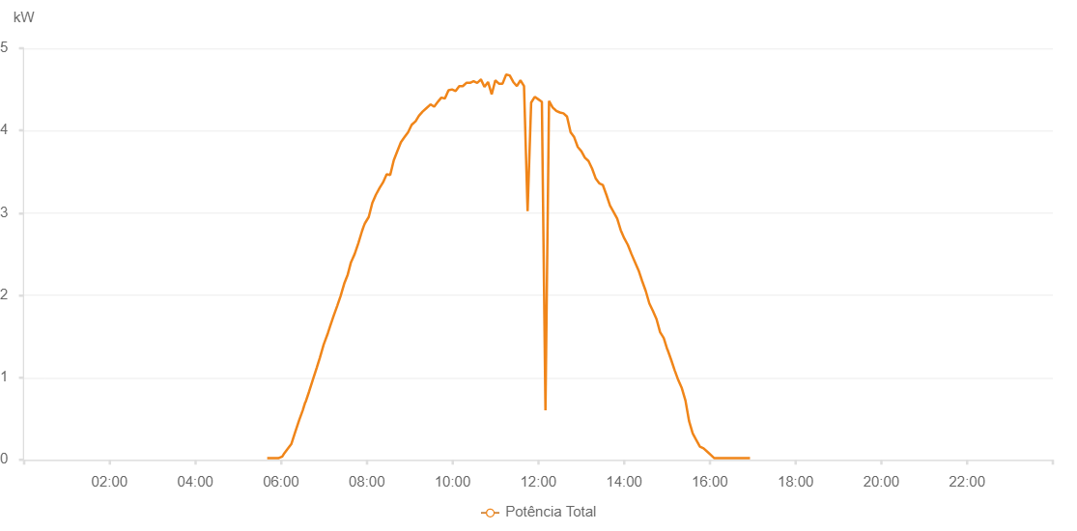

Number | Time | Working State | Alarm Code | Total Inverter Power(W)
1 | 02/06/2023 05:40:39 (UTC-4:00) | Normal |  | 20.000
2 | 02/06/2023 05:46:22 (UTC-4:00) | Normal |  | 20.000
3 | 02/06/2023 05:50:49 (UTC-4:00) | Normal |  | 20.000
4 | 02/06/2023 05:56:13 (UTC-4:00) | Normal |  | 20.000
5 | 02/06/2023 06:01:45 (UTC-4:00) | Normal |  | 40.000
6 | 02/06/2023 06:04:39 (UTC-4:00) | Normal |  | 80.000
7 | 02/06/2023 06:09:56 (UTC-4:00) | Normal |  | 140.000
8 | 02/06/2023 06:14:21 (UTC-4:00) | Normal |  | 190.000
9 | 02/06/2023 06:19:15 (UTC-4:00) | Normal |  | 320.000
10 | 02/06/2023 06:25:18 (UTC-4:00) | Normal |  | 480.000
11 | 02/06/2023 06:30:20 (UTC-4:00) | Normal |  | 600.000
12 | 02/06/2023 06:33:55 (UTC-4:00) | Normal |  | 700.000
13 | 02/06/2023 06:34:17 (UTC-4:00) | Normal |  | 700.000
14 | 02/06/2023 06:39:20 (UTC-4:00) | Normal |  | 830.000
15 | 02/06/2023 06:44:05 (UTC-4:00) | Normal |  | 960.000
16 | 02/06/2023 06:50:00 (UTC-4:00) | Normal |  | 1120.000
17 | 02/06/2023 06:54:20 (UTC-4:00) | Normal |  | 1240.000
18 | 02/06/2023 06:59:41 (UTC-4:00) | Normal |  | 1400.000
19 | 02/06/2023 07:05:37 (UTC-4:00) | Normal |  | 1540.000
20 | 02/06/2023 07:08:35 (UTC-4:00) | Normal |  | 1620.000
21 | 02/06/2023 07:13:37 (UTC-4:00) | Normal |  | 1750.000
22 | 02/06/2023 07:18:37 (UTC-4:00) | Normal |  | 1870.000
23 | 02/06/2023 07:23:22 (UTC-4:00) | Normal |  | 1990.000
24 | 02/06/2023 07:28:25 (UTC-4:00) | Normal |  | 2140.000
25 | 02/06/2023 07:33:21 (UTC-4:00) | Normal |  | 2250.000
26 | 02/06/2023 07:37:52 (UTC-4:00) | Normal |  | 2400.000
27 | 02/06/2023 07:43:02 (UTC-4:00) | Normal |  | 2500.000
28 | 02/06/2023 07:48:07 (UTC-4:00) | Normal |  | 2630.000
29 | 02/06/2023 07:53:23 (UTC-4:00) | Normal |  | 2780.000
30 | 02/06/2023 07:55:49 (UTC-4:00) | Normal |  | 2840.000
31 | 02/06/2023 07:57:40 (UTC-4:00) | Normal |  | 2880.000
32 | 02/06/2023 07:57:51 (UTC-4:00) | Normal |  | 2880.000
33 | 02/06/2023 08:02:44 (UTC-4:00) | Normal |  | 2950.000
34 | 02/06/2023 08:07:44 (UTC-4:00) | Normal |  | 3120.000
35 | 02/06/2023 08:12:44 (UTC-4:00) | Normal |  | 3220.000
36 | 02/06/2023 08:17:45 (UTC-4:00) | Normal |  | 3300.000
37 | 02/06/2023 08:22:45 (UTC-4:00) | Normal |  | 3370.000
38 | 02/06/2023 08:27:50 (UTC-4:00) | Normal |  | 3470.000
39 | 02/06/2023 08:32:46 (UTC-4:00) | Normal |  | 3460.000
40 | 02/06/2023 08:37:46 (UTC-4:00) | Normal |  | 3640.000
41 | 02/06/2023 08:42:46 (UTC-4:00) | Normal |  | 3750.000
42 | 02/06/2023 08:47:47 (UTC-4:00) | Normal |  | 3860.000
43 | 02/06/2023 08:52:47 (UTC-4:00) | Normal |  | 3920.000
44 | 02/06/2023 08:57:48 (UTC-4:00) | Normal |  | 3980.000
45 | 02/06/2023 09:02:50 (UTC-4:00) | Normal |  | 4070.000
46 | 02/06/2023 09:07:54 (UTC-4:00) | Normal |  | 4110.000
47 | 02/06/2023 09:08:05 (UTC-4:00) | Normal |  | 4110.000
48 | 02/06/2023 09:13:00 (UTC-4:00) | Normal |  | 4180.000
49 | 02/06/2023 09:18:04 (UTC-4:00) | Normal |  | 4230.000
50 | 02/06/2023 09:23:07 (UTC-4:00) | Normal |  | 4270.000
51 | 02/06/2023 09:28:12 (UTC-4:00) | Normal |  | 4310.000
52 | 02/06/2023 09:28:35 (UTC-4:00) | Normal |  | 4310.000
53 | 02/06/2023 09:28:59 (UTC-4:00) | Normal |  | 4320.000
54 | 02/06/2023 09:34:20 (UTC-4:00) | Normal |  | 4290.000
55 | 02/06/2023 09:39:21 (UTC-4:00) | Normal |  | 4350.000
56 | 02/06/2023 09:39:31 (UTC-4:00) | Normal |  | 4350.000
57 | 02/06/2023 09:44:20 (UTC-4:00) | Normal |  | 4400.000
58 | 02/06/2023 09:49:20 (UTC-4:00) | Normal |  | 4390.000
59 | 02/06/2023 09:54:22 (UTC-4:00) | Normal |  | 4490.000
60 | 02/06/2023 09:59:20 (UTC-4:00) | Normal |  | 4500.000
61 | 02/06/2023 10:04:20 (UTC-4:00) | Normal |  | 4480.000
62 | 02/06/2023 10:09:20 (UTC-4:00) | Normal |  | 4540.000
63 | 02/06/2023 10:14:21 (UTC-4:00) | Normal |  | 4540.000
64 | 02/06/2023 10:19:21 (UTC-4:00) | Normal |  | 4580.000
65 | 02/06/2023 10:19:32 (UTC-4:00) | Normal |  | 4580.000
66 | 02/06/2023 10:24:26 (UTC-4:00) | Normal |  | 4580.000
67 | 02/06/2023 10:29:28 (UTC-4:00) | Normal |  | 4600.000
68 | 02/06/2023 10:34:31 (UTC-4:00) | Normal |  | 4580.000
69 | 02/06/2023 10:39:35 (UTC-4:00) | Normal |  | 4620.000
70 | 02/06/2023 10:39:47 (UTC-4:00) | Normal |  | 4620.000
71 | 02/06/2023 10:44:40 (UTC-4:00) | Normal |  | 4530.000
72 | 02/06/2023 10:49:42 (UTC-4:00) | Normal |  | 4590.000
73 | 02/06/2023 10:54:46 (UTC-4:00) | Normal |  | 4440.000
74 | 02/06/2023 10:59:50 (UTC-4:00) | Normal |  | 4610.000
75 | 02/06/2023 11:04:54 (UTC-4:00) | Normal |  | 4570.000
76 | 02/06/2023 11:09:58 (UTC-4:00) | Normal |  | 4570.000
77 | 02/06/2023 11:15:02 (UTC-4:00) | Normal |  | 4680.000
78 | 02/06/2023 11:20:01 (UTC-4:00) | Normal |  | 4670.000
79 | 02/06/2023 11:25:01 (UTC-4:00) | Normal |  | 4590.000
80 | 02/06/2023 11:30:01 (UTC-4:00) | Normal |  | 4540.000
81 | 02/06/2023 11:35:01 (UTC-4:00) | Normal |  | 4610.000
82 | 02/06/2023 11:40:01 (UTC-4:00) | Normal |  | 4540.000
83 | 02/06/2023 11:45:01 (UTC-4:00) | Normal |  | 3020.000
84 | 02/06/2023 11:50:01 (UTC-4:00) | Normal |  | 4340.000
85 | 02/06/2023 11:55:00 (UTC-4:00) | Normal |  | 4410.000
86 | 02/06/2023 12:00:01 (UTC-4:00) | Normal |  | 4380.000
87 | 02/06/2023 12:05:01 (UTC-4:00) | Normal |  | 4350.000
88 | 02/06/2023 12:10:01 (UTC-4:00) | Normal |  | 600.000
89 | 02/06/2023 12:15:01 (UTC-4:00) | Normal |  | 4360.000
90 | 02/06/2023 12:20:05 (UTC-4:00) | Normal |  | 4280.000
91 | 02/06/2023 12:25:08 (UTC-4:00) | Normal |  | 4240.000
92 | 02/06/2023 12:30:12 (UTC-4:00) | Normal |  | 4220.000
93 | 02/06/2023 12:35:12 (UTC-4:00) | Normal |  | 4210.000
94 | 02/06/2023 12:40:12 (UTC-4:00) | Normal |  | 4170.000
95 | 02/06/2023 12:45:12 (UTC-4:00) | Normal |  | 3980.000
96 | 02/06/2023 12:50:11 (UTC-4:00) | Normal |  | 3920.000
97 | 02/06/2023 12:55:13 (UTC-4:00) | Normal |  | 3800.000
98 | 02/06/2023 13:00:14 (UTC-4:00) | Normal |  | 3750.000
99 | 02/06/2023 13:05:14 (UTC-4:00) | Normal |  | 3670.000
100 | 02/06/2023 13:10:14 (UTC-4:00) | Normal |  | 3630.000
101 | 02/06/2023 13:15:14 (UTC-4:00) | Normal |  | 3540.000
102 | 02/06/2023 13:20:13 (UTC-4:00) | Normal |  | 3420.000
103 | 02/06/2023 13:25:13 (UTC-4:00) | Normal |  | 3360.000
104 | 02/06/2023 13:30:14 (UTC-4:00) | Normal |  | 3340.000
105 | 02/06/2023 13:35:16 (UTC-4:00) | Normal |  | 3220.000
106 | 02/06/2023 13:40:18 (UTC-4:00) | Normal |  | 3090.000
107 | 02/06/2023 13:45:22 (UTC-4:00) | Normal |  | 3010.000
108 | 02/06/2023 13:50:22 (UTC-4:00) | Normal |  | 2930.000
109 | 02/06/2023 13:55:22 (UTC-4:00) | Normal |  | 2790.000
110 | 02/06/2023 14:00:22 (UTC-4:00) | Normal |  | 2690.000
111 | 02/06/2023 14:05:21 (UTC-4:00) | Normal |  | 2610.000
112 | 02/06/2023 14:10:22 (UTC-4:00) | Normal |  | 2500.000
113 | 02/06/2023 14:15:23 (UTC-4:00) | Normal |  | 2400.000
114 | 02/06/2023 14:20:23 (UTC-4:00) | Normal |  | 2300.000
115 | 02/06/2023 14:25:23 (UTC-4:00) | Normal |  | 2170.000
116 | 02/06/2023 14:30:23 (UTC-4:00) | Normal |  | 2050.000
117 | 02/06/2023 14:35:22 (UTC-4:00) | Normal |  | 1900.000
118 | 02/06/2023 14:40:22 (UTC-4:00) | Normal |  | 1810.000
119 | 02/06/2023 14:45:24 (UTC-4:00) | Normal |  | 1710.000
120 | 02/06/2023 14:50:28 (UTC-4:00) | Normal |  | 1550.000
121 | 02/06/2023 14:55:31 (UTC-4:00) | Normal |  | 1480.000
122 | 02/06/2023 15:00:35 (UTC-4:00) | Normal |  | 1340.000
123 | 02/06/2023 15:00:46 (UTC-4:00) | Normal |  | 1340.000
124 | 02/06/2023 15:05:42 (UTC-4:00) | Normal |  | 1220.000
125 | 02/06/2023 15:10:44 (UTC-4:00) | Normal |  | 1090.000
126 | 02/06/2023 15:15:47 (UTC-4:00) | Normal |  | 970.000
127 | 02/06/2023 15:20:51 (UTC-4:00) | Normal |  | 870.000
128 | 02/06/2023 15:25:55 (UTC-4:00) | Normal |  | 720.000
129 | 02/06/2023 15:30:59 (UTC-4:00) | Normal |  | 470.000
130 | 02/06/2023 15:36:02 (UTC-4:00) | Normal |  | 320.000
131 | 02/06/2023 15:41:06 (UTC-4:00) | Normal |  | 240.000
132 | 02/06/2023 15:46:10 (UTC-4:00) | Normal |  | 160.000
133 | 02/06/2023 15:51:14 (UTC-4:00) | Normal |  | 140.000
134 | 02/06/2023 15:56:18 (UTC-4:00) | Normal |  | 100.000
135 | 02/06/2023 16:01:17 (UTC-4:00) | Normal |  | 60.000
136 | 02/06/2023 16:06:17 (UTC-4:00) | Normal |  | 20.000
137 | 02/06/2023 16:11:17 (UTC-4:00) | Normal |  | 20.000
138 | 02/06/2023 16:16:17 (UTC-4:00) | Normal |  | 20.000
139 | 02/06/2023 16:21:16 (UTC-4:00) | Normal |  | 20.000
140 | 02/06/2023 16:26:16 (UTC-4:00) | Normal |  | 20.000
141 | 02/06/2023 16:31:16 (UTC-4:00) | Normal |  | 20.000
142 | 02/06/2023 16:36:16 (UTC-4:00) | Normal |  | 20.000
143 | 02/06/2023 16:41:16 (UTC-4:00) | Normal |  | 20.000
144 | 02/06/2023 16:46:16 (UTC-4:00) | Normal |  | 20.000
145 | 02/06/2023 16:51:16 (UTC-4:00) | Normal |  | 20.000
146 | 02/06/2023 16:56:15 (UTC-4:00) | Normal |  | 20.000

