Inverter History Report__17-08-
Inverter History Report_03/06/2023_Report

Inverter SN:054B7020C020041 |  | Inverter type:B7
Collector SN:4045966636 |  | Full Load Hours(h):3.00
Rated Power:10000Wp

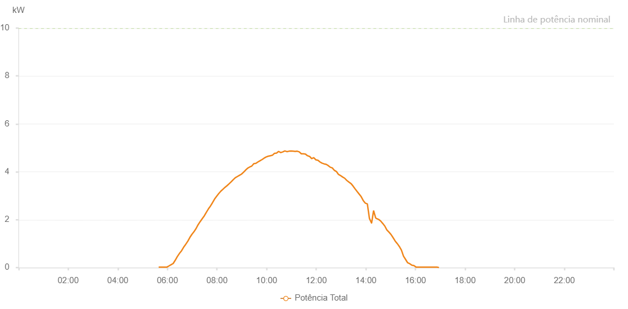

Number | Time | Working State | Alarm Code | Total Inverter Power(W)
1 | 03/06/2023 05:38:55 (UTC-4:00) | Normal |  | 20.000
2 | 03/06/2023 05:43:54 (UTC-4:00) | Normal |  | 20.000
3 | 03/06/2023 05:48:52 (UTC-4:00) | Normal |  | 20.000
4 | 03/06/2023 05:53:56 (UTC-4:00) | Normal |  | 20.000
5 | 03/06/2023 05:58:57 (UTC-4:00) | Normal |  | 20.000
6 | 03/06/2023 06:03:59 (UTC-4:00) | Normal |  | 70.000
7 | 03/06/2023 06:08:59 (UTC-4:00) | Normal |  | 120.000
8 | 03/06/2023 06:14:01 (UTC-4:00) | Normal |  | 170.000
9 | 03/06/2023 06:19:06 (UTC-4:00) | Normal |  | 310.000
10 | 03/06/2023 06:24:06 (UTC-4:00) | Normal |  | 460.000
11 | 03/06/2023 06:29:09 (UTC-4:00) | Normal |  | 590.000
12 | 03/06/2023 06:34:11 (UTC-4:00) | Normal |  | 700.000
13 | 03/06/2023 06:39:16 (UTC-4:00) | Normal |  | 850.000
14 | 03/06/2023 06:44:18 (UTC-4:00) | Normal |  | 970.000
15 | 03/06/2023 06:49:19 (UTC-4:00) | Normal |  | 1100.000
16 | 03/06/2023 06:54:26 (UTC-4:00) | Normal |  | 1260.000
17 | 03/06/2023 06:59:24 (UTC-4:00) | Normal |  | 1390.000
18 | 03/06/2023 07:04:25 (UTC-4:00) | Normal |  | 1500.000
19 | 03/06/2023 07:09:22 (UTC-4:00) | Normal |  | 1630.000
20 | 03/06/2023 07:14:20 (UTC-4:00) | Normal |  | 1790.000
21 | 03/06/2023 07:19:19 (UTC-4:00) | Normal |  | 1920.000
22 | 03/06/2023 07:24:17 (UTC-4:00) | Normal |  | 2040.000
23 | 03/06/2023 07:29:16 (UTC-4:00) | Normal |  | 2160.000
24 | 03/06/2023 07:34:15 (UTC-4:00) | Normal |  | 2310.000
25 | 03/06/2023 07:39:14 (UTC-4:00) | Normal |  | 2450.000
26 | 03/06/2023 07:44:12 (UTC-4:00) | Normal |  | 2570.000
27 | 03/06/2023 07:49:11 (UTC-4:00) | Normal |  | 2710.000
28 | 03/06/2023 07:54:09 (UTC-4:00) | Normal |  | 2860.000
29 | 03/06/2023 07:59:12 (UTC-4:00) | Normal |  | 2980.000
30 | 03/06/2023 08:04:14 (UTC-4:00) | Normal |  | 3090.000
31 | 03/06/2023 08:09:17 (UTC-4:00) | Normal |  | 3190.000
32 | 03/06/2023 08:14:21 (UTC-4:00) | Normal |  | 3270.000
33 | 03/06/2023 08:19:18 (UTC-4:00) | Normal |  | 3350.000
34 | 03/06/2023 08:24:17 (UTC-4:00) | Normal |  | 3420.000
35 | 03/06/2023 08:29:15 (UTC-4:00) | Normal |  | 3500.000
36 | 03/06/2023 08:34:14 (UTC-4:00) | Normal |  | 3580.000
37 | 03/06/2023 08:39:13 (UTC-4:00) | Normal |  | 3670.000
38 | 03/06/2023 08:44:11 (UTC-4:00) | Normal |  | 3750.000
39 | 03/06/2023 08:49:10 (UTC-4:00) | Normal |  | 3800.000
40 | 03/06/2023 08:54:08 (UTC-4:00) | Normal |  | 3850.000
41 | 03/06/2023 08:59:07 (UTC-4:00) | Normal |  | 3900.000
42 | 03/06/2023 09:04:06 (UTC-4:00) | Normal |  | 3980.000
43 | 03/06/2023 09:09:06 (UTC-4:00) | Normal |  | 4070.000
44 | 03/06/2023 09:14:05 (UTC-4:00) | Normal |  | 4150.000
45 | 03/06/2023 09:19:09 (UTC-4:00) | Normal |  | 4200.000
46 | 03/06/2023 09:24:06 (UTC-4:00) | Normal |  | 4240.000
47 | 03/06/2023 09:29:06 (UTC-4:00) | Normal |  | 4340.000
48 | 03/06/2023 09:34:03 (UTC-4:00) | Normal |  | 4350.000
49 | 03/06/2023 09:39:03 (UTC-4:00) | Normal |  | 4410.000
50 | 03/06/2023 09:44:02 (UTC-4:00) | Normal |  | 4460.000
51 | 03/06/2023 09:49:00 (UTC-4:00) | Normal |  | 4510.000
52 | 03/06/2023 09:54:00 (UTC-4:00) | Normal |  | 4570.000
53 | 03/06/2023 09:58:59 (UTC-4:00) | Normal |  | 4620.000
54 | 03/06/2023 10:03:59 (UTC-4:00) | Normal |  | 4650.000
55 | 03/06/2023 10:08:58 (UTC-4:00) | Normal |  | 4670.000
56 | 03/06/2023 10:13:56 (UTC-4:00) | Normal |  | 4690.000
57 | 03/06/2023 10:19:00 (UTC-4:00) | Normal |  | 4770.000
58 | 03/06/2023 10:23:59 (UTC-4:00) | Normal |  | 4780.000
59 | 03/06/2023 10:29:01 (UTC-4:00) | Normal |  | 4850.000
60 | 03/06/2023 10:34:08 (UTC-4:00) | Normal |  | 4800.000
61 | 03/06/2023 10:39:06 (UTC-4:00) | Normal |  | 4830.000
62 | 03/06/2023 10:44:09 (UTC-4:00) | Normal |  | 4870.000
63 | 03/06/2023 10:49:07 (UTC-4:00) | Normal |  | 4840.000
64 | 03/06/2023 10:54:06 (UTC-4:00) | Normal |  | 4860.000
65 | 03/06/2023 10:59:05 (UTC-4:00) | Normal |  | 4870.000
66 | 03/06/2023 11:04:03 (UTC-4:00) | Normal |  | 4860.000
67 | 03/06/2023 11:09:02 (UTC-4:00) | Normal |  | 4850.000
68 | 03/06/2023 11:14:00 (UTC-4:00) | Normal |  | 4860.000
69 | 03/06/2023 11:18:59 (UTC-4:00) | Normal |  | 4830.000
70 | 03/06/2023 11:23:58 (UTC-4:00) | Normal |  | 4750.000
71 | 03/06/2023 11:28:56 (UTC-4:00) | Normal |  | 4750.000
72 | 03/06/2023 11:33:55 (UTC-4:00) | Normal |  | 4740.000
73 | 03/06/2023 11:38:55 (UTC-4:00) | Normal |  | 4670.000
74 | 03/06/2023 11:43:54 (UTC-4:00) | Normal |  | 4640.000
75 | 03/06/2023 11:44:05 (UTC-4:00) | Normal |  | 4640.000
76 | 03/06/2023 11:48:58 (UTC-4:00) | Normal |  | 4550.000
77 | 03/06/2023 11:53:59 (UTC-4:00) | Normal |  | 4590.000
78 | 03/06/2023 11:59:02 (UTC-4:00) | Normal |  | 4500.000
79 | 03/06/2023 12:04:05 (UTC-4:00) | Normal |  | 4480.000
80 | 03/06/2023 12:08:59 (UTC-4:00) | Normal |  | 4410.000
81 | 03/06/2023 12:14:00 (UTC-4:00) | Normal |  | 4360.000
82 | 03/06/2023 12:18:59 (UTC-4:00) | Normal |  | 4330.000
83 | 03/06/2023 12:23:57 (UTC-4:00) | Normal |  | 4310.000
84 | 03/06/2023 12:28:55 (UTC-4:00) | Normal |  | 4260.000
85 | 03/06/2023 12:33:54 (UTC-4:00) | Normal |  | 4190.000
86 | 03/06/2023 12:38:53 (UTC-4:00) | Normal |  | 4160.000
87 | 03/06/2023 12:43:51 (UTC-4:00) | Normal |  | 4060.000
88 | 03/06/2023 12:48:51 (UTC-4:00) | Normal |  | 4010.000
89 | 03/06/2023 12:53:49 (UTC-4:00) | Normal |  | 3890.000
90 | 03/06/2023 12:58:52 (UTC-4:00) | Normal |  | 3840.000
91 | 03/06/2023 13:03:56 (UTC-4:00) | Normal |  | 3780.000
92 | 03/06/2023 13:08:53 (UTC-4:00) | Normal |  | 3730.000
93 | 03/06/2023 13:13:52 (UTC-4:00) | Normal |  | 3640.000
94 | 03/06/2023 13:18:51 (UTC-4:00) | Normal |  | 3570.000
95 | 03/06/2023 13:23:49 (UTC-4:00) | Normal |  | 3510.000
96 | 03/06/2023 13:24:00 (UTC-4:00) | Normal |  | 3510.000
97 | 03/06/2023 13:28:48 (UTC-4:00) | Normal |  | 3410.000
98 | 03/06/2023 13:33:50 (UTC-4:00) | Normal |  | 3290.000
99 | 03/06/2023 13:38:45 (UTC-4:00) | Normal |  | 3180.000
100 | 03/06/2023 13:43:44 (UTC-4:00) | Normal |  | 3070.000
101 | 03/06/2023 13:48:42 (UTC-4:00) | Normal |  | 2960.000
102 | 03/06/2023 13:53:41 (UTC-4:00) | Normal |  | 2800.000
103 | 03/06/2023 13:58:39 (UTC-4:00) | Normal |  | 2690.000
104 | 03/06/2023 14:03:38 (UTC-4:00) | Normal |  | 2660.000
105 | 03/06/2023 14:08:41 (UTC-4:00) | Normal |  | 2050.000
106 | 03/06/2023 14:13:44 (UTC-4:00) | Normal |  | 1860.000
107 | 03/06/2023 14:13:58 (UTC-4:00) | Normal |  | 1860.000
108 | 03/06/2023 14:18:46 (UTC-4:00) | Normal |  | 2380.000
109 | 03/06/2023 14:23:45 (UTC-4:00) | Normal |  | 2070.000
110 | 03/06/2023 14:25:41 (UTC-4:00) | Normal |  | 2050.000
111 | 03/06/2023 14:31:00 (UTC-4:00) | Normal |  | 2010.000
112 | 03/06/2023 14:35:59 (UTC-4:00) | Normal |  | 1940.000
113 | 03/06/2023 14:40:59 (UTC-4:00) | Normal |  | 1840.000
114 | 03/06/2023 14:45:56 (UTC-4:00) | Normal |  | 1730.000
115 | 03/06/2023 14:50:54 (UTC-4:00) | Normal |  | 1570.000
116 | 03/06/2023 14:55:53 (UTC-4:00) | Normal |  | 1480.000
117 | 03/06/2023 15:00:52 (UTC-4:00) | Normal |  | 1380.000
118 | 03/06/2023 15:05:51 (UTC-4:00) | Normal |  | 1250.000
119 | 03/06/2023 15:10:52 (UTC-4:00) | Normal |  | 1110.000
120 | 03/06/2023 15:15:55 (UTC-4:00) | Normal |  | 1000.000
121 | 03/06/2023 15:16:06 (UTC-4:00) | Normal |  | 1000.000
122 | 03/06/2023 15:20:58 (UTC-4:00) | Normal |  | 880.000
123 | 03/06/2023 15:26:00 (UTC-4:00) | Normal |  | 730.000
124 | 03/06/2023 15:31:02 (UTC-4:00) | Normal |  | 480.000
125 | 03/06/2023 15:36:05 (UTC-4:00) | Normal |  | 340.000
126 | 03/06/2023 15:41:08 (UTC-4:00) | Normal |  | 200.000
127 | 03/06/2023 15:46:10 (UTC-4:00) | Normal |  | 160.000
128 | 03/06/2023 15:46:21 (UTC-4:00) | Normal |  | 160.000
129 | 03/06/2023 15:51:16 (UTC-4:00) | Normal |  | 100.000
130 | 03/06/2023 15:56:21 (UTC-4:00) | Normal |  | 80.000
131 | 03/06/2023 16:01:20 (UTC-4:00) | Normal |  | 20.000
132 | 03/06/2023 16:06:22 (UTC-4:00) | Normal |  | 20.000
133 | 03/06/2023 16:11:52 (UTC-4:00) | Normal |  | 20.000
134 | 03/06/2023 16:16:28 (UTC-4:00) | Normal |  | 20.000
135 | 03/06/2023 16:21:31 (UTC-4:00) | Normal |  | 20.000
136 | 03/06/2023 16:26:35 (UTC-4:00) | Normal |  | 20.000
137 | 03/06/2023 16:31:36 (UTC-4:00) | Normal |  | 20.000
138 | 03/06/2023 16:36:39 (UTC-4:00) | Normal |  | 20.000
139 | 03/06/2023 16:41:43 (UTC-4:00) | Normal |  | 20.000
140 | 03/06/2023 16:46:44 (UTC-4:00) | Normal |  | 20.000
141 | 03/06/2023 16:51:46 (UTC-4:00) | Normal |  | 20.000
142 | 03/06/2023 16:56:49 (UTC-4:00) | Normal |  | 0.000

