Inverter History Report__17-08-
Inverter History Report_04/06/2023_Report

Inverter SN:054B7020C020041 |  | Inverter type:B7
Collector SN:4045966636 |  | Full Load Hours(h):3.00
Rated Power:10000Wp

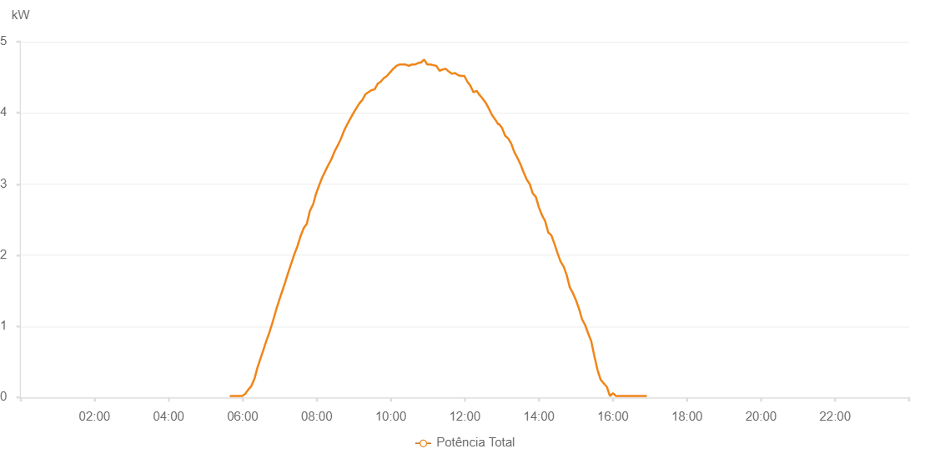

Number | Time | Working State | Alarm Code | Total Inverter Power(W)
1 | 04/06/2023 05:39:06 (UTC-4:00) | Normal |  | 20.000
2 | 04/06/2023 05:44:05 (UTC-4:00) | Normal |  | 20.000
3 | 04/06/2023 05:49:04 (UTC-4:00) | Normal |  | 20.000
4 | 04/06/2023 05:54:07 (UTC-4:00) | Normal |  | 20.000
5 | 04/06/2023 05:59:09 (UTC-4:00) | Normal |  | 20.000
6 | 04/06/2023 06:04:07 (UTC-4:00) | Normal |  | 50.000
7 | 04/06/2023 06:09:05 (UTC-4:00) | Normal |  | 110.000
8 | 04/06/2023 06:14:04 (UTC-4:00) | Normal |  | 160.000
9 | 04/06/2023 06:19:03 (UTC-4:00) | Normal |  | 260.000
10 | 04/06/2023 06:24:01 (UTC-4:00) | Normal |  | 420.000
11 | 04/06/2023 06:29:00 (UTC-4:00) | Normal |  | 550.000
12 | 04/06/2023 06:33:59 (UTC-4:00) | Normal |  | 680.000
13 | 04/06/2023 06:38:59 (UTC-4:00) | Normal |  | 810.000
14 | 04/06/2023 06:43:56 (UTC-4:00) | Normal |  | 930.000
15 | 04/06/2023 06:48:55 (UTC-4:00) | Normal |  | 1070.000
16 | 04/06/2023 06:53:53 (UTC-4:00) | Normal |  | 1220.000
17 | 04/06/2023 06:58:53 (UTC-4:00) | Normal |  | 1360.000
18 | 04/06/2023 07:03:56 (UTC-4:00) | Normal |  | 1490.000
19 | 04/06/2023 07:08:58 (UTC-4:00) | Normal |  | 1620.000
20 | 04/06/2023 07:14:01 (UTC-4:00) | Normal |  | 1760.000
21 | 04/06/2023 07:19:00 (UTC-4:00) | Normal |  | 1890.000
22 | 04/06/2023 07:23:59 (UTC-4:00) | Normal |  | 2020.000
23 | 04/06/2023 07:28:59 (UTC-4:00) | Normal |  | 2130.000
24 | 04/06/2023 07:33:56 (UTC-4:00) | Normal |  | 2270.000
25 | 04/06/2023 07:38:55 (UTC-4:00) | Normal |  | 2380.000
26 | 04/06/2023 07:43:55 (UTC-4:00) | Normal |  | 2440.000
27 | 04/06/2023 07:48:52 (UTC-4:00) | Normal |  | 2620.000
28 | 04/06/2023 07:53:51 (UTC-4:00) | Normal |  | 2710.000
29 | 04/06/2023 07:54:02 (UTC-4:00) | Normal |  | 2710.000
30 | 04/06/2023 07:58:50 (UTC-4:00) | Normal |  | 2860.000
31 | 04/06/2023 08:03:50 (UTC-4:00) | Normal |  | 2980.000
32 | 04/06/2023 08:08:49 (UTC-4:00) | Normal |  | 3090.000
33 | 04/06/2023 08:13:49 (UTC-4:00) | Normal |  | 3180.000
34 | 04/06/2023 08:18:52 (UTC-4:00) | Normal |  | 3270.000
35 | 04/06/2023 08:23:54 (UTC-4:00) | Normal |  | 3350.000
36 | 04/06/2023 08:28:59 (UTC-4:00) | Normal |  | 3460.000
37 | 04/06/2023 08:33:56 (UTC-4:00) | Normal |  | 3540.000
38 | 04/06/2023 08:38:56 (UTC-4:00) | Normal |  | 3630.000
39 | 04/06/2023 08:43:53 (UTC-4:00) | Normal |  | 3740.000
40 | 04/06/2023 08:48:52 (UTC-4:00) | Normal |  | 3830.000
41 | 04/06/2023 08:53:55 (UTC-4:00) | Normal |  | 3910.000
42 | 04/06/2023 08:58:54 (UTC-4:00) | Normal |  | 3990.000
43 | 04/06/2023 09:03:52 (UTC-4:00) | Normal |  | 4060.000
44 | 04/06/2023 09:08:51 (UTC-4:00) | Normal |  | 4130.000
45 | 04/06/2023 09:13:50 (UTC-4:00) | Normal |  | 4180.000
46 | 04/06/2023 09:18:49 (UTC-4:00) | Normal |  | 4260.000
47 | 04/06/2023 09:23:47 (UTC-4:00) | Normal |  | 4290.000
48 | 04/06/2023 09:28:46 (UTC-4:00) | Normal |  | 4320.000
49 | 04/06/2023 09:33:45 (UTC-4:00) | Normal |  | 4330.000
50 | 04/06/2023 09:38:48 (UTC-4:00) | Normal |  | 4410.000
51 | 04/06/2023 09:43:51 (UTC-4:00) | Normal |  | 4440.000
52 | 04/06/2023 09:48:53 (UTC-4:00) | Normal |  | 4490.000
53 | 04/06/2023 09:53:56 (UTC-4:00) | Normal |  | 4520.000
54 | 04/06/2023 09:58:59 (UTC-4:00) | Normal |  | 4570.000
55 | 04/06/2023 10:04:02 (UTC-4:00) | Normal |  | 4620.000
56 | 04/06/2023 10:04:13 (UTC-4:00) | Normal |  | 4620.000
57 | 04/06/2023 10:09:08 (UTC-4:00) | Normal |  | 4660.000
58 | 04/06/2023 10:14:09 (UTC-4:00) | Normal |  | 4680.000
59 | 04/06/2023 10:14:25 (UTC-4:00) | Normal |  | 4680.000
60 | 04/06/2023 10:19:10 (UTC-4:00) | Normal |  | 4680.000
61 | 04/06/2023 10:24:13 (UTC-4:00) | Normal |  | 4680.000
62 | 04/06/2023 10:29:12 (UTC-4:00) | Normal |  | 4660.000
63 | 04/06/2023 10:34:10 (UTC-4:00) | Normal |  | 4680.000
64 | 04/06/2023 10:39:11 (UTC-4:00) | Normal |  | 4680.000
65 | 04/06/2023 10:44:08 (UTC-4:00) | Normal |  | 4700.000
66 | 04/06/2023 10:49:07 (UTC-4:00) | Normal |  | 4710.000
67 | 04/06/2023 10:54:05 (UTC-4:00) | Normal |  | 4750.000
68 | 04/06/2023 10:59:04 (UTC-4:00) | Normal |  | 4680.000
69 | 04/06/2023 11:04:03 (UTC-4:00) | Normal |  | 4680.000
70 | 04/06/2023 11:09:03 (UTC-4:00) | Normal |  | 4670.000
71 | 04/06/2023 11:14:01 (UTC-4:00) | Normal |  | 4660.000
72 | 04/06/2023 11:18:59 (UTC-4:00) | Normal |  | 4590.000
73 | 04/06/2023 11:23:59 (UTC-4:00) | Normal |  | 4610.000
74 | 04/06/2023 11:24:10 (UTC-4:00) | Normal |  | 4610.000
75 | 04/06/2023 11:29:03 (UTC-4:00) | Normal |  | 4620.000
76 | 04/06/2023 11:34:08 (UTC-4:00) | Normal |  | 4580.000
77 | 04/06/2023 11:39:09 (UTC-4:00) | Normal |  | 4550.000
78 | 04/06/2023 11:44:08 (UTC-4:00) | Normal |  | 4560.000
79 | 04/06/2023 11:49:06 (UTC-4:00) | Normal |  | 4530.000
80 | 04/06/2023 11:54:05 (UTC-4:00) | Normal |  | 4520.000
81 | 04/06/2023 11:59:06 (UTC-4:00) | Normal |  | 4520.000
82 | 04/06/2023 12:04:03 (UTC-4:00) | Normal |  | 4440.000
83 | 04/06/2023 12:09:02 (UTC-4:00) | Normal |  | 4380.000
84 | 04/06/2023 12:14:01 (UTC-4:00) | Normal |  | 4290.000
85 | 04/06/2023 12:19:01 (UTC-4:00) | Normal |  | 4310.000
86 | 04/06/2023 12:23:58 (UTC-4:00) | Normal |  | 4250.000
87 | 04/06/2023 12:28:57 (UTC-4:00) | Normal |  | 4200.000
88 | 04/06/2023 12:33:56 (UTC-4:00) | Normal |  | 4140.000
89 | 04/06/2023 12:34:07 (UTC-4:00) | Normal |  | 4140.000
90 | 04/06/2023 12:38:56 (UTC-4:00) | Normal |  | 4060.000
91 | 04/06/2023 12:43:59 (UTC-4:00) | Normal |  | 3970.000
92 | 04/06/2023 12:49:01 (UTC-4:00) | Normal |  | 3910.000
93 | 04/06/2023 12:54:04 (UTC-4:00) | Normal |  | 3840.000
94 | 04/06/2023 12:54:25 (UTC-4:00) | Normal |  | 3840.000
95 | 04/06/2023 12:54:54 (UTC-4:00) | Normal |  | 3850.000
96 | 04/06/2023 13:00:13 (UTC-4:00) | Normal |  | 3790.000
97 | 04/06/2023 13:05:17 (UTC-4:00) | Normal |  | 3680.000
98 | 04/06/2023 13:10:10 (UTC-4:00) | Normal |  | 3640.000
99 | 04/06/2023 13:15:08 (UTC-4:00) | Normal |  | 3570.000
100 | 04/06/2023 13:20:06 (UTC-4:00) | Normal |  | 3450.000
101 | 04/06/2023 13:25:04 (UTC-4:00) | Normal |  | 3370.000
102 | 04/06/2023 13:30:02 (UTC-4:00) | Normal |  | 3280.000
103 | 04/06/2023 13:35:01 (UTC-4:00) | Normal |  | 3170.000
104 | 04/06/2023 13:39:59 (UTC-4:00) | Normal |  | 3070.000
105 | 04/06/2023 13:44:58 (UTC-4:00) | Normal |  | 3000.000
106 | 04/06/2023 13:45:09 (UTC-4:00) | Normal |  | 3000.000
107 | 04/06/2023 13:50:01 (UTC-4:00) | Normal |  | 2870.000
108 | 04/06/2023 13:55:02 (UTC-4:00) | Normal |  | 2820.000
109 | 04/06/2023 14:00:04 (UTC-4:00) | Normal |  | 2670.000
110 | 04/06/2023 14:05:07 (UTC-4:00) | Normal |  | 2560.000
111 | 04/06/2023 14:10:09 (UTC-4:00) | Normal |  | 2480.000
112 | 04/06/2023 14:15:11 (UTC-4:00) | Normal |  | 2320.000
113 | 04/06/2023 14:20:13 (UTC-4:00) | Normal |  | 2280.000
114 | 04/06/2023 14:25:11 (UTC-4:00) | Normal |  | 2160.000
115 | 04/06/2023 14:30:09 (UTC-4:00) | Normal |  | 2030.000
116 | 04/06/2023 14:35:09 (UTC-4:00) | Normal |  | 1910.000
117 | 04/06/2023 14:40:06 (UTC-4:00) | Normal |  | 1840.000
118 | 04/06/2023 14:45:04 (UTC-4:00) | Normal |  | 1720.000
119 | 04/06/2023 14:50:02 (UTC-4:00) | Normal |  | 1550.000
120 | 04/06/2023 14:55:00 (UTC-4:00) | Normal |  | 1470.000
121 | 04/06/2023 14:59:58 (UTC-4:00) | Normal |  | 1370.000
122 | 04/06/2023 15:04:56 (UTC-4:00) | Normal |  | 1250.000
123 | 04/06/2023 15:09:55 (UTC-4:00) | Normal |  | 1100.000
124 | 04/06/2023 15:14:55 (UTC-4:00) | Normal |  | 1020.000
125 | 04/06/2023 15:19:52 (UTC-4:00) | Normal |  | 900.000
126 | 04/06/2023 15:24:54 (UTC-4:00) | Normal |  | 790.000
127 | 04/06/2023 15:29:56 (UTC-4:00) | Normal |  | 580.000
128 | 04/06/2023 15:34:58 (UTC-4:00) | Normal |  | 390.000
129 | 04/06/2023 15:40:01 (UTC-4:00) | Normal |  | 250.000
130 | 04/06/2023 15:45:03 (UTC-4:00) | Normal |  | 200.000
131 | 04/06/2023 15:50:05 (UTC-4:00) | Normal |  | 150.000
132 | 04/06/2023 15:55:09 (UTC-4:00) | Normal |  | 20.000
133 | 04/06/2023 16:00:11 (UTC-4:00) | Normal |  | 60.000
134 | 04/06/2023 16:05:11 (UTC-4:00) | Normal |  | 20.000
135 | 04/06/2023 16:10:13 (UTC-4:00) | Normal |  | 20.000
136 | 04/06/2023 16:15:11 (UTC-4:00) | Normal |  | 20.000
137 | 04/06/2023 16:20:13 (UTC-4:00) | Normal |  | 20.000
138 | 04/06/2023 16:25:08 (UTC-4:00) | Normal |  | 20.000
139 | 04/06/2023 16:30:06 (UTC-4:00) | Normal |  | 20.000
140 | 04/06/2023 16:35:04 (UTC-4:00) | Normal |  | 20.000
141 | 04/06/2023 16:40:02 (UTC-4:00) | Normal |  | 20.000
142 | 04/06/2023 16:45:00 (UTC-4:00) | Normal |  | 20.000
143 | 04/06/2023 16:49:58 (UTC-4:00) | Normal |  | 20.000
144 | 04/06/2023 16:54:57 (UTC-4:00) | Normal |  | 20.000

