Inverter History Report__17-08-
Inverter History Report_08/06/2023_Report

Inverter SN:054B7020C020041 |  | Inverter type:B7
Collector SN:4045966636 |  | Full Load Hours(h):2.78
Rated Power:10000Wp

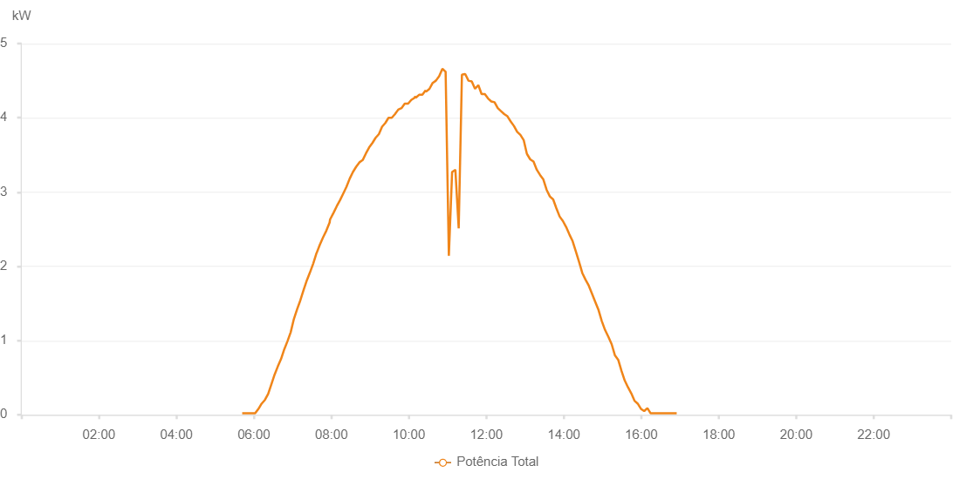

Number | Time | Working State | Alarm Code | Total Inverter Power(W)
1 | 08/06/2023 05:41:53 (UTC-4:00) | Normal |  | 20.000
2 | 08/06/2023 05:46:56 (UTC-4:00) | Normal |  | 20.000
3 | 08/06/2023 05:51:55 (UTC-4:00) | Normal |  | 20.000
4 | 08/06/2023 05:56:55 (UTC-4:00) | Normal |  | 20.000
5 | 08/06/2023 06:01:57 (UTC-4:00) | Normal |  | 20.000
6 | 08/06/2023 06:07:00 (UTC-4:00) | Normal |  | 80.000
7 | 08/06/2023 06:07:11 (UTC-4:00) | Normal |  | 80.000
8 | 08/06/2023 06:12:01 (UTC-4:00) | Normal |  | 150.000
9 | 08/06/2023 06:17:04 (UTC-4:00) | Normal |  | 200.000
10 | 08/06/2023 06:22:03 (UTC-4:00) | Normal |  | 280.000
11 | 08/06/2023 06:27:02 (UTC-4:00) | Normal |  | 410.000
12 | 08/06/2023 06:32:02 (UTC-4:00) | Normal |  | 540.000
13 | 08/06/2023 06:37:01 (UTC-4:00) | Normal |  | 650.000
14 | 08/06/2023 06:42:00 (UTC-4:00) | Normal |  | 750.000
15 | 08/06/2023 06:46:59 (UTC-4:00) | Normal |  | 880.000
16 | 08/06/2023 06:51:58 (UTC-4:00) | Normal |  | 990.000
17 | 08/06/2023 06:56:57 (UTC-4:00) | Normal |  | 1110.000
18 | 08/06/2023 07:01:56 (UTC-4:00) | Normal |  | 1290.000
19 | 08/06/2023 07:06:55 (UTC-4:00) | Normal |  | 1420.000
20 | 08/06/2023 07:11:54 (UTC-4:00) | Normal |  | 1540.000
21 | 08/06/2023 07:16:55 (UTC-4:00) | Normal |  | 1680.000
22 | 08/06/2023 07:21:59 (UTC-4:00) | Normal |  | 1810.000
23 | 08/06/2023 07:27:00 (UTC-4:00) | Normal |  | 1920.000
24 | 08/06/2023 07:32:02 (UTC-4:00) | Normal |  | 2040.000
25 | 08/06/2023 07:37:05 (UTC-4:00) | Normal |  | 2180.000
26 | 08/06/2023 07:37:16 (UTC-4:00) | Normal |  | 2180.000
27 | 08/06/2023 07:42:09 (UTC-4:00) | Normal |  | 2290.000
28 | 08/06/2023 07:47:11 (UTC-4:00) | Normal |  | 2390.000
29 | 08/06/2023 07:52:14 (UTC-4:00) | Normal |  | 2480.000
30 | 08/06/2023 07:57:17 (UTC-4:00) | Normal |  | 2590.000
31 | 08/06/2023 07:57:59 (UTC-4:00) | Normal |  | 2630.000
32 | 08/06/2023 08:03:22 (UTC-4:00) | Normal |  | 2720.000
33 | 08/06/2023 08:08:24 (UTC-4:00) | Normal |  | 2810.000
34 | 08/06/2023 08:13:24 (UTC-4:00) | Normal |  | 2890.000
35 | 08/06/2023 08:18:24 (UTC-4:00) | Normal |  | 2980.000
36 | 08/06/2023 08:23:24 (UTC-4:00) | Normal |  | 3070.000
37 | 08/06/2023 08:28:24 (UTC-4:00) | Normal |  | 3180.000
38 | 08/06/2023 08:33:24 (UTC-4:00) | Normal |  | 3270.000
39 | 08/06/2023 08:38:24 (UTC-4:00) | Normal |  | 3340.000
40 | 08/06/2023 08:43:27 (UTC-4:00) | Normal |  | 3400.000
41 | 08/06/2023 08:48:30 (UTC-4:00) | Normal |  | 3430.000
42 | 08/06/2023 08:53:30 (UTC-4:00) | Normal |  | 3520.000
43 | 08/06/2023 08:58:30 (UTC-4:00) | Normal |  | 3600.000
44 | 08/06/2023 09:03:30 (UTC-4:00) | Normal |  | 3660.000
45 | 08/06/2023 09:08:30 (UTC-4:00) | Normal |  | 3730.000
46 | 08/06/2023 09:13:37 (UTC-4:00) | Normal |  | 3780.000
47 | 08/06/2023 09:18:32 (UTC-4:00) | Normal |  | 3880.000
48 | 08/06/2023 09:23:32 (UTC-4:00) | Normal |  | 3930.000
49 | 08/06/2023 09:28:32 (UTC-4:00) | Normal |  | 4000.000
50 | 08/06/2023 09:33:33 (UTC-4:00) | Normal |  | 4000.000
51 | 08/06/2023 09:38:34 (UTC-4:00) | Normal |  | 4050.000
52 | 08/06/2023 09:43:34 (UTC-4:00) | Normal |  | 4110.000
53 | 08/06/2023 09:48:36 (UTC-4:00) | Normal |  | 4130.000
54 | 08/06/2023 09:53:38 (UTC-4:00) | Normal |  | 4190.000
55 | 08/06/2023 09:58:41 (UTC-4:00) | Normal |  | 4190.000
56 | 08/06/2023 09:58:51 (UTC-4:00) | Normal |  | 4190.000
57 | 08/06/2023 10:03:45 (UTC-4:00) | Normal |  | 4240.000
58 | 08/06/2023 10:08:59 (UTC-4:00) | Normal |  | 4270.000
59 | 08/06/2023 10:09:43 (UTC-4:00) | Normal |  | 4290.000
60 | 08/06/2023 10:10:41 (UTC-4:00) | Normal |  | 4270.000
61 | 08/06/2023 10:15:54 (UTC-4:00) | Normal |  | 4310.000
62 | 08/06/2023 10:15:56 (UTC-4:00) | Normal |  | 4310.000
63 | 08/06/2023 10:20:57 (UTC-4:00) | Normal |  | 4310.000
64 | 08/06/2023 10:25:59 (UTC-4:00) | Normal |  | 4370.000
65 | 08/06/2023 10:26:30 (UTC-4:00) | Normal |  | 4350.000
66 | 08/06/2023 10:31:55 (UTC-4:00) | Normal |  | 4390.000
67 | 08/06/2023 10:36:56 (UTC-4:00) | Normal |  | 4470.000
68 | 08/06/2023 10:41:56 (UTC-4:00) | Normal |  | 4500.000
69 | 08/06/2023 10:46:57 (UTC-4:00) | Normal |  | 4560.000
70 | 08/06/2023 10:51:57 (UTC-4:00) | Normal |  | 4660.000
71 | 08/06/2023 10:56:58 (UTC-4:00) | Normal |  | 4620.000
72 | 08/06/2023 11:01:58 (UTC-4:00) | Normal |  | 2140.000
73 | 08/06/2023 11:07:01 (UTC-4:00) | Normal |  | 3270.000
74 | 08/06/2023 11:12:04 (UTC-4:00) | Normal |  | 3300.000
75 | 08/06/2023 11:17:13 (UTC-4:00) | Normal |  | 2510.000
76 | 08/06/2023 11:22:13 (UTC-4:00) | Normal |  | 4580.000
77 | 08/06/2023 11:27:18 (UTC-4:00) | Normal |  | 4590.000
78 | 08/06/2023 11:32:22 (UTC-4:00) | Normal |  | 4500.000
79 | 08/06/2023 11:37:27 (UTC-4:00) | Normal |  | 4490.000
80 | 08/06/2023 11:42:32 (UTC-4:00) | Normal |  | 4390.000
81 | 08/06/2023 11:47:37 (UTC-4:00) | Normal |  | 4440.000
82 | 08/06/2023 11:52:41 (UTC-4:00) | Normal |  | 4320.000
83 | 08/06/2023 11:57:42 (UTC-4:00) | Normal |  | 4320.000
84 | 08/06/2023 12:02:42 (UTC-4:00) | Normal |  | 4260.000
85 | 08/06/2023 12:07:43 (UTC-4:00) | Normal |  | 4220.000
86 | 08/06/2023 12:12:43 (UTC-4:00) | Normal |  | 4210.000
87 | 08/06/2023 12:17:44 (UTC-4:00) | Normal |  | 4130.000
88 | 08/06/2023 12:22:44 (UTC-4:00) | Normal |  | 4090.000
89 | 08/06/2023 12:27:45 (UTC-4:00) | Normal |  | 4050.000
90 | 08/06/2023 12:32:45 (UTC-4:00) | Normal |  | 4020.000
91 | 08/06/2023 12:37:46 (UTC-4:00) | Normal |  | 3950.000
92 | 08/06/2023 12:42:46 (UTC-4:00) | Normal |  | 3890.000
93 | 08/06/2023 12:47:47 (UTC-4:00) | Normal |  | 3810.000
94 | 08/06/2023 12:52:47 (UTC-4:00) | Normal |  | 3770.000
95 | 08/06/2023 12:57:52 (UTC-4:00) | Normal |  | 3700.000
96 | 08/06/2023 13:02:56 (UTC-4:00) | Normal |  | 3510.000
97 | 08/06/2023 13:03:07 (UTC-4:00) | Normal |  | 3510.000
98 | 08/06/2023 13:08:02 (UTC-4:00) | Normal |  | 3440.000
99 | 08/06/2023 13:13:06 (UTC-4:00) | Normal |  | 3410.000
100 | 08/06/2023 13:18:11 (UTC-4:00) | Normal |  | 3300.000
101 | 08/06/2023 13:23:15 (UTC-4:00) | Normal |  | 3230.000
102 | 08/06/2023 13:28:20 (UTC-4:00) | Normal |  | 3170.000
103 | 08/06/2023 13:33:24 (UTC-4:00) | Normal |  | 3030.000
104 | 08/06/2023 13:38:29 (UTC-4:00) | Normal |  | 2940.000
105 | 08/06/2023 13:43:33 (UTC-4:00) | Normal |  | 2900.000
106 | 08/06/2023 13:48:34 (UTC-4:00) | Normal |  | 2780.000
107 | 08/06/2023 13:53:35 (UTC-4:00) | Normal |  | 2670.000
108 | 08/06/2023 13:58:35 (UTC-4:00) | Normal |  | 2610.000
109 | 08/06/2023 14:03:35 (UTC-4:00) | Normal |  | 2530.000
110 | 08/06/2023 14:08:37 (UTC-4:00) | Normal |  | 2430.000
111 | 08/06/2023 14:13:37 (UTC-4:00) | Normal |  | 2340.000
112 | 08/06/2023 14:18:38 (UTC-4:00) | Normal |  | 2200.000
113 | 08/06/2023 14:23:38 (UTC-4:00) | Normal |  | 2060.000
114 | 08/06/2023 14:28:39 (UTC-4:00) | Normal |  | 1910.000
115 | 08/06/2023 14:33:39 (UTC-4:00) | Normal |  | 1820.000
116 | 08/06/2023 14:38:40 (UTC-4:00) | Normal |  | 1740.000
117 | 08/06/2023 14:43:42 (UTC-4:00) | Normal |  | 1630.000
118 | 08/06/2023 14:48:47 (UTC-4:00) | Normal |  | 1520.000
119 | 08/06/2023 14:53:51 (UTC-4:00) | Normal |  | 1410.000
120 | 08/06/2023 14:58:55 (UTC-4:00) | Normal |  | 1260.000
121 | 08/06/2023 15:04:00 (UTC-4:00) | Normal |  | 1140.000
122 | 08/06/2023 15:09:04 (UTC-4:00) | Normal |  | 1050.000
123 | 08/06/2023 15:14:09 (UTC-4:00) | Normal |  | 950.000
124 | 08/06/2023 15:19:14 (UTC-4:00) | Normal |  | 800.000
125 | 08/06/2023 15:24:18 (UTC-4:00) | Normal |  | 740.000
126 | 08/06/2023 15:29:22 (UTC-4:00) | Normal |  | 590.000
127 | 08/06/2023 15:34:27 (UTC-4:00) | Normal |  | 460.000
128 | 08/06/2023 15:39:27 (UTC-4:00) | Normal |  | 370.000
129 | 08/06/2023 15:44:28 (UTC-4:00) | Normal |  | 290.000
130 | 08/06/2023 15:49:28 (UTC-4:00) | Normal |  | 190.000
131 | 08/06/2023 15:54:29 (UTC-4:00) | Normal |  | 150.000
132 | 08/06/2023 15:59:29 (UTC-4:00) | Normal |  | 80.000
133 | 08/06/2023 16:04:30 (UTC-4:00) | Normal |  | 50.000
134 | 08/06/2023 16:09:30 (UTC-4:00) | Normal |  | 90.000
135 | 08/06/2023 16:14:30 (UTC-4:00) | Normal |  | 20.000
136 | 08/06/2023 16:19:31 (UTC-4:00) | Normal |  | 20.000
137 | 08/06/2023 16:24:31 (UTC-4:00) | Normal |  | 20.000
138 | 08/06/2023 16:29:32 (UTC-4:00) | Normal |  | 20.000
139 | 08/06/2023 16:34:34 (UTC-4:00) | Normal |  | 20.000
140 | 08/06/2023 16:39:39 (UTC-4:00) | Normal |  | 20.000
141 | 08/06/2023 16:44:43 (UTC-4:00) | Normal |  | 20.000
142 | 08/06/2023 16:49:48 (UTC-4:00) | Normal |  | 20.000
143 | 08/06/2023 16:54:52 (UTC-4:00) | Normal |  | 20.000

