Inverter History Report__17-08-
Inverter History Report_09/06/2023_Report

Inverter SN:054B7020C020041 |  | Inverter type:B7
Collector SN:4045966636 |  | Full Load Hours(h):2.87
Rated Power:10000Wp

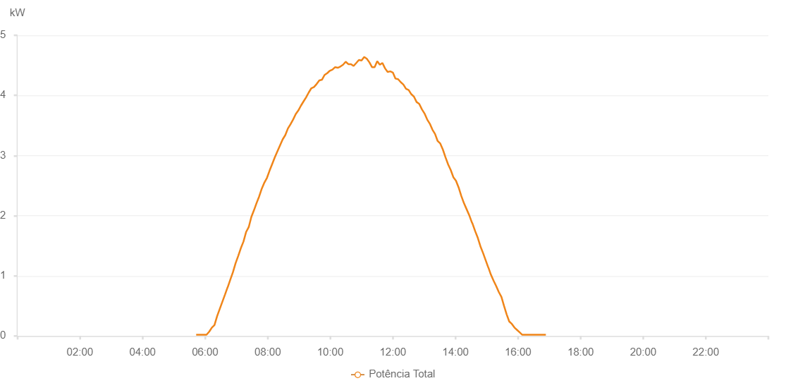

Number | Time | Working State | Alarm Code | Total Inverter Power(W)
1 | 09/06/2023 05:42:54 (UTC-4:00) | Normal |  | 20.000
2 | 09/06/2023 05:42:57 (UTC-4:00) | Normal |  | 20.000
3 | 09/06/2023 05:47:34 (UTC-4:00) | Normal |  | 20.000
4 | 09/06/2023 05:52:34 (UTC-4:00) | Normal |  | 20.000
5 | 09/06/2023 05:57:57 (UTC-4:00) | Normal |  | 20.000
6 | 09/06/2023 06:02:42 (UTC-4:00) | Normal |  | 20.000
7 | 09/06/2023 06:07:46 (UTC-4:00) | Normal |  | 70.000
8 | 09/06/2023 06:13:01 (UTC-4:00) | Normal |  | 140.000
9 | 09/06/2023 06:17:55 (UTC-4:00) | Normal |  | 180.000
10 | 09/06/2023 06:23:04 (UTC-4:00) | Normal |  | 330.000
11 | 09/06/2023 06:28:06 (UTC-4:00) | Normal |  | 450.000
12 | 09/06/2023 06:33:11 (UTC-4:00) | Normal |  | 570.000
13 | 09/06/2023 06:38:16 (UTC-4:00) | Normal |  | 690.000
14 | 09/06/2023 06:43:12 (UTC-4:00) | Normal |  | 810.000
15 | 09/06/2023 06:43:23 (UTC-4:00) | Normal |  | 810.000
16 | 09/06/2023 06:48:28 (UTC-4:00) | Normal |  | 940.000
17 | 09/06/2023 06:53:22 (UTC-4:00) | Normal |  | 1060.000
18 | 09/06/2023 06:58:27 (UTC-4:00) | Normal |  | 1210.000
19 | 09/06/2023 07:03:29 (UTC-4:00) | Normal |  | 1330.000
20 | 09/06/2023 07:08:33 (UTC-4:00) | Normal |  | 1460.000
21 | 09/06/2023 07:13:37 (UTC-4:00) | Normal |  | 1570.000
22 | 09/06/2023 07:18:41 (UTC-4:00) | Normal |  | 1730.000
23 | 09/06/2023 07:23:41 (UTC-4:00) | Normal |  | 1810.000
24 | 09/06/2023 07:28:41 (UTC-4:00) | Normal |  | 1980.000
25 | 09/06/2023 07:33:41 (UTC-4:00) | Normal |  | 2090.000
26 | 09/06/2023 07:38:40 (UTC-4:00) | Normal |  | 2210.000
27 | 09/06/2023 07:43:40 (UTC-4:00) | Normal |  | 2320.000
28 | 09/06/2023 07:48:40 (UTC-4:00) | Normal |  | 2450.000
29 | 09/06/2023 07:53:40 (UTC-4:00) | Normal |  | 2550.000
30 | 09/06/2023 07:58:40 (UTC-4:00) | Normal |  | 2630.000
31 | 09/06/2023 08:03:40 (UTC-4:00) | Normal |  | 2750.000
32 | 09/06/2023 08:08:40 (UTC-4:00) | Normal |  | 2860.000
33 | 09/06/2023 08:13:40 (UTC-4:00) | Normal |  | 2970.000
34 | 09/06/2023 08:18:40 (UTC-4:00) | Normal |  | 3070.000
35 | 09/06/2023 08:23:43 (UTC-4:00) | Normal |  | 3170.000
36 | 09/06/2023 08:28:47 (UTC-4:00) | Normal |  | 3270.000
37 | 09/06/2023 08:33:47 (UTC-4:00) | Normal |  | 3340.000
38 | 09/06/2023 08:38:47 (UTC-4:00) | Normal |  | 3450.000
39 | 09/06/2023 08:43:47 (UTC-4:00) | Normal |  | 3520.000
40 | 09/06/2023 08:48:49 (UTC-4:00) | Normal |  | 3600.000
41 | 09/06/2023 08:53:47 (UTC-4:00) | Normal |  | 3690.000
42 | 09/06/2023 08:58:47 (UTC-4:00) | Normal |  | 3750.000
43 | 09/06/2023 09:03:47 (UTC-4:00) | Normal |  | 3830.000
44 | 09/06/2023 09:08:46 (UTC-4:00) | Normal |  | 3900.000
45 | 09/06/2023 09:13:46 (UTC-4:00) | Normal |  | 3970.000
46 | 09/06/2023 09:18:46 (UTC-4:00) | Normal |  | 4050.000
47 | 09/06/2023 09:23:46 (UTC-4:00) | Normal |  | 4120.000
48 | 09/06/2023 09:28:48 (UTC-4:00) | Normal |  | 4140.000
49 | 09/06/2023 09:33:52 (UTC-4:00) | Normal |  | 4190.000
50 | 09/06/2023 09:38:58 (UTC-4:00) | Normal |  | 4250.000
51 | 09/06/2023 09:44:01 (UTC-4:00) | Normal |  | 4260.000
52 | 09/06/2023 09:49:04 (UTC-4:00) | Normal |  | 4340.000
53 | 09/06/2023 09:54:07 (UTC-4:00) | Normal |  | 4370.000
54 | 09/06/2023 09:59:11 (UTC-4:00) | Normal |  | 4410.000
55 | 09/06/2023 10:04:15 (UTC-4:00) | Normal |  | 4430.000
56 | 09/06/2023 10:09:20 (UTC-4:00) | Normal |  | 4470.000
57 | 09/06/2023 10:14:23 (UTC-4:00) | Normal |  | 4460.000
58 | 09/06/2023 10:19:27 (UTC-4:00) | Normal |  | 4480.000
59 | 09/06/2023 10:24:31 (UTC-4:00) | Normal |  | 4510.000
60 | 09/06/2023 10:29:35 (UTC-4:00) | Normal |  | 4560.000
61 | 09/06/2023 10:34:39 (UTC-4:00) | Normal |  | 4520.000
62 | 09/06/2023 10:39:43 (UTC-4:00) | Normal |  | 4520.000
63 | 09/06/2023 10:44:46 (UTC-4:00) | Normal |  | 4490.000
64 | 09/06/2023 10:49:51 (UTC-4:00) | Normal |  | 4540.000
65 | 09/06/2023 10:54:54 (UTC-4:00) | Normal |  | 4590.000
66 | 09/06/2023 10:59:58 (UTC-4:00) | Normal |  | 4580.000
67 | 09/06/2023 11:05:02 (UTC-4:00) | Normal |  | 4640.000
68 | 09/06/2023 11:10:02 (UTC-4:00) | Normal |  | 4610.000
69 | 09/06/2023 11:15:02 (UTC-4:00) | Normal |  | 4550.000
70 | 09/06/2023 11:20:01 (UTC-4:00) | Normal |  | 4470.000
71 | 09/06/2023 11:25:01 (UTC-4:00) | Normal |  | 4470.000
72 | 09/06/2023 11:30:02 (UTC-4:00) | Normal |  | 4570.000
73 | 09/06/2023 11:35:01 (UTC-4:00) | Normal |  | 4510.000
74 | 09/06/2023 11:40:01 (UTC-4:00) | Normal |  | 4540.000
75 | 09/06/2023 11:45:01 (UTC-4:00) | Normal |  | 4450.000
76 | 09/06/2023 11:50:01 (UTC-4:00) | Normal |  | 4390.000
77 | 09/06/2023 11:55:02 (UTC-4:00) | Normal |  | 4400.000
78 | 09/06/2023 12:00:00 (UTC-4:00) | Normal |  | 4380.000
79 | 09/06/2023 12:05:02 (UTC-4:00) | Normal |  | 4280.000
80 | 09/06/2023 12:10:05 (UTC-4:00) | Normal |  | 4270.000
81 | 09/06/2023 12:15:08 (UTC-4:00) | Normal |  | 4220.000
82 | 09/06/2023 12:20:12 (UTC-4:00) | Normal |  | 4180.000
83 | 09/06/2023 12:25:15 (UTC-4:00) | Normal |  | 4110.000
84 | 09/06/2023 12:30:19 (UTC-4:00) | Normal |  | 4090.000
85 | 09/06/2023 12:35:23 (UTC-4:00) | Normal |  | 4020.000
86 | 09/06/2023 12:40:27 (UTC-4:00) | Normal |  | 3980.000
87 | 09/06/2023 12:45:31 (UTC-4:00) | Normal |  | 3890.000
88 | 09/06/2023 12:50:34 (UTC-4:00) | Normal |  | 3860.000
89 | 09/06/2023 12:55:38 (UTC-4:00) | Normal |  | 3770.000
90 | 09/06/2023 13:00:42 (UTC-4:00) | Normal |  | 3700.000
91 | 09/06/2023 13:05:46 (UTC-4:00) | Normal |  | 3600.000
92 | 09/06/2023 13:10:50 (UTC-4:00) | Normal |  | 3530.000
93 | 09/06/2023 13:15:54 (UTC-4:00) | Normal |  | 3430.000
94 | 09/06/2023 13:20:54 (UTC-4:00) | Normal |  | 3360.000
95 | 09/06/2023 13:25:55 (UTC-4:00) | Normal |  | 3240.000
96 | 09/06/2023 13:26:18 (UTC-4:00) | Normal |  | 3240.000
97 | 09/06/2023 13:30:54 (UTC-4:00) | Normal |  | 3200.000
98 | 09/06/2023 13:35:54 (UTC-4:00) | Normal |  | 3100.000
99 | 09/06/2023 13:41:00 (UTC-4:00) | Normal |  | 2970.000
100 | 09/06/2023 13:46:05 (UTC-4:00) | Normal |  | 2850.000
101 | 09/06/2023 13:50:58 (UTC-4:00) | Normal |  | 2760.000
102 | 09/06/2023 13:55:59 (UTC-4:00) | Normal |  | 2640.000
103 | 09/06/2023 14:01:03 (UTC-4:00) | Normal |  | 2580.000
104 | 09/06/2023 14:06:06 (UTC-4:00) | Normal |  | 2470.000
105 | 09/06/2023 14:11:10 (UTC-4:00) | Normal |  | 2330.000
106 | 09/06/2023 14:16:13 (UTC-4:00) | Normal |  | 2210.000
107 | 09/06/2023 14:21:18 (UTC-4:00) | Normal |  | 2110.000
108 | 09/06/2023 14:26:22 (UTC-4:00) | Normal |  | 2010.000
109 | 09/06/2023 14:31:25 (UTC-4:00) | Normal |  | 1890.000
110 | 09/06/2023 14:32:40 (UTC-4:00) | Normal |  | 1870.000
111 | 09/06/2023 14:37:56 (UTC-4:00) | Normal |  | 1740.000
112 | 09/06/2023 14:42:56 (UTC-4:00) | Normal |  | 1630.000
113 | 09/06/2023 14:47:56 (UTC-4:00) | Normal |  | 1490.000
114 | 09/06/2023 14:52:56 (UTC-4:00) | Normal |  | 1380.000
115 | 09/06/2023 14:57:56 (UTC-4:00) | Normal |  | 1260.000
116 | 09/06/2023 15:02:56 (UTC-4:00) | Normal |  | 1140.000
117 | 09/06/2023 15:03:07 (UTC-4:00) | Normal |  | 1140.000
118 | 09/06/2023 15:07:58 (UTC-4:00) | Normal |  | 1020.000
119 | 09/06/2023 15:13:02 (UTC-4:00) | Normal |  | 920.000
120 | 09/06/2023 15:18:06 (UTC-4:00) | Normal |  | 830.000
121 | 09/06/2023 15:23:10 (UTC-4:00) | Normal |  | 730.000
122 | 09/06/2023 15:28:10 (UTC-4:00) | Normal |  | 650.000
123 | 09/06/2023 15:33:10 (UTC-4:00) | Normal |  | 500.000
124 | 09/06/2023 15:38:10 (UTC-4:00) | Normal |  | 360.000
125 | 09/06/2023 15:43:10 (UTC-4:00) | Normal |  | 240.000
126 | 09/06/2023 15:48:10 (UTC-4:00) | Normal |  | 200.000
127 | 09/06/2023 15:53:10 (UTC-4:00) | Normal |  | 140.000
128 | 09/06/2023 15:58:10 (UTC-4:00) | Normal |  | 100.000
129 | 09/06/2023 16:03:11 (UTC-4:00) | Normal |  | 60.000
130 | 09/06/2023 16:08:10 (UTC-4:00) | Normal |  | 20.000
131 | 09/06/2023 16:13:10 (UTC-4:00) | Normal |  | 20.000
132 | 09/06/2023 16:18:10 (UTC-4:00) | Normal |  | 20.000
133 | 09/06/2023 16:23:10 (UTC-4:00) | Normal |  | 20.000
134 | 09/06/2023 16:28:13 (UTC-4:00) | Normal |  | 20.000
135 | 09/06/2023 16:33:17 (UTC-4:00) | Normal |  | 20.000
136 | 09/06/2023 16:38:21 (UTC-4:00) | Normal |  | 20.000
137 | 09/06/2023 16:43:21 (UTC-4:00) | Normal |  | 20.000
138 | 09/06/2023 16:48:21 (UTC-4:00) | Normal |  | 20.000
139 | 09/06/2023 16:53:21 (UTC-4:00) | Normal |  | 20.000

