Inverter History Report__17-08-
Inverter History Report_10/06/2023_Report

Inverter SN:054B7020C020041 |  | Inverter type:B7
Collector SN:4045966636 |  | Full Load Hours(h):2.83
Rated Power:10000Wp

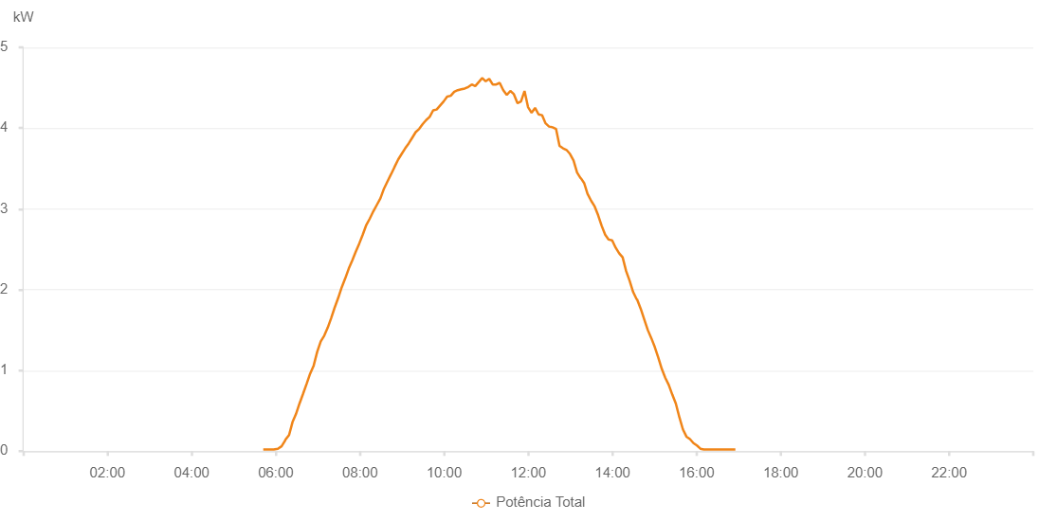

Number | Time | Working State | Alarm Code | Total Inverter Power(W)
1 | 10/06/2023 05:42:06 (UTC-4:00) | Normal |  | 20.000
2 | 10/06/2023 05:47:09 (UTC-4:00) | Normal |  | 20.000
3 | 10/06/2023 05:52:08 (UTC-4:00) | Normal |  | 20.000
4 | 10/06/2023 05:57:06 (UTC-4:00) | Normal |  | 20.000
5 | 10/06/2023 06:02:58 (UTC-4:00) | Normal |  | 30.000
6 | 10/06/2023 06:08:14 (UTC-4:00) | Normal |  | 60.000
7 | 10/06/2023 06:13:16 (UTC-4:00) | Normal |  | 130.000
8 | 10/06/2023 06:13:38 (UTC-4:00) | Normal |  | 140.000
9 | 10/06/2023 06:18:55 (UTC-4:00) | Normal |  | 200.000
10 | 10/06/2023 06:23:50 (UTC-4:00) | Normal |  | 360.000
11 | 10/06/2023 06:28:46 (UTC-4:00) | Normal |  | 460.000
12 | 10/06/2023 06:33:49 (UTC-4:00) | Normal |  | 590.000
13 | 10/06/2023 06:38:51 (UTC-4:00) | Normal |  | 710.000
14 | 10/06/2023 06:44:12 (UTC-4:00) | Normal |  | 840.000
15 | 10/06/2023 06:48:57 (UTC-4:00) | Normal |  | 960.000
16 | 10/06/2023 06:54:00 (UTC-4:00) | Normal |  | 1060.000
17 | 10/06/2023 06:59:02 (UTC-4:00) | Normal |  | 1230.000
18 | 10/06/2023 07:04:05 (UTC-4:00) | Normal |  | 1360.000
19 | 10/06/2023 07:09:04 (UTC-4:00) | Normal |  | 1430.000
20 | 10/06/2023 07:14:03 (UTC-4:00) | Normal |  | 1530.000
21 | 10/06/2023 07:19:02 (UTC-4:00) | Normal |  | 1650.000
22 | 10/06/2023 07:24:00 (UTC-4:00) | Normal |  | 1780.000
23 | 10/06/2023 07:24:02 (UTC-4:00) | Normal |  | 1780.000
24 | 10/06/2023 07:29:04 (UTC-4:00) | Normal |  | 1900.000
25 | 10/06/2023 07:34:02 (UTC-4:00) | Normal |  | 2030.000
26 | 10/06/2023 07:39:01 (UTC-4:00) | Normal |  | 2140.000
27 | 10/06/2023 07:44:00 (UTC-4:00) | Normal |  | 2260.000
28 | 10/06/2023 07:48:59 (UTC-4:00) | Normal |  | 2360.000
29 | 10/06/2023 07:53:58 (UTC-4:00) | Normal |  | 2470.000
30 | 10/06/2023 07:58:57 (UTC-4:00) | Normal |  | 2570.000
31 | 10/06/2023 08:03:57 (UTC-4:00) | Normal |  | 2680.000
32 | 10/06/2023 08:08:59 (UTC-4:00) | Normal |  | 2800.000
33 | 10/06/2023 08:14:01 (UTC-4:00) | Normal |  | 2880.000
34 | 10/06/2023 08:19:03 (UTC-4:00) | Normal |  | 2970.000
35 | 10/06/2023 08:24:06 (UTC-4:00) | Normal |  | 3050.000
36 | 10/06/2023 08:29:09 (UTC-4:00) | Normal |  | 3130.000
37 | 10/06/2023 08:34:12 (UTC-4:00) | Normal |  | 3250.000
38 | 10/06/2023 08:39:15 (UTC-4:00) | Normal |  | 3340.000
39 | 10/06/2023 08:44:18 (UTC-4:00) | Normal |  | 3430.000
40 | 10/06/2023 08:44:29 (UTC-4:00) | Normal |  | 3430.000
41 | 10/06/2023 08:49:21 (UTC-4:00) | Normal |  | 3520.000
42 | 10/06/2023 08:54:24 (UTC-4:00) | Normal |  | 3610.000
43 | 10/06/2023 08:59:26 (UTC-4:00) | Normal |  | 3680.000
44 | 10/06/2023 09:04:29 (UTC-4:00) | Normal |  | 3750.000
45 | 10/06/2023 09:09:28 (UTC-4:00) | Normal |  | 3810.000
46 | 10/06/2023 09:14:27 (UTC-4:00) | Normal |  | 3880.000
47 | 10/06/2023 09:19:25 (UTC-4:00) | Normal |  | 3950.000
48 | 10/06/2023 09:24:24 (UTC-4:00) | Normal |  | 3990.000
49 | 10/06/2023 09:29:23 (UTC-4:00) | Normal |  | 4050.000
50 | 10/06/2023 09:34:22 (UTC-4:00) | Normal |  | 4100.000
51 | 10/06/2023 09:39:21 (UTC-4:00) | Normal |  | 4140.000
52 | 10/06/2023 09:44:20 (UTC-4:00) | Normal |  | 4220.000
53 | 10/06/2023 09:49:18 (UTC-4:00) | Normal |  | 4230.000
54 | 10/06/2023 09:54:17 (UTC-4:00) | Normal |  | 4280.000
55 | 10/06/2023 09:59:16 (UTC-4:00) | Normal |  | 4330.000
56 | 10/06/2023 10:04:18 (UTC-4:00) | Normal |  | 4390.000
57 | 10/06/2023 10:09:21 (UTC-4:00) | Normal |  | 4400.000
58 | 10/06/2023 10:14:24 (UTC-4:00) | Normal |  | 4450.000
59 | 10/06/2023 10:19:26 (UTC-4:00) | Normal |  | 4470.000
60 | 10/06/2023 10:24:25 (UTC-4:00) | Normal |  | 4480.000
61 | 10/06/2023 10:29:24 (UTC-4:00) | Normal |  | 4490.000
62 | 10/06/2023 10:34:23 (UTC-4:00) | Normal |  | 4510.000
63 | 10/06/2023 10:39:22 (UTC-4:00) | Normal |  | 4540.000
64 | 10/06/2023 10:44:21 (UTC-4:00) | Normal |  | 4520.000
65 | 10/06/2023 10:49:20 (UTC-4:00) | Normal |  | 4570.000
66 | 10/06/2023 10:54:18 (UTC-4:00) | Normal |  | 4620.000
67 | 10/06/2023 10:59:17 (UTC-4:00) | Normal |  | 4580.000
68 | 10/06/2023 11:04:16 (UTC-4:00) | Normal |  | 4610.000
69 | 10/06/2023 11:09:15 (UTC-4:00) | Normal |  | 4540.000
70 | 10/06/2023 11:14:14 (UTC-4:00) | Normal |  | 4540.000
71 | 10/06/2023 11:19:15 (UTC-4:00) | Normal |  | 4560.000
72 | 10/06/2023 11:24:18 (UTC-4:00) | Normal |  | 4470.000
73 | 10/06/2023 11:29:20 (UTC-4:00) | Normal |  | 4410.000
74 | 10/06/2023 11:34:24 (UTC-4:00) | Normal |  | 4460.000
75 | 10/06/2023 11:39:26 (UTC-4:00) | Normal |  | 4420.000
76 | 10/06/2023 11:44:29 (UTC-4:00) | Normal |  | 4310.000
77 | 10/06/2023 11:44:40 (UTC-4:00) | Normal |  | 4310.000
78 | 10/06/2023 11:49:33 (UTC-4:00) | Normal |  | 4330.000
79 | 10/06/2023 11:54:37 (UTC-4:00) | Normal |  | 4460.000
80 | 10/06/2023 11:59:37 (UTC-4:00) | Normal |  | 4260.000
81 | 10/06/2023 12:04:40 (UTC-4:00) | Normal |  | 4190.000
82 | 10/06/2023 12:09:39 (UTC-4:00) | Normal |  | 4250.000
83 | 10/06/2023 12:14:38 (UTC-4:00) | Normal |  | 4170.000
84 | 10/06/2023 12:19:37 (UTC-4:00) | Normal |  | 4160.000
85 | 10/06/2023 12:24:36 (UTC-4:00) | Normal |  | 4060.000
86 | 10/06/2023 12:29:35 (UTC-4:00) | Normal |  | 4020.000
87 | 10/06/2023 12:34:34 (UTC-4:00) | Normal |  | 4010.000
88 | 10/06/2023 12:39:32 (UTC-4:00) | Normal |  | 3990.000
89 | 10/06/2023 12:44:31 (UTC-4:00) | Normal |  | 3780.000
90 | 10/06/2023 12:49:30 (UTC-4:00) | Normal |  | 3750.000
91 | 10/06/2023 12:54:29 (UTC-4:00) | Normal |  | 3730.000
92 | 10/06/2023 12:59:28 (UTC-4:00) | Normal |  | 3680.000
93 | 10/06/2023 13:04:28 (UTC-4:00) | Normal |  | 3600.000
94 | 10/06/2023 13:09:31 (UTC-4:00) | Normal |  | 3450.000
95 | 10/06/2023 13:14:34 (UTC-4:00) | Normal |  | 3380.000
96 | 10/06/2023 13:14:58 (UTC-4:00) | Normal |  | 3380.000
97 | 10/06/2023 13:19:36 (UTC-4:00) | Normal |  | 3320.000
98 | 10/06/2023 13:24:39 (UTC-4:00) | Normal |  | 3180.000
99 | 10/06/2023 13:24:50 (UTC-4:00) | Normal |  | 3180.000
100 | 10/06/2023 13:29:38 (UTC-4:00) | Normal |  | 3100.000
101 | 10/06/2023 13:34:37 (UTC-4:00) | Normal |  | 3030.000
102 | 10/06/2023 13:39:36 (UTC-4:00) | Normal |  | 2920.000
103 | 10/06/2023 13:44:36 (UTC-4:00) | Normal |  | 2790.000
104 | 10/06/2023 13:49:35 (UTC-4:00) | Normal |  | 2680.000
105 | 10/06/2023 13:54:34 (UTC-4:00) | Normal |  | 2620.000
106 | 10/06/2023 13:59:33 (UTC-4:00) | Normal |  | 2610.000
107 | 10/06/2023 14:04:31 (UTC-4:00) | Normal |  | 2520.000
108 | 10/06/2023 14:09:30 (UTC-4:00) | Normal |  | 2450.000
109 | 10/06/2023 14:14:29 (UTC-4:00) | Normal |  | 2400.000
110 | 10/06/2023 14:19:28 (UTC-4:00) | Normal |  | 2230.000
111 | 10/06/2023 14:24:27 (UTC-4:00) | Normal |  | 2110.000
112 | 10/06/2023 14:29:29 (UTC-4:00) | Normal |  | 1970.000
113 | 10/06/2023 14:34:31 (UTC-4:00) | Normal |  | 1880.000
114 | 10/06/2023 14:34:42 (UTC-4:00) | Normal |  | 1880.000
115 | 10/06/2023 14:35:04 (UTC-4:00) | Normal |  | 1880.000
116 | 10/06/2023 14:40:24 (UTC-4:00) | Normal |  | 1760.000
117 | 10/06/2023 14:45:23 (UTC-4:00) | Normal |  | 1630.000
118 | 10/06/2023 14:50:21 (UTC-4:00) | Normal |  | 1500.000
119 | 10/06/2023 14:55:20 (UTC-4:00) | Normal |  | 1400.000
120 | 10/06/2023 15:00:18 (UTC-4:00) | Normal |  | 1290.000
121 | 10/06/2023 15:05:16 (UTC-4:00) | Normal |  | 1160.000
122 | 10/06/2023 15:10:15 (UTC-4:00) | Normal |  | 1020.000
123 | 10/06/2023 15:15:13 (UTC-4:00) | Normal |  | 910.000
124 | 10/06/2023 15:20:16 (UTC-4:00) | Normal |  | 820.000
125 | 10/06/2023 15:25:18 (UTC-4:00) | Normal |  | 700.000
126 | 10/06/2023 15:30:20 (UTC-4:00) | Normal |  | 590.000
127 | 10/06/2023 15:35:23 (UTC-4:00) | Normal |  | 420.000
128 | 10/06/2023 15:40:25 (UTC-4:00) | Normal |  | 270.000
129 | 10/06/2023 15:45:28 (UTC-4:00) | Normal |  | 180.000
130 | 10/06/2023 15:50:26 (UTC-4:00) | Normal |  | 150.000
131 | 10/06/2023 15:55:25 (UTC-4:00) | Normal |  | 100.000
132 | 10/06/2023 16:00:23 (UTC-4:00) | Normal |  | 70.000
133 | 10/06/2023 16:05:22 (UTC-4:00) | Normal |  | 30.000
134 | 10/06/2023 16:10:20 (UTC-4:00) | Normal |  | 20.000
135 | 10/06/2023 16:15:19 (UTC-4:00) | Normal |  | 20.000
136 | 10/06/2023 16:20:18 (UTC-4:00) | Normal |  | 20.000
137 | 10/06/2023 16:25:16 (UTC-4:00) | Normal |  | 20.000
138 | 10/06/2023 16:30:15 (UTC-4:00) | Normal |  | 20.000
139 | 10/06/2023 16:35:13 (UTC-4:00) | Normal |  | 20.000
140 | 10/06/2023 16:40:12 (UTC-4:00) | Normal |  | 20.000
141 | 10/06/2023 16:45:13 (UTC-4:00) | Normal |  | 20.000
142 | 10/06/2023 16:45:24 (UTC-4:00) | Normal |  | 20.000
143 | 10/06/2023 16:50:15 (UTC-4:00) | Normal |  | 20.000
144 | 10/06/2023 16:55:13 (UTC-4:00) | Normal |  | 20.000

