Inverter History Report__17-08-
Inverter History Report_11/06/2023_Report

Inverter SN:054B7020C020041 |  | Inverter type:B7
Collector SN:4045966636 |  | Full Load Hours(h):2.55
Rated Power:10000Wp

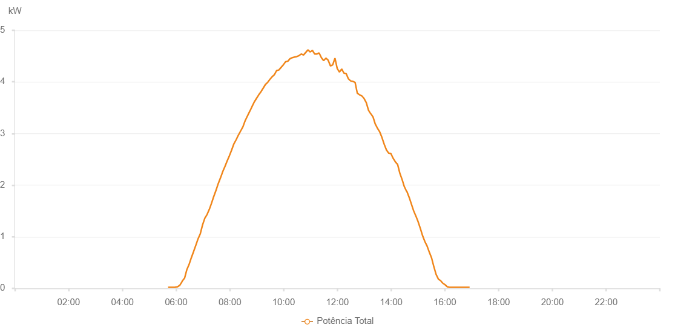

Number | Time | Working State | Alarm Code | Total Inverter Power(W)
1 | 11/06/2023 05:43:05 (UTC-4:00) | Normal |  | 20.000
2 | 11/06/2023 05:48:06 (UTC-4:00) | Normal |  | 20.000
3 | 11/06/2023 05:53:08 (UTC-4:00) | Normal |  | 20.000
4 | 11/06/2023 05:58:09 (UTC-4:00) | Normal |  | 20.000
5 | 11/06/2023 06:03:12 (UTC-4:00) | Normal |  | 20.000
6 | 11/06/2023 06:08:15 (UTC-4:00) | Normal |  | 40.000
7 | 11/06/2023 06:13:18 (UTC-4:00) | Normal |  | 100.000
8 | 11/06/2023 06:18:21 (UTC-4:00) | Normal |  | 150.000
9 | 11/06/2023 06:23:24 (UTC-4:00) | Normal |  | 260.000
10 | 11/06/2023 06:28:27 (UTC-4:00) | Normal |  | 360.000
11 | 11/06/2023 06:33:30 (UTC-4:00) | Normal |  | 450.000
12 | 11/06/2023 06:38:33 (UTC-4:00) | Normal |  | 560.000
13 | 11/06/2023 06:43:32 (UTC-4:00) | Normal |  | 650.000
14 | 11/06/2023 06:48:31 (UTC-4:00) | Normal |  | 770.000
15 | 11/06/2023 06:53:30 (UTC-4:00) | Normal |  | 870.000
16 | 11/06/2023 06:58:29 (UTC-4:00) | Normal |  | 980.000
17 | 11/06/2023 07:03:28 (UTC-4:00) | Normal |  | 1090.000
18 | 11/06/2023 07:08:27 (UTC-4:00) | Normal |  | 1240.000
19 | 11/06/2023 07:13:26 (UTC-4:00) | Normal |  | 1360.000
20 | 11/06/2023 07:18:25 (UTC-4:00) | Normal |  | 1470.000
21 | 11/06/2023 07:23:24 (UTC-4:00) | Normal |  | 1550.000
22 | 11/06/2023 07:28:23 (UTC-4:00) | Normal |  | 1710.000
23 | 11/06/2023 07:33:22 (UTC-4:00) | Normal |  | 1820.000
24 | 11/06/2023 07:38:23 (UTC-4:00) | Normal |  | 1910.000
25 | 11/06/2023 07:43:25 (UTC-4:00) | Normal |  | 2070.000
26 | 11/06/2023 07:48:28 (UTC-4:00) | Normal |  | 2170.000
27 | 11/06/2023 07:53:31 (UTC-4:00) | Normal |  | 2280.000
28 | 11/06/2023 07:58:30 (UTC-4:00) | Normal |  | 2370.000
29 | 11/06/2023 08:03:29 (UTC-4:00) | Normal |  | 2510.000
30 | 11/06/2023 08:08:29 (UTC-4:00) | Normal |  | 2610.000
31 | 11/06/2023 08:13:27 (UTC-4:00) | Normal |  | 2740.000
32 | 11/06/2023 08:18:27 (UTC-4:00) | Normal |  | 2800.000
33 | 11/06/2023 08:23:25 (UTC-4:00) | Normal |  | 2940.000
34 | 11/06/2023 08:28:24 (UTC-4:00) | Normal |  | 3060.000
35 | 11/06/2023 08:28:49 (UTC-4:00) | Normal |  | 3060.000
36 | 11/06/2023 08:33:23 (UTC-4:00) | Normal |  | 3140.000
37 | 11/06/2023 08:38:28 (UTC-4:00) | Normal |  | 3260.000
38 | 11/06/2023 08:43:22 (UTC-4:00) | Normal |  | 3330.000
39 | 11/06/2023 08:48:21 (UTC-4:00) | Normal |  | 3440.000
40 | 11/06/2023 08:53:22 (UTC-4:00) | Normal |  | 3510.000
41 | 11/06/2023 08:58:24 (UTC-4:00) | Normal |  | 3600.000
42 | 11/06/2023 09:03:27 (UTC-4:00) | Normal |  | 3650.000
43 | 11/06/2023 09:08:30 (UTC-4:00) | Normal |  | 3720.000
44 | 11/06/2023 09:13:32 (UTC-4:00) | Normal |  | 3780.000
45 | 11/06/2023 09:18:35 (UTC-4:00) | Normal |  | 3870.000
46 | 11/06/2023 09:23:40 (UTC-4:00) | Normal |  | 3900.000
47 | 11/06/2023 09:28:42 (UTC-4:00) | Normal |  | 3950.000
48 | 11/06/2023 09:33:40 (UTC-4:00) | Normal |  | 3990.000
49 | 11/06/2023 09:38:40 (UTC-4:00) | Normal |  | 4030.000
50 | 11/06/2023 09:43:39 (UTC-4:00) | Normal |  | 4100.000
51 | 11/06/2023 09:48:38 (UTC-4:00) | Normal |  | 4140.000
52 | 11/06/2023 09:53:37 (UTC-4:00) | Normal |  | 4210.000
53 | 11/06/2023 09:58:36 (UTC-4:00) | Normal |  | 4260.000
54 | 11/06/2023 10:03:35 (UTC-4:00) | Normal |  | 4290.000
55 | 11/06/2023 10:08:35 (UTC-4:00) | Normal |  | 4350.000
56 | 11/06/2023 10:13:35 (UTC-4:00) | Normal |  | 4390.000
57 | 11/06/2023 10:18:36 (UTC-4:00) | Normal |  | 4440.000
58 | 11/06/2023 10:23:35 (UTC-4:00) | Normal |  | 4470.000
59 | 11/06/2023 10:28:34 (UTC-4:00) | Normal |  | 4470.000
60 | 11/06/2023 10:33:34 (UTC-4:00) | Normal |  | 4520.000
61 | 11/06/2023 10:38:36 (UTC-4:00) | Normal |  | 4520.000
62 | 11/06/2023 10:43:39 (UTC-4:00) | Normal |  | 4600.000
63 | 11/06/2023 10:48:42 (UTC-4:00) | Normal |  | 4660.000
64 | 11/06/2023 10:53:45 (UTC-4:00) | Normal |  | 2630.000
65 | 11/06/2023 10:58:48 (UTC-4:00) | Normal |  | 2960.000
66 | 11/06/2023 11:03:51 (UTC-4:00) | Normal |  | 2590.000
67 | 11/06/2023 11:08:54 (UTC-4:00) | Normal |  | 1650.000
68 | 11/06/2023 11:13:56 (UTC-4:00) | Normal |  | 4880.000
69 | 11/06/2023 11:18:59 (UTC-4:00) | Normal |  | 4590.000
70 | 11/06/2023 11:24:02 (UTC-4:00) | Normal |  | 4520.000
71 | 11/06/2023 11:29:05 (UTC-4:00) | Normal |  | 4610.000
72 | 11/06/2023 11:34:08 (UTC-4:00) | Normal |  | 4640.000
73 | 11/06/2023 11:39:11 (UTC-4:00) | Normal |  | 4520.000
74 | 11/06/2023 11:44:10 (UTC-4:00) | Normal |  | 4400.000
75 | 11/06/2023 11:49:09 (UTC-4:00) | Normal |  | 4340.000
76 | 11/06/2023 11:54:08 (UTC-4:00) | Normal |  | 4310.000
77 | 11/06/2023 11:59:07 (UTC-4:00) | Normal |  | 4260.000
78 | 11/06/2023 12:04:06 (UTC-4:00) | Normal |  | 4310.000
79 | 11/06/2023 12:09:07 (UTC-4:00) | Normal |  | 600.000
80 | 11/06/2023 12:14:04 (UTC-4:00) | Normal |  | 2090.000
81 | 11/06/2023 12:19:03 (UTC-4:00) | Normal |  | 5020.000
82 | 11/06/2023 12:24:02 (UTC-4:00) | Normal |  | 1370.000
83 | 11/06/2023 12:29:01 (UTC-4:00) | Normal |  | 5430.000
84 | 11/06/2023 12:34:00 (UTC-4:00) | Normal |  | 1900.000
85 | 11/06/2023 12:39:01 (UTC-4:00) | Normal |  | 1660.000
86 | 11/06/2023 12:44:04 (UTC-4:00) | Normal |  | 5320.000
87 | 11/06/2023 12:49:07 (UTC-4:00) | Normal |  | 5610.000
88 | 11/06/2023 12:49:18 (UTC-4:00) | Normal |  | 5610.000
89 | 11/06/2023 12:54:11 (UTC-4:00) | Normal |  | 1580.000
90 | 11/06/2023 12:59:14 (UTC-4:00) | Normal |  | 2260.000
91 | 11/06/2023 13:04:17 (UTC-4:00) | Normal |  | 1570.000
92 | 11/06/2023 13:09:20 (UTC-4:00) | Normal |  | 1160.000
93 | 11/06/2023 13:14:23 (UTC-4:00) | Normal |  | 4060.000
94 | 11/06/2023 13:19:27 (UTC-4:00) | Normal |  | 3520.000
95 | 11/06/2023 13:24:29 (UTC-4:00) | Normal |  | 3580.000
96 | 11/06/2023 13:29:32 (UTC-4:00) | Normal |  | 3690.000
97 | 11/06/2023 13:29:48 (UTC-4:00) | Normal |  | 3690.000
98 | 11/06/2023 13:34:35 (UTC-4:00) | Normal |  | 640.000
99 | 11/06/2023 13:39:38 (UTC-4:00) | Normal |  | 3360.000
100 | 11/06/2023 13:44:41 (UTC-4:00) | Normal |  | 2450.000
101 | 11/06/2023 13:49:49 (UTC-4:00) | Normal |  | 630.000
102 | 11/06/2023 13:54:47 (UTC-4:00) | Normal |  | 740.000
103 | 11/06/2023 13:59:50 (UTC-4:00) | Normal |  | 2950.000
104 | 11/06/2023 14:04:53 (UTC-4:00) | Normal |  | 2560.000
105 | 11/06/2023 14:09:56 (UTC-4:00) | Normal |  | 2410.000
106 | 11/06/2023 14:15:01 (UTC-4:00) | Normal |  | 2290.000
107 | 11/06/2023 14:20:03 (UTC-4:00) | Normal |  | 2170.000
108 | 11/06/2023 14:25:05 (UTC-4:00) | Normal |  | 2070.000
109 | 11/06/2023 14:30:08 (UTC-4:00) | Normal |  | 1950.000
110 | 11/06/2023 14:30:42 (UTC-4:00) | Normal |  | 1940.000
111 | 11/06/2023 14:35:57 (UTC-4:00) | Normal |  | 1820.000
112 | 11/06/2023 14:40:55 (UTC-4:00) | Normal |  | 1690.000
113 | 11/06/2023 14:45:53 (UTC-4:00) | Normal |  | 1590.000
114 | 11/06/2023 14:50:52 (UTC-4:00) | Normal |  | 1450.000
115 | 11/06/2023 14:55:50 (UTC-4:00) | Normal |  | 1340.000
116 | 11/06/2023 15:00:49 (UTC-4:00) | Normal |  | 1220.000
117 | 11/06/2023 15:05:52 (UTC-4:00) | Normal |  | 1110.000
118 | 11/06/2023 15:10:54 (UTC-4:00) | Normal |  | 1000.000
119 | 11/06/2023 15:15:56 (UTC-4:00) | Normal |  | 870.000
120 | 11/06/2023 15:20:59 (UTC-4:00) | Normal |  | 780.000
121 | 11/06/2023 15:26:01 (UTC-4:00) | Normal |  | 660.000
122 | 11/06/2023 15:31:03 (UTC-4:00) | Normal |  | 570.000
123 | 11/06/2023 15:31:14 (UTC-4:00) | Normal |  | 570.000
124 | 11/06/2023 15:36:06 (UTC-4:00) | Normal |  | 400.000
125 | 11/06/2023 15:41:08 (UTC-4:00) | Normal |  | 280.000
126 | 11/06/2023 15:46:11 (UTC-4:00) | Normal |  | 170.000
127 | 11/06/2023 15:51:14 (UTC-4:00) | Normal |  | 140.000
128 | 11/06/2023 15:51:24 (UTC-4:00) | Normal |  | 140.000
129 | 11/06/2023 15:56:18 (UTC-4:00) | Normal |  | 70.000
130 | 11/06/2023 16:01:20 (UTC-4:00) | Normal |  | 40.000
131 | 11/06/2023 16:06:22 (UTC-4:00) | Normal |  | 20.000
132 | 11/06/2023 16:11:24 (UTC-4:00) | Normal |  | 20.000
133 | 11/06/2023 16:16:26 (UTC-4:00) | Normal |  | 20.000
134 | 11/06/2023 16:21:28 (UTC-4:00) | Normal |  | 20.000
135 | 11/06/2023 16:26:31 (UTC-4:00) | Normal |  | 20.000
136 | 11/06/2023 16:31:33 (UTC-4:00) | Normal |  | 20.000
137 | 11/06/2023 16:36:35 (UTC-4:00) | Normal |  | 20.000
138 | 11/06/2023 16:41:34 (UTC-4:00) | Normal |  | 20.000
139 | 11/06/2023 16:46:32 (UTC-4:00) | Normal |  | 20.000
140 | 11/06/2023 16:51:31 (UTC-4:00) | Normal |  | 20.000

