Inverter History Report__17-08-
Inverter History Report_17/06/2023_Report

Inverter SN:054B7020C020041 |  | Inverter type:B7
Collector SN:4045966636 |  | Full Load Hours(h):2.59
Rated Power:10000Wp

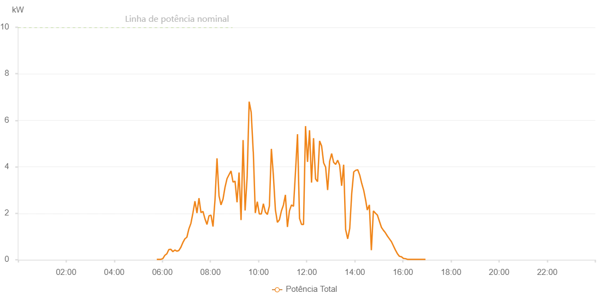

Number | Time | Working State | Alarm Code | Total Inverter Power(W)
1 | 17/06/2023 05:46:13 (UTC-4:00) | Normal |  | 20.000
2 | 17/06/2023 05:51:17 (UTC-4:00) | Normal |  | 20.000
3 | 17/06/2023 05:56:17 (UTC-4:00) | Normal |  | 20.000
4 | 17/06/2023 06:01:17 (UTC-4:00) | Normal |  | 50.000
5 | 17/06/2023 06:06:18 (UTC-4:00) | Normal |  | 190.000
6 | 17/06/2023 06:11:18 (UTC-4:00) | Normal |  | 260.000
7 | 17/06/2023 06:16:17 (UTC-4:00) | Normal |  | 440.000
8 | 17/06/2023 06:21:17 (UTC-4:00) | Normal |  | 450.000
9 | 17/06/2023 06:26:17 (UTC-4:00) | Normal |  | 350.000
10 | 17/06/2023 06:31:17 (UTC-4:00) | Normal |  | 420.000
11 | 17/06/2023 06:36:16 (UTC-4:00) | Normal |  | 370.000
12 | 17/06/2023 06:41:16 (UTC-4:00) | Normal |  | 400.000
13 | 17/06/2023 06:46:16 (UTC-4:00) | Normal |  | 540.000
14 | 17/06/2023 06:51:15 (UTC-4:00) | Normal |  | 740.000
15 | 17/06/2023 06:56:15 (UTC-4:00) | Normal |  | 900.000
16 | 17/06/2023 07:01:15 (UTC-4:00) | Normal |  | 970.000
17 | 17/06/2023 07:06:15 (UTC-4:00) | Normal |  | 1330.000
18 | 17/06/2023 07:11:19 (UTC-4:00) | Normal |  | 1570.000
19 | 17/06/2023 07:16:23 (UTC-4:00) | Normal |  | 2020.000
20 | 17/06/2023 07:21:23 (UTC-4:00) | Normal |  | 2520.000
21 | 17/06/2023 07:26:22 (UTC-4:00) | Normal |  | 2010.000
22 | 17/06/2023 07:31:23 (UTC-4:00) | Normal |  | 2650.000
23 | 17/06/2023 07:36:23 (UTC-4:00) | Normal |  | 2030.000
24 | 17/06/2023 07:41:22 (UTC-4:00) | Normal |  | 2080.000
25 | 17/06/2023 07:46:24 (UTC-4:00) | Normal |  | 1760.000
26 | 17/06/2023 07:51:24 (UTC-4:00) | Normal |  | 1520.000
27 | 17/06/2023 07:56:24 (UTC-4:00) | Normal |  | 1890.000
28 | 17/06/2023 08:01:23 (UTC-4:00) | Normal |  | 1920.000
29 | 17/06/2023 08:06:23 (UTC-4:00) | Normal |  | 1430.000
30 | 17/06/2023 08:11:23 (UTC-4:00) | Normal |  | 2580.000
31 | 17/06/2023 08:16:23 (UTC-4:00) | Normal |  | 4360.000
32 | 17/06/2023 08:21:23 (UTC-4:00) | Normal |  | 2750.000
33 | 17/06/2023 08:26:22 (UTC-4:00) | Normal |  | 2360.000
34 | 17/06/2023 08:31:22 (UTC-4:00) | Normal |  | 2610.000
35 | 17/06/2023 08:36:22 (UTC-4:00) | Normal |  | 3120.000
36 | 17/06/2023 08:41:22 (UTC-4:00) | Normal |  | 3490.000
37 | 17/06/2023 08:46:21 (UTC-4:00) | Normal |  | 3660.000
38 | 17/06/2023 08:51:21 (UTC-4:00) | Normal |  | 3820.000
39 | 17/06/2023 08:56:21 (UTC-4:00) | Normal |  | 3340.000
40 | 17/06/2023 09:01:21 (UTC-4:00) | Normal |  | 3380.000
41 | 17/06/2023 09:06:22 (UTC-4:00) | Normal |  | 2470.000
42 | 17/06/2023 09:11:21 (UTC-4:00) | Normal |  | 3750.000
43 | 17/06/2023 09:16:22 (UTC-4:00) | Normal |  | 1710.000
44 | 17/06/2023 09:21:25 (UTC-4:00) | Normal |  | 5150.000
45 | 17/06/2023 09:26:28 (UTC-4:00) | Normal |  | 2120.000
46 | 17/06/2023 09:31:31 (UTC-4:00) | Normal |  | 3550.000
47 | 17/06/2023 09:36:35 (UTC-4:00) | Normal |  | 6800.000
48 | 17/06/2023 09:41:39 (UTC-4:00) | Normal |  | 6340.000
49 | 17/06/2023 09:46:43 (UTC-4:00) | Normal |  | 4650.000
50 | 17/06/2023 09:46:54 (UTC-4:00) | Normal |  | 4650.000
51 | 17/06/2023 09:51:53 (UTC-4:00) | Normal |  | 2010.000
52 | 17/06/2023 09:56:50 (UTC-4:00) | Normal |  | 2500.000
53 | 17/06/2023 10:01:54 (UTC-4:00) | Normal |  | 1970.000
54 | 17/06/2023 10:06:58 (UTC-4:00) | Normal |  | 1970.000
55 | 17/06/2023 10:12:01 (UTC-4:00) | Normal |  | 2410.000
56 | 17/06/2023 10:17:01 (UTC-4:00) | Normal |  | 2050.000
57 | 17/06/2023 10:22:01 (UTC-4:00) | Normal |  | 1950.000
58 | 17/06/2023 10:27:01 (UTC-4:00) | Normal |  | 2310.000
59 | 17/06/2023 10:32:00 (UTC-4:00) | Normal |  | 4770.000
60 | 17/06/2023 10:37:00 (UTC-4:00) | Normal |  | 3620.000
61 | 17/06/2023 10:42:00 (UTC-4:00) | Normal |  | 2150.000
62 | 17/06/2023 10:47:00 (UTC-4:00) | Normal |  | 1610.000
63 | 17/06/2023 10:52:00 (UTC-4:00) | Normal |  | 1720.000
64 | 17/06/2023 10:56:59 (UTC-4:00) | Normal |  | 2100.000
65 | 17/06/2023 11:01:59 (UTC-4:00) | Normal |  | 2350.000
66 | 17/06/2023 11:06:59 (UTC-4:00) | Normal |  | 2790.000
67 | 17/06/2023 11:12:00 (UTC-4:00) | Normal |  | 1410.000
68 | 17/06/2023 11:17:04 (UTC-4:00) | Normal |  | 2110.000
69 | 17/06/2023 11:22:08 (UTC-4:00) | Normal |  | 2360.000
70 | 17/06/2023 11:27:11 (UTC-4:00) | Normal |  | 2300.000
71 | 17/06/2023 11:32:11 (UTC-4:00) | Normal |  | 3800.000
72 | 17/06/2023 11:37:11 (UTC-4:00) | Normal |  | 5400.000
73 | 17/06/2023 11:42:11 (UTC-4:00) | Normal |  | 1780.000
74 | 17/06/2023 11:47:11 (UTC-4:00) | Normal |  | 1520.000
75 | 17/06/2023 11:52:10 (UTC-4:00) | Normal |  | 1520.000
76 | 17/06/2023 11:57:10 (UTC-4:00) | Normal |  | 5750.000
77 | 17/06/2023 12:02:10 (UTC-4:00) | Normal |  | 4210.000
78 | 17/06/2023 12:07:10 (UTC-4:00) | Normal |  | 5570.000
79 | 17/06/2023 12:12:09 (UTC-4:00) | Normal |  | 3320.000
80 | 17/06/2023 12:17:09 (UTC-4:00) | Normal |  | 5230.000
81 | 17/06/2023 12:22:09 (UTC-4:00) | Normal |  | 3480.000
82 | 17/06/2023 12:27:12 (UTC-4:00) | Normal |  | 3360.000
83 | 17/06/2023 12:32:15 (UTC-4:00) | Normal |  | 5110.000
84 | 17/06/2023 12:37:19 (UTC-4:00) | Normal |  | 4890.000
85 | 17/06/2023 12:42:19 (UTC-4:00) | Normal |  | 4170.000
86 | 17/06/2023 12:47:18 (UTC-4:00) | Normal |  | 3980.000
87 | 17/06/2023 12:52:18 (UTC-4:00) | Normal |  | 3000.000
88 | 17/06/2023 12:57:18 (UTC-4:00) | Normal |  | 4230.000
89 | 17/06/2023 13:02:17 (UTC-4:00) | Normal |  | 4570.000
90 | 17/06/2023 13:07:17 (UTC-4:00) | Normal |  | 4190.000
91 | 17/06/2023 13:12:17 (UTC-4:00) | Normal |  | 4100.000
92 | 17/06/2023 13:17:17 (UTC-4:00) | Normal |  | 4280.000
93 | 17/06/2023 13:22:16 (UTC-4:00) | Normal |  | 4070.000
94 | 17/06/2023 13:27:16 (UTC-4:00) | Normal |  | 3180.000
95 | 17/06/2023 13:32:15 (UTC-4:00) | Normal |  | 4090.000
96 | 17/06/2023 13:37:18 (UTC-4:00) | Normal |  | 1280.000
97 | 17/06/2023 13:37:29 (UTC-4:00) | Normal |  | 1280.000
98 | 17/06/2023 13:42:22 (UTC-4:00) | Normal |  | 900.000
99 | 17/06/2023 13:47:25 (UTC-4:00) | Normal |  | 1350.000
100 | 17/06/2023 13:52:25 (UTC-4:00) | Normal |  | 2860.000
101 | 17/06/2023 13:57:25 (UTC-4:00) | Normal |  | 3780.000
102 | 17/06/2023 14:02:24 (UTC-4:00) | Normal |  | 3850.000
103 | 17/06/2023 14:07:24 (UTC-4:00) | Normal |  | 3870.000
104 | 17/06/2023 14:12:24 (UTC-4:00) | Normal |  | 3640.000
105 | 17/06/2023 14:17:23 (UTC-4:00) | Normal |  | 3280.000
106 | 17/06/2023 14:22:23 (UTC-4:00) | Normal |  | 2980.000
107 | 17/06/2023 14:27:23 (UTC-4:00) | Normal |  | 2540.000
108 | 17/06/2023 14:31:07 (UTC-4:00) | Normal |  | 2140.000
109 | 17/06/2023 14:36:23 (UTC-4:00) | Normal |  | 2360.000
110 | 17/06/2023 14:41:22 (UTC-4:00) | Normal |  | 410.000
111 | 17/06/2023 14:46:23 (UTC-4:00) | Normal |  | 2100.000
112 | 17/06/2023 14:51:22 (UTC-4:00) | Normal |  | 2010.000
113 | 17/06/2023 14:56:25 (UTC-4:00) | Normal |  | 1920.000
114 | 17/06/2023 15:01:21 (UTC-4:00) | Normal |  | 1660.000
115 | 17/06/2023 15:06:35 (UTC-4:00) | Normal |  | 1390.000
116 | 17/06/2023 15:11:24 (UTC-4:00) | Normal |  | 1270.000
117 | 17/06/2023 15:16:23 (UTC-4:00) | Normal |  | 1160.000
118 | 17/06/2023 15:21:23 (UTC-4:00) | Normal |  | 1020.000
119 | 17/06/2023 15:26:22 (UTC-4:00) | Normal |  | 900.000
120 | 17/06/2023 15:31:23 (UTC-4:00) | Normal |  | 780.000
121 | 17/06/2023 15:36:22 (UTC-4:00) | Normal |  | 600.000
122 | 17/06/2023 15:41:21 (UTC-4:00) | Normal |  | 420.000
123 | 17/06/2023 15:46:23 (UTC-4:00) | Normal |  | 260.000
124 | 17/06/2023 15:51:22 (UTC-4:00) | Normal |  | 150.000
125 | 17/06/2023 15:56:22 (UTC-4:00) | Normal |  | 130.000
126 | 17/06/2023 16:01:21 (UTC-4:00) | Normal |  | 60.000
127 | 17/06/2023 16:06:20 (UTC-4:00) | Normal |  | 50.000
128 | 17/06/2023 16:11:23 (UTC-4:00) | Normal |  | 20.000
129 | 17/06/2023 16:16:20 (UTC-4:00) | Normal |  | 20.000
130 | 17/06/2023 16:21:18 (UTC-4:00) | Normal |  | 20.000
131 | 17/06/2023 16:26:26 (UTC-4:00) | Normal |  | 20.000
132 | 17/06/2023 16:31:16 (UTC-4:00) | Normal |  | 20.000
133 | 17/06/2023 16:36:16 (UTC-4:00) | Normal |  | 20.000
134 | 17/06/2023 16:41:15 (UTC-4:00) | Normal |  | 20.000
135 | 17/06/2023 16:46:14 (UTC-4:00) | Normal |  | 20.000
136 | 17/06/2023 16:51:13 (UTC-4:00) | Normal |  | 20.000
137 | 17/06/2023 16:56:19 (UTC-4:00) | Normal |  | 20.000

