Inverter History Report__17-08-
Inverter History Report_21/06/2023_Report

Inverter SN:054B7020C020041 |  | Inverter type:B7
Collector SN:4045966636 |  | Full Load Hours(h):3.11
Rated Power:10000Wp

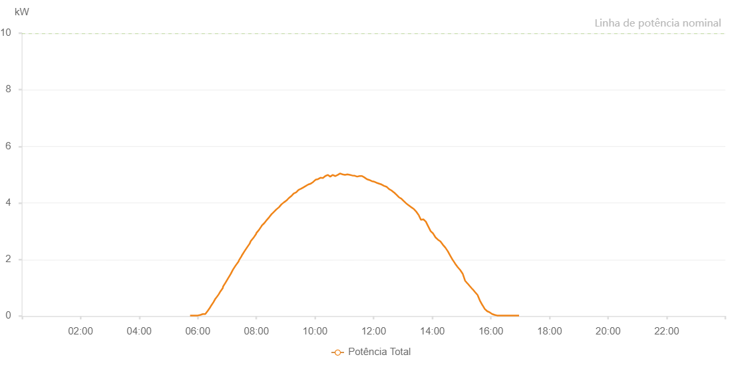

Number | Time | Working State | Alarm Code | Total Inverter Power(W)
1 | 21/06/2023 05:47:03 (UTC-4:00) | Normal |  | 20.000
2 | 21/06/2023 05:51:56 (UTC-4:00) | Normal |  | 20.000
3 | 21/06/2023 05:57:10 (UTC-4:00) | Normal |  | 20.000
4 | 21/06/2023 06:02:47 (UTC-4:00) | Normal |  | 20.000
5 | 21/06/2023 06:08:06 (UTC-4:00) | Normal |  | 60.000
6 | 21/06/2023 06:10:34 (UTC-4:00) | Normal |  | 90.000
7 | 21/06/2023 06:16:07 (UTC-4:00) | Normal |  | 150.000
8 | 21/06/2023 06:20:28 (UTC-4:00) | Normal |  | 190.000
9 | 21/06/2023 06:25:53 (UTC-4:00) | Normal |  | 310.000
10 | 21/06/2023 06:31:32 (UTC-4:00) | Normal |  | 490.000
11 | 21/06/2023 06:36:02 (UTC-4:00) | Normal |  | 590.000
12 | 21/06/2023 06:39:47 (UTC-4:00) | Normal |  | 700.000
13 | 21/06/2023 06:44:37 (UTC-4:00) | Normal |  | 820.000
14 | 21/06/2023 06:50:25 (UTC-4:00) | Normal |  | 970.000
15 | 21/06/2023 06:55:00 (UTC-4:00) | Normal |  | 1060.000
16 | 21/06/2023 07:00:41 (UTC-4:00) | Normal |  | 1250.000
17 | 21/06/2023 07:05:24 (UTC-4:00) | Normal |  | 1380.000
18 | 21/06/2023 07:09:03 (UTC-4:00) | Normal |  | 1490.000
19 | 21/06/2023 07:13:54 (UTC-4:00) | Normal |  | 1620.000
20 | 21/06/2023 07:19:13 (UTC-4:00) | Normal |  | 1770.000
21 | 21/06/2023 07:23:50 (UTC-4:00) | Normal |  | 1880.000
22 | 21/06/2023 07:29:37 (UTC-4:00) | Normal |  | 2040.000
23 | 21/06/2023 07:34:50 (UTC-4:00) | Normal |  | 2180.000
24 | 21/06/2023 07:38:16 (UTC-4:00) | Normal |  | 2270.000
25 | 21/06/2023 07:43:16 (UTC-4:00) | Normal |  | 2400.000
26 | 21/06/2023 07:47:48 (UTC-4:00) | Normal |  | 2530.000
27 | 21/06/2023 07:52:48 (UTC-4:00) | Normal |  | 2650.000
28 | 21/06/2023 07:58:42 (UTC-4:00) | Normal |  | 2790.000
29 | 21/06/2023 08:03:24 (UTC-4:00) | Normal |  | 2880.000
30 | 21/06/2023 08:07:28 (UTC-4:00) | Normal |  | 2980.000
31 | 21/06/2023 08:12:42 (UTC-4:00) | Normal |  | 3080.000
32 | 21/06/2023 08:18:15 (UTC-4:00) | Normal |  | 3190.000
33 | 21/06/2023 08:23:12 (UTC-4:00) | Normal |  | 3290.000
34 | 21/06/2023 08:28:03 (UTC-4:00) | Normal |  | 3370.000
35 | 21/06/2023 08:33:54 (UTC-4:00) | Normal |  | 3480.000
36 | 21/06/2023 08:36:39 (UTC-4:00) | Normal |  | 3520.000
37 | 21/06/2023 08:41:41 (UTC-4:00) | Normal |  | 3620.000
38 | 21/06/2023 08:47:40 (UTC-4:00) | Normal |  | 3730.000
39 | 21/06/2023 08:53:41 (UTC-4:00) | Normal |  | 3860.000
40 | 21/06/2023 08:58:13 (UTC-4:00) | Normal |  | 3940.000
41 | 21/06/2023 09:03:48 (UTC-4:00) | Normal |  | 4060.000
42 | 21/06/2023 09:05:49 (UTC-4:00) | Normal |  | 4070.000
43 | 21/06/2023 09:10:31 (UTC-4:00) | Normal |  | 4130.000
44 | 21/06/2023 09:15:32 (UTC-4:00) | Normal |  | 4220.000
45 | 21/06/2023 09:20:37 (UTC-4:00) | Normal |  | 4290.000
46 | 21/06/2023 09:26:29 (UTC-4:00) | Normal |  | 4370.000
47 | 21/06/2023 09:31:24 (UTC-4:00) | Normal |  | 4440.000
48 | 21/06/2023 09:35:01 (UTC-4:00) | Normal |  | 4490.000
49 | 21/06/2023 09:40:26 (UTC-4:00) | Normal |  | 4540.000
50 | 21/06/2023 09:44:45 (UTC-4:00) | Normal |  | 4590.000
51 | 21/06/2023 09:50:13 (UTC-4:00) | Normal |  | 4630.000
52 | 21/06/2023 09:55:24 (UTC-4:00) | Normal |  | 4660.000
53 | 21/06/2023 10:00:58 (UTC-4:00) | Normal |  | 4720.000
54 | 21/06/2023 10:04:13 (UTC-4:00) | Normal |  | 4750.000
55 | 21/06/2023 10:08:28 (UTC-4:00) | Normal |  | 4790.000
56 | 21/06/2023 10:14:00 (UTC-4:00) | Normal |  | 4810.000
57 | 21/06/2023 10:19:06 (UTC-4:00) | Normal |  | 4810.000
58 | 21/06/2023 10:23:50 (UTC-4:00) | Normal |  | 4640.000
59 | 21/06/2023 10:28:48 (UTC-4:00) | Normal |  | 4850.000
60 | 21/06/2023 10:33:24 (UTC-4:00) | Normal |  | 4880.000
61 | 21/06/2023 10:38:09 (UTC-4:00) | Normal |  | 4970.000
62 | 21/06/2023 10:43:34 (UTC-4:00) | Normal |  | 4980.000
63 | 21/06/2023 10:48:21 (UTC-4:00) | Normal |  | 4960.000
64 | 21/06/2023 10:53:21 (UTC-4:00) | Normal |  | 4970.000
65 | 21/06/2023 10:58:48 (UTC-4:00) | Normal |  | 4960.000
66 | 21/06/2023 11:02:41 (UTC-4:00) | Normal |  | 4950.000
67 | 21/06/2023 11:07:43 (UTC-4:00) | Normal |  | 4980.000
68 | 21/06/2023 11:12:06 (UTC-4:00) | Normal |  | 5000.000
69 | 21/06/2023 11:18:04 (UTC-4:00) | Normal |  | 5020.000
70 | 21/06/2023 11:23:12 (UTC-4:00) | Normal |  | 4980.000
71 | 21/06/2023 11:28:03 (UTC-4:00) | Normal |  | 4970.000
72 | 21/06/2023 11:31:50 (UTC-4:00) | Normal |  | 4950.000
73 | 21/06/2023 11:37:05 (UTC-4:00) | Normal |  | 4860.000
74 | 21/06/2023 11:41:31 (UTC-4:00) | Normal |  | 4880.000
75 | 21/06/2023 11:46:27 (UTC-4:00) | Normal |  | 4840.000
76 | 21/06/2023 11:51:50 (UTC-4:00) | Normal |  | 4840.000
77 | 21/06/2023 11:57:32 (UTC-4:00) | Normal |  | 4740.000
78 | 21/06/2023 12:00:56 (UTC-4:00) | Normal |  | 4730.000
79 | 21/06/2023 12:06:19 (UTC-4:00) | Normal |  | 4700.000
80 | 21/06/2023 12:10:31 (UTC-4:00) | Normal |  | 4670.000
81 | 21/06/2023 12:16:00 (UTC-4:00) | Normal |  | 4630.000
82 | 21/06/2023 12:21:39 (UTC-4:00) | Normal |  | 4560.000
83 | 21/06/2023 12:25:55 (UTC-4:00) | Normal |  | 4540.000
84 | 21/06/2023 12:30:03 (UTC-4:00) | Normal |  | 4490.000
85 | 21/06/2023 12:33:29 (UTC-4:00) | Normal |  | 4430.000
86 | 21/06/2023 12:37:12 (UTC-4:00) | Normal |  | 4360.000
87 | 21/06/2023 12:37:23 (UTC-4:00) | Normal |  | 4360.000
88 | 21/06/2023 12:42:13 (UTC-4:00) | Normal |  | 4340.000
89 | 21/06/2023 12:47:17 (UTC-4:00) | Normal |  | 4220.000
90 | 21/06/2023 12:47:32 (UTC-4:00) | Normal |  | 4220.000
91 | 21/06/2023 12:52:32 (UTC-4:00) | Normal |  | 4220.000
92 | 21/06/2023 12:57:21 (UTC-4:00) | Normal |  | 4110.000
93 | 21/06/2023 13:00:21 (UTC-4:00) | Normal |  | 4050.000
94 | 21/06/2023 13:00:43 (UTC-4:00) | Normal |  | 4030.000
95 | 21/06/2023 13:05:45 (UTC-4:00) | Normal |  | 4000.000
96 | 21/06/2023 13:11:13 (UTC-4:00) | Normal |  | 3900.000
97 | 21/06/2023 13:16:59 (UTC-4:00) | Normal |  | 3800.000
98 | 21/06/2023 13:21:13 (UTC-4:00) | Normal |  | 3700.000
99 | 21/06/2023 13:26:12 (UTC-4:00) | Normal |  | 3620.000
100 | 21/06/2023 13:31:12 (UTC-4:00) | Normal |  | 3490.000
101 | 21/06/2023 13:36:11 (UTC-4:00) | Normal |  | 3490.000
102 | 21/06/2023 13:41:11 (UTC-4:00) | Normal |  | 3320.000
103 | 21/06/2023 13:46:10 (UTC-4:00) | Normal |  | 3230.000
104 | 21/06/2023 13:51:09 (UTC-4:00) | Normal |  | 3070.000
105 | 21/06/2023 13:56:09 (UTC-4:00) | Normal |  | 2960.000
106 | 21/06/2023 14:01:11 (UTC-4:00) | Normal |  | 2910.000
107 | 21/06/2023 14:06:09 (UTC-4:00) | Normal |  | 2810.000
108 | 21/06/2023 14:11:11 (UTC-4:00) | Normal |  | 2710.000
109 | 21/06/2023 14:16:10 (UTC-4:00) | Normal |  | 2570.000
110 | 21/06/2023 14:21:11 (UTC-4:00) | Normal |  | 2440.000
111 | 21/06/2023 14:26:14 (UTC-4:00) | Normal |  | 2350.000
112 | 21/06/2023 14:31:18 (UTC-4:00) | Normal |  | 2170.000
113 | 21/06/2023 14:36:21 (UTC-4:00) | Normal |  | 2060.000
114 | 21/06/2023 14:41:26 (UTC-4:00) | Normal |  | 1920.000
115 | 21/06/2023 14:46:28 (UTC-4:00) | Normal |  | 1820.000
116 | 21/06/2023 14:51:31 (UTC-4:00) | Normal |  | 1670.000
117 | 21/06/2023 14:56:36 (UTC-4:00) | Normal |  | 1550.000
118 | 21/06/2023 15:01:35 (UTC-4:00) | Normal |  | 1430.000
119 | 21/06/2023 15:06:33 (UTC-4:00) | Normal |  | 1320.000
120 | 21/06/2023 15:11:33 (UTC-4:00) | Normal |  | 1190.000
121 | 21/06/2023 15:16:32 (UTC-4:00) | Normal |  | 1030.000
122 | 21/06/2023 15:21:31 (UTC-4:00) | Normal |  | 940.000
123 | 21/06/2023 15:26:32 (UTC-4:00) | Normal |  | 820.000
124 | 21/06/2023 15:31:30 (UTC-4:00) | Normal |  | 700.000
125 | 21/06/2023 15:36:29 (UTC-4:00) | Normal |  | 540.000
126 | 21/06/2023 15:41:29 (UTC-4:00) | Normal |  | 390.000
127 | 21/06/2023 15:46:29 (UTC-4:00) | Normal |  | 250.000
128 | 21/06/2023 15:51:29 (UTC-4:00) | Normal |  | 180.000
129 | 21/06/2023 15:56:28 (UTC-4:00) | Normal |  | 130.000
130 | 21/06/2023 15:56:39 (UTC-4:00) | Normal |  | 130.000
131 | 21/06/2023 16:01:32 (UTC-4:00) | Normal |  | 80.000
132 | 21/06/2023 16:06:35 (UTC-4:00) | Normal |  | 50.000
133 | 21/06/2023 16:11:42 (UTC-4:00) | Normal |  | 30.000
134 | 21/06/2023 16:16:41 (UTC-4:00) | Normal |  | 20.000
135 | 21/06/2023 16:21:44 (UTC-4:00) | Normal |  | 20.000
136 | 21/06/2023 16:26:48 (UTC-4:00) | Normal |  | 20.000
137 | 21/06/2023 16:31:51 (UTC-4:00) | Normal |  | 20.000
138 | 21/06/2023 16:36:55 (UTC-4:00) | Normal |  | 20.000
139 | 21/06/2023 16:41:58 (UTC-4:00) | Normal |  | 20.000
140 | 21/06/2023 16:47:04 (UTC-4:00) | Normal |  | 20.000
141 | 21/06/2023 16:52:05 (UTC-4:00) | Normal |  | 20.000
142 | 21/06/2023 16:57:09 (UTC-4:00) | Normal |  | 20.000

