Inverter History Report__17-08-
Inverter History Report_23/06/2023_Report

Inverter SN:054B7020C020041 |  | Inverter type:B7
Collector SN:4045966636 |  | Full Load Hours(h):2.84
Rated Power:10000Wp

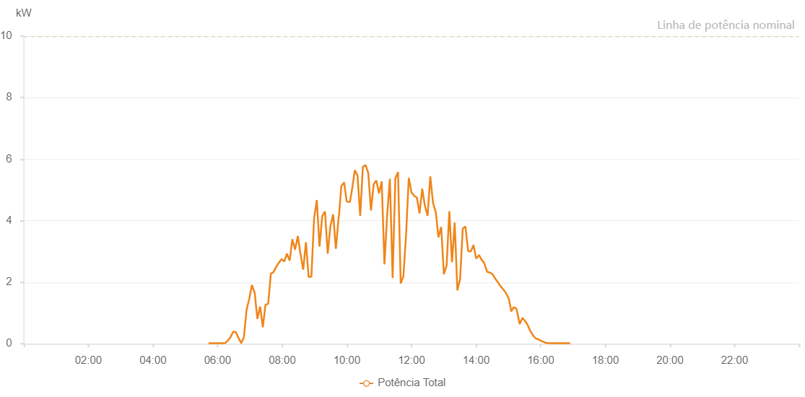

Number | Time | Working State | Alarm Code | Total Inverter Power(W)
1 | 23/06/2023 05:43:18 (UTC-4:00) | Normal |  | 20.000
2 | 23/06/2023 05:48:47 (UTC-4:00) | Normal |  | 20.000
3 | 23/06/2023 05:53:46 (UTC-4:00) | Normal |  | 20.000
4 | 23/06/2023 05:58:46 (UTC-4:00) | Normal |  | 20.000
5 | 23/06/2023 06:03:48 (UTC-4:00) | Normal |  | 20.000
6 | 23/06/2023 06:08:51 (UTC-4:00) | Normal |  | 20.000
7 | 23/06/2023 06:13:50 (UTC-4:00) | Normal |  | 20.000
8 | 23/06/2023 06:18:49 (UTC-4:00) | Normal |  | 100.000
9 | 23/06/2023 06:23:48 (UTC-4:00) | Normal |  | 210.000
10 | 23/06/2023 06:28:47 (UTC-4:00) | Normal |  | 390.000
11 | 23/06/2023 06:33:47 (UTC-4:00) | Normal |  | 380.000
12 | 23/06/2023 06:38:47 (UTC-4:00) | Normal |  | 190.000
13 | 23/06/2023 06:43:46 (UTC-4:00) | Normal |  | 20.000
14 | 23/06/2023 06:48:45 (UTC-4:00) | Normal |  | 210.000
15 | 23/06/2023 06:53:46 (UTC-4:00) | Normal |  | 1110.000
16 | 23/06/2023 06:58:44 (UTC-4:00) | Normal |  | 1460.000
17 | 23/06/2023 07:03:43 (UTC-4:00) | Normal |  | 1910.000
18 | 23/06/2023 07:08:44 (UTC-4:00) | Normal |  | 1660.000
19 | 23/06/2023 07:13:47 (UTC-4:00) | Normal |  | 810.000
20 | 23/06/2023 07:18:50 (UTC-4:00) | Normal |  | 1210.000
21 | 23/06/2023 07:23:54 (UTC-4:00) | Normal |  | 540.000
22 | 23/06/2023 07:28:53 (UTC-4:00) | Normal |  | 1270.000
23 | 23/06/2023 07:33:52 (UTC-4:00) | Normal |  | 1300.000
24 | 23/06/2023 07:38:51 (UTC-4:00) | Normal |  | 2280.000
25 | 23/06/2023 07:43:50 (UTC-4:00) | Normal |  | 2330.000
26 | 23/06/2023 07:48:50 (UTC-4:00) | Normal |  | 2500.000
27 | 23/06/2023 07:53:49 (UTC-4:00) | Normal |  | 2640.000
28 | 23/06/2023 07:58:48 (UTC-4:00) | Normal |  | 2750.000
29 | 23/06/2023 08:03:47 (UTC-4:00) | Normal |  | 2670.000
30 | 23/06/2023 08:08:46 (UTC-4:00) | Normal |  | 2930.000
31 | 23/06/2023 08:13:46 (UTC-4:00) | Normal |  | 2700.000
32 | 23/06/2023 08:18:45 (UTC-4:00) | Normal |  | 3400.000
33 | 23/06/2023 08:23:45 (UTC-4:00) | Normal |  | 3060.000
34 | 23/06/2023 08:28:49 (UTC-4:00) | Normal |  | 3490.000
35 | 23/06/2023 08:28:59 (UTC-4:00) | Normal |  | 3490.000
36 | 23/06/2023 08:33:53 (UTC-4:00) | Normal |  | 2920.000
37 | 23/06/2023 08:38:55 (UTC-4:00) | Normal |  | 2410.000
38 | 23/06/2023 08:43:59 (UTC-4:00) | Normal |  | 3300.000
39 | 23/06/2023 08:49:01 (UTC-4:00) | Normal |  | 2170.000
40 | 23/06/2023 08:54:04 (UTC-4:00) | Normal |  | 2180.000
41 | 23/06/2023 08:59:07 (UTC-4:00) | Normal |  | 4080.000
42 | 23/06/2023 09:04:10 (UTC-4:00) | Normal |  | 4670.000
43 | 23/06/2023 09:09:13 (UTC-4:00) | Normal |  | 3160.000
44 | 23/06/2023 09:14:17 (UTC-4:00) | Normal |  | 4150.000
45 | 23/06/2023 09:19:20 (UTC-4:00) | Normal |  | 4300.000
46 | 23/06/2023 09:24:23 (UTC-4:00) | Normal |  | 2930.000
47 | 23/06/2023 09:29:28 (UTC-4:00) | Normal |  | 3830.000
48 | 23/06/2023 09:34:29 (UTC-4:00) | Normal |  | 4190.000
49 | 23/06/2023 09:34:40 (UTC-4:00) | Normal |  | 4190.000
50 | 23/06/2023 09:39:35 (UTC-4:00) | Normal |  | 3090.000
51 | 23/06/2023 09:44:38 (UTC-4:00) | Normal |  | 4100.000
52 | 23/06/2023 09:45:03 (UTC-4:00) | Normal |  | 4100.000
53 | 23/06/2023 09:49:40 (UTC-4:00) | Normal |  | 5120.000
54 | 23/06/2023 09:54:43 (UTC-4:00) | Normal |  | 5240.000
55 | 23/06/2023 09:54:54 (UTC-4:00) | Normal |  | 5240.000
56 | 23/06/2023 09:59:45 (UTC-4:00) | Normal |  | 4620.000
57 | 23/06/2023 10:04:49 (UTC-4:00) | Normal |  | 4610.000
58 | 23/06/2023 10:05:45 (UTC-4:00) | Normal |  | 4610.000
59 | 23/06/2023 10:09:48 (UTC-4:00) | Normal |  | 5040.000
60 | 23/06/2023 10:14:47 (UTC-4:00) | Normal |  | 5640.000
61 | 23/06/2023 10:19:46 (UTC-4:00) | Normal |  | 5470.000
62 | 23/06/2023 10:24:45 (UTC-4:00) | Normal |  | 4160.000
63 | 23/06/2023 10:29:45 (UTC-4:00) | Normal |  | 5750.000
64 | 23/06/2023 10:34:44 (UTC-4:00) | Normal |  | 5810.000
65 | 23/06/2023 10:39:43 (UTC-4:00) | Normal |  | 5550.000
66 | 23/06/2023 10:44:42 (UTC-4:00) | Normal |  | 4330.000
67 | 23/06/2023 10:49:42 (UTC-4:00) | Normal |  | 5180.000
68 | 23/06/2023 10:54:41 (UTC-4:00) | Normal |  | 5310.000
69 | 23/06/2023 10:59:42 (UTC-4:00) | Normal |  | 4890.000
70 | 23/06/2023 11:04:44 (UTC-4:00) | Normal |  | 5280.000
71 | 23/06/2023 11:09:47 (UTC-4:00) | Normal |  | 2580.000
72 | 23/06/2023 11:14:51 (UTC-4:00) | Normal |  | 4190.000
73 | 23/06/2023 11:19:54 (UTC-4:00) | Normal |  | 5360.000
74 | 23/06/2023 11:24:57 (UTC-4:00) | Normal |  | 2140.000
75 | 23/06/2023 11:30:01 (UTC-4:00) | Normal |  | 5380.000
76 | 23/06/2023 11:35:00 (UTC-4:00) | Normal |  | 5580.000
77 | 23/06/2023 11:39:59 (UTC-4:00) | Normal |  | 1960.000
78 | 23/06/2023 11:44:58 (UTC-4:00) | Normal |  | 2200.000
79 | 23/06/2023 11:49:58 (UTC-4:00) | Normal |  | 3560.000
80 | 23/06/2023 11:54:59 (UTC-4:00) | Normal |  | 5390.000
81 | 23/06/2023 11:59:58 (UTC-4:00) | Normal |  | 4920.000
82 | 23/06/2023 12:04:57 (UTC-4:00) | Normal |  | 4810.000
83 | 23/06/2023 12:09:57 (UTC-4:00) | Normal |  | 4750.000
84 | 23/06/2023 12:14:56 (UTC-4:00) | Normal |  | 4240.000
85 | 23/06/2023 12:19:55 (UTC-4:00) | Normal |  | 5040.000
86 | 23/06/2023 12:24:54 (UTC-4:00) | Normal |  | 4480.000
87 | 23/06/2023 12:29:54 (UTC-4:00) | Normal |  | 4160.000
88 | 23/06/2023 12:34:55 (UTC-4:00) | Normal |  | 5440.000
89 | 23/06/2023 12:39:58 (UTC-4:00) | Normal |  | 4580.000
90 | 23/06/2023 12:45:02 (UTC-4:00) | Normal |  | 4280.000
91 | 23/06/2023 12:45:13 (UTC-4:00) | Normal |  | 4280.000
92 | 23/06/2023 12:50:06 (UTC-4:00) | Normal |  | 3460.000
93 | 23/06/2023 12:55:08 (UTC-4:00) | Normal |  | 3800.000
94 | 23/06/2023 13:00:11 (UTC-4:00) | Normal |  | 2260.000
95 | 23/06/2023 13:05:15 (UTC-4:00) | Normal |  | 2550.000
96 | 23/06/2023 13:10:14 (UTC-4:00) | Normal |  | 4310.000
97 | 23/06/2023 13:15:13 (UTC-4:00) | Normal |  | 2650.000
98 | 23/06/2023 13:20:12 (UTC-4:00) | Normal |  | 3940.000
99 | 23/06/2023 13:25:11 (UTC-4:00) | Normal |  | 1740.000
100 | 23/06/2023 13:30:12 (UTC-4:00) | Normal |  | 2090.000
101 | 23/06/2023 13:35:11 (UTC-4:00) | Normal |  | 3740.000
102 | 23/06/2023 13:40:10 (UTC-4:00) | Normal |  | 3810.000
103 | 23/06/2023 13:45:09 (UTC-4:00) | Normal |  | 3010.000
104 | 23/06/2023 13:50:09 (UTC-4:00) | Normal |  | 3000.000
105 | 23/06/2023 13:55:08 (UTC-4:00) | Normal |  | 3210.000
106 | 23/06/2023 14:00:07 (UTC-4:00) | Normal |  | 2770.000
107 | 23/06/2023 14:05:28 (UTC-4:00) | Normal |  | 2880.000
108 | 23/06/2023 14:05:35 (UTC-4:00) | Normal |  | 2880.000
109 | 23/06/2023 14:10:07 (UTC-4:00) | Normal |  | 2730.000
110 | 23/06/2023 14:14:48 (UTC-4:00) | Normal |  | 2630.000
111 | 23/06/2023 14:20:29 (UTC-4:00) | Normal |  | 2340.000
112 | 23/06/2023 14:25:54 (UTC-4:00) | Normal |  | 2310.000
113 | 23/06/2023 14:30:32 (UTC-4:00) | Normal |  | 2260.000
114 | 23/06/2023 14:35:24 (UTC-4:00) | Normal |  | 2120.000
115 | 23/06/2023 14:40:27 (UTC-4:00) | Normal |  | 2000.000
116 | 23/06/2023 14:44:56 (UTC-4:00) | Normal |  | 1880.000
117 | 23/06/2023 14:50:10 (UTC-4:00) | Normal |  | 1770.000
118 | 23/06/2023 14:55:06 (UTC-4:00) | Normal |  | 1660.000
119 | 23/06/2023 15:00:54 (UTC-4:00) | Normal |  | 1460.000
120 | 23/06/2023 15:05:17 (UTC-4:00) | Normal |  | 1050.000
121 | 23/06/2023 15:09:46 (UTC-4:00) | Normal |  | 1190.000
122 | 23/06/2023 15:14:55 (UTC-4:00) | Normal |  | 1140.000
123 | 23/06/2023 15:20:57 (UTC-4:00) | Normal |  | 640.000
124 | 23/06/2023 15:25:53 (UTC-4:00) | Normal |  | 840.000
125 | 23/06/2023 15:30:27 (UTC-4:00) | Normal |  | 750.000
126 | 23/06/2023 15:35:11 (UTC-4:00) | Normal |  | 630.000
127 | 23/06/2023 15:40:19 (UTC-4:00) | Normal |  | 430.000
128 | 23/06/2023 15:45:21 (UTC-4:00) | Normal |  | 280.000
129 | 23/06/2023 15:50:01 (UTC-4:00) | Normal |  | 180.000
130 | 23/06/2023 15:55:56 (UTC-4:00) | Normal |  | 140.000
131 | 23/06/2023 16:01:15 (UTC-4:00) | Normal |  | 90.000
132 | 23/06/2023 16:05:05 (UTC-4:00) | Normal |  | 60.000
133 | 23/06/2023 16:09:39 (UTC-4:00) | Normal |  | 30.000
134 | 23/06/2023 16:15:13 (UTC-4:00) | Normal |  | 20.000
135 | 23/06/2023 16:19:49 (UTC-4:00) | Normal |  | 20.000
136 | 23/06/2023 16:25:35 (UTC-4:00) | Normal |  | 20.000
137 | 23/06/2023 16:31:01 (UTC-4:00) | Normal |  | 20.000
138 | 23/06/2023 16:34:50 (UTC-4:00) | Normal |  | 20.000
139 | 23/06/2023 16:39:17 (UTC-4:00) | Normal |  | 20.000
140 | 23/06/2023 16:44:49 (UTC-4:00) | Normal |  | 20.000
141 | 23/06/2023 16:50:13 (UTC-4:00) | Normal |  | 20.000
142 | 23/06/2023 16:54:43 (UTC-4:00) | Normal |  | 20.000

