Inverter History Report__17-08-
Inverter History Report_25/06/2023_Report

Inverter SN:054B7020C020041 |  | Inverter type:B7
Collector SN:4045966636 |  | Full Load Hours(h):2.98
Rated Power:10000Wp

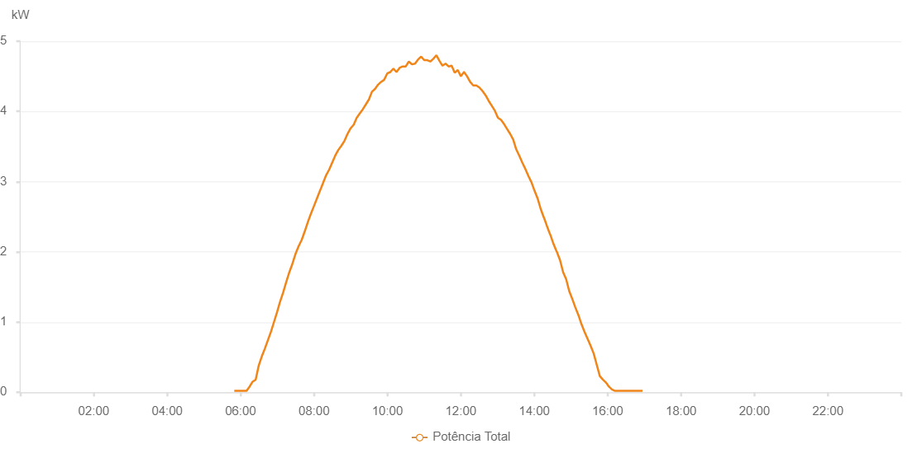

Number | Time | Working State | Alarm Code | Total Inverter Power(W)
1 | 25/06/2023 05:49:42 (UTC-4:00) | Normal |  | 20.000
2 | 25/06/2023 05:54:42 (UTC-4:00) | Normal |  | 20.000
3 | 25/06/2023 05:59:40 (UTC-4:00) | Normal |  | 20.000
4 | 25/06/2023 06:04:42 (UTC-4:00) | Normal |  | 20.000
5 | 25/06/2023 06:09:44 (UTC-4:00) | Normal |  | 20.000
6 | 25/06/2023 06:14:43 (UTC-4:00) | Normal |  | 80.000
7 | 25/06/2023 06:19:42 (UTC-4:00) | Normal |  | 150.000
8 | 25/06/2023 06:24:41 (UTC-4:00) | Normal |  | 180.000
9 | 25/06/2023 06:29:40 (UTC-4:00) | Normal |  | 380.000
10 | 25/06/2023 06:34:39 (UTC-4:00) | Normal |  | 510.000
11 | 25/06/2023 06:39:38 (UTC-4:00) | Normal |  | 620.000
12 | 25/06/2023 06:44:37 (UTC-4:00) | Normal |  | 740.000
13 | 25/06/2023 06:49:36 (UTC-4:00) | Normal |  | 860.000
14 | 25/06/2023 06:54:35 (UTC-4:00) | Normal |  | 1000.000
15 | 25/06/2023 06:59:34 (UTC-4:00) | Normal |  | 1140.000
16 | 25/06/2023 07:04:33 (UTC-4:00) | Normal |  | 1290.000
17 | 25/06/2023 07:09:35 (UTC-4:00) | Normal |  | 1420.000
18 | 25/06/2023 07:14:38 (UTC-4:00) | Normal |  | 1570.000
19 | 25/06/2023 07:19:42 (UTC-4:00) | Normal |  | 1710.000
20 | 25/06/2023 07:24:44 (UTC-4:00) | Normal |  | 1830.000
21 | 25/06/2023 07:29:47 (UTC-4:00) | Normal |  | 1970.000
22 | 25/06/2023 07:34:50 (UTC-4:00) | Normal |  | 2080.000
23 | 25/06/2023 07:39:53 (UTC-4:00) | Normal |  | 2170.000
24 | 25/06/2023 07:44:52 (UTC-4:00) | Normal |  | 2290.000
25 | 25/06/2023 07:49:50 (UTC-4:00) | Normal |  | 2420.000
26 | 25/06/2023 07:54:49 (UTC-4:00) | Normal |  | 2540.000
27 | 25/06/2023 07:59:49 (UTC-4:00) | Normal |  | 2650.000
28 | 25/06/2023 08:04:48 (UTC-4:00) | Normal |  | 2760.000
29 | 25/06/2023 08:09:48 (UTC-4:00) | Normal |  | 2870.000
30 | 25/06/2023 08:14:47 (UTC-4:00) | Normal |  | 2980.000
31 | 25/06/2023 08:19:46 (UTC-4:00) | Normal |  | 3090.000
32 | 25/06/2023 08:24:45 (UTC-4:00) | Normal |  | 3170.000
33 | 25/06/2023 08:29:44 (UTC-4:00) | Normal |  | 3270.000
34 | 25/06/2023 08:34:42 (UTC-4:00) | Normal |  | 3370.000
35 | 25/06/2023 08:39:41 (UTC-4:00) | Normal |  | 3450.000
36 | 25/06/2023 08:44:44 (UTC-4:00) | Normal |  | 3510.000
37 | 25/06/2023 08:49:47 (UTC-4:00) | Normal |  | 3580.000
38 | 25/06/2023 08:54:50 (UTC-4:00) | Normal |  | 3680.000
39 | 25/06/2023 08:59:53 (UTC-4:00) | Normal |  | 3760.000
40 | 25/06/2023 09:04:51 (UTC-4:00) | Normal |  | 3810.000
41 | 25/06/2023 09:09:50 (UTC-4:00) | Normal |  | 3910.000
42 | 25/06/2023 09:14:49 (UTC-4:00) | Normal |  | 3970.000
43 | 25/06/2023 09:19:48 (UTC-4:00) | Normal |  | 4030.000
44 | 25/06/2023 09:24:47 (UTC-4:00) | Normal |  | 4100.000
45 | 25/06/2023 09:29:46 (UTC-4:00) | Normal |  | 4170.000
46 | 25/06/2023 09:34:45 (UTC-4:00) | Normal |  | 4280.000
47 | 25/06/2023 09:39:44 (UTC-4:00) | Normal |  | 4320.000
48 | 25/06/2023 09:44:43 (UTC-4:00) | Normal |  | 4380.000
49 | 25/06/2023 09:49:42 (UTC-4:00) | Normal |  | 4420.000
50 | 25/06/2023 09:54:41 (UTC-4:00) | Normal |  | 4450.000
51 | 25/06/2023 09:59:42 (UTC-4:00) | Normal |  | 4540.000
52 | 25/06/2023 10:04:45 (UTC-4:00) | Normal |  | 4560.000
53 | 25/06/2023 10:09:47 (UTC-4:00) | Normal |  | 4610.000
54 | 25/06/2023 10:14:51 (UTC-4:00) | Normal |  | 4560.000
55 | 25/06/2023 10:19:53 (UTC-4:00) | Normal |  | 4620.000
56 | 25/06/2023 10:24:56 (UTC-4:00) | Normal |  | 4640.000
57 | 25/06/2023 10:29:59 (UTC-4:00) | Normal |  | 4640.000
58 | 25/06/2023 10:35:02 (UTC-4:00) | Normal |  | 4710.000
59 | 25/06/2023 10:40:05 (UTC-4:00) | Normal |  | 4670.000
60 | 25/06/2023 10:45:08 (UTC-4:00) | Normal |  | 4680.000
61 | 25/06/2023 10:50:11 (UTC-4:00) | Normal |  | 4740.000
62 | 25/06/2023 10:55:10 (UTC-4:00) | Normal |  | 4780.000
63 | 25/06/2023 11:00:09 (UTC-4:00) | Normal |  | 4730.000
64 | 25/06/2023 11:05:08 (UTC-4:00) | Normal |  | 4730.000
65 | 25/06/2023 11:10:06 (UTC-4:00) | Normal |  | 4710.000
66 | 25/06/2023 11:15:05 (UTC-4:00) | Normal |  | 4750.000
67 | 25/06/2023 11:20:04 (UTC-4:00) | Normal |  | 4800.000
68 | 25/06/2023 11:25:03 (UTC-4:00) | Normal |  | 4720.000
69 | 25/06/2023 11:30:02 (UTC-4:00) | Normal |  | 4650.000
70 | 25/06/2023 11:35:01 (UTC-4:00) | Normal |  | 4680.000
71 | 25/06/2023 11:40:00 (UTC-4:00) | Normal |  | 4640.000
72 | 25/06/2023 11:44:59 (UTC-4:00) | Normal |  | 4650.000
73 | 25/06/2023 11:49:58 (UTC-4:00) | Normal |  | 4550.000
74 | 25/06/2023 11:55:01 (UTC-4:00) | Normal |  | 4590.000
75 | 25/06/2023 12:00:04 (UTC-4:00) | Normal |  | 4500.000
76 | 25/06/2023 12:05:07 (UTC-4:00) | Normal |  | 4560.000
77 | 25/06/2023 12:05:17 (UTC-4:00) | Normal |  | 4560.000
78 | 25/06/2023 12:10:12 (UTC-4:00) | Normal |  | 4500.000
79 | 25/06/2023 12:15:14 (UTC-4:00) | Normal |  | 4420.000
80 | 25/06/2023 12:20:17 (UTC-4:00) | Normal |  | 4370.000
81 | 25/06/2023 12:25:19 (UTC-4:00) | Normal |  | 4370.000
82 | 25/06/2023 12:30:22 (UTC-4:00) | Normal |  | 4340.000
83 | 25/06/2023 12:35:25 (UTC-4:00) | Normal |  | 4290.000
84 | 25/06/2023 12:40:28 (UTC-4:00) | Normal |  | 4230.000
85 | 25/06/2023 12:45:31 (UTC-4:00) | Normal |  | 4150.000
86 | 25/06/2023 12:50:34 (UTC-4:00) | Normal |  | 4080.000
87 | 25/06/2023 12:55:37 (UTC-4:00) | Normal |  | 4010.000
88 | 25/06/2023 13:00:40 (UTC-4:00) | Normal |  | 3910.000
89 | 25/06/2023 13:05:39 (UTC-4:00) | Normal |  | 3880.000
90 | 25/06/2023 13:10:38 (UTC-4:00) | Normal |  | 3820.000
91 | 25/06/2023 13:15:37 (UTC-4:00) | Normal |  | 3750.000
92 | 25/06/2023 13:20:36 (UTC-4:00) | Normal |  | 3680.000
93 | 25/06/2023 13:25:35 (UTC-4:00) | Normal |  | 3600.000
94 | 25/06/2023 13:30:33 (UTC-4:00) | Normal |  | 3460.000
95 | 25/06/2023 13:35:32 (UTC-4:00) | Normal |  | 3370.000
96 | 25/06/2023 13:40:31 (UTC-4:00) | Normal |  | 3270.000
97 | 25/06/2023 13:45:31 (UTC-4:00) | Normal |  | 3180.000
98 | 25/06/2023 13:50:30 (UTC-4:00) | Normal |  | 3080.000
99 | 25/06/2023 13:55:29 (UTC-4:00) | Normal |  | 2990.000
100 | 25/06/2023 14:00:28 (UTC-4:00) | Normal |  | 2870.000
101 | 25/06/2023 14:05:31 (UTC-4:00) | Normal |  | 2760.000
102 | 25/06/2023 14:10:34 (UTC-4:00) | Normal |  | 2610.000
103 | 25/06/2023 14:15:37 (UTC-4:00) | Normal |  | 2490.000
104 | 25/06/2023 14:15:48 (UTC-4:00) | Normal |  | 2490.000
105 | 25/06/2023 14:20:40 (UTC-4:00) | Normal |  | 2370.000
106 | 25/06/2023 14:25:44 (UTC-4:00) | Normal |  | 2250.000
107 | 25/06/2023 14:25:59 (UTC-4:00) | Normal |  | 2250.000
108 | 25/06/2023 14:30:45 (UTC-4:00) | Normal |  | 2130.000
109 | 25/06/2023 14:35:48 (UTC-4:00) | Normal |  | 2020.000
110 | 25/06/2023 14:36:59 (UTC-4:00) | Normal |  | 2000.000
111 | 25/06/2023 14:42:13 (UTC-4:00) | Normal |  | 1880.000
112 | 25/06/2023 14:47:12 (UTC-4:00) | Normal |  | 1710.000
113 | 25/06/2023 14:52:11 (UTC-4:00) | Normal |  | 1610.000
114 | 25/06/2023 14:57:11 (UTC-4:00) | Normal |  | 1440.000
115 | 25/06/2023 15:02:09 (UTC-4:00) | Normal |  | 1330.000
116 | 25/06/2023 15:07:08 (UTC-4:00) | Normal |  | 1210.000
117 | 25/06/2023 15:12:09 (UTC-4:00) | Normal |  | 1100.000
118 | 25/06/2023 15:17:11 (UTC-4:00) | Normal |  | 970.000
119 | 25/06/2023 15:22:14 (UTC-4:00) | Normal |  | 860.000
120 | 25/06/2023 15:27:16 (UTC-4:00) | Normal |  | 760.000
121 | 25/06/2023 15:32:15 (UTC-4:00) | Normal |  | 660.000
122 | 25/06/2023 15:37:14 (UTC-4:00) | Normal |  | 550.000
123 | 25/06/2023 15:42:12 (UTC-4:00) | Normal |  | 390.000
124 | 25/06/2023 15:47:11 (UTC-4:00) | Normal |  | 230.000
125 | 25/06/2023 15:52:10 (UTC-4:00) | Normal |  | 180.000
126 | 25/06/2023 15:57:08 (UTC-4:00) | Normal |  | 140.000
127 | 25/06/2023 16:02:07 (UTC-4:00) | Normal |  | 80.000
128 | 25/06/2023 16:07:05 (UTC-4:00) | Normal |  | 40.000
129 | 25/06/2023 16:12:04 (UTC-4:00) | Normal |  | 20.000
130 | 25/06/2023 16:17:03 (UTC-4:00) | Normal |  | 20.000
131 | 25/06/2023 16:22:02 (UTC-4:00) | Normal |  | 20.000
132 | 25/06/2023 16:27:00 (UTC-4:00) | Normal |  | 20.000
133 | 25/06/2023 16:32:02 (UTC-4:00) | Normal |  | 20.000
134 | 25/06/2023 16:37:04 (UTC-4:00) | Normal |  | 20.000
135 | 25/06/2023 16:37:15 (UTC-4:00) | Normal |  | 20.000
136 | 25/06/2023 16:42:03 (UTC-4:00) | Normal |  | 20.000
137 | 25/06/2023 16:47:01 (UTC-4:00) | Normal |  | 20.000
138 | 25/06/2023 16:52:00 (UTC-4:00) | Normal |  | 20.000
139 | 25/06/2023 16:56:58 (UTC-4:00) | Normal |  | 20.000

