Inverter History Report__17-08-
Inverter History Report_27/06/2023_Report

Inverter SN:054B7020C020041 |  | Inverter type:B7
Collector SN:4045966636 |  | Full Load Hours(h):3.13
Rated Power:10000Wp

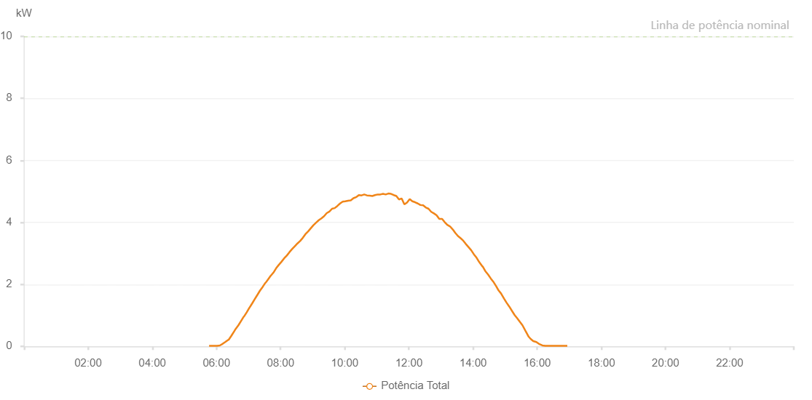

Number | Time | Working State | Alarm Code | Total Inverter Power(W)
1 | 27/06/2023 05:46:18 (UTC-4:00) | Normal |  | 20.000
2 | 27/06/2023 05:51:19 (UTC-4:00) | Normal |  | 20.000
3 | 27/06/2023 05:56:19 (UTC-4:00) | Normal |  | 20.000
4 | 27/06/2023 06:01:21 (UTC-4:00) | Normal |  | 20.000
5 | 27/06/2023 06:06:22 (UTC-4:00) | Normal |  | 30.000
6 | 27/06/2023 06:11:29 (UTC-4:00) | Normal |  | 80.000
7 | 27/06/2023 06:16:30 (UTC-4:00) | Normal |  | 140.000
8 | 27/06/2023 06:22:14 (UTC-4:00) | Normal |  | 210.000
9 | 27/06/2023 06:22:50 (UTC-4:00) | Normal |  | 210.000
10 | 27/06/2023 06:27:53 (UTC-4:00) | Normal |  | 340.000
11 | 27/06/2023 06:33:22 (UTC-4:00) | Normal |  | 490.000
12 | 27/06/2023 06:35:49 (UTC-4:00) | Normal |  | 560.000
13 | 27/06/2023 06:41:04 (UTC-4:00) | Normal |  | 680.000
14 | 27/06/2023 06:46:04 (UTC-4:00) | Normal |  | 820.000
15 | 27/06/2023 06:51:03 (UTC-4:00) | Normal |  | 960.000
16 | 27/06/2023 06:51:26 (UTC-4:00) | Normal |  | 960.000
17 | 27/06/2023 06:56:42 (UTC-4:00) | Normal |  | 1100.000
18 | 27/06/2023 07:01:49 (UTC-4:00) | Normal |  | 1250.000
19 | 27/06/2023 07:01:50 (UTC-4:00) | Normal |  | 1250.000
20 | 27/06/2023 07:02:00 (UTC-4:00) | Normal |  | 1250.000
21 | 27/06/2023 07:06:59 (UTC-4:00) | Normal |  | 1390.000
22 | 27/06/2023 07:11:35 (UTC-4:00) | Normal |  | 1520.000
23 | 27/06/2023 07:16:34 (UTC-4:00) | Normal |  | 1660.000
24 | 27/06/2023 07:21:32 (UTC-4:00) | Normal |  | 1800.000
25 | 27/06/2023 07:26:31 (UTC-4:00) | Normal |  | 1920.000
26 | 27/06/2023 07:31:31 (UTC-4:00) | Normal |  | 2050.000
27 | 27/06/2023 07:31:56 (UTC-4:00) | Normal |  | 2050.000
28 | 27/06/2023 07:36:34 (UTC-4:00) | Normal |  | 2160.000
29 | 27/06/2023 07:41:37 (UTC-4:00) | Normal |  | 2280.000
30 | 27/06/2023 07:41:48 (UTC-4:00) | Normal |  | 2280.000
31 | 27/06/2023 07:46:40 (UTC-4:00) | Normal |  | 2380.000
32 | 27/06/2023 07:51:42 (UTC-4:00) | Normal |  | 2520.000
33 | 27/06/2023 07:56:44 (UTC-4:00) | Normal |  | 2630.000
34 | 27/06/2023 08:01:43 (UTC-4:00) | Normal |  | 2730.000
35 | 27/06/2023 08:06:41 (UTC-4:00) | Normal |  | 2840.000
36 | 27/06/2023 08:11:39 (UTC-4:00) | Normal |  | 2930.000
37 | 27/06/2023 08:16:38 (UTC-4:00) | Normal |  | 3040.000
38 | 27/06/2023 08:21:36 (UTC-4:00) | Normal |  | 3140.000
39 | 27/06/2023 08:26:35 (UTC-4:00) | Normal |  | 3230.000
40 | 27/06/2023 08:31:34 (UTC-4:00) | Normal |  | 3320.000
41 | 27/06/2023 08:36:32 (UTC-4:00) | Normal |  | 3400.000
42 | 27/06/2023 08:41:31 (UTC-4:00) | Normal |  | 3500.000
43 | 27/06/2023 08:46:30 (UTC-4:00) | Normal |  | 3620.000
44 | 27/06/2023 08:51:35 (UTC-4:00) | Normal |  | 3710.000
45 | 27/06/2023 08:56:28 (UTC-4:00) | Normal |  | 3810.000
46 | 27/06/2023 09:01:26 (UTC-4:00) | Normal |  | 3910.000
47 | 27/06/2023 09:06:25 (UTC-4:00) | Normal |  | 3990.000
48 | 27/06/2023 09:11:25 (UTC-4:00) | Normal |  | 4070.000
49 | 27/06/2023 09:16:23 (UTC-4:00) | Normal |  | 4130.000
50 | 27/06/2023 09:21:22 (UTC-4:00) | Normal |  | 4200.000
51 | 27/06/2023 09:26:20 (UTC-4:00) | Normal |  | 4300.000
52 | 27/06/2023 09:31:19 (UTC-4:00) | Normal |  | 4350.000
53 | 27/06/2023 09:36:17 (UTC-4:00) | Normal |  | 4440.000
54 | 27/06/2023 09:41:16 (UTC-4:00) | Normal |  | 4460.000
55 | 27/06/2023 09:46:14 (UTC-4:00) | Normal |  | 4530.000
56 | 27/06/2023 09:51:16 (UTC-4:00) | Normal |  | 4610.000
57 | 27/06/2023 09:56:14 (UTC-4:00) | Normal |  | 4670.000
58 | 27/06/2023 10:01:13 (UTC-4:00) | Normal |  | 4680.000
59 | 27/06/2023 10:06:15 (UTC-4:00) | Normal |  | 4700.000
60 | 27/06/2023 10:11:18 (UTC-4:00) | Normal |  | 4710.000
61 | 27/06/2023 10:16:20 (UTC-4:00) | Normal |  | 4780.000
62 | 27/06/2023 10:21:58 (UTC-4:00) | Normal |  | 4820.000
63 | 27/06/2023 10:26:25 (UTC-4:00) | Normal |  | 4880.000
64 | 27/06/2023 10:31:30 (UTC-4:00) | Normal |  | 4870.000
65 | 27/06/2023 10:36:30 (UTC-4:00) | Normal |  | 4900.000
66 | 27/06/2023 10:41:32 (UTC-4:00) | Normal |  | 4870.000
67 | 27/06/2023 10:46:36 (UTC-4:00) | Normal |  | 4860.000
68 | 27/06/2023 10:51:37 (UTC-4:00) | Normal |  | 4850.000
69 | 27/06/2023 10:56:40 (UTC-4:00) | Normal |  | 4880.000
70 | 27/06/2023 11:01:42 (UTC-4:00) | Normal |  | 4900.000
71 | 27/06/2023 11:01:53 (UTC-4:00) | Normal |  | 4900.000
72 | 27/06/2023 11:06:40 (UTC-4:00) | Normal |  | 4900.000
73 | 27/06/2023 11:11:39 (UTC-4:00) | Normal |  | 4920.000
74 | 27/06/2023 11:16:37 (UTC-4:00) | Normal |  | 4900.000
75 | 27/06/2023 11:21:36 (UTC-4:00) | Normal |  | 4930.000
76 | 27/06/2023 11:26:34 (UTC-4:00) | Normal |  | 4920.000
77 | 27/06/2023 11:31:33 (UTC-4:00) | Normal |  | 4880.000
78 | 27/06/2023 11:36:31 (UTC-4:00) | Normal |  | 4850.000
79 | 27/06/2023 11:41:32 (UTC-4:00) | Normal |  | 4740.000
80 | 27/06/2023 11:46:33 (UTC-4:00) | Normal |  | 4770.000
81 | 27/06/2023 11:51:33 (UTC-4:00) | Normal |  | 4580.000
82 | 27/06/2023 11:56:32 (UTC-4:00) | Normal |  | 4640.000
83 | 27/06/2023 12:01:30 (UTC-4:00) | Normal |  | 4750.000
84 | 27/06/2023 12:06:30 (UTC-4:00) | Normal |  | 4680.000
85 | 27/06/2023 12:11:30 (UTC-4:00) | Normal |  | 4650.000
86 | 27/06/2023 12:16:32 (UTC-4:00) | Normal |  | 4610.000
87 | 27/06/2023 12:21:34 (UTC-4:00) | Normal |  | 4560.000
88 | 27/06/2023 12:26:36 (UTC-4:00) | Normal |  | 4550.000
89 | 27/06/2023 12:31:39 (UTC-4:00) | Normal |  | 4480.000
90 | 27/06/2023 12:36:41 (UTC-4:00) | Normal |  | 4440.000
91 | 27/06/2023 12:41:44 (UTC-4:00) | Normal |  | 4340.000
92 | 27/06/2023 12:46:46 (UTC-4:00) | Normal |  | 4290.000
93 | 27/06/2023 12:51:50 (UTC-4:00) | Normal |  | 4230.000
94 | 27/06/2023 12:56:51 (UTC-4:00) | Normal |  | 4110.000
95 | 27/06/2023 13:01:54 (UTC-4:00) | Normal |  | 4110.000
96 | 27/06/2023 13:02:08 (UTC-4:00) | Normal |  | 4110.000
97 | 27/06/2023 13:06:50 (UTC-4:00) | Normal |  | 4010.000
98 | 27/06/2023 13:11:47 (UTC-4:00) | Normal |  | 3920.000
99 | 27/06/2023 13:16:56 (UTC-4:00) | Normal |  | 3870.000
100 | 27/06/2023 13:16:58 (UTC-4:00) | Normal |  | 3870.000
101 | 27/06/2023 13:22:09 (UTC-4:00) | Normal |  | 3770.000
102 | 27/06/2023 13:26:48 (UTC-4:00) | Normal |  | 3660.000
103 | 27/06/2023 13:31:44 (UTC-4:00) | Normal |  | 3560.000
104 | 27/06/2023 13:36:42 (UTC-4:00) | Normal |  | 3490.000
105 | 27/06/2023 13:41:40 (UTC-4:00) | Normal |  | 3410.000
106 | 27/06/2023 13:46:39 (UTC-4:00) | Normal |  | 3300.000
107 | 27/06/2023 13:51:41 (UTC-4:00) | Normal |  | 3200.000
108 | 27/06/2023 13:56:36 (UTC-4:00) | Normal |  | 3100.000
109 | 27/06/2023 14:01:34 (UTC-4:00) | Normal |  | 2970.000
110 | 27/06/2023 14:06:33 (UTC-4:00) | Normal |  | 2860.000
111 | 27/06/2023 14:11:32 (UTC-4:00) | Normal |  | 2720.000
112 | 27/06/2023 14:17:56 (UTC-4:00) | Normal |  | 2570.000
113 | 27/06/2023 14:18:03 (UTC-4:00) | Normal |  | 2580.000
114 | 27/06/2023 14:22:55 (UTC-4:00) | Normal |  | 2430.000
115 | 27/06/2023 14:28:25 (UTC-4:00) | Normal |  | 2310.000
116 | 27/06/2023 14:33:10 (UTC-4:00) | Normal |  | 2190.000
117 | 27/06/2023 14:37:46 (UTC-4:00) | Normal |  | 2090.000
118 | 27/06/2023 14:43:20 (UTC-4:00) | Normal |  | 1940.000
119 | 27/06/2023 14:47:58 (UTC-4:00) | Normal |  | 1800.000
120 | 27/06/2023 14:52:14 (UTC-4:00) | Normal |  | 1710.000
121 | 27/06/2023 14:58:02 (UTC-4:00) | Normal |  | 1540.000
122 | 27/06/2023 15:02:39 (UTC-4:00) | Normal |  | 1410.000
123 | 27/06/2023 15:07:55 (UTC-4:00) | Normal |  | 1280.000
124 | 27/06/2023 15:13:43 (UTC-4:00) | Normal |  | 1120.000
125 | 27/06/2023 15:17:50 (UTC-4:00) | Normal |  | 1010.000
126 | 27/06/2023 15:22:30 (UTC-4:00) | Normal |  | 910.000
127 | 27/06/2023 15:28:07 (UTC-4:00) | Normal |  | 780.000
128 | 27/06/2023 15:32:28 (UTC-4:00) | Normal |  | 680.000
129 | 27/06/2023 15:38:25 (UTC-4:00) | Normal |  | 490.000
130 | 27/06/2023 15:44:09 (UTC-4:00) | Normal |  | 310.000
131 | 27/06/2023 15:47:44 (UTC-4:00) | Normal |  | 240.000
132 | 27/06/2023 15:52:37 (UTC-4:00) | Normal |  | 170.000
133 | 27/06/2023 15:58:20 (UTC-4:00) | Normal |  | 140.000
134 | 27/06/2023 16:03:18 (UTC-4:00) | Normal |  | 80.000
135 | 27/06/2023 16:09:36 (UTC-4:00) | Normal |  | 30.000
136 | 27/06/2023 16:14:58 (UTC-4:00) | Normal |  | 20.000
137 | 27/06/2023 16:17:40 (UTC-4:00) | Normal |  | 20.000
138 | 27/06/2023 16:22:36 (UTC-4:00) | Normal |  | 20.000
139 | 27/06/2023 16:27:09 (UTC-4:00) | Normal |  | 20.000
140 | 27/06/2023 16:32:42 (UTC-4:00) | Normal |  | 20.000
141 | 27/06/2023 16:37:40 (UTC-4:00) | Normal |  | 20.000
142 | 27/06/2023 16:42:22 (UTC-4:00) | Normal |  | 20.000
143 | 27/06/2023 16:46:55 (UTC-4:00) | Normal |  | 20.000
144 | 27/06/2023 16:51:48 (UTC-4:00) | Normal |  | 20.000
145 | 27/06/2023 16:56:19 (UTC-4:00) | Normal |  | 20.000

