Inverter History Report__17-08-
Inverter History Report_30/06/2023_Report

Inverter SN:054B7020C020041 |  | Inverter type:B7
Collector SN:4045966636 |  | Full Load Hours(h):2.68
Rated Power:10000Wp

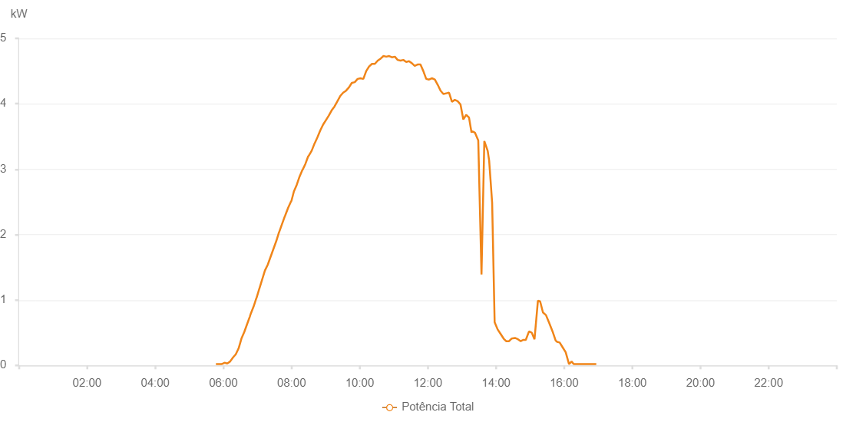

Number | Time | Working State | Alarm Code | Total Inverter Power(W)
1 | 30/06/2023 05:46:55 (UTC-4:00) | Normal |  | 20.000
2 | 30/06/2023 05:51:53 (UTC-4:00) | Normal |  | 20.000
3 | 30/06/2023 05:56:52 (UTC-4:00) | Normal |  | 20.000
4 | 30/06/2023 06:01:59 (UTC-4:00) | Normal |  | 40.000
5 | 30/06/2023 06:06:55 (UTC-4:00) | Normal |  | 30.000
6 | 30/06/2023 06:11:55 (UTC-4:00) | Normal |  | 60.000
7 | 30/06/2023 06:16:52 (UTC-4:00) | Normal |  | 120.000
8 | 30/06/2023 06:21:52 (UTC-4:00) | Normal |  | 170.000
9 | 30/06/2023 06:26:50 (UTC-4:00) | Normal |  | 260.000
10 | 30/06/2023 06:31:49 (UTC-4:00) | Normal |  | 410.000
11 | 30/06/2023 06:36:47 (UTC-4:00) | Normal |  | 510.000
12 | 30/06/2023 06:41:46 (UTC-4:00) | Normal |  | 630.000
13 | 30/06/2023 06:46:45 (UTC-4:00) | Normal |  | 750.000
14 | 30/06/2023 06:47:48 (UTC-4:00) | Normal |  | 780.000
15 | 30/06/2023 06:53:12 (UTC-4:00) | Normal |  | 900.000
16 | 30/06/2023 06:58:11 (UTC-4:00) | Normal |  | 1030.000
17 | 30/06/2023 06:58:22 (UTC-4:00) | Normal |  | 1030.000
18 | 30/06/2023 07:03:11 (UTC-4:00) | Normal |  | 1170.000
19 | 30/06/2023 07:08:10 (UTC-4:00) | Normal |  | 1310.000
20 | 30/06/2023 07:13:09 (UTC-4:00) | Normal |  | 1450.000
21 | 30/06/2023 07:18:09 (UTC-4:00) | Normal |  | 1540.000
22 | 30/06/2023 07:23:08 (UTC-4:00) | Normal |  | 1660.000
23 | 30/06/2023 07:28:07 (UTC-4:00) | Normal |  | 1780.000
24 | 30/06/2023 07:33:07 (UTC-4:00) | Normal |  | 1900.000
25 | 30/06/2023 07:38:07 (UTC-4:00) | Normal |  | 2040.000
26 | 30/06/2023 07:38:18 (UTC-4:00) | Normal |  | 2040.000
27 | 30/06/2023 07:43:14 (UTC-4:00) | Normal |  | 2160.000
28 | 30/06/2023 07:48:14 (UTC-4:00) | Normal |  | 2280.000
29 | 30/06/2023 07:48:47 (UTC-4:00) | Normal |  | 2290.000
30 | 30/06/2023 07:54:05 (UTC-4:00) | Normal |  | 2410.000
31 | 30/06/2023 07:59:17 (UTC-4:00) | Normal |  | 2510.000
32 | 30/06/2023 07:59:42 (UTC-4:00) | Normal |  | 2510.000
33 | 30/06/2023 08:04:12 (UTC-4:00) | Normal |  | 2660.000
34 | 30/06/2023 08:09:10 (UTC-4:00) | Normal |  | 2760.000
35 | 30/06/2023 08:14:16 (UTC-4:00) | Normal |  | 2890.000
36 | 30/06/2023 08:19:17 (UTC-4:00) | Normal |  | 2990.000
37 | 30/06/2023 08:19:28 (UTC-4:00) | Normal |  | 2990.000
38 | 30/06/2023 08:24:23 (UTC-4:00) | Normal |  | 3080.000
39 | 30/06/2023 08:29:27 (UTC-4:00) | Normal |  | 3200.000
40 | 30/06/2023 08:29:40 (UTC-4:00) | Normal |  | 3200.000
41 | 30/06/2023 08:30:01 (UTC-4:00) | Normal |  | 3200.000
42 | 30/06/2023 08:35:23 (UTC-4:00) | Normal |  | 3280.000
43 | 30/06/2023 08:40:52 (UTC-4:00) | Normal |  | 3400.000
44 | 30/06/2023 08:40:59 (UTC-4:00) | Normal |  | 3400.000
45 | 30/06/2023 08:45:44 (UTC-4:00) | Normal |  | 3490.000
46 | 30/06/2023 08:50:27 (UTC-4:00) | Normal |  | 3590.000
47 | 30/06/2023 08:55:31 (UTC-4:00) | Normal |  | 3680.000
48 | 30/06/2023 09:00:34 (UTC-4:00) | Normal |  | 3750.000
49 | 30/06/2023 09:05:38 (UTC-4:00) | Normal |  | 3820.000
50 | 30/06/2023 09:10:42 (UTC-4:00) | Normal |  | 3900.000
51 | 30/06/2023 09:15:46 (UTC-4:00) | Normal |  | 3960.000
52 | 30/06/2023 09:20:50 (UTC-4:00) | Normal |  | 4040.000
53 | 30/06/2023 09:25:54 (UTC-4:00) | Normal |  | 4120.000
54 | 30/06/2023 09:30:58 (UTC-4:00) | Normal |  | 4170.000
55 | 30/06/2023 09:36:02 (UTC-4:00) | Normal |  | 4200.000
56 | 30/06/2023 09:41:06 (UTC-4:00) | Normal |  | 4250.000
57 | 30/06/2023 09:46:10 (UTC-4:00) | Normal |  | 4320.000
58 | 30/06/2023 09:46:22 (UTC-4:00) | Normal |  | 4320.000
59 | 30/06/2023 09:51:17 (UTC-4:00) | Normal |  | 4330.000
60 | 30/06/2023 09:56:21 (UTC-4:00) | Normal |  | 4380.000
61 | 30/06/2023 10:01:22 (UTC-4:00) | Normal |  | 4390.000
62 | 30/06/2023 10:06:26 (UTC-4:00) | Normal |  | 4380.000
63 | 30/06/2023 10:11:30 (UTC-4:00) | Normal |  | 4500.000
64 | 30/06/2023 10:16:34 (UTC-4:00) | Normal |  | 4570.000
65 | 30/06/2023 10:21:38 (UTC-4:00) | Normal |  | 4610.000
66 | 30/06/2023 10:26:42 (UTC-4:00) | Normal |  | 4610.000
67 | 30/06/2023 10:31:46 (UTC-4:00) | Normal |  | 4660.000
68 | 30/06/2023 10:36:50 (UTC-4:00) | Normal |  | 4690.000
69 | 30/06/2023 10:41:54 (UTC-4:00) | Normal |  | 4730.000
70 | 30/06/2023 10:46:55 (UTC-4:00) | Normal |  | 4720.000
71 | 30/06/2023 10:51:54 (UTC-4:00) | Normal |  | 4730.000
72 | 30/06/2023 10:56:53 (UTC-4:00) | Normal |  | 4710.000
73 | 30/06/2023 11:01:55 (UTC-4:00) | Normal |  | 4720.000
74 | 30/06/2023 11:06:53 (UTC-4:00) | Normal |  | 4670.000
75 | 30/06/2023 11:11:55 (UTC-4:00) | Normal |  | 4660.000
76 | 30/06/2023 11:16:53 (UTC-4:00) | Normal |  | 4670.000
77 | 30/06/2023 11:21:55 (UTC-4:00) | Normal |  | 4640.000
78 | 30/06/2023 11:26:53 (UTC-4:00) | Normal |  | 4650.000
79 | 30/06/2023 11:31:53 (UTC-4:00) | Normal |  | 4620.000
80 | 30/06/2023 11:36:53 (UTC-4:00) | Normal |  | 4580.000
81 | 30/06/2023 11:41:55 (UTC-4:00) | Normal |  | 4600.000
82 | 30/06/2023 11:47:00 (UTC-4:00) | Normal |  | 4600.000
83 | 30/06/2023 11:52:03 (UTC-4:00) | Normal |  | 4500.000
84 | 30/06/2023 11:57:09 (UTC-4:00) | Normal |  | 4380.000
85 | 30/06/2023 12:02:11 (UTC-4:00) | Normal |  | 4370.000
86 | 30/06/2023 12:07:19 (UTC-4:00) | Normal |  | 4390.000
87 | 30/06/2023 12:12:19 (UTC-4:00) | Normal |  | 4370.000
88 | 30/06/2023 12:17:25 (UTC-4:00) | Normal |  | 4290.000
89 | 30/06/2023 12:22:26 (UTC-4:00) | Normal |  | 4200.000
90 | 30/06/2023 12:27:23 (UTC-4:00) | Normal |  | 4150.000
91 | 30/06/2023 12:32:23 (UTC-4:00) | Normal |  | 4160.000
92 | 30/06/2023 12:37:23 (UTC-4:00) | Normal |  | 4170.000
93 | 30/06/2023 12:42:25 (UTC-4:00) | Normal |  | 4030.000
94 | 30/06/2023 12:47:27 (UTC-4:00) | Normal |  | 4060.000
95 | 30/06/2023 12:52:27 (UTC-4:00) | Normal |  | 4040.000
96 | 30/06/2023 12:57:27 (UTC-4:00) | Normal |  | 3990.000
97 | 30/06/2023 13:02:28 (UTC-4:00) | Normal |  | 3760.000
98 | 30/06/2023 13:07:28 (UTC-4:00) | Normal |  | 3830.000
99 | 30/06/2023 13:12:28 (UTC-4:00) | Normal |  | 3790.000
100 | 30/06/2023 13:16:54 (UTC-4:00) | Normal |  | 3560.000
101 | 30/06/2023 13:18:08 (UTC-4:00) | Normal |  | 3580.000
102 | 30/06/2023 13:22:50 (UTC-4:00) | Normal |  | 3560.000
103 | 30/06/2023 13:28:45 (UTC-4:00) | Normal |  | 3440.000
104 | 30/06/2023 13:34:28 (UTC-4:00) | Normal |  | 1390.000
105 | 30/06/2023 13:39:26 (UTC-4:00) | Normal |  | 3430.000
106 | 30/06/2023 13:45:22 (UTC-4:00) | Normal |  | 3280.000
107 | 30/06/2023 13:47:57 (UTC-4:00) | Normal |  | 3130.000
108 | 30/06/2023 13:53:12 (UTC-4:00) | Normal |  | 2490.000
109 | 30/06/2023 13:57:36 (UTC-4:00) | Normal |  | 660.000
110 | 30/06/2023 14:02:54 (UTC-4:00) | Normal |  | 550.000
111 | 30/06/2023 14:07:30 (UTC-4:00) | Normal |  | 490.000
112 | 30/06/2023 14:13:24 (UTC-4:00) | Normal |  | 410.000
113 | 30/06/2023 14:17:52 (UTC-4:00) | Normal |  | 370.000
114 | 30/06/2023 14:23:00 (UTC-4:00) | Normal |  | 370.000
115 | 30/06/2023 14:27:24 (UTC-4:00) | Normal |  | 410.000
116 | 30/06/2023 14:33:24 (UTC-4:00) | Normal |  | 420.000
117 | 30/06/2023 14:38:43 (UTC-4:00) | Normal |  | 400.000
118 | 30/06/2023 14:43:32 (UTC-4:00) | Normal |  | 370.000
119 | 30/06/2023 14:47:47 (UTC-4:00) | Normal |  | 390.000
120 | 30/06/2023 14:52:26 (UTC-4:00) | Normal |  | 390.000
121 | 30/06/2023 14:58:09 (UTC-4:00) | Normal |  | 520.000
122 | 30/06/2023 15:02:56 (UTC-4:00) | Normal |  | 500.000
123 | 30/06/2023 15:07:47 (UTC-4:00) | Normal |  | 400.000
124 | 30/06/2023 15:13:48 (UTC-4:00) | Normal |  | 990.000
125 | 30/06/2023 15:17:41 (UTC-4:00) | Normal |  | 980.000
126 | 30/06/2023 15:22:41 (UTC-4:00) | Normal |  | 810.000
127 | 30/06/2023 15:27:55 (UTC-4:00) | Normal |  | 770.000
128 | 30/06/2023 15:33:35 (UTC-4:00) | Normal |  | 650.000
129 | 30/06/2023 15:39:33 (UTC-4:00) | Normal |  | 520.000
130 | 30/06/2023 15:45:02 (UTC-4:00) | Normal |  | 380.000
131 | 30/06/2023 15:47:34 (UTC-4:00) | Normal |  | 360.000
132 | 30/06/2023 15:52:02 (UTC-4:00) | Normal |  | 350.000
133 | 30/06/2023 15:57:47 (UTC-4:00) | Normal |  | 270.000
134 | 30/06/2023 16:02:43 (UTC-4:00) | Normal |  | 200.000
135 | 30/06/2023 16:08:33 (UTC-4:00) | Normal |  | 20.000
136 | 30/06/2023 16:13:03 (UTC-4:00) | Normal |  | 60.000
137 | 30/06/2023 16:16:48 (UTC-4:00) | Normal |  | 20.000
138 | 30/06/2023 16:21:28 (UTC-4:00) | Normal |  | 20.000
139 | 30/06/2023 16:26:37 (UTC-4:00) | Normal |  | 20.000
140 | 30/06/2023 16:32:10 (UTC-4:00) | Normal |  | 20.000
141 | 30/06/2023 16:37:17 (UTC-4:00) | Normal |  | 20.000
142 | 30/06/2023 16:41:46 (UTC-4:00) | Normal |  | 20.000
143 | 30/06/2023 16:46:43 (UTC-4:00) | Normal |  | 20.000
144 | 30/06/2023 16:51:38 (UTC-4:00) | Normal |  | 20.000
145 | 30/06/2023 16:56:31 (UTC-4:00) | Normal |  | 20.000

