Inverter History Report__17-08-
Inverter History Report_01/07/2023_Report

Inverter SN:054B7020C020041 |  | Inverter type:B7
Collector SN:4045966636 |  | Full Load Hours(h):2.88
Rated Power:10000Wp

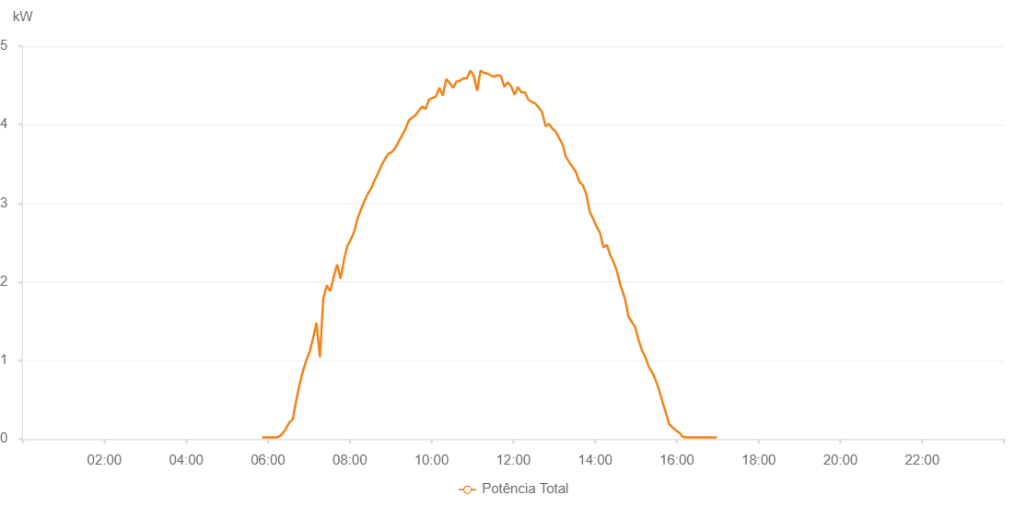

Number | Time | Working State | Alarm Code | Total Inverter Power(W)
1 | 01/07/2023 05:51:14 (UTC-4:00) | Normal |  | 20.000
2 | 01/07/2023 05:56:14 (UTC-4:00) | Normal |  | 20.000
3 | 01/07/2023 06:01:12 (UTC-4:00) | Normal |  | 20.000
4 | 01/07/2023 06:06:14 (UTC-4:00) | Normal |  | 20.000
5 | 01/07/2023 06:11:16 (UTC-4:00) | Normal |  | 20.000
6 | 01/07/2023 06:16:19 (UTC-4:00) | Normal |  | 30.000
7 | 01/07/2023 06:21:18 (UTC-4:00) | Normal |  | 70.000
8 | 01/07/2023 06:26:17 (UTC-4:00) | Normal |  | 130.000
9 | 01/07/2023 06:31:16 (UTC-4:00) | Normal |  | 210.000
10 | 01/07/2023 06:36:15 (UTC-4:00) | Normal |  | 250.000
11 | 01/07/2023 06:41:14 (UTC-4:00) | Normal |  | 480.000
12 | 01/07/2023 06:46:13 (UTC-4:00) | Normal |  | 690.000
13 | 01/07/2023 06:51:13 (UTC-4:00) | Normal |  | 860.000
14 | 01/07/2023 06:56:12 (UTC-4:00) | Normal |  | 1000.000
15 | 01/07/2023 07:01:11 (UTC-4:00) | Normal |  | 1110.000
16 | 01/07/2023 07:06:10 (UTC-4:00) | Normal |  | 1280.000
17 | 01/07/2023 07:11:09 (UTC-4:00) | Normal |  | 1480.000
18 | 01/07/2023 07:16:11 (UTC-4:00) | Normal |  | 1040.000
19 | 01/07/2023 07:21:15 (UTC-4:00) | Normal |  | 1790.000
20 | 01/07/2023 07:26:17 (UTC-4:00) | Normal |  | 1950.000
21 | 01/07/2023 07:26:29 (UTC-4:00) | Normal |  | 1950.000
22 | 01/07/2023 07:31:20 (UTC-4:00) | Normal |  | 1880.000
23 | 01/07/2023 07:36:23 (UTC-4:00) | Normal |  | 2060.000
24 | 01/07/2023 07:41:27 (UTC-4:00) | Normal |  | 2220.000
25 | 01/07/2023 07:46:31 (UTC-4:00) | Normal |  | 2040.000
26 | 01/07/2023 07:51:34 (UTC-4:00) | Normal |  | 2280.000
27 | 01/07/2023 07:56:33 (UTC-4:00) | Normal |  | 2460.000
28 | 01/07/2023 08:01:32 (UTC-4:00) | Normal |  | 2540.000
29 | 01/07/2023 08:06:31 (UTC-4:00) | Normal |  | 2640.000
30 | 01/07/2023 08:11:30 (UTC-4:00) | Normal |  | 2810.000
31 | 01/07/2023 08:16:30 (UTC-4:00) | Normal |  | 2920.000
32 | 01/07/2023 08:21:29 (UTC-4:00) | Normal |  | 3030.000
33 | 01/07/2023 08:26:28 (UTC-4:00) | Normal |  | 3120.000
34 | 01/07/2023 08:31:27 (UTC-4:00) | Normal |  | 3190.000
35 | 01/07/2023 08:36:28 (UTC-4:00) | Normal |  | 3290.000
36 | 01/07/2023 08:41:28 (UTC-4:00) | Normal |  | 3380.000
37 | 01/07/2023 08:46:27 (UTC-4:00) | Normal |  | 3480.000
38 | 01/07/2023 08:51:28 (UTC-4:00) | Normal |  | 3560.000
39 | 01/07/2023 08:56:29 (UTC-4:00) | Normal |  | 3630.000
40 | 01/07/2023 09:01:33 (UTC-4:00) | Normal |  | 3650.000
41 | 01/07/2023 09:06:31 (UTC-4:00) | Normal |  | 3700.000
42 | 01/07/2023 09:11:32 (UTC-4:00) | Normal |  | 3780.000
43 | 01/07/2023 09:16:29 (UTC-4:00) | Normal |  | 3860.000
44 | 01/07/2023 09:21:30 (UTC-4:00) | Normal |  | 3940.000
45 | 01/07/2023 09:26:29 (UTC-4:00) | Normal |  | 4050.000
46 | 01/07/2023 09:31:28 (UTC-4:00) | Normal |  | 4090.000
47 | 01/07/2023 09:36:27 (UTC-4:00) | Normal |  | 4120.000
48 | 01/07/2023 09:41:26 (UTC-4:00) | Normal |  | 4180.000
49 | 01/07/2023 09:46:25 (UTC-4:00) | Normal |  | 4230.000
50 | 01/07/2023 09:51:25 (UTC-4:00) | Normal |  | 4200.000
51 | 01/07/2023 09:56:24 (UTC-4:00) | Normal |  | 4320.000
52 | 01/07/2023 10:01:24 (UTC-4:00) | Normal |  | 4340.000
53 | 01/07/2023 10:06:29 (UTC-4:00) | Normal |  | 4360.000
54 | 01/07/2023 10:11:32 (UTC-4:00) | Normal |  | 4470.000
55 | 01/07/2023 10:16:34 (UTC-4:00) | Normal |  | 4370.000
56 | 01/07/2023 10:21:37 (UTC-4:00) | Normal |  | 4580.000
57 | 01/07/2023 10:26:42 (UTC-4:00) | Normal |  | 4530.000
58 | 01/07/2023 10:31:43 (UTC-4:00) | Normal |  | 4470.000
59 | 01/07/2023 10:36:47 (UTC-4:00) | Normal |  | 4550.000
60 | 01/07/2023 10:41:50 (UTC-4:00) | Normal |  | 4560.000
61 | 01/07/2023 10:46:53 (UTC-4:00) | Normal |  | 4590.000
62 | 01/07/2023 10:51:56 (UTC-4:00) | Normal |  | 4590.000
63 | 01/07/2023 10:56:59 (UTC-4:00) | Normal |  | 4690.000
64 | 01/07/2023 11:01:58 (UTC-4:00) | Normal |  | 4620.000
65 | 01/07/2023 11:06:58 (UTC-4:00) | Normal |  | 4430.000
66 | 01/07/2023 11:11:56 (UTC-4:00) | Normal |  | 4690.000
67 | 01/07/2023 11:16:55 (UTC-4:00) | Normal |  | 4660.000
68 | 01/07/2023 11:21:54 (UTC-4:00) | Normal |  | 4650.000
69 | 01/07/2023 11:26:53 (UTC-4:00) | Normal |  | 4630.000
70 | 01/07/2023 11:31:54 (UTC-4:00) | Normal |  | 4610.000
71 | 01/07/2023 11:36:51 (UTC-4:00) | Normal |  | 4630.000
72 | 01/07/2023 11:41:51 (UTC-4:00) | Normal |  | 4620.000
73 | 01/07/2023 11:46:51 (UTC-4:00) | Normal |  | 4480.000
74 | 01/07/2023 11:51:50 (UTC-4:00) | Normal |  | 4540.000
75 | 01/07/2023 11:56:50 (UTC-4:00) | Normal |  | 4490.000
76 | 01/07/2023 12:01:52 (UTC-4:00) | Normal |  | 4380.000
77 | 01/07/2023 12:06:55 (UTC-4:00) | Normal |  | 4480.000
78 | 01/07/2023 12:11:58 (UTC-4:00) | Normal |  | 4410.000
79 | 01/07/2023 12:17:01 (UTC-4:00) | Normal |  | 4410.000
80 | 01/07/2023 12:22:04 (UTC-4:00) | Normal |  | 4320.000
81 | 01/07/2023 12:27:07 (UTC-4:00) | Normal |  | 4290.000
82 | 01/07/2023 12:32:10 (UTC-4:00) | Normal |  | 4270.000
83 | 01/07/2023 12:37:16 (UTC-4:00) | Normal |  | 4220.000
84 | 01/07/2023 12:42:16 (UTC-4:00) | Normal |  | 4160.000
85 | 01/07/2023 12:47:21 (UTC-4:00) | Normal |  | 3980.000
86 | 01/07/2023 12:52:19 (UTC-4:00) | Normal |  | 4010.000
87 | 01/07/2023 12:57:18 (UTC-4:00) | Normal |  | 3950.000
88 | 01/07/2023 13:02:18 (UTC-4:00) | Normal |  | 3910.000
89 | 01/07/2023 13:07:16 (UTC-4:00) | Normal |  | 3830.000
90 | 01/07/2023 13:12:15 (UTC-4:00) | Normal |  | 3750.000
91 | 01/07/2023 13:17:15 (UTC-4:00) | Normal |  | 3590.000
92 | 01/07/2023 13:22:13 (UTC-4:00) | Normal |  | 3520.000
93 | 01/07/2023 13:27:12 (UTC-4:00) | Normal |  | 3460.000
94 | 01/07/2023 13:32:11 (UTC-4:00) | Normal |  | 3390.000
95 | 01/07/2023 13:37:11 (UTC-4:00) | Normal |  | 3270.000
96 | 01/07/2023 13:42:10 (UTC-4:00) | Normal |  | 3230.000
97 | 01/07/2023 13:47:11 (UTC-4:00) | Normal |  | 3110.000
98 | 01/07/2023 13:52:14 (UTC-4:00) | Normal |  | 2890.000
99 | 01/07/2023 13:57:19 (UTC-4:00) | Normal |  | 2800.000
100 | 01/07/2023 14:02:21 (UTC-4:00) | Normal |  | 2700.000
101 | 01/07/2023 14:07:19 (UTC-4:00) | Normal |  | 2620.000
102 | 01/07/2023 14:12:18 (UTC-4:00) | Normal |  | 2440.000
103 | 01/07/2023 14:12:29 (UTC-4:00) | Normal |  | 2440.000
104 | 01/07/2023 14:17:17 (UTC-4:00) | Normal |  | 2470.000
105 | 01/07/2023 14:22:17 (UTC-4:00) | Normal |  | 2340.000
106 | 01/07/2023 14:27:16 (UTC-4:00) | Normal |  | 2250.000
107 | 01/07/2023 14:32:15 (UTC-4:00) | Normal |  | 2130.000
108 | 01/07/2023 14:37:14 (UTC-4:00) | Normal |  | 1950.000
109 | 01/07/2023 14:38:43 (UTC-4:00) | Normal |  | 1920.000
110 | 01/07/2023 14:43:59 (UTC-4:00) | Normal |  | 1780.000
111 | 01/07/2023 14:48:57 (UTC-4:00) | Normal |  | 1560.000
112 | 01/07/2023 14:53:54 (UTC-4:00) | Normal |  | 1490.000
113 | 01/07/2023 14:58:52 (UTC-4:00) | Normal |  | 1420.000
114 | 01/07/2023 15:03:50 (UTC-4:00) | Normal |  | 1260.000
115 | 01/07/2023 15:08:49 (UTC-4:00) | Normal |  | 1130.000
116 | 01/07/2023 15:13:47 (UTC-4:00) | Normal |  | 1040.000
117 | 01/07/2023 15:18:50 (UTC-4:00) | Normal |  | 920.000
118 | 01/07/2023 15:23:47 (UTC-4:00) | Normal |  | 850.000
119 | 01/07/2023 15:28:45 (UTC-4:00) | Normal |  | 750.000
120 | 01/07/2023 15:33:43 (UTC-4:00) | Normal |  | 630.000
121 | 01/07/2023 15:38:41 (UTC-4:00) | Normal |  | 480.000
122 | 01/07/2023 15:43:39 (UTC-4:00) | Normal |  | 340.000
123 | 01/07/2023 15:48:37 (UTC-4:00) | Normal |  | 190.000
124 | 01/07/2023 15:53:35 (UTC-4:00) | Normal |  | 150.000
125 | 01/07/2023 15:58:33 (UTC-4:00) | Normal |  | 110.000
126 | 01/07/2023 16:03:31 (UTC-4:00) | Normal |  | 80.000
127 | 01/07/2023 16:08:29 (UTC-4:00) | Normal |  | 30.000
128 | 01/07/2023 16:13:27 (UTC-4:00) | Normal |  | 20.000
129 | 01/07/2023 16:18:26 (UTC-4:00) | Normal |  | 20.000
130 | 01/07/2023 16:23:28 (UTC-4:00) | Normal |  | 20.000
131 | 01/07/2023 16:28:29 (UTC-4:00) | Normal |  | 20.000
132 | 01/07/2023 16:33:31 (UTC-4:00) | Normal |  | 20.000
133 | 01/07/2023 16:38:33 (UTC-4:00) | Normal |  | 20.000
134 | 01/07/2023 16:43:35 (UTC-4:00) | Normal |  | 20.000
135 | 01/07/2023 16:48:37 (UTC-4:00) | Normal |  | 20.000
136 | 01/07/2023 16:53:39 (UTC-4:00) | Normal |  | 20.000
137 | 01/07/2023 16:58:41 (UTC-4:00) | Normal |  | 20.000

