Inverter History Report__17-08-
Inverter History Report_02/07/2023_Report

Inverter SN:054B7020C020041 |  | Inverter type:B7
Collector SN:4045966636 |  | Full Load Hours(h):2.95
Rated Power:10000Wp

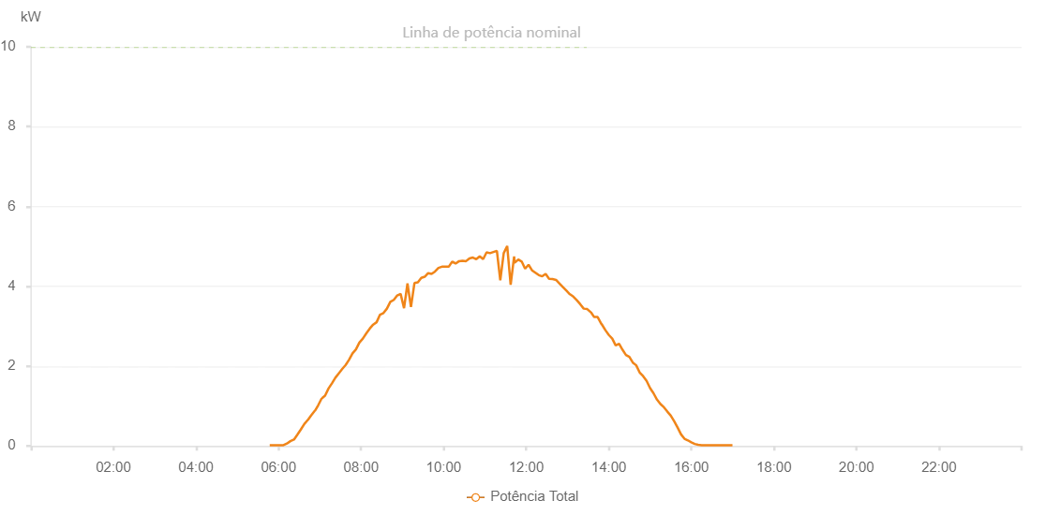

Number | Time | Working State | Alarm Code | Total Inverter Power(W)
1 | 02/07/2023 05:47:11 (UTC-4:00) | Normal |  | 20.000
2 | 02/07/2023 05:52:10 (UTC-4:00) | Normal |  | 20.000
3 | 02/07/2023 05:57:09 (UTC-4:00) | Normal |  | 20.000
4 | 02/07/2023 06:02:08 (UTC-4:00) | Normal |  | 20.000
5 | 02/07/2023 06:07:07 (UTC-4:00) | Normal |  | 20.000
6 | 02/07/2023 06:12:10 (UTC-4:00) | Normal |  | 60.000
7 | 02/07/2023 06:17:13 (UTC-4:00) | Normal |  | 120.000
8 | 02/07/2023 06:22:16 (UTC-4:00) | Normal |  | 160.000
9 | 02/07/2023 06:22:27 (UTC-4:00) | Normal |  | 160.000
10 | 02/07/2023 06:27:20 (UTC-4:00) | Normal |  | 280.000
11 | 02/07/2023 06:32:22 (UTC-4:00) | Normal |  | 410.000
12 | 02/07/2023 06:37:25 (UTC-4:00) | Normal |  | 550.000
13 | 02/07/2023 06:42:28 (UTC-4:00) | Normal |  | 650.000
14 | 02/07/2023 06:42:39 (UTC-4:00) | Normal |  | 650.000
15 | 02/07/2023 06:47:33 (UTC-4:00) | Normal |  | 770.000
16 | 02/07/2023 06:52:36 (UTC-4:00) | Normal |  | 880.000
17 | 02/07/2023 06:53:01 (UTC-4:00) | Normal |  | 880.000
18 | 02/07/2023 06:57:39 (UTC-4:00) | Normal |  | 1020.000
19 | 02/07/2023 07:02:41 (UTC-4:00) | Normal |  | 1190.000
20 | 02/07/2023 07:02:52 (UTC-4:00) | Normal |  | 1190.000
21 | 02/07/2023 07:07:40 (UTC-4:00) | Normal |  | 1260.000
22 | 02/07/2023 07:12:40 (UTC-4:00) | Normal |  | 1440.000
23 | 02/07/2023 07:17:38 (UTC-4:00) | Normal |  | 1570.000
24 | 02/07/2023 07:22:37 (UTC-4:00) | Normal |  | 1710.000
25 | 02/07/2023 07:27:36 (UTC-4:00) | Normal |  | 1820.000
26 | 02/07/2023 07:32:35 (UTC-4:00) | Normal |  | 1930.000
27 | 02/07/2023 07:37:36 (UTC-4:00) | Normal |  | 2030.000
28 | 02/07/2023 07:42:33 (UTC-4:00) | Normal |  | 2160.000
29 | 02/07/2023 07:47:32 (UTC-4:00) | Normal |  | 2320.000
30 | 02/07/2023 07:52:31 (UTC-4:00) | Normal |  | 2420.000
31 | 02/07/2023 07:57:30 (UTC-4:00) | Normal |  | 2590.000
32 | 02/07/2023 08:02:31 (UTC-4:00) | Normal |  | 2690.000
33 | 02/07/2023 08:07:34 (UTC-4:00) | Normal |  | 2820.000
34 | 02/07/2023 08:12:33 (UTC-4:00) | Normal |  | 2940.000
35 | 02/07/2023 08:17:32 (UTC-4:00) | Normal |  | 3040.000
36 | 02/07/2023 08:22:31 (UTC-4:00) | Normal |  | 3100.000
37 | 02/07/2023 08:27:31 (UTC-4:00) | Normal |  | 3290.000
38 | 02/07/2023 08:32:31 (UTC-4:00) | Normal |  | 3330.000
39 | 02/07/2023 08:37:30 (UTC-4:00) | Normal |  | 3440.000
40 | 02/07/2023 08:42:29 (UTC-4:00) | Normal |  | 3610.000
41 | 02/07/2023 08:47:34 (UTC-4:00) | Normal |  | 3660.000
42 | 02/07/2023 08:52:28 (UTC-4:00) | Normal |  | 3770.000
43 | 02/07/2023 08:57:27 (UTC-4:00) | Normal |  | 3810.000
44 | 02/07/2023 09:02:26 (UTC-4:00) | Normal |  | 3450.000
45 | 02/07/2023 09:07:25 (UTC-4:00) | Normal |  | 4070.000
46 | 02/07/2023 09:12:29 (UTC-4:00) | Normal |  | 3480.000
47 | 02/07/2023 09:17:32 (UTC-4:00) | Normal |  | 4080.000
48 | 02/07/2023 09:22:31 (UTC-4:00) | Normal |  | 4100.000
49 | 02/07/2023 09:27:30 (UTC-4:00) | Normal |  | 4210.000
50 | 02/07/2023 09:32:29 (UTC-4:00) | Normal |  | 4240.000
51 | 02/07/2023 09:37:29 (UTC-4:00) | Normal |  | 4330.000
52 | 02/07/2023 09:42:28 (UTC-4:00) | Normal |  | 4310.000
53 | 02/07/2023 09:47:28 (UTC-4:00) | Normal |  | 4370.000
54 | 02/07/2023 09:52:26 (UTC-4:00) | Normal |  | 4460.000
55 | 02/07/2023 09:57:25 (UTC-4:00) | Normal |  | 4490.000
56 | 02/07/2023 10:02:24 (UTC-4:00) | Normal |  | 4490.000
57 | 02/07/2023 10:07:23 (UTC-4:00) | Normal |  | 4490.000
58 | 02/07/2023 10:12:24 (UTC-4:00) | Normal |  | 4620.000
59 | 02/07/2023 10:17:24 (UTC-4:00) | Normal |  | 4570.000
60 | 02/07/2023 10:22:26 (UTC-4:00) | Normal |  | 4630.000
61 | 02/07/2023 10:27:28 (UTC-4:00) | Normal |  | 4640.000
62 | 02/07/2023 10:32:30 (UTC-4:00) | Normal |  | 4630.000
63 | 02/07/2023 10:37:28 (UTC-4:00) | Normal |  | 4700.000
64 | 02/07/2023 10:42:28 (UTC-4:00) | Normal |  | 4720.000
65 | 02/07/2023 10:47:27 (UTC-4:00) | Normal |  | 4680.000
66 | 02/07/2023 10:52:25 (UTC-4:00) | Normal |  | 4750.000
67 | 02/07/2023 10:57:24 (UTC-4:00) | Normal |  | 4680.000
68 | 02/07/2023 11:02:23 (UTC-4:00) | Normal |  | 4850.000
69 | 02/07/2023 11:07:22 (UTC-4:00) | Normal |  | 4830.000
70 | 02/07/2023 11:12:21 (UTC-4:00) | Normal |  | 4860.000
71 | 02/07/2023 11:17:22 (UTC-4:00) | Normal |  | 4890.000
72 | 02/07/2023 11:22:19 (UTC-4:00) | Normal |  | 4150.000
73 | 02/07/2023 11:27:18 (UTC-4:00) | Normal |  | 4830.000
74 | 02/07/2023 11:32:20 (UTC-4:00) | Normal |  | 5010.000
75 | 02/07/2023 11:37:23 (UTC-4:00) | Normal |  | 4040.000
76 | 02/07/2023 11:42:26 (UTC-4:00) | Normal |  | 4750.000
77 | 02/07/2023 11:43:07 (UTC-4:00) | Normal |  | 4590.000
78 | 02/07/2023 11:48:27 (UTC-4:00) | Normal |  | 4670.000
79 | 02/07/2023 11:53:26 (UTC-4:00) | Normal |  | 4620.000
80 | 02/07/2023 11:58:24 (UTC-4:00) | Normal |  | 4440.000
81 | 02/07/2023 12:03:23 (UTC-4:00) | Normal |  | 4540.000
82 | 02/07/2023 12:08:23 (UTC-4:00) | Normal |  | 4400.000
83 | 02/07/2023 12:13:20 (UTC-4:00) | Normal |  | 4340.000
84 | 02/07/2023 12:18:18 (UTC-4:00) | Normal |  | 4280.000
85 | 02/07/2023 12:23:16 (UTC-4:00) | Normal |  | 4250.000
86 | 02/07/2023 12:28:15 (UTC-4:00) | Normal |  | 4310.000
87 | 02/07/2023 12:33:13 (UTC-4:00) | Normal |  | 4190.000
88 | 02/07/2023 12:33:24 (UTC-4:00) | Normal |  | 4190.000
89 | 02/07/2023 12:38:18 (UTC-4:00) | Normal |  | 4180.000
90 | 02/07/2023 12:43:20 (UTC-4:00) | Normal |  | 4160.000
91 | 02/07/2023 12:48:24 (UTC-4:00) | Normal |  | 4070.000
92 | 02/07/2023 12:53:23 (UTC-4:00) | Normal |  | 3980.000
93 | 02/07/2023 12:58:26 (UTC-4:00) | Normal |  | 3890.000
94 | 02/07/2023 13:03:28 (UTC-4:00) | Normal |  | 3800.000
95 | 02/07/2023 13:03:39 (UTC-4:00) | Normal |  | 3800.000
96 | 02/07/2023 13:08:30 (UTC-4:00) | Normal |  | 3740.000
97 | 02/07/2023 13:13:33 (UTC-4:00) | Normal |  | 3650.000
98 | 02/07/2023 13:18:35 (UTC-4:00) | Normal |  | 3550.000
99 | 02/07/2023 13:23:37 (UTC-4:00) | Normal |  | 3440.000
100 | 02/07/2023 13:28:40 (UTC-4:00) | Normal |  | 3430.000
101 | 02/07/2023 13:33:42 (UTC-4:00) | Normal |  | 3350.000
102 | 02/07/2023 13:34:07 (UTC-4:00) | Normal |  | 3350.000
103 | 02/07/2023 13:38:46 (UTC-4:00) | Normal |  | 3230.000
104 | 02/07/2023 13:43:49 (UTC-4:00) | Normal |  | 3230.000
105 | 02/07/2023 13:49:10 (UTC-4:00) | Normal |  | 3060.000
106 | 02/07/2023 13:49:46 (UTC-4:00) | Normal |  | 3050.000
107 | 02/07/2023 13:55:06 (UTC-4:00) | Normal |  | 2900.000
108 | 02/07/2023 14:00:04 (UTC-4:00) | Normal |  | 2780.000
109 | 02/07/2023 14:05:03 (UTC-4:00) | Normal |  | 2690.000
110 | 02/07/2023 14:10:01 (UTC-4:00) | Normal |  | 2520.000
111 | 02/07/2023 14:15:00 (UTC-4:00) | Normal |  | 2560.000
112 | 02/07/2023 14:19:59 (UTC-4:00) | Normal |  | 2410.000
113 | 02/07/2023 14:24:57 (UTC-4:00) | Normal |  | 2280.000
114 | 02/07/2023 14:29:56 (UTC-4:00) | Normal |  | 2230.000
115 | 02/07/2023 14:34:54 (UTC-4:00) | Normal |  | 2090.000
116 | 02/07/2023 14:39:52 (UTC-4:00) | Normal |  | 2020.000
117 | 02/07/2023 14:44:53 (UTC-4:00) | Normal |  | 1840.000
118 | 02/07/2023 14:49:55 (UTC-4:00) | Normal |  | 1750.000
119 | 02/07/2023 14:54:58 (UTC-4:00) | Normal |  | 1630.000
120 | 02/07/2023 15:00:04 (UTC-4:00) | Normal |  | 1450.000
121 | 02/07/2023 15:05:03 (UTC-4:00) | Normal |  | 1320.000
122 | 02/07/2023 15:10:07 (UTC-4:00) | Normal |  | 1160.000
123 | 02/07/2023 15:15:07 (UTC-4:00) | Normal |  | 1050.000
124 | 02/07/2023 15:20:10 (UTC-4:00) | Normal |  | 970.000
125 | 02/07/2023 15:25:08 (UTC-4:00) | Normal |  | 860.000
126 | 02/07/2023 15:30:06 (UTC-4:00) | Normal |  | 760.000
127 | 02/07/2023 15:35:05 (UTC-4:00) | Normal |  | 620.000
128 | 02/07/2023 15:40:04 (UTC-4:00) | Normal |  | 460.000
129 | 02/07/2023 15:45:01 (UTC-4:00) | Normal |  | 290.000
130 | 02/07/2023 15:50:00 (UTC-4:00) | Normal |  | 180.000
131 | 02/07/2023 15:54:58 (UTC-4:00) | Normal |  | 140.000
132 | 02/07/2023 15:59:57 (UTC-4:00) | Normal |  | 90.000
133 | 02/07/2023 16:04:56 (UTC-4:00) | Normal |  | 50.000
134 | 02/07/2023 16:09:54 (UTC-4:00) | Normal |  | 30.000
135 | 02/07/2023 16:14:54 (UTC-4:00) | Normal |  | 20.000
136 | 02/07/2023 16:19:58 (UTC-4:00) | Normal |  | 20.000
137 | 02/07/2023 16:24:54 (UTC-4:00) | Normal |  | 20.000
138 | 02/07/2023 16:29:57 (UTC-4:00) | Normal |  | 20.000
139 | 02/07/2023 16:34:57 (UTC-4:00) | Normal |  | 20.000
140 | 02/07/2023 16:39:53 (UTC-4:00) | Normal |  | 20.000
141 | 02/07/2023 16:44:52 (UTC-4:00) | Normal |  | 20.000
142 | 02/07/2023 16:49:50 (UTC-4:00) | Normal |  | 20.000
143 | 02/07/2023 16:54:48 (UTC-4:00) | Normal |  | 20.000
144 | 02/07/2023 16:59:47 (UTC-4:00) | Normal |  | 20.000

