Inverter History Report__17-08-
Inverter History Report_06/07/2023_Report

Inverter SN:054B7020C020041 |  | Inverter type:B7
Collector SN:4045966636 |  | Full Load Hours(h):2.96
Rated Power:10000Wp

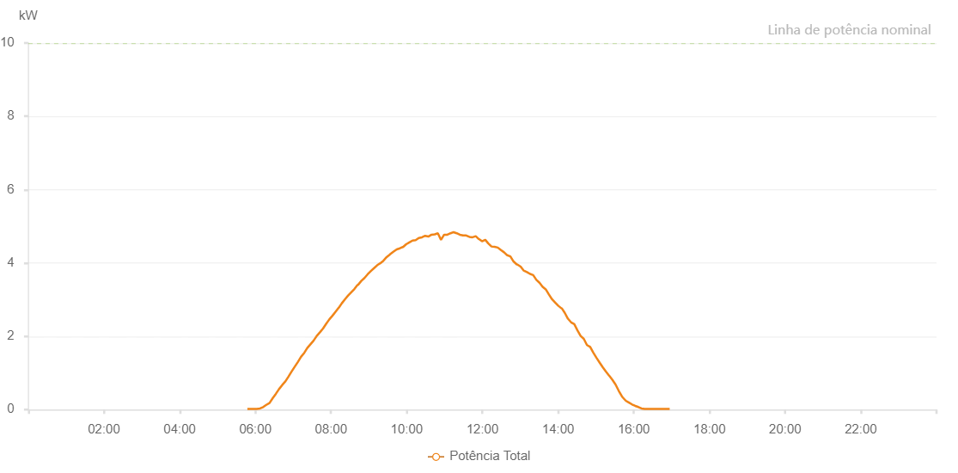

Number | Time | Working State | Alarm Code | Total Inverter Power(W)
1 | 06/07/2023 05:47:22 (UTC-4:00) | Normal |  | 20.000
2 | 06/07/2023 05:52:21 (UTC-4:00) | Normal |  | 20.000
3 | 06/07/2023 05:57:19 (UTC-4:00) | Normal |  | 20.000
4 | 06/07/2023 06:02:21 (UTC-4:00) | Normal |  | 20.000
5 | 06/07/2023 06:07:25 (UTC-4:00) | Normal |  | 30.000
6 | 06/07/2023 06:12:25 (UTC-4:00) | Normal |  | 70.000
7 | 06/07/2023 06:17:27 (UTC-4:00) | Normal |  | 130.000
8 | 06/07/2023 06:22:29 (UTC-4:00) | Normal |  | 180.000
9 | 06/07/2023 06:27:31 (UTC-4:00) | Normal |  | 310.000
10 | 06/07/2023 06:32:33 (UTC-4:00) | Normal |  | 430.000
11 | 06/07/2023 06:37:35 (UTC-4:00) | Normal |  | 560.000
12 | 06/07/2023 06:42:37 (UTC-4:00) | Normal |  | 670.000
13 | 06/07/2023 06:47:43 (UTC-4:00) | Normal |  | 770.000
14 | 06/07/2023 06:52:33 (UTC-4:00) | Normal |  | 900.000
15 | 06/07/2023 06:57:34 (UTC-4:00) | Normal |  | 1040.000
16 | 06/07/2023 07:02:29 (UTC-4:00) | Normal |  | 1170.000
17 | 06/07/2023 07:07:27 (UTC-4:00) | Normal |  | 1300.000
18 | 06/07/2023 07:12:26 (UTC-4:00) | Normal |  | 1440.000
19 | 06/07/2023 07:17:38 (UTC-4:00) | Normal |  | 1550.000
20 | 06/07/2023 07:22:22 (UTC-4:00) | Normal |  | 1680.000
21 | 06/07/2023 07:27:20 (UTC-4:00) | Normal |  | 1780.000
22 | 06/07/2023 07:32:18 (UTC-4:00) | Normal |  | 1880.000
23 | 06/07/2023 07:37:20 (UTC-4:00) | Normal |  | 2010.000
24 | 06/07/2023 07:42:57 (UTC-4:00) | Normal |  | 2120.000
25 | 06/07/2023 07:47:20 (UTC-4:00) | Normal |  | 2210.000
26 | 06/07/2023 07:52:18 (UTC-4:00) | Normal |  | 2340.000
27 | 06/07/2023 07:57:16 (UTC-4:00) | Normal |  | 2460.000
28 | 06/07/2023 08:02:14 (UTC-4:00) | Normal |  | 2560.000
29 | 06/07/2023 08:07:12 (UTC-4:00) | Normal |  | 2670.000
30 | 06/07/2023 08:12:10 (UTC-4:00) | Normal |  | 2780.000
31 | 06/07/2023 08:12:22 (UTC-4:00) | Normal |  | 2780.000
32 | 06/07/2023 08:17:08 (UTC-4:00) | Normal |  | 2900.000
33 | 06/07/2023 08:22:07 (UTC-4:00) | Normal |  | 3010.000
34 | 06/07/2023 08:27:05 (UTC-4:00) | Normal |  | 3110.000
35 | 06/07/2023 08:32:03 (UTC-4:00) | Normal |  | 3200.000
36 | 06/07/2023 08:37:02 (UTC-4:00) | Normal |  | 3290.000
37 | 06/07/2023 08:42:02 (UTC-4:00) | Normal |  | 3400.000
38 | 06/07/2023 08:42:11 (UTC-4:00) | Normal |  | 3400.000
39 | 06/07/2023 08:42:41 (UTC-4:00) | Normal |  | 3400.000
40 | 06/07/2023 08:48:02 (UTC-4:00) | Normal |  | 3510.000
41 | 06/07/2023 08:53:01 (UTC-4:00) | Normal |  | 3590.000
42 | 06/07/2023 08:58:01 (UTC-4:00) | Normal |  | 3690.000
43 | 06/07/2023 09:03:11 (UTC-4:00) | Normal |  | 3780.000
44 | 06/07/2023 09:08:15 (UTC-4:00) | Normal |  | 3860.000
45 | 06/07/2023 09:13:21 (UTC-4:00) | Normal |  | 3940.000
46 | 06/07/2023 09:17:58 (UTC-4:00) | Normal |  | 3990.000
47 | 06/07/2023 09:23:03 (UTC-4:00) | Normal |  | 4060.000
48 | 06/07/2023 09:28:10 (UTC-4:00) | Normal |  | 4160.000
49 | 06/07/2023 09:33:13 (UTC-4:00) | Normal |  | 4230.000
50 | 06/07/2023 09:33:50 (UTC-4:00) | Normal |  | 4240.000
51 | 06/07/2023 09:39:12 (UTC-4:00) | Normal |  | 4310.000
52 | 06/07/2023 09:44:10 (UTC-4:00) | Normal |  | 4370.000
53 | 06/07/2023 09:49:09 (UTC-4:00) | Normal |  | 4400.000
54 | 06/07/2023 09:54:32 (UTC-4:00) | Normal |  | 4440.000
55 | 06/07/2023 09:59:08 (UTC-4:00) | Normal |  | 4510.000
56 | 06/07/2023 10:04:08 (UTC-4:00) | Normal |  | 4560.000
57 | 06/07/2023 10:09:07 (UTC-4:00) | Normal |  | 4610.000
58 | 06/07/2023 10:14:08 (UTC-4:00) | Normal |  | 4620.000
59 | 06/07/2023 10:19:08 (UTC-4:00) | Normal |  | 4680.000
60 | 06/07/2023 10:24:09 (UTC-4:00) | Normal |  | 4700.000
61 | 06/07/2023 10:29:13 (UTC-4:00) | Normal |  | 4740.000
62 | 06/07/2023 10:34:16 (UTC-4:00) | Normal |  | 4720.000
63 | 06/07/2023 10:39:19 (UTC-4:00) | Normal |  | 4770.000
64 | 06/07/2023 10:44:22 (UTC-4:00) | Normal |  | 4780.000
65 | 06/07/2023 10:49:22 (UTC-4:00) | Normal |  | 4810.000
66 | 06/07/2023 10:54:21 (UTC-4:00) | Normal |  | 4630.000
67 | 06/07/2023 10:59:20 (UTC-4:00) | Normal |  | 4770.000
68 | 06/07/2023 11:04:22 (UTC-4:00) | Normal |  | 4770.000
69 | 06/07/2023 11:09:35 (UTC-4:00) | Normal |  | 4810.000
70 | 06/07/2023 11:14:18 (UTC-4:00) | Normal |  | 4840.000
71 | 06/07/2023 11:19:18 (UTC-4:00) | Normal |  | 4810.000
72 | 06/07/2023 11:24:17 (UTC-4:00) | Normal |  | 4770.000
73 | 06/07/2023 11:29:16 (UTC-4:00) | Normal |  | 4750.000
74 | 06/07/2023 11:34:18 (UTC-4:00) | Normal |  | 4750.000
75 | 06/07/2023 11:39:21 (UTC-4:00) | Normal |  | 4710.000
76 | 06/07/2023 11:44:19 (UTC-4:00) | Normal |  | 4700.000
77 | 06/07/2023 11:49:24 (UTC-4:00) | Normal |  | 4730.000
78 | 06/07/2023 11:54:25 (UTC-4:00) | Normal |  | 4650.000
79 | 06/07/2023 11:54:36 (UTC-4:00) | Normal |  | 4650.000
80 | 06/07/2023 11:59:25 (UTC-4:00) | Normal |  | 4590.000
81 | 06/07/2023 12:04:24 (UTC-4:00) | Normal |  | 4630.000
82 | 06/07/2023 12:04:35 (UTC-4:00) | Normal |  | 4630.000
83 | 06/07/2023 12:09:23 (UTC-4:00) | Normal |  | 4530.000
84 | 06/07/2023 12:14:23 (UTC-4:00) | Normal |  | 4450.000
85 | 06/07/2023 12:19:22 (UTC-4:00) | Normal |  | 4440.000
86 | 06/07/2023 12:24:21 (UTC-4:00) | Normal |  | 4420.000
87 | 06/07/2023 12:29:22 (UTC-4:00) | Normal |  | 4350.000
88 | 06/07/2023 12:34:20 (UTC-4:00) | Normal |  | 4290.000
89 | 06/07/2023 12:39:20 (UTC-4:00) | Normal |  | 4210.000
90 | 06/07/2023 12:44:19 (UTC-4:00) | Normal |  | 4180.000
91 | 06/07/2023 12:49:22 (UTC-4:00) | Normal |  | 4040.000
92 | 06/07/2023 12:54:26 (UTC-4:00) | Normal |  | 3960.000
93 | 06/07/2023 12:55:15 (UTC-4:00) | Normal |  | 3960.000
94 | 06/07/2023 13:00:36 (UTC-4:00) | Normal |  | 3900.000
95 | 06/07/2023 13:05:35 (UTC-4:00) | Normal |  | 3790.000
96 | 06/07/2023 13:10:35 (UTC-4:00) | Normal |  | 3750.000
97 | 06/07/2023 13:15:34 (UTC-4:00) | Normal |  | 3700.000
98 | 06/07/2023 13:20:32 (UTC-4:00) | Normal |  | 3670.000
99 | 06/07/2023 13:25:31 (UTC-4:00) | Normal |  | 3540.000
100 | 06/07/2023 13:30:29 (UTC-4:00) | Normal |  | 3460.000
101 | 06/07/2023 13:35:27 (UTC-4:00) | Normal |  | 3350.000
102 | 06/07/2023 13:40:25 (UTC-4:00) | Normal |  | 3280.000
103 | 06/07/2023 13:45:24 (UTC-4:00) | Normal |  | 3140.000
104 | 06/07/2023 13:50:22 (UTC-4:00) | Normal |  | 3010.000
105 | 06/07/2023 13:55:24 (UTC-4:00) | Normal |  | 2920.000
106 | 06/07/2023 14:00:26 (UTC-4:00) | Normal |  | 2830.000
107 | 06/07/2023 14:05:29 (UTC-4:00) | Normal |  | 2760.000
108 | 06/07/2023 14:06:00 (UTC-4:00) | Normal |  | 2760.000
109 | 06/07/2023 14:10:34 (UTC-4:00) | Normal |  | 2640.000
110 | 06/07/2023 14:15:34 (UTC-4:00) | Normal |  | 2480.000
111 | 06/07/2023 14:20:36 (UTC-4:00) | Normal |  | 2380.000
112 | 06/07/2023 14:25:38 (UTC-4:00) | Normal |  | 2330.000
113 | 06/07/2023 14:30:41 (UTC-4:00) | Normal |  | 2160.000
114 | 06/07/2023 14:35:43 (UTC-4:00) | Normal |  | 2010.000
115 | 06/07/2023 14:40:45 (UTC-4:00) | Normal |  | 1930.000
116 | 06/07/2023 14:45:48 (UTC-4:00) | Normal |  | 1760.000
117 | 06/07/2023 14:50:50 (UTC-4:00) | Normal |  | 1710.000
118 | 06/07/2023 14:55:53 (UTC-4:00) | Normal |  | 1550.000
119 | 06/07/2023 15:00:55 (UTC-4:00) | Normal |  | 1410.000
120 | 06/07/2023 15:05:57 (UTC-4:00) | Normal |  | 1280.000
121 | 06/07/2023 15:11:01 (UTC-4:00) | Normal |  | 1150.000
122 | 06/07/2023 15:16:03 (UTC-4:00) | Normal |  | 1030.000
123 | 06/07/2023 15:21:05 (UTC-4:00) | Normal |  | 920.000
124 | 06/07/2023 15:21:16 (UTC-4:00) | Normal |  | 920.000
125 | 06/07/2023 15:26:12 (UTC-4:00) | Normal |  | 810.000
126 | 06/07/2023 15:31:12 (UTC-4:00) | Normal |  | 680.000
127 | 06/07/2023 15:36:13 (UTC-4:00) | Normal |  | 510.000
128 | 06/07/2023 15:41:15 (UTC-4:00) | Normal |  | 360.000
129 | 06/07/2023 15:41:30 (UTC-4:00) | Normal |  | 360.000
130 | 06/07/2023 15:42:01 (UTC-4:00) | Normal |  | 340.000
131 | 06/07/2023 15:47:22 (UTC-4:00) | Normal |  | 240.000
132 | 06/07/2023 15:52:20 (UTC-4:00) | Normal |  | 190.000
133 | 06/07/2023 15:57:18 (UTC-4:00) | Normal |  | 140.000
134 | 06/07/2023 16:02:17 (UTC-4:00) | Normal |  | 100.000
135 | 06/07/2023 16:07:15 (UTC-4:00) | Normal |  | 70.000
136 | 06/07/2023 16:12:13 (UTC-4:00) | Normal |  | 30.000
137 | 06/07/2023 16:17:11 (UTC-4:00) | Normal |  | 20.000
138 | 06/07/2023 16:22:09 (UTC-4:00) | Normal |  | 20.000
139 | 06/07/2023 16:27:07 (UTC-4:00) | Normal |  | 20.000
140 | 06/07/2023 16:32:07 (UTC-4:00) | Normal |  | 20.000
141 | 06/07/2023 16:37:04 (UTC-4:00) | Normal |  | 20.000
142 | 06/07/2023 16:42:02 (UTC-4:00) | Normal |  | 20.000
143 | 06/07/2023 16:47:00 (UTC-4:00) | Normal |  | 20.000
144 | 06/07/2023 16:51:58 (UTC-4:00) | Normal |  | 20.000
145 | 06/07/2023 16:56:57 (UTC-4:00) | Normal |  | 20.000

