Inverter History Report__17-08-
Inverter History Report_07/07/2023_Report

Inverter SN:054B7020C020041 |  | Inverter type:B7
Collector SN:4045966636 |  | Full Load Hours(h):2.92
Rated Power:10000Wp

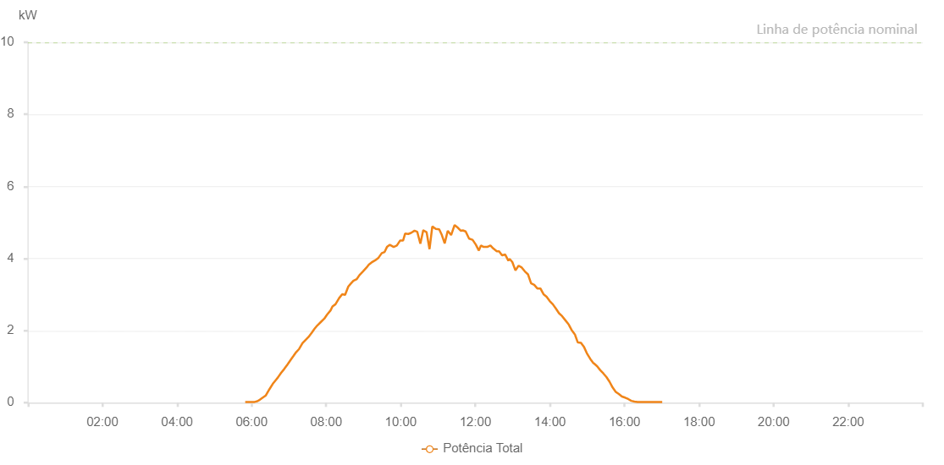

Number | Time | Working State | Alarm Code | Total Inverter Power(W)
1 | 07/07/2023 05:49:42 (UTC-4:00) | Normal |  | 20.000
2 | 07/07/2023 05:54:14 (UTC-4:00) | Normal |  | 20.000
3 | 07/07/2023 05:59:20 (UTC-4:00) | Normal |  | 20.000
4 | 07/07/2023 06:04:50 (UTC-4:00) | Normal |  | 20.000
5 | 07/07/2023 06:09:19 (UTC-4:00) | Normal |  | 40.000
6 | 07/07/2023 06:13:11 (UTC-4:00) | Normal |  | 80.000
7 | 07/07/2023 06:17:57 (UTC-4:00) | Normal |  | 140.000
8 | 07/07/2023 06:22:54 (UTC-4:00) | Normal |  | 200.000
9 | 07/07/2023 06:28:34 (UTC-4:00) | Normal |  | 370.000
10 | 07/07/2023 06:34:00 (UTC-4:00) | Normal |  | 520.000
11 | 07/07/2023 06:39:33 (UTC-4:00) | Normal |  | 640.000
12 | 07/07/2023 06:42:23 (UTC-4:00) | Normal |  | 700.000
13 | 07/07/2023 06:47:11 (UTC-4:00) | Normal |  | 820.000
14 | 07/07/2023 06:52:18 (UTC-4:00) | Normal |  | 930.000
15 | 07/07/2023 06:57:22 (UTC-4:00) | Normal |  | 1050.000
16 | 07/07/2023 07:02:59 (UTC-4:00) | Normal |  | 1190.000
17 | 07/07/2023 07:07:34 (UTC-4:00) | Normal |  | 1300.000
18 | 07/07/2023 07:11:37 (UTC-4:00) | Normal |  | 1400.000
19 | 07/07/2023 07:16:29 (UTC-4:00) | Normal |  | 1490.000
20 | 07/07/2023 07:21:51 (UTC-4:00) | Normal |  | 1650.000
21 | 07/07/2023 07:26:49 (UTC-4:00) | Normal |  | 1740.000
22 | 07/07/2023 07:31:25 (UTC-4:00) | Normal |  | 1820.000
23 | 07/07/2023 07:36:49 (UTC-4:00) | Normal |  | 1940.000
24 | 07/07/2023 07:40:50 (UTC-4:00) | Normal |  | 2040.000
25 | 07/07/2023 07:45:34 (UTC-4:00) | Normal |  | 2140.000
26 | 07/07/2023 07:51:32 (UTC-4:00) | Normal |  | 2240.000
27 | 07/07/2023 07:56:54 (UTC-4:00) | Normal |  | 2330.000
28 | 07/07/2023 08:01:18 (UTC-4:00) | Normal |  | 2440.000
29 | 07/07/2023 08:07:02 (UTC-4:00) | Normal |  | 2560.000
30 | 07/07/2023 08:10:06 (UTC-4:00) | Normal |  | 2670.000
31 | 07/07/2023 08:14:55 (UTC-4:00) | Normal |  | 2730.000
32 | 07/07/2023 08:20:47 (UTC-4:00) | Normal |  | 2900.000
33 | 07/07/2023 08:25:46 (UTC-4:00) | Normal |  | 3010.000
34 | 07/07/2023 08:30:24 (UTC-4:00) | Normal |  | 2990.000
35 | 07/07/2023 08:35:31 (UTC-4:00) | Normal |  | 3220.000
36 | 07/07/2023 08:39:22 (UTC-4:00) | Normal |  | 3300.000
37 | 07/07/2023 08:43:41 (UTC-4:00) | Normal |  | 3380.000
38 | 07/07/2023 08:49:17 (UTC-4:00) | Normal |  | 3430.000
39 | 07/07/2023 08:53:34 (UTC-4:00) | Normal |  | 3540.000
40 | 07/07/2023 08:59:05 (UTC-4:00) | Normal |  | 3640.000
41 | 07/07/2023 09:04:57 (UTC-4:00) | Normal |  | 3750.000
42 | 07/07/2023 09:08:35 (UTC-4:00) | Normal |  | 3830.000
43 | 07/07/2023 09:13:00 (UTC-4:00) | Normal |  | 3890.000
44 | 07/07/2023 09:18:47 (UTC-4:00) | Normal |  | 3950.000
45 | 07/07/2023 09:24:07 (UTC-4:00) | Normal |  | 4020.000
46 | 07/07/2023 09:29:26 (UTC-4:00) | Normal |  | 4150.000
47 | 07/07/2023 09:33:59 (UTC-4:00) | Normal |  | 4180.000
48 | 07/07/2023 09:37:47 (UTC-4:00) | Normal |  | 4320.000
49 | 07/07/2023 09:42:27 (UTC-4:00) | Normal |  | 4380.000
50 | 07/07/2023 09:48:34 (UTC-4:00) | Normal |  | 4320.000
51 | 07/07/2023 09:53:42 (UTC-4:00) | Normal |  | 4360.000
52 | 07/07/2023 09:59:02 (UTC-4:00) | Normal |  | 4500.000
53 | 07/07/2023 10:03:46 (UTC-4:00) | Normal |  | 4500.000
54 | 07/07/2023 10:06:57 (UTC-4:00) | Normal |  | 4690.000
55 | 07/07/2023 10:12:00 (UTC-4:00) | Normal |  | 4680.000
56 | 07/07/2023 10:16:27 (UTC-4:00) | Normal |  | 4710.000
57 | 07/07/2023 10:22:03 (UTC-4:00) | Normal |  | 4770.000
58 | 07/07/2023 10:26:31 (UTC-4:00) | Normal |  | 4740.000
59 | 07/07/2023 10:31:29 (UTC-4:00) | Normal |  | 4410.000
60 | 07/07/2023 10:36:06 (UTC-4:00) | Normal |  | 4780.000
61 | 07/07/2023 10:36:28 (UTC-4:00) | Normal |  | 4780.000
62 | 07/07/2023 10:41:30 (UTC-4:00) | Normal |  | 4730.000
63 | 07/07/2023 10:46:15 (UTC-4:00) | Normal |  | 4260.000
64 | 07/07/2023 10:50:43 (UTC-4:00) | Normal |  | 4890.000
65 | 07/07/2023 10:56:19 (UTC-4:00) | Normal |  | 4820.000
66 | 07/07/2023 11:01:49 (UTC-4:00) | Normal |  | 4810.000
67 | 07/07/2023 11:06:07 (UTC-4:00) | Normal |  | 4650.000
68 | 07/07/2023 11:10:38 (UTC-4:00) | Normal |  | 4420.000
69 | 07/07/2023 11:15:34 (UTC-4:00) | Normal |  | 4770.000
70 | 07/07/2023 11:20:59 (UTC-4:00) | Normal |  | 4650.000
71 | 07/07/2023 11:26:36 (UTC-4:00) | Normal |  | 4930.000
72 | 07/07/2023 11:32:06 (UTC-4:00) | Normal |  | 4850.000
73 | 07/07/2023 11:36:31 (UTC-4:00) | Normal |  | 4770.000
74 | 07/07/2023 11:39:48 (UTC-4:00) | Normal |  | 4780.000
75 | 07/07/2023 11:44:22 (UTC-4:00) | Normal |  | 4750.000
76 | 07/07/2023 11:49:55 (UTC-4:00) | Normal |  | 4550.000
77 | 07/07/2023 11:55:29 (UTC-4:00) | Normal |  | 4520.000
78 | 07/07/2023 12:00:35 (UTC-4:00) | Normal |  | 4390.000
79 | 07/07/2023 12:05:39 (UTC-4:00) | Normal |  | 4220.000
80 | 07/07/2023 12:08:55 (UTC-4:00) | Normal |  | 4360.000
81 | 07/07/2023 12:13:26 (UTC-4:00) | Normal |  | 4320.000
82 | 07/07/2023 12:19:01 (UTC-4:00) | Normal |  | 4320.000
83 | 07/07/2023 12:24:17 (UTC-4:00) | Normal |  | 4360.000
84 | 07/07/2023 12:28:43 (UTC-4:00) | Normal |  | 4280.000
85 | 07/07/2023 12:34:32 (UTC-4:00) | Normal |  | 4200.000
86 | 07/07/2023 12:38:10 (UTC-4:00) | Normal |  | 4200.000
87 | 07/07/2023 12:42:58 (UTC-4:00) | Normal |  | 4090.000
88 | 07/07/2023 12:48:03 (UTC-4:00) | Normal |  | 4110.000
89 | 07/07/2023 12:53:06 (UTC-4:00) | Normal |  | 3940.000
90 | 07/07/2023 12:55:09 (UTC-4:00) | Normal |  | 3990.000
91 | 07/07/2023 12:59:30 (UTC-4:00) | Normal |  | 3900.000
92 | 07/07/2023 13:04:31 (UTC-4:00) | Normal |  | 3670.000
93 | 07/07/2023 13:09:35 (UTC-4:00) | Normal |  | 3800.000
94 | 07/07/2023 13:14:38 (UTC-4:00) | Normal |  | 3750.000
95 | 07/07/2023 13:19:42 (UTC-4:00) | Normal |  | 3640.000
96 | 07/07/2023 13:24:41 (UTC-4:00) | Normal |  | 3560.000
97 | 07/07/2023 13:29:40 (UTC-4:00) | Normal |  | 3310.000
98 | 07/07/2023 13:34:40 (UTC-4:00) | Normal |  | 3270.000
99 | 07/07/2023 13:39:40 (UTC-4:00) | Normal |  | 3170.000
100 | 07/07/2023 13:44:39 (UTC-4:00) | Normal |  | 3170.000
101 | 07/07/2023 13:49:39 (UTC-4:00) | Normal |  | 3010.000
102 | 07/07/2023 13:54:38 (UTC-4:00) | Normal |  | 2940.000
103 | 07/07/2023 13:59:37 (UTC-4:00) | Normal |  | 2820.000
104 | 07/07/2023 14:04:37 (UTC-4:00) | Normal |  | 2730.000
105 | 07/07/2023 14:09:36 (UTC-4:00) | Normal |  | 2610.000
106 | 07/07/2023 14:14:35 (UTC-4:00) | Normal |  | 2480.000
107 | 07/07/2023 14:19:35 (UTC-4:00) | Normal |  | 2400.000
108 | 07/07/2023 14:24:37 (UTC-4:00) | Normal |  | 2290.000
109 | 07/07/2023 14:29:40 (UTC-4:00) | Normal |  | 2180.000
110 | 07/07/2023 14:29:51 (UTC-4:00) | Normal |  | 2180.000
111 | 07/07/2023 14:34:45 (UTC-4:00) | Normal |  | 2020.000
112 | 07/07/2023 14:39:48 (UTC-4:00) | Normal |  | 1900.000
113 | 07/07/2023 14:39:59 (UTC-4:00) | Normal |  | 1900.000
114 | 07/07/2023 14:44:52 (UTC-4:00) | Normal |  | 1670.000
115 | 07/07/2023 14:49:54 (UTC-4:00) | Normal |  | 1660.000
116 | 07/07/2023 14:54:58 (UTC-4:00) | Normal |  | 1540.000
117 | 07/07/2023 15:00:01 (UTC-4:00) | Normal |  | 1350.000
118 | 07/07/2023 15:05:04 (UTC-4:00) | Normal |  | 1210.000
119 | 07/07/2023 15:10:08 (UTC-4:00) | Normal |  | 1090.000
120 | 07/07/2023 15:10:42 (UTC-4:00) | Normal |  | 1090.000
121 | 07/07/2023 15:16:01 (UTC-4:00) | Normal |  | 1010.000
122 | 07/07/2023 15:20:59 (UTC-4:00) | Normal |  | 900.000
123 | 07/07/2023 15:25:58 (UTC-4:00) | Normal |  | 810.000
124 | 07/07/2023 15:30:56 (UTC-4:00) | Normal |  | 710.000
125 | 07/07/2023 15:35:54 (UTC-4:00) | Normal |  | 580.000
126 | 07/07/2023 15:40:52 (UTC-4:00) | Normal |  | 420.000
127 | 07/07/2023 15:45:50 (UTC-4:00) | Normal |  | 300.000
128 | 07/07/2023 15:50:50 (UTC-4:00) | Normal |  | 240.000
129 | 07/07/2023 15:55:52 (UTC-4:00) | Normal |  | 170.000
130 | 07/07/2023 16:00:54 (UTC-4:00) | Normal |  | 140.000
131 | 07/07/2023 16:05:56 (UTC-4:00) | Normal |  | 100.000
132 | 07/07/2023 16:10:58 (UTC-4:00) | Normal |  | 50.000
133 | 07/07/2023 16:15:56 (UTC-4:00) | Normal |  | 30.000
134 | 07/07/2023 16:20:54 (UTC-4:00) | Normal |  | 20.000
135 | 07/07/2023 16:25:53 (UTC-4:00) | Normal |  | 20.000
136 | 07/07/2023 16:30:51 (UTC-4:00) | Normal |  | 20.000
137 | 07/07/2023 16:35:49 (UTC-4:00) | Normal |  | 20.000
138 | 07/07/2023 16:40:47 (UTC-4:00) | Normal |  | 20.000
139 | 07/07/2023 16:45:45 (UTC-4:00) | Normal |  | 20.000
140 | 07/07/2023 16:50:44 (UTC-4:00) | Normal |  | 20.000
141 | 07/07/2023 16:55:42 (UTC-4:00) | Normal |  | 20.000
142 | 07/07/2023 17:00:40 (UTC-4:00) | Normal |  | 20.000

