Inverter History Report__17-08-
Inverter History Report_08/07/2023_Report

Inverter SN:054B7020C020041 |  | Inverter type:B7
Collector SN:4045966636 |  | Full Load Hours(h):2.67
Rated Power:10000Wp

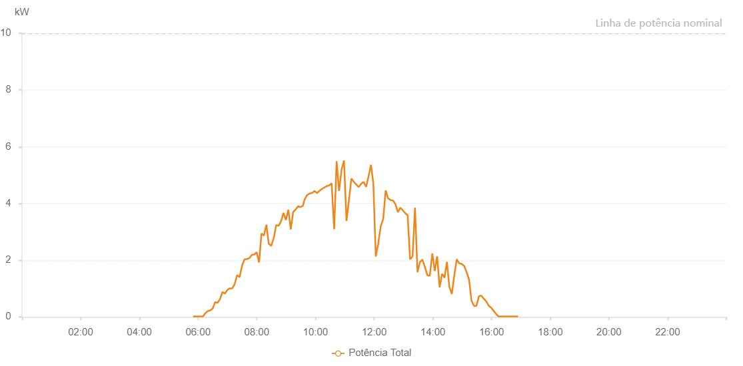

Number | Time | Working State | Alarm Code | Total Inverter Power(W)
1 | 08/07/2023 05:50:02 (UTC-4:00) | Normal |  | 20.000
2 | 08/07/2023 05:55:00 (UTC-4:00) | Normal |  | 20.000
3 | 08/07/2023 05:59:59 (UTC-4:00) | Normal |  | 20.000
4 | 08/07/2023 06:05:00 (UTC-4:00) | Normal |  | 20.000
5 | 08/07/2023 06:10:02 (UTC-4:00) | Normal |  | 20.000
6 | 08/07/2023 06:15:01 (UTC-4:00) | Normal |  | 130.000
7 | 08/07/2023 06:19:59 (UTC-4:00) | Normal |  | 210.000
8 | 08/07/2023 06:24:58 (UTC-4:00) | Normal |  | 230.000
9 | 08/07/2023 06:29:59 (UTC-4:00) | Normal |  | 300.000
10 | 08/07/2023 06:34:57 (UTC-4:00) | Normal |  | 520.000
11 | 08/07/2023 06:39:56 (UTC-4:00) | Normal |  | 500.000
12 | 08/07/2023 06:44:56 (UTC-4:00) | Normal |  | 630.000
13 | 08/07/2023 06:49:52 (UTC-4:00) | Normal |  | 880.000
14 | 08/07/2023 06:54:51 (UTC-4:00) | Normal |  | 820.000
15 | 08/07/2023 06:59:49 (UTC-4:00) | Normal |  | 950.000
16 | 08/07/2023 07:04:48 (UTC-4:00) | Normal |  | 1010.000
17 | 08/07/2023 07:09:46 (UTC-4:00) | Normal |  | 1000.000
18 | 08/07/2023 07:14:45 (UTC-4:00) | Normal |  | 1150.000
19 | 08/07/2023 07:19:48 (UTC-4:00) | Normal |  | 1470.000
20 | 08/07/2023 07:24:50 (UTC-4:00) | Normal |  | 1410.000
21 | 08/07/2023 07:25:01 (UTC-4:00) | Normal |  | 1410.000
22 | 08/07/2023 07:29:52 (UTC-4:00) | Normal |  | 1800.000
23 | 08/07/2023 07:34:55 (UTC-4:00) | Normal |  | 2030.000
24 | 08/07/2023 07:35:06 (UTC-4:00) | Normal |  | 2030.000
25 | 08/07/2023 07:39:53 (UTC-4:00) | Normal |  | 2040.000
26 | 08/07/2023 07:44:52 (UTC-4:00) | Normal |  | 2070.000
27 | 08/07/2023 07:49:50 (UTC-4:00) | Normal |  | 2190.000
28 | 08/07/2023 07:54:48 (UTC-4:00) | Normal |  | 2200.000
29 | 08/07/2023 07:59:47 (UTC-4:00) | Normal |  | 2280.000
30 | 08/07/2023 08:04:45 (UTC-4:00) | Normal |  | 1920.000
31 | 08/07/2023 08:09:43 (UTC-4:00) | Normal |  | 2940.000
32 | 08/07/2023 08:14:42 (UTC-4:00) | Normal |  | 2870.000
33 | 08/07/2023 08:19:40 (UTC-4:00) | Normal |  | 3250.000
34 | 08/07/2023 08:24:38 (UTC-4:00) | Normal |  | 2580.000
35 | 08/07/2023 08:29:38 (UTC-4:00) | Normal |  | 2500.000
36 | 08/07/2023 08:34:41 (UTC-4:00) | Normal |  | 2780.000
37 | 08/07/2023 08:34:56 (UTC-4:00) | Normal |  | 2780.000
38 | 08/07/2023 08:39:42 (UTC-4:00) | Normal |  | 3240.000
39 | 08/07/2023 08:44:41 (UTC-4:00) | Normal |  | 3210.000
40 | 08/07/2023 08:49:39 (UTC-4:00) | Normal |  | 3370.000
41 | 08/07/2023 08:54:38 (UTC-4:00) | Normal |  | 3670.000
42 | 08/07/2023 08:59:37 (UTC-4:00) | Normal |  | 3420.000
43 | 08/07/2023 09:04:35 (UTC-4:00) | Normal |  | 3780.000
44 | 08/07/2023 09:09:33 (UTC-4:00) | Normal |  | 3090.000
45 | 08/07/2023 09:14:32 (UTC-4:00) | Normal |  | 3700.000
46 | 08/07/2023 09:19:30 (UTC-4:00) | Normal |  | 3790.000
47 | 08/07/2023 09:24:29 (UTC-4:00) | Normal |  | 3900.000
48 | 08/07/2023 09:29:27 (UTC-4:00) | Normal |  | 3870.000
49 | 08/07/2023 09:34:25 (UTC-4:00) | Normal |  | 3920.000
50 | 08/07/2023 09:37:47 (UTC-4:00) | Normal |  | 4140.000
51 | 08/07/2023 09:43:03 (UTC-4:00) | Normal |  | 4300.000
52 | 08/07/2023 09:48:03 (UTC-4:00) | Normal |  | 4350.000
53 | 08/07/2023 09:53:02 (UTC-4:00) | Normal |  | 4370.000
54 | 08/07/2023 09:58:03 (UTC-4:00) | Normal |  | 4440.000
55 | 08/07/2023 10:03:02 (UTC-4:00) | Normal |  | 4370.000
56 | 08/07/2023 10:08:02 (UTC-4:00) | Normal |  | 4440.000
57 | 08/07/2023 10:13:02 (UTC-4:00) | Normal |  | 4510.000
58 | 08/07/2023 10:18:02 (UTC-4:00) | Normal |  | 4560.000
59 | 08/07/2023 10:23:00 (UTC-4:00) | Normal |  | 4610.000
60 | 08/07/2023 10:28:04 (UTC-4:00) | Normal |  | 4640.000
61 | 08/07/2023 10:28:14 (UTC-4:00) | Normal |  | 4640.000
62 | 08/07/2023 10:33:08 (UTC-4:00) | Normal |  | 4710.000
63 | 08/07/2023 10:38:10 (UTC-4:00) | Normal |  | 3110.000
64 | 08/07/2023 10:38:22 (UTC-4:00) | Normal |  | 3110.000
65 | 08/07/2023 10:43:14 (UTC-4:00) | Normal |  | 5490.000
66 | 08/07/2023 10:48:17 (UTC-4:00) | Normal |  | 4440.000
67 | 08/07/2023 10:53:21 (UTC-4:00) | Normal |  | 5190.000
68 | 08/07/2023 10:58:24 (UTC-4:00) | Normal |  | 5520.000
69 | 08/07/2023 11:03:28 (UTC-4:00) | Normal |  | 3380.000
70 | 08/07/2023 11:08:27 (UTC-4:00) | Normal |  | 4120.000
71 | 08/07/2023 11:13:27 (UTC-4:00) | Normal |  | 4880.000
72 | 08/07/2023 11:18:26 (UTC-4:00) | Normal |  | 4760.000
73 | 08/07/2023 11:23:26 (UTC-4:00) | Normal |  | 4670.000
74 | 08/07/2023 11:28:25 (UTC-4:00) | Normal |  | 4580.000
75 | 08/07/2023 11:33:26 (UTC-4:00) | Normal |  | 4690.000
76 | 08/07/2023 11:38:24 (UTC-4:00) | Normal |  | 4760.000
77 | 08/07/2023 11:43:39 (UTC-4:00) | Normal |  | 4590.000
78 | 08/07/2023 11:48:30 (UTC-4:00) | Normal |  | 4950.000
79 | 08/07/2023 11:53:25 (UTC-4:00) | Normal |  | 5360.000
80 | 08/07/2023 11:58:22 (UTC-4:00) | Normal |  | 4710.000
81 | 08/07/2023 12:03:23 (UTC-4:00) | Normal |  | 2130.000
82 | 08/07/2023 12:08:26 (UTC-4:00) | Normal |  | 2590.000
83 | 08/07/2023 12:13:30 (UTC-4:00) | Normal |  | 3200.000
84 | 08/07/2023 12:18:33 (UTC-4:00) | Normal |  | 3450.000
85 | 08/07/2023 12:23:33 (UTC-4:00) | Normal |  | 4460.000
86 | 08/07/2023 12:28:32 (UTC-4:00) | Normal |  | 4180.000
87 | 08/07/2023 12:33:36 (UTC-4:00) | Normal |  | 4120.000
88 | 08/07/2023 12:38:31 (UTC-4:00) | Normal |  | 4100.000
89 | 08/07/2023 12:38:42 (UTC-4:00) | Normal |  | 4100.000
90 | 08/07/2023 12:43:30 (UTC-4:00) | Normal |  | 3980.000
91 | 08/07/2023 12:48:30 (UTC-4:00) | Normal |  | 3690.000
92 | 08/07/2023 12:53:29 (UTC-4:00) | Normal |  | 3850.000
93 | 08/07/2023 12:58:29 (UTC-4:00) | Normal |  | 3760.000
94 | 08/07/2023 13:03:28 (UTC-4:00) | Normal |  | 3660.000
95 | 08/07/2023 13:08:28 (UTC-4:00) | Normal |  | 3590.000
96 | 08/07/2023 13:13:27 (UTC-4:00) | Normal |  | 2030.000
97 | 08/07/2023 13:18:29 (UTC-4:00) | Normal |  | 2130.000
98 | 08/07/2023 13:23:32 (UTC-4:00) | Normal |  | 3850.000
99 | 08/07/2023 13:28:36 (UTC-4:00) | Normal |  | 1590.000
100 | 08/07/2023 13:28:47 (UTC-4:00) | Normal |  | 1590.000
101 | 08/07/2023 13:33:40 (UTC-4:00) | Normal |  | 1930.000
102 | 08/07/2023 13:38:42 (UTC-4:00) | Normal |  | 2020.000
103 | 08/07/2023 13:38:43 (UTC-4:00) | Normal |  | 2020.000
104 | 08/07/2023 13:43:46 (UTC-4:00) | Normal |  | 1760.000
105 | 08/07/2023 13:48:50 (UTC-4:00) | Normal |  | 1470.000
106 | 08/07/2023 13:53:49 (UTC-4:00) | Normal |  | 1450.000
107 | 08/07/2023 13:58:49 (UTC-4:00) | Normal |  | 2240.000
108 | 08/07/2023 14:03:50 (UTC-4:00) | Normal |  | 1620.000
109 | 08/07/2023 14:08:50 (UTC-4:00) | Normal |  | 2140.000
110 | 08/07/2023 14:13:49 (UTC-4:00) | Normal |  | 1040.000
111 | 08/07/2023 14:18:49 (UTC-4:00) | Normal |  | 1520.000
112 | 08/07/2023 14:23:48 (UTC-4:00) | Normal |  | 1380.000
113 | 08/07/2023 14:28:48 (UTC-4:00) | Normal |  | 1940.000
114 | 08/07/2023 14:33:47 (UTC-4:00) | Normal |  | 1060.000
115 | 08/07/2023 14:38:47 (UTC-4:00) | Normal |  | 810.000
116 | 08/07/2023 14:43:46 (UTC-4:00) | Normal |  | 1450.000
117 | 08/07/2023 14:48:46 (UTC-4:00) | Normal |  | 2030.000
118 | 08/07/2023 14:53:48 (UTC-4:00) | Normal |  | 1890.000
119 | 08/07/2023 14:58:52 (UTC-4:00) | Normal |  | 1870.000
120 | 08/07/2023 15:03:55 (UTC-4:00) | Normal |  | 1800.000
121 | 08/07/2023 15:08:59 (UTC-4:00) | Normal |  | 1580.000
122 | 08/07/2023 15:14:02 (UTC-4:00) | Normal |  | 1320.000
123 | 08/07/2023 15:19:06 (UTC-4:00) | Normal |  | 570.000
124 | 08/07/2023 15:24:09 (UTC-4:00) | Normal |  | 390.000
125 | 08/07/2023 15:29:09 (UTC-4:00) | Normal |  | 390.000
126 | 08/07/2023 15:34:08 (UTC-4:00) | Normal |  | 730.000
127 | 08/07/2023 15:39:08 (UTC-4:00) | Normal |  | 750.000
128 | 08/07/2023 15:44:07 (UTC-4:00) | Normal |  | 640.000
129 | 08/07/2023 15:49:07 (UTC-4:00) | Normal |  | 550.000
130 | 08/07/2023 15:54:07 (UTC-4:00) | Normal |  | 400.000
131 | 08/07/2023 15:59:06 (UTC-4:00) | Normal |  | 330.000
132 | 08/07/2023 16:04:05 (UTC-4:00) | Normal |  | 220.000
133 | 08/07/2023 16:09:05 (UTC-4:00) | Normal |  | 110.000
134 | 08/07/2023 16:14:04 (UTC-4:00) | Normal |  | 20.000
135 | 08/07/2023 16:19:04 (UTC-4:00) | Normal |  | 20.000
136 | 08/07/2023 16:24:04 (UTC-4:00) | Normal |  | 20.000
137 | 08/07/2023 16:29:08 (UTC-4:00) | Normal |  | 20.000
138 | 08/07/2023 16:34:11 (UTC-4:00) | Normal |  | 20.000
139 | 08/07/2023 16:39:15 (UTC-4:00) | Normal |  | 20.000
140 | 08/07/2023 16:39:25 (UTC-4:00) | Normal |  | 20.000
141 | 08/07/2023 16:44:19 (UTC-4:00) | Normal |  | 20.000
142 | 08/07/2023 16:49:22 (UTC-4:00) | Normal |  | 20.000
143 | 08/07/2023 16:54:25 (UTC-4:00) | Normal |  | 20.000

