Inverter History Report__17-08-
Inverter History Report_09/07/2023_Report

Inverter SN:054B7020C020041 |  | Inverter type:B7
Collector SN:4045966636 |  | Full Load Hours(h):0.57
Rated Power:10000Wp

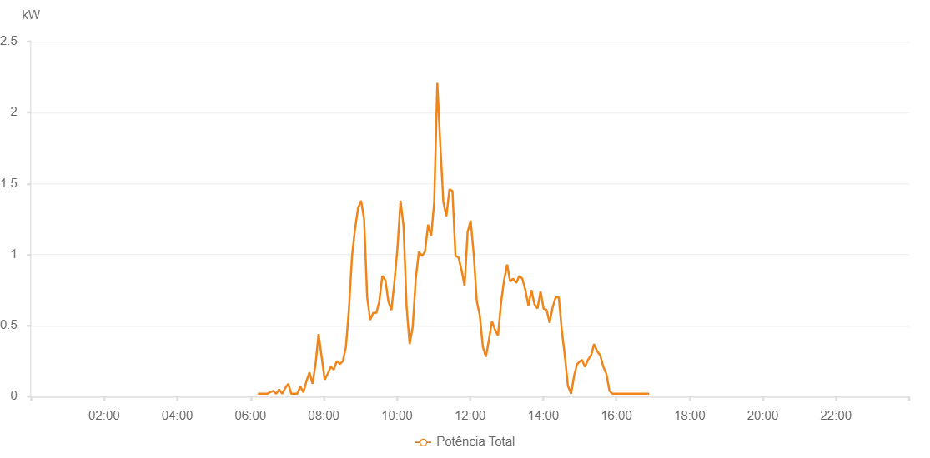

Number | Time | Working State | Alarm Code | Total Inverter Power(W)
1 | 09/07/2023 06:12:07 (UTC-4:00) | Normal |  | 20.000
2 | 09/07/2023 06:17:07 (UTC-4:00) | Normal |  | 20.000
3 | 09/07/2023 06:22:05 (UTC-4:00) | Normal |  | 20.000
4 | 09/07/2023 06:27:16 (UTC-4:00) | Normal |  | 20.000
5 | 09/07/2023 06:27:17 (UTC-4:00) | Normal |  | 20.000
6 | 09/07/2023 06:32:03 (UTC-4:00) | Normal |  | 30.000
7 | 09/07/2023 06:37:01 (UTC-4:00) | Normal |  | 40.000
8 | 09/07/2023 06:42:04 (UTC-4:00) | Normal |  | 20.000
9 | 09/07/2023 06:46:58 (UTC-4:00) | Normal |  | 50.000
10 | 09/07/2023 06:51:58 (UTC-4:00) | Normal |  | 20.000
11 | 09/07/2023 06:56:56 (UTC-4:00) | Normal |  | 60.000
12 | 09/07/2023 07:01:54 (UTC-4:00) | Normal |  | 90.000
13 | 09/07/2023 07:06:53 (UTC-4:00) | Normal |  | 20.000
14 | 09/07/2023 07:11:51 (UTC-4:00) | Normal |  | 20.000
15 | 09/07/2023 07:16:49 (UTC-4:00) | Normal |  | 20.000
16 | 09/07/2023 07:21:47 (UTC-4:00) | Normal |  | 70.000
17 | 09/07/2023 07:26:49 (UTC-4:00) | Normal |  | 30.000
18 | 09/07/2023 07:31:47 (UTC-4:00) | Normal |  | 110.000
19 | 09/07/2023 07:36:46 (UTC-4:00) | Normal |  | 170.000
20 | 09/07/2023 07:41:45 (UTC-4:00) | Normal |  | 90.000
21 | 09/07/2023 07:46:43 (UTC-4:00) | Normal |  | 230.000
22 | 09/07/2023 07:51:41 (UTC-4:00) | Normal |  | 440.000
23 | 09/07/2023 07:56:40 (UTC-4:00) | Normal |  | 280.000
24 | 09/07/2023 08:01:38 (UTC-4:00) | Normal |  | 120.000
25 | 09/07/2023 08:06:36 (UTC-4:00) | Normal |  | 160.000
26 | 09/07/2023 08:11:34 (UTC-4:00) | Normal |  | 210.000
27 | 09/07/2023 08:16:33 (UTC-4:00) | Normal |  | 190.000
28 | 09/07/2023 08:21:31 (UTC-4:00) | Normal |  | 250.000
29 | 09/07/2023 08:26:33 (UTC-4:00) | Normal |  | 230.000
30 | 09/07/2023 08:31:31 (UTC-4:00) | Normal |  | 250.000
31 | 09/07/2023 08:36:30 (UTC-4:00) | Normal |  | 350.000
32 | 09/07/2023 08:41:30 (UTC-4:00) | Normal |  | 620.000
33 | 09/07/2023 08:46:33 (UTC-4:00) | Normal |  | 990.000
34 | 09/07/2023 08:51:25 (UTC-4:00) | Normal |  | 1180.000
35 | 09/07/2023 08:56:26 (UTC-4:00) | Normal |  | 1330.000
36 | 09/07/2023 09:01:22 (UTC-4:00) | Normal |  | 1380.000
37 | 09/07/2023 09:06:20 (UTC-4:00) | Normal |  | 1250.000
38 | 09/07/2023 09:11:19 (UTC-4:00) | Normal |  | 700.000
39 | 09/07/2023 09:16:17 (UTC-4:00) | Normal |  | 540.000
40 | 09/07/2023 09:21:15 (UTC-4:00) | Normal |  | 590.000
41 | 09/07/2023 09:26:26 (UTC-4:00) | Normal |  | 590.000
42 | 09/07/2023 09:26:27 (UTC-4:00) | Normal |  | 590.000
43 | 09/07/2023 09:31:12 (UTC-4:00) | Normal |  | 670.000
44 | 09/07/2023 09:36:11 (UTC-4:00) | Normal |  | 850.000
45 | 09/07/2023 09:41:11 (UTC-4:00) | Normal |  | 820.000
46 | 09/07/2023 09:46:07 (UTC-4:00) | Normal |  | 670.000
47 | 09/07/2023 09:51:06 (UTC-4:00) | Normal |  | 610.000
48 | 09/07/2023 09:56:05 (UTC-4:00) | Normal |  | 810.000
49 | 09/07/2023 10:01:05 (UTC-4:00) | Normal |  | 1050.000
50 | 09/07/2023 10:06:01 (UTC-4:00) | Normal |  | 1380.000
51 | 09/07/2023 10:11:00 (UTC-4:00) | Normal |  | 1200.000
52 | 09/07/2023 10:15:59 (UTC-4:00) | Normal |  | 630.000
53 | 09/07/2023 10:20:57 (UTC-4:00) | Normal |  | 370.000
54 | 09/07/2023 10:26:00 (UTC-4:00) | Normal |  | 490.000
55 | 09/07/2023 10:31:01 (UTC-4:00) | Normal |  | 830.000
56 | 09/07/2023 10:36:04 (UTC-4:00) | Normal |  | 1020.000
57 | 09/07/2023 10:41:06 (UTC-4:00) | Normal |  | 990.000
58 | 09/07/2023 10:46:08 (UTC-4:00) | Normal |  | 1020.000
59 | 09/07/2023 10:51:11 (UTC-4:00) | Normal |  | 1210.000
60 | 09/07/2023 10:56:15 (UTC-4:00) | Normal |  | 1130.000
61 | 09/07/2023 11:01:16 (UTC-4:00) | Normal |  | 1370.000
62 | 09/07/2023 11:06:18 (UTC-4:00) | Normal |  | 2210.000
63 | 09/07/2023 11:11:16 (UTC-4:00) | Normal |  | 1770.000
64 | 09/07/2023 11:16:15 (UTC-4:00) | Normal |  | 1370.000
65 | 09/07/2023 11:21:13 (UTC-4:00) | Normal |  | 1270.000
66 | 09/07/2023 11:26:11 (UTC-4:00) | Normal |  | 1460.000
67 | 09/07/2023 11:31:09 (UTC-4:00) | Normal |  | 1450.000
68 | 09/07/2023 11:36:08 (UTC-4:00) | Normal |  | 990.000
69 | 09/07/2023 11:41:06 (UTC-4:00) | Normal |  | 980.000
70 | 09/07/2023 11:46:04 (UTC-4:00) | Normal |  | 890.000
71 | 09/07/2023 11:51:02 (UTC-4:00) | Normal |  | 780.000
72 | 09/07/2023 11:56:01 (UTC-4:00) | Normal |  | 1160.000
73 | 09/07/2023 12:00:59 (UTC-4:00) | Normal |  | 1240.000
74 | 09/07/2023 12:06:03 (UTC-4:00) | Normal |  | 1000.000
75 | 09/07/2023 12:11:05 (UTC-4:00) | Normal |  | 670.000
76 | 09/07/2023 12:16:02 (UTC-4:00) | Normal |  | 570.000
77 | 09/07/2023 12:21:00 (UTC-4:00) | Normal |  | 350.000
78 | 09/07/2023 12:25:58 (UTC-4:00) | Normal |  | 280.000
79 | 09/07/2023 12:30:56 (UTC-4:00) | Normal |  | 400.000
80 | 09/07/2023 12:35:54 (UTC-4:00) | Normal |  | 530.000
81 | 09/07/2023 12:40:53 (UTC-4:00) | Normal |  | 470.000
82 | 09/07/2023 12:45:51 (UTC-4:00) | Normal |  | 430.000
83 | 09/07/2023 12:50:49 (UTC-4:00) | Normal |  | 660.000
84 | 09/07/2023 12:55:47 (UTC-4:00) | Normal |  | 820.000
85 | 09/07/2023 13:00:48 (UTC-4:00) | Normal |  | 930.000
86 | 09/07/2023 13:05:46 (UTC-4:00) | Normal |  | 810.000
87 | 09/07/2023 13:10:44 (UTC-4:00) | Normal |  | 830.000
88 | 09/07/2023 13:15:45 (UTC-4:00) | Normal |  | 800.000
89 | 09/07/2023 13:20:44 (UTC-4:00) | Normal |  | 850.000
90 | 09/07/2023 13:25:42 (UTC-4:00) | Normal |  | 830.000
91 | 09/07/2023 13:30:41 (UTC-4:00) | Normal |  | 750.000
92 | 09/07/2023 13:35:39 (UTC-4:00) | Normal |  | 640.000
93 | 09/07/2023 13:40:38 (UTC-4:00) | Normal |  | 750.000
94 | 09/07/2023 13:45:37 (UTC-4:00) | Normal |  | 650.000
95 | 09/07/2023 13:50:34 (UTC-4:00) | Normal |  | 620.000
96 | 09/07/2023 13:55:35 (UTC-4:00) | Normal |  | 740.000
97 | 09/07/2023 14:00:33 (UTC-4:00) | Normal |  | 620.000
98 | 09/07/2023 14:05:31 (UTC-4:00) | Normal |  | 610.000
99 | 09/07/2023 14:10:29 (UTC-4:00) | Normal |  | 520.000
100 | 09/07/2023 14:15:28 (UTC-4:00) | Normal |  | 630.000
101 | 09/07/2023 14:20:28 (UTC-4:00) | Normal |  | 700.000
102 | 09/07/2023 14:25:30 (UTC-4:00) | Normal |  | 700.000
103 | 09/07/2023 14:30:33 (UTC-4:00) | Normal |  | 460.000
104 | 09/07/2023 14:35:35 (UTC-4:00) | Normal |  | 280.000
105 | 09/07/2023 14:40:37 (UTC-4:00) | Normal |  | 70.000
106 | 09/07/2023 14:40:55 (UTC-4:00) | Normal |  | 70.000
107 | 09/07/2023 14:45:40 (UTC-4:00) | Normal |  | 20.000
108 | 09/07/2023 14:50:42 (UTC-4:00) | Normal |  | 150.000
109 | 09/07/2023 14:55:45 (UTC-4:00) | Normal |  | 230.000
110 | 09/07/2023 14:58:08 (UTC-4:00) | Normal |  | 240.000
111 | 09/07/2023 15:03:24 (UTC-4:00) | Normal |  | 260.000
112 | 09/07/2023 15:08:24 (UTC-4:00) | Normal |  | 210.000
113 | 09/07/2023 15:13:25 (UTC-4:00) | Normal |  | 260.000
114 | 09/07/2023 15:18:23 (UTC-4:00) | Normal |  | 290.000
115 | 09/07/2023 15:23:24 (UTC-4:00) | Normal |  | 370.000
116 | 09/07/2023 15:28:24 (UTC-4:00) | Normal |  | 320.000
117 | 09/07/2023 15:33:26 (UTC-4:00) | Normal |  | 290.000
118 | 09/07/2023 15:38:30 (UTC-4:00) | Normal |  | 210.000
119 | 09/07/2023 15:43:31 (UTC-4:00) | Normal |  | 160.000
120 | 09/07/2023 15:48:35 (UTC-4:00) | Normal |  | 40.000
121 | 09/07/2023 15:53:36 (UTC-4:00) | Normal |  | 20.000
122 | 09/07/2023 15:58:34 (UTC-4:00) | Normal |  | 20.000
123 | 09/07/2023 16:03:34 (UTC-4:00) | Normal |  | 20.000
124 | 09/07/2023 16:08:35 (UTC-4:00) | Normal |  | 20.000
125 | 09/07/2023 16:13:35 (UTC-4:00) | Normal |  | 20.000
126 | 09/07/2023 16:18:35 (UTC-4:00) | Normal |  | 20.000
127 | 09/07/2023 16:23:34 (UTC-4:00) | Normal |  | 20.000
128 | 09/07/2023 16:28:34 (UTC-4:00) | Normal |  | 20.000
129 | 09/07/2023 16:33:34 (UTC-4:00) | Normal |  | 20.000
130 | 09/07/2023 16:38:35 (UTC-4:00) | Normal |  | 20.000
131 | 09/07/2023 16:43:35 (UTC-4:00) | Normal |  | 20.000
132 | 09/07/2023 16:48:36 (UTC-4:00) | Normal |  | 20.000
133 | 09/07/2023 16:53:38 (UTC-4:00) | Normal |  | 20.000

