Inverter History Report__17-08-
Inverter History Report_10/07/2023_Report

Inverter SN:054B7020C020041 |  | Inverter type:B7
Collector SN:4045966636 |  | Full Load Hours(h):1.49
Rated Power:10000Wp

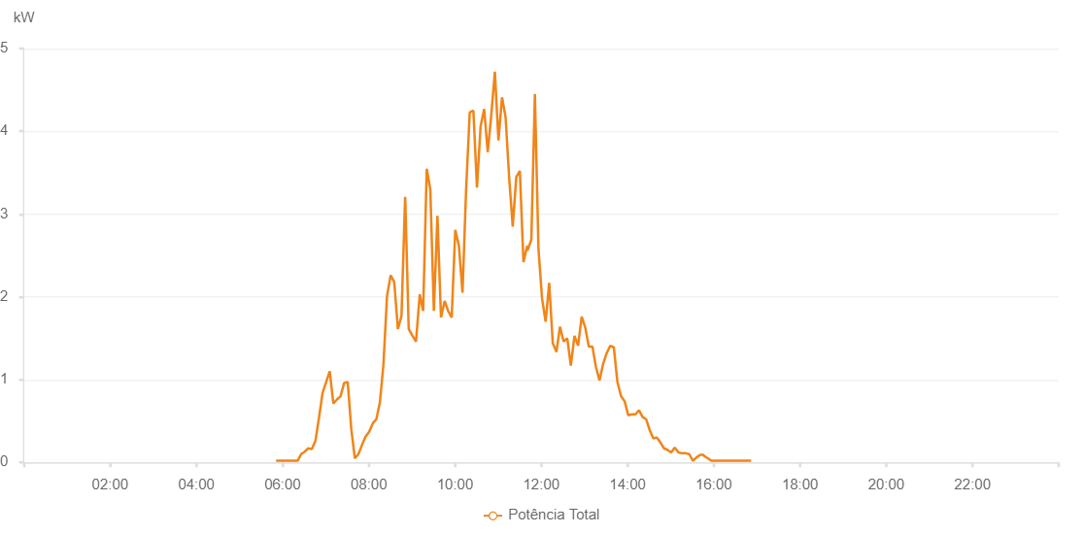

Number | Time | Working State | Alarm Code | Total Inverter Power(W)
1 | 10/07/2023 05:50:56 (UTC-4:00) | Normal |  | 20.000
2 | 10/07/2023 05:55:54 (UTC-4:00) | Normal |  | 20.000
3 | 10/07/2023 06:00:52 (UTC-4:00) | Normal |  | 20.000
4 | 10/07/2023 06:05:53 (UTC-4:00) | Normal |  | 20.000
5 | 10/07/2023 06:10:55 (UTC-4:00) | Normal |  | 20.000
6 | 10/07/2023 06:15:55 (UTC-4:00) | Normal |  | 20.000
7 | 10/07/2023 06:20:51 (UTC-4:00) | Normal |  | 20.000
8 | 10/07/2023 06:25:50 (UTC-4:00) | Normal |  | 100.000
9 | 10/07/2023 06:30:48 (UTC-4:00) | Normal |  | 130.000
10 | 10/07/2023 06:35:46 (UTC-4:00) | Normal |  | 170.000
11 | 10/07/2023 06:40:44 (UTC-4:00) | Normal |  | 160.000
12 | 10/07/2023 06:45:42 (UTC-4:00) | Normal |  | 260.000
13 | 10/07/2023 06:50:40 (UTC-4:00) | Normal |  | 540.000
14 | 10/07/2023 06:55:38 (UTC-4:00) | Normal |  | 840.000
15 | 10/07/2023 07:00:36 (UTC-4:00) | Normal |  | 970.000
16 | 10/07/2023 07:05:36 (UTC-4:00) | Normal |  | 1100.000
17 | 10/07/2023 07:10:38 (UTC-4:00) | Normal |  | 710.000
18 | 10/07/2023 07:15:36 (UTC-4:00) | Normal |  | 760.000
19 | 10/07/2023 07:20:38 (UTC-4:00) | Normal |  | 800.000
20 | 10/07/2023 07:25:41 (UTC-4:00) | Normal |  | 960.000
21 | 10/07/2023 07:30:38 (UTC-4:00) | Normal |  | 970.000
22 | 10/07/2023 07:35:36 (UTC-4:00) | Normal |  | 400.000
23 | 10/07/2023 07:40:34 (UTC-4:00) | Normal |  | 50.000
24 | 10/07/2023 07:45:32 (UTC-4:00) | Normal |  | 100.000
25 | 10/07/2023 07:50:30 (UTC-4:00) | Normal |  | 210.000
26 | 10/07/2023 07:55:28 (UTC-4:00) | Normal |  | 310.000
27 | 10/07/2023 08:00:27 (UTC-4:00) | Normal |  | 370.000
28 | 10/07/2023 08:05:25 (UTC-4:00) | Normal |  | 470.000
29 | 10/07/2023 08:10:23 (UTC-4:00) | Normal |  | 520.000
30 | 10/07/2023 08:15:21 (UTC-4:00) | Normal |  | 720.000
31 | 10/07/2023 08:20:19 (UTC-4:00) | Normal |  | 1180.000
32 | 10/07/2023 08:25:20 (UTC-4:00) | Normal |  | 2010.000
33 | 10/07/2023 08:30:21 (UTC-4:00) | Normal |  | 2260.000
34 | 10/07/2023 08:35:23 (UTC-4:00) | Normal |  | 2180.000
35 | 10/07/2023 08:40:25 (UTC-4:00) | Normal |  | 1610.000
36 | 10/07/2023 08:45:27 (UTC-4:00) | Normal |  | 1770.000
37 | 10/07/2023 08:50:29 (UTC-4:00) | Normal |  | 3200.000
38 | 10/07/2023 08:50:40 (UTC-4:00) | Normal |  | 3200.000
39 | 10/07/2023 08:55:31 (UTC-4:00) | Normal |  | 1610.000
40 | 10/07/2023 09:00:49 (UTC-4:00) | Normal |  | 1530.000
41 | 10/07/2023 09:05:38 (UTC-4:00) | Normal |  | 1460.000
42 | 10/07/2023 09:10:53 (UTC-4:00) | Normal |  | 2030.000
43 | 10/07/2023 09:15:35 (UTC-4:00) | Normal |  | 1830.000
44 | 10/07/2023 09:20:34 (UTC-4:00) | Normal |  | 3540.000
45 | 10/07/2023 09:20:44 (UTC-4:00) | Normal |  | 3540.000
46 | 10/07/2023 09:25:32 (UTC-4:00) | Normal |  | 3300.000
47 | 10/07/2023 09:30:30 (UTC-4:00) | Normal |  | 1830.000
48 | 10/07/2023 09:35:28 (UTC-4:00) | Normal |  | 2980.000
49 | 10/07/2023 09:40:26 (UTC-4:00) | Normal |  | 1750.000
50 | 10/07/2023 09:45:30 (UTC-4:00) | Normal |  | 1950.000
51 | 10/07/2023 09:50:22 (UTC-4:00) | Normal |  | 1830.000
52 | 10/07/2023 09:55:20 (UTC-4:00) | Normal |  | 1750.000
53 | 10/07/2023 10:00:18 (UTC-4:00) | Normal |  | 2810.000
54 | 10/07/2023 10:05:19 (UTC-4:00) | Normal |  | 2620.000
55 | 10/07/2023 10:10:21 (UTC-4:00) | Normal |  | 2050.000
56 | 10/07/2023 10:15:23 (UTC-4:00) | Normal |  | 3300.000
57 | 10/07/2023 10:20:26 (UTC-4:00) | Normal |  | 4230.000
58 | 10/07/2023 10:20:36 (UTC-4:00) | Normal |  | 4230.000
59 | 10/07/2023 10:25:29 (UTC-4:00) | Normal |  | 4250.000
60 | 10/07/2023 10:30:30 (UTC-4:00) | Normal |  | 3320.000
61 | 10/07/2023 10:35:32 (UTC-4:00) | Normal |  | 4060.000
62 | 10/07/2023 10:40:30 (UTC-4:00) | Normal |  | 4270.000
63 | 10/07/2023 10:45:28 (UTC-4:00) | Normal |  | 3750.000
64 | 10/07/2023 10:50:26 (UTC-4:00) | Normal |  | 4200.000
65 | 10/07/2023 10:55:24 (UTC-4:00) | Normal |  | 4720.000
66 | 10/07/2023 11:00:22 (UTC-4:00) | Normal |  | 3890.000
67 | 10/07/2023 11:05:20 (UTC-4:00) | Normal |  | 4410.000
68 | 10/07/2023 11:10:19 (UTC-4:00) | Normal |  | 4170.000
69 | 10/07/2023 11:15:17 (UTC-4:00) | Normal |  | 3440.000
70 | 10/07/2023 11:20:15 (UTC-4:00) | Normal |  | 2850.000
71 | 10/07/2023 11:25:13 (UTC-4:00) | Normal |  | 3450.000
72 | 10/07/2023 11:30:11 (UTC-4:00) | Normal |  | 3520.000
73 | 10/07/2023 11:35:09 (UTC-4:00) | Normal |  | 2420.000
74 | 10/07/2023 11:40:12 (UTC-4:00) | Normal |  | 2610.000
75 | 10/07/2023 11:40:21 (UTC-4:00) | Normal |  | 2610.000
76 | 10/07/2023 11:40:45 (UTC-4:00) | Normal |  | 2560.000
77 | 10/07/2023 11:46:07 (UTC-4:00) | Normal |  | 2690.000
78 | 10/07/2023 11:51:05 (UTC-4:00) | Normal |  | 4450.000
79 | 10/07/2023 11:56:04 (UTC-4:00) | Normal |  | 2580.000
80 | 10/07/2023 12:01:03 (UTC-4:00) | Normal |  | 1980.000
81 | 10/07/2023 12:06:01 (UTC-4:00) | Normal |  | 1700.000
82 | 10/07/2023 12:11:00 (UTC-4:00) | Normal |  | 2170.000
83 | 10/07/2023 12:15:58 (UTC-4:00) | Normal |  | 1440.000
84 | 10/07/2023 12:20:58 (UTC-4:00) | Normal |  | 1340.000
85 | 10/07/2023 12:21:09 (UTC-4:00) | Normal |  | 1340.000
86 | 10/07/2023 12:26:01 (UTC-4:00) | Normal |  | 1640.000
87 | 10/07/2023 12:31:03 (UTC-4:00) | Normal |  | 1460.000
88 | 10/07/2023 12:36:05 (UTC-4:00) | Normal |  | 1500.000
89 | 10/07/2023 12:41:08 (UTC-4:00) | Normal |  | 1170.000
90 | 10/07/2023 12:46:10 (UTC-4:00) | Normal |  | 1530.000
91 | 10/07/2023 12:51:12 (UTC-4:00) | Normal |  | 1410.000
92 | 10/07/2023 12:56:11 (UTC-4:00) | Normal |  | 1760.000
93 | 10/07/2023 13:01:09 (UTC-4:00) | Normal |  | 1630.000
94 | 10/07/2023 13:06:07 (UTC-4:00) | Normal |  | 1400.000
95 | 10/07/2023 13:11:07 (UTC-4:00) | Normal |  | 1400.000
96 | 10/07/2023 13:16:05 (UTC-4:00) | Normal |  | 1150.000
97 | 10/07/2023 13:21:03 (UTC-4:00) | Normal |  | 990.000
98 | 10/07/2023 13:26:02 (UTC-4:00) | Normal |  | 1190.000
99 | 10/07/2023 13:31:00 (UTC-4:00) | Normal |  | 1320.000
100 | 10/07/2023 13:35:59 (UTC-4:00) | Normal |  | 1410.000
101 | 10/07/2023 13:40:57 (UTC-4:00) | Normal |  | 1390.000
102 | 10/07/2023 13:45:55 (UTC-4:00) | Normal |  | 970.000
103 | 10/07/2023 13:50:54 (UTC-4:00) | Normal |  | 800.000
104 | 10/07/2023 13:55:56 (UTC-4:00) | Normal |  | 740.000
105 | 10/07/2023 14:00:59 (UTC-4:00) | Normal |  | 570.000
106 | 10/07/2023 14:06:01 (UTC-4:00) | Normal |  | 580.000
107 | 10/07/2023 14:10:59 (UTC-4:00) | Normal |  | 580.000
108 | 10/07/2023 14:15:58 (UTC-4:00) | Normal |  | 630.000
109 | 10/07/2023 14:20:56 (UTC-4:00) | Normal |  | 550.000
110 | 10/07/2023 14:25:55 (UTC-4:00) | Normal |  | 520.000
111 | 10/07/2023 14:30:53 (UTC-4:00) | Normal |  | 390.000
112 | 10/07/2023 14:35:51 (UTC-4:00) | Normal |  | 290.000
113 | 10/07/2023 14:40:50 (UTC-4:00) | Normal |  | 300.000
114 | 10/07/2023 14:45:49 (UTC-4:00) | Normal |  | 240.000
115 | 10/07/2023 14:50:47 (UTC-4:00) | Normal |  | 170.000
116 | 10/07/2023 14:55:46 (UTC-4:00) | Normal |  | 150.000
117 | 10/07/2023 15:00:44 (UTC-4:00) | Normal |  | 120.000
118 | 10/07/2023 15:05:45 (UTC-4:00) | Normal |  | 180.000
119 | 10/07/2023 15:10:48 (UTC-4:00) | Normal |  | 120.000
120 | 10/07/2023 15:15:50 (UTC-4:00) | Normal |  | 110.000
121 | 10/07/2023 15:20:52 (UTC-4:00) | Normal |  | 110.000
122 | 10/07/2023 15:25:55 (UTC-4:00) | Normal |  | 100.000
123 | 10/07/2023 15:30:57 (UTC-4:00) | Normal |  | 20.000
124 | 10/07/2023 15:35:59 (UTC-4:00) | Normal |  | 60.000
125 | 10/07/2023 15:41:02 (UTC-4:00) | Normal |  | 90.000
126 | 10/07/2023 15:46:00 (UTC-4:00) | Normal |  | 90.000
127 | 10/07/2023 15:46:18 (UTC-4:00) | Normal |  | 80.000
128 | 10/07/2023 15:51:35 (UTC-4:00) | Normal |  | 50.000
129 | 10/07/2023 15:56:35 (UTC-4:00) | Normal |  | 20.000
130 | 10/07/2023 16:01:35 (UTC-4:00) | Normal |  | 20.000
131 | 10/07/2023 16:06:35 (UTC-4:00) | Normal |  | 20.000
132 | 10/07/2023 16:11:36 (UTC-4:00) | Normal |  | 20.000
133 | 10/07/2023 16:16:36 (UTC-4:00) | Normal |  | 20.000
134 | 10/07/2023 16:21:39 (UTC-4:00) | Normal |  | 20.000
135 | 10/07/2023 16:26:41 (UTC-4:00) | Normal |  | 20.000
136 | 10/07/2023 16:31:45 (UTC-4:00) | Normal |  | 20.000
137 | 10/07/2023 16:36:50 (UTC-4:00) | Normal |  | 20.000
138 | 10/07/2023 16:41:54 (UTC-4:00) | Normal |  | 20.000
139 | 10/07/2023 16:46:58 (UTC-4:00) | Normal |  | 20.000
140 | 10/07/2023 16:52:02 (UTC-4:00) | Normal |  | 20.000

