Inverter History Report__17-08-
Inverter History Report_11/07/2023_Report

Inverter SN:054B7020C020041 |  | Inverter type:B7
Collector SN:4045966636 |  | Full Load Hours(h):2.39
Rated Power:10000Wp

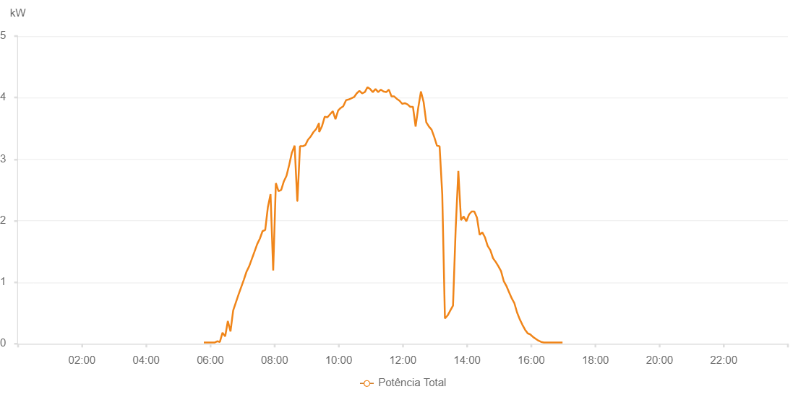

Number | Time | Working State | Alarm Code | Total Inverter Power(W)
1 | 11/07/2023 05:47:53 (UTC-4:00) | Normal |  | 20.000
2 | 11/07/2023 05:52:52 (UTC-4:00) | Normal |  | 20.000
3 | 11/07/2023 05:57:50 (UTC-4:00) | Normal |  | 20.000
4 | 11/07/2023 06:02:52 (UTC-4:00) | Normal |  | 20.000
5 | 11/07/2023 06:07:54 (UTC-4:00) | Normal |  | 20.000
6 | 11/07/2023 06:12:53 (UTC-4:00) | Normal |  | 40.000
7 | 11/07/2023 06:17:51 (UTC-4:00) | Normal |  | 30.000
8 | 11/07/2023 06:22:49 (UTC-4:00) | Normal |  | 180.000
9 | 11/07/2023 06:27:48 (UTC-4:00) | Normal |  | 120.000
10 | 11/07/2023 06:32:47 (UTC-4:00) | Normal |  | 370.000
11 | 11/07/2023 06:37:46 (UTC-4:00) | Normal |  | 200.000
12 | 11/07/2023 06:42:44 (UTC-4:00) | Normal |  | 540.000
13 | 11/07/2023 06:47:44 (UTC-4:00) | Normal |  | 670.000
14 | 11/07/2023 06:52:44 (UTC-4:00) | Normal |  | 800.000
15 | 11/07/2023 06:57:41 (UTC-4:00) | Normal |  | 920.000
16 | 11/07/2023 07:02:40 (UTC-4:00) | Normal |  | 1040.000
17 | 11/07/2023 07:07:38 (UTC-4:00) | Normal |  | 1170.000
18 | 11/07/2023 07:12:40 (UTC-4:00) | Normal |  | 1260.000
19 | 11/07/2023 07:17:42 (UTC-4:00) | Normal |  | 1380.000
20 | 11/07/2023 07:22:45 (UTC-4:00) | Normal |  | 1500.000
21 | 11/07/2023 07:27:43 (UTC-4:00) | Normal |  | 1620.000
22 | 11/07/2023 07:32:42 (UTC-4:00) | Normal |  | 1710.000
23 | 11/07/2023 07:37:40 (UTC-4:00) | Normal |  | 1830.000
24 | 11/07/2023 07:42:38 (UTC-4:00) | Normal |  | 1850.000
25 | 11/07/2023 07:47:38 (UTC-4:00) | Normal |  | 2220.000
26 | 11/07/2023 07:52:36 (UTC-4:00) | Normal |  | 2430.000
27 | 11/07/2023 07:57:35 (UTC-4:00) | Normal |  | 1190.000
28 | 11/07/2023 08:02:33 (UTC-4:00) | Normal |  | 2610.000
29 | 11/07/2023 08:07:33 (UTC-4:00) | Normal |  | 2480.000
30 | 11/07/2023 08:12:32 (UTC-4:00) | Normal |  | 2500.000
31 | 11/07/2023 08:17:31 (UTC-4:00) | Normal |  | 2640.000
32 | 11/07/2023 08:22:29 (UTC-4:00) | Normal |  | 2730.000
33 | 11/07/2023 08:27:32 (UTC-4:00) | Normal |  | 2910.000
34 | 11/07/2023 08:32:34 (UTC-4:00) | Normal |  | 3110.000
35 | 11/07/2023 08:32:45 (UTC-4:00) | Normal |  | 3110.000
36 | 11/07/2023 08:37:39 (UTC-4:00) | Normal |  | 3220.000
37 | 11/07/2023 08:42:40 (UTC-4:00) | Normal |  | 2320.000
38 | 11/07/2023 08:42:51 (UTC-4:00) | Normal |  | 2320.000
39 | 11/07/2023 08:47:42 (UTC-4:00) | Normal |  | 3210.000
40 | 11/07/2023 08:52:45 (UTC-4:00) | Normal |  | 3210.000
41 | 11/07/2023 08:53:09 (UTC-4:00) | Normal |  | 3210.000
42 | 11/07/2023 08:57:47 (UTC-4:00) | Normal |  | 3230.000
43 | 11/07/2023 09:02:50 (UTC-4:00) | Normal |  | 3320.000
44 | 11/07/2023 09:03:00 (UTC-4:00) | Normal |  | 3320.000
45 | 11/07/2023 09:07:53 (UTC-4:00) | Normal |  | 3370.000
46 | 11/07/2023 09:12:54 (UTC-4:00) | Normal |  | 3440.000
47 | 11/07/2023 09:17:57 (UTC-4:00) | Normal |  | 3490.000
48 | 11/07/2023 09:22:59 (UTC-4:00) | Normal |  | 3580.000
49 | 11/07/2023 09:23:10 (UTC-4:00) | Normal |  | 3580.000
50 | 11/07/2023 09:23:36 (UTC-4:00) | Normal |  | 3440.000
51 | 11/07/2023 09:28:58 (UTC-4:00) | Normal |  | 3540.000
52 | 11/07/2023 09:33:58 (UTC-4:00) | Normal |  | 3690.000
53 | 11/07/2023 09:38:58 (UTC-4:00) | Normal |  | 3680.000
54 | 11/07/2023 09:43:58 (UTC-4:00) | Normal |  | 3730.000
55 | 11/07/2023 09:49:00 (UTC-4:00) | Normal |  | 3780.000
56 | 11/07/2023 09:54:01 (UTC-4:00) | Normal |  | 3650.000
57 | 11/07/2023 09:59:01 (UTC-4:00) | Normal |  | 3790.000
58 | 11/07/2023 10:03:29 (UTC-4:00) | Normal |  | 3830.000
59 | 11/07/2023 10:08:31 (UTC-4:00) | Normal |  | 3860.000
60 | 11/07/2023 10:13:54 (UTC-4:00) | Normal |  | 3960.000
61 | 11/07/2023 10:18:52 (UTC-4:00) | Normal |  | 3970.000
62 | 11/07/2023 10:23:51 (UTC-4:00) | Normal |  | 3990.000
63 | 11/07/2023 10:28:50 (UTC-4:00) | Normal |  | 4010.000
64 | 11/07/2023 10:33:48 (UTC-4:00) | Normal |  | 4070.000
65 | 11/07/2023 10:38:47 (UTC-4:00) | Normal |  | 4110.000
66 | 11/07/2023 10:43:46 (UTC-4:00) | Normal |  | 4070.000
67 | 11/07/2023 10:48:47 (UTC-4:00) | Normal |  | 4090.000
68 | 11/07/2023 10:48:58 (UTC-4:00) | Normal |  | 4090.000
69 | 11/07/2023 10:53:47 (UTC-4:00) | Normal |  | 4170.000
70 | 11/07/2023 10:58:50 (UTC-4:00) | Normal |  | 4140.000
71 | 11/07/2023 11:03:52 (UTC-4:00) | Normal |  | 4090.000
72 | 11/07/2023 11:08:55 (UTC-4:00) | Normal |  | 4140.000
73 | 11/07/2023 11:13:54 (UTC-4:00) | Normal |  | 4090.000
74 | 11/07/2023 11:18:52 (UTC-4:00) | Normal |  | 4130.000
75 | 11/07/2023 11:23:51 (UTC-4:00) | Normal |  | 4100.000
76 | 11/07/2023 11:28:50 (UTC-4:00) | Normal |  | 4090.000
77 | 11/07/2023 11:29:01 (UTC-4:00) | Normal |  | 4090.000
78 | 11/07/2023 11:33:48 (UTC-4:00) | Normal |  | 4130.000
79 | 11/07/2023 11:38:47 (UTC-4:00) | Normal |  | 4020.000
80 | 11/07/2023 11:39:12 (UTC-4:00) | Normal |  | 4020.000
81 | 11/07/2023 11:43:46 (UTC-4:00) | Normal |  | 4020.000
82 | 11/07/2023 11:48:45 (UTC-4:00) | Normal |  | 3980.000
83 | 11/07/2023 11:53:43 (UTC-4:00) | Normal |  | 3950.000
84 | 11/07/2023 11:58:43 (UTC-4:00) | Normal |  | 3900.000
85 | 11/07/2023 11:58:54 (UTC-4:00) | Normal |  | 3900.000
86 | 11/07/2023 12:03:46 (UTC-4:00) | Normal |  | 3910.000
87 | 11/07/2023 12:08:47 (UTC-4:00) | Normal |  | 3890.000
88 | 11/07/2023 12:13:50 (UTC-4:00) | Normal |  | 3850.000
89 | 11/07/2023 12:18:53 (UTC-4:00) | Normal |  | 3850.000
90 | 11/07/2023 12:23:51 (UTC-4:00) | Normal |  | 3530.000
91 | 11/07/2023 12:28:50 (UTC-4:00) | Normal |  | 3840.000
92 | 11/07/2023 12:33:49 (UTC-4:00) | Normal |  | 4100.000
93 | 11/07/2023 12:38:47 (UTC-4:00) | Normal |  | 3930.000
94 | 11/07/2023 12:43:47 (UTC-4:00) | Normal |  | 3600.000
95 | 11/07/2023 12:48:46 (UTC-4:00) | Normal |  | 3530.000
96 | 11/07/2023 12:53:44 (UTC-4:00) | Normal |  | 3480.000
97 | 11/07/2023 12:58:44 (UTC-4:00) | Normal |  | 3360.000
98 | 11/07/2023 13:03:43 (UTC-4:00) | Normal |  | 3220.000
99 | 11/07/2023 13:08:41 (UTC-4:00) | Normal |  | 3210.000
100 | 11/07/2023 13:13:40 (UTC-4:00) | Normal |  | 2430.000
101 | 11/07/2023 13:18:39 (UTC-4:00) | Normal |  | 410.000
102 | 11/07/2023 13:23:42 (UTC-4:00) | Normal |  | 460.000
103 | 11/07/2023 13:28:44 (UTC-4:00) | Normal |  | 540.000
104 | 11/07/2023 13:33:47 (UTC-4:00) | Normal |  | 620.000
105 | 11/07/2023 13:38:46 (UTC-4:00) | Normal |  | 1870.000
106 | 11/07/2023 13:43:44 (UTC-4:00) | Normal |  | 2810.000
107 | 11/07/2023 13:48:43 (UTC-4:00) | Normal |  | 2010.000
108 | 11/07/2023 13:53:42 (UTC-4:00) | Normal |  | 2070.000
109 | 11/07/2023 13:58:41 (UTC-4:00) | Normal |  | 1990.000
110 | 11/07/2023 14:03:39 (UTC-4:00) | Normal |  | 2100.000
111 | 11/07/2023 14:08:38 (UTC-4:00) | Normal |  | 2150.000
112 | 11/07/2023 14:13:36 (UTC-4:00) | Normal |  | 2150.000
113 | 11/07/2023 14:18:35 (UTC-4:00) | Normal |  | 2050.000
114 | 11/07/2023 14:23:34 (UTC-4:00) | Normal |  | 1770.000
115 | 11/07/2023 14:28:33 (UTC-4:00) | Normal |  | 1810.000
116 | 11/07/2023 14:33:31 (UTC-4:00) | Normal |  | 1730.000
117 | 11/07/2023 14:38:34 (UTC-4:00) | Normal |  | 1590.000
118 | 11/07/2023 14:43:37 (UTC-4:00) | Normal |  | 1520.000
119 | 11/07/2023 14:48:39 (UTC-4:00) | Normal |  | 1390.000
120 | 11/07/2023 14:53:38 (UTC-4:00) | Normal |  | 1330.000
121 | 11/07/2023 14:58:37 (UTC-4:00) | Normal |  | 1260.000
122 | 11/07/2023 15:03:36 (UTC-4:00) | Normal |  | 1180.000
123 | 11/07/2023 15:08:35 (UTC-4:00) | Normal |  | 1020.000
124 | 11/07/2023 15:13:33 (UTC-4:00) | Normal |  | 940.000
125 | 11/07/2023 15:18:32 (UTC-4:00) | Normal |  | 840.000
126 | 11/07/2023 15:23:31 (UTC-4:00) | Normal |  | 740.000
127 | 11/07/2023 15:28:30 (UTC-4:00) | Normal |  | 660.000
128 | 11/07/2023 15:33:28 (UTC-4:00) | Normal |  | 510.000
129 | 11/07/2023 15:38:28 (UTC-4:00) | Normal |  | 400.000
130 | 11/07/2023 15:43:27 (UTC-4:00) | Normal |  | 310.000
131 | 11/07/2023 15:48:25 (UTC-4:00) | Normal |  | 230.000
132 | 11/07/2023 15:53:27 (UTC-4:00) | Normal |  | 170.000
133 | 11/07/2023 15:58:30 (UTC-4:00) | Normal |  | 150.000
134 | 11/07/2023 16:03:32 (UTC-4:00) | Normal |  | 110.000
135 | 11/07/2023 16:08:35 (UTC-4:00) | Normal |  | 80.000
136 | 11/07/2023 16:13:38 (UTC-4:00) | Normal |  | 50.000
137 | 11/07/2023 16:18:40 (UTC-4:00) | Normal |  | 30.000
138 | 11/07/2023 16:23:43 (UTC-4:00) | Normal |  | 20.000
139 | 11/07/2023 16:28:42 (UTC-4:00) | Normal |  | 20.000
140 | 11/07/2023 16:33:40 (UTC-4:00) | Normal |  | 20.000
141 | 11/07/2023 16:38:39 (UTC-4:00) | Normal |  | 20.000
142 | 11/07/2023 16:43:38 (UTC-4:00) | Normal |  | 20.000
143 | 11/07/2023 16:48:36 (UTC-4:00) | Normal |  | 20.000
144 | 11/07/2023 16:53:35 (UTC-4:00) | Normal |  | 20.000
145 | 11/07/2023 16:58:33 (UTC-4:00) | Normal |  | 20.000

