Inverter History Report__17-08-
Inverter History Report_12/07/2023_Report

Inverter SN:054B7020C020041 |  | Inverter type:B7
Collector SN:4045966636 |  | Full Load Hours(h):2.41
Rated Power:10000Wp

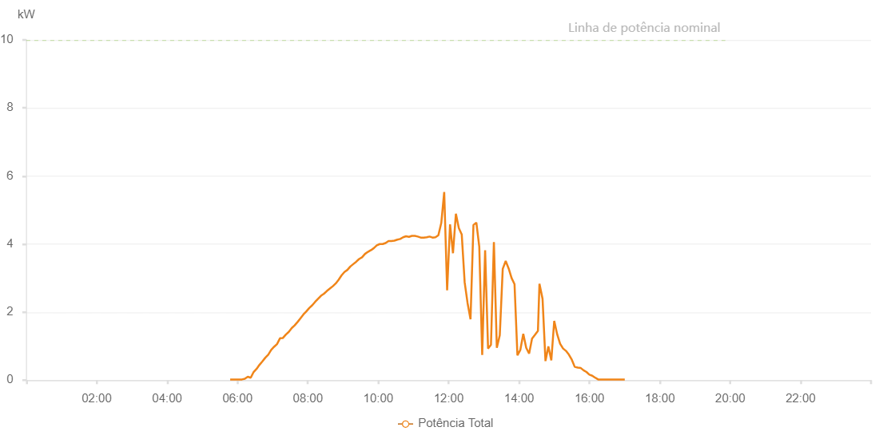

Number | Time | Working State | Alarm Code | Total Inverter Power(W)
1 | 12/07/2023 05:47:33 (UTC-4:00) | Normal |  | 20.000
2 | 12/07/2023 05:52:32 (UTC-4:00) | Normal |  | 20.000
3 | 12/07/2023 05:57:31 (UTC-4:00) | Normal |  | 20.000
4 | 12/07/2023 06:02:34 (UTC-4:00) | Normal |  | 20.000
5 | 12/07/2023 06:07:36 (UTC-4:00) | Normal |  | 20.000
6 | 12/07/2023 06:12:35 (UTC-4:00) | Normal |  | 40.000
7 | 12/07/2023 06:17:34 (UTC-4:00) | Normal |  | 100.000
8 | 12/07/2023 06:22:33 (UTC-4:00) | Normal |  | 70.000
9 | 12/07/2023 06:27:32 (UTC-4:00) | Normal |  | 240.000
10 | 12/07/2023 06:32:31 (UTC-4:00) | Normal |  | 330.000
11 | 12/07/2023 06:37:29 (UTC-4:00) | Normal |  | 450.000
12 | 12/07/2023 06:42:28 (UTC-4:00) | Normal |  | 550.000
13 | 12/07/2023 06:47:27 (UTC-4:00) | Normal |  | 660.000
14 | 12/07/2023 06:52:26 (UTC-4:00) | Normal |  | 750.000
15 | 12/07/2023 06:57:25 (UTC-4:00) | Normal |  | 890.000
16 | 12/07/2023 07:02:24 (UTC-4:00) | Normal |  | 980.000
17 | 12/07/2023 07:07:23 (UTC-4:00) | Normal |  | 1060.000
18 | 12/07/2023 07:12:25 (UTC-4:00) | Normal |  | 1230.000
19 | 12/07/2023 07:17:28 (UTC-4:00) | Normal |  | 1240.000
20 | 12/07/2023 07:22:31 (UTC-4:00) | Normal |  | 1340.000
21 | 12/07/2023 07:27:30 (UTC-4:00) | Normal |  | 1420.000
22 | 12/07/2023 07:32:29 (UTC-4:00) | Normal |  | 1530.000
23 | 12/07/2023 07:37:27 (UTC-4:00) | Normal |  | 1610.000
24 | 12/07/2023 07:42:26 (UTC-4:00) | Normal |  | 1710.000
25 | 12/07/2023 07:47:25 (UTC-4:00) | Normal |  | 1820.000
26 | 12/07/2023 07:52:24 (UTC-4:00) | Normal |  | 1930.000
27 | 12/07/2023 07:57:23 (UTC-4:00) | Normal |  | 2020.000
28 | 12/07/2023 08:02:22 (UTC-4:00) | Normal |  | 2120.000
29 | 12/07/2023 08:07:20 (UTC-4:00) | Normal |  | 2200.000
30 | 12/07/2023 08:12:19 (UTC-4:00) | Normal |  | 2300.000
31 | 12/07/2023 08:17:19 (UTC-4:00) | Normal |  | 2390.000
32 | 12/07/2023 08:22:19 (UTC-4:00) | Normal |  | 2480.000
33 | 12/07/2023 08:27:23 (UTC-4:00) | Normal |  | 2540.000
34 | 12/07/2023 08:32:25 (UTC-4:00) | Normal |  | 2620.000
35 | 12/07/2023 08:37:27 (UTC-4:00) | Normal |  | 2690.000
36 | 12/07/2023 08:42:26 (UTC-4:00) | Normal |  | 2760.000
37 | 12/07/2023 08:47:25 (UTC-4:00) | Normal |  | 2840.000
38 | 12/07/2023 08:52:24 (UTC-4:00) | Normal |  | 2950.000
39 | 12/07/2023 08:57:23 (UTC-4:00) | Normal |  | 3080.000
40 | 12/07/2023 09:02:23 (UTC-4:00) | Normal |  | 3180.000
41 | 12/07/2023 09:07:22 (UTC-4:00) | Normal |  | 3240.000
42 | 12/07/2023 09:12:23 (UTC-4:00) | Normal |  | 3340.000
43 | 12/07/2023 09:17:22 (UTC-4:00) | Normal |  | 3410.000
44 | 12/07/2023 09:22:21 (UTC-4:00) | Normal |  | 3480.000
45 | 12/07/2023 09:27:20 (UTC-4:00) | Normal |  | 3560.000
46 | 12/07/2023 09:32:19 (UTC-4:00) | Normal |  | 3610.000
47 | 12/07/2023 09:37:20 (UTC-4:00) | Normal |  | 3710.000
48 | 12/07/2023 09:42:20 (UTC-4:00) | Normal |  | 3770.000
49 | 12/07/2023 09:47:22 (UTC-4:00) | Normal |  | 3820.000
50 | 12/07/2023 09:47:32 (UTC-4:00) | Normal |  | 3820.000
51 | 12/07/2023 09:52:25 (UTC-4:00) | Normal |  | 3880.000
52 | 12/07/2023 09:57:26 (UTC-4:00) | Normal |  | 3960.000
53 | 12/07/2023 10:02:29 (UTC-4:00) | Normal |  | 4000.000
54 | 12/07/2023 10:07:28 (UTC-4:00) | Normal |  | 4000.000
55 | 12/07/2023 10:12:27 (UTC-4:00) | Normal |  | 4030.000
56 | 12/07/2023 10:17:27 (UTC-4:00) | Normal |  | 4090.000
57 | 12/07/2023 10:22:26 (UTC-4:00) | Normal |  | 4090.000
58 | 12/07/2023 10:27:25 (UTC-4:00) | Normal |  | 4100.000
59 | 12/07/2023 10:32:24 (UTC-4:00) | Normal |  | 4130.000
60 | 12/07/2023 10:37:23 (UTC-4:00) | Normal |  | 4150.000
61 | 12/07/2023 10:42:22 (UTC-4:00) | Normal |  | 4200.000
62 | 12/07/2023 10:47:21 (UTC-4:00) | Normal |  | 4230.000
63 | 12/07/2023 10:52:22 (UTC-4:00) | Normal |  | 4210.000
64 | 12/07/2023 10:57:21 (UTC-4:00) | Normal |  | 4240.000
65 | 12/07/2023 11:02:20 (UTC-4:00) | Normal |  | 4240.000
66 | 12/07/2023 11:07:21 (UTC-4:00) | Normal |  | 4220.000
67 | 12/07/2023 11:12:24 (UTC-4:00) | Normal |  | 4190.000
68 | 12/07/2023 11:17:27 (UTC-4:00) | Normal |  | 4190.000
69 | 12/07/2023 11:22:30 (UTC-4:00) | Normal |  | 4200.000
70 | 12/07/2023 11:27:29 (UTC-4:00) | Normal |  | 4220.000
71 | 12/07/2023 11:32:28 (UTC-4:00) | Normal |  | 4190.000
72 | 12/07/2023 11:37:27 (UTC-4:00) | Normal |  | 4200.000
73 | 12/07/2023 11:42:26 (UTC-4:00) | Normal |  | 4260.000
74 | 12/07/2023 11:47:25 (UTC-4:00) | Normal |  | 4620.000
75 | 12/07/2023 11:52:24 (UTC-4:00) | Normal |  | 5530.000
76 | 12/07/2023 11:57:23 (UTC-4:00) | Normal |  | 2640.000
77 | 12/07/2023 12:02:22 (UTC-4:00) | Normal |  | 4580.000
78 | 12/07/2023 12:07:21 (UTC-4:00) | Normal |  | 3730.000
79 | 12/07/2023 12:12:19 (UTC-4:00) | Normal |  | 4890.000
80 | 12/07/2023 12:17:18 (UTC-4:00) | Normal |  | 4470.000
81 | 12/07/2023 12:22:18 (UTC-4:00) | Normal |  | 4280.000
82 | 12/07/2023 12:27:17 (UTC-4:00) | Normal |  | 2870.000
83 | 12/07/2023 12:32:16 (UTC-4:00) | Normal |  | 2260.000
84 | 12/07/2023 12:37:15 (UTC-4:00) | Normal |  | 1790.000
85 | 12/07/2023 12:42:14 (UTC-4:00) | Normal |  | 4560.000
86 | 12/07/2023 12:47:12 (UTC-4:00) | Normal |  | 4630.000
87 | 12/07/2023 12:52:11 (UTC-4:00) | Normal |  | 3920.000
88 | 12/07/2023 12:57:10 (UTC-4:00) | Normal |  | 740.000
89 | 12/07/2023 13:02:09 (UTC-4:00) | Normal |  | 3820.000
90 | 12/07/2023 13:07:08 (UTC-4:00) | Normal |  | 930.000
91 | 12/07/2023 13:12:07 (UTC-4:00) | Normal |  | 1040.000
92 | 12/07/2023 13:17:06 (UTC-4:00) | Normal |  | 4060.000
93 | 12/07/2023 13:22:05 (UTC-4:00) | Normal |  | 950.000
94 | 12/07/2023 13:27:08 (UTC-4:00) | Normal |  | 1320.000
95 | 12/07/2023 13:32:11 (UTC-4:00) | Normal |  | 3270.000
96 | 12/07/2023 13:37:14 (UTC-4:00) | Normal |  | 3500.000
97 | 12/07/2023 13:42:17 (UTC-4:00) | Normal |  | 3280.000
98 | 12/07/2023 13:47:16 (UTC-4:00) | Normal |  | 3000.000
99 | 12/07/2023 13:52:15 (UTC-4:00) | Normal |  | 2820.000
100 | 12/07/2023 13:57:13 (UTC-4:00) | Normal |  | 730.000
101 | 12/07/2023 14:02:12 (UTC-4:00) | Normal |  | 890.000
102 | 12/07/2023 14:07:11 (UTC-4:00) | Normal |  | 1360.000
103 | 12/07/2023 14:12:10 (UTC-4:00) | Normal |  | 950.000
104 | 12/07/2023 14:17:09 (UTC-4:00) | Normal |  | 780.000
105 | 12/07/2023 14:22:07 (UTC-4:00) | Normal |  | 1220.000
106 | 12/07/2023 14:27:06 (UTC-4:00) | Normal |  | 1330.000
107 | 12/07/2023 14:32:11 (UTC-4:00) | Normal |  | 1450.000
108 | 12/07/2023 14:34:46 (UTC-4:00) | Normal |  | 2830.000
109 | 12/07/2023 14:40:02 (UTC-4:00) | Normal |  | 2390.000
110 | 12/07/2023 14:45:01 (UTC-4:00) | Normal |  | 560.000
111 | 12/07/2023 14:49:59 (UTC-4:00) | Normal |  | 990.000
112 | 12/07/2023 14:54:58 (UTC-4:00) | Normal |  | 580.000
113 | 12/07/2023 14:59:57 (UTC-4:00) | Normal |  | 1740.000
114 | 12/07/2023 15:04:56 (UTC-4:00) | Normal |  | 1350.000
115 | 12/07/2023 15:09:57 (UTC-4:00) | Normal |  | 1070.000
116 | 12/07/2023 15:15:00 (UTC-4:00) | Normal |  | 930.000
117 | 12/07/2023 15:19:58 (UTC-4:00) | Normal |  | 860.000
118 | 12/07/2023 15:24:57 (UTC-4:00) | Normal |  | 750.000
119 | 12/07/2023 15:29:56 (UTC-4:00) | Normal |  | 600.000
120 | 12/07/2023 15:34:55 (UTC-4:00) | Normal |  | 390.000
121 | 12/07/2023 15:39:53 (UTC-4:00) | Normal |  | 370.000
122 | 12/07/2023 15:44:53 (UTC-4:00) | Normal |  | 360.000
123 | 12/07/2023 15:49:52 (UTC-4:00) | Normal |  | 290.000
124 | 12/07/2023 15:54:51 (UTC-4:00) | Normal |  | 240.000
125 | 12/07/2023 15:59:50 (UTC-4:00) | Normal |  | 160.000
126 | 12/07/2023 16:04:48 (UTC-4:00) | Normal |  | 130.000
127 | 12/07/2023 16:09:47 (UTC-4:00) | Normal |  | 70.000
128 | 12/07/2023 16:10:12 (UTC-4:00) | Normal |  | 70.000
129 | 12/07/2023 16:14:47 (UTC-4:00) | Normal |  | 20.000
130 | 12/07/2023 16:19:49 (UTC-4:00) | Normal |  | 20.000
131 | 12/07/2023 16:24:52 (UTC-4:00) | Normal |  | 20.000
132 | 12/07/2023 16:29:55 (UTC-4:00) | Normal |  | 20.000
133 | 12/07/2023 16:34:58 (UTC-4:00) | Normal |  | 20.000
134 | 12/07/2023 16:35:09 (UTC-4:00) | Normal |  | 20.000
135 | 12/07/2023 16:40:01 (UTC-4:00) | Normal |  | 20.000
136 | 12/07/2023 16:45:04 (UTC-4:00) | Normal |  | 20.000
137 | 12/07/2023 16:50:06 (UTC-4:00) | Normal |  | 20.000
138 | 12/07/2023 16:55:09 (UTC-4:00) | Normal |  | 20.000
139 | 12/07/2023 16:55:23 (UTC-4:00) | Normal |  | 20.000
140 | 12/07/2023 17:00:11 (UTC-4:00) | Normal |  | 20.000

