Inverter History Report__17-08-
Inverter History Report_16/07/2023_Report

Inverter SN:054B7020C020041 |  | Inverter type:B7
Collector SN:4045966636 |  | Full Load Hours(h):2.18
Rated Power:10000Wp

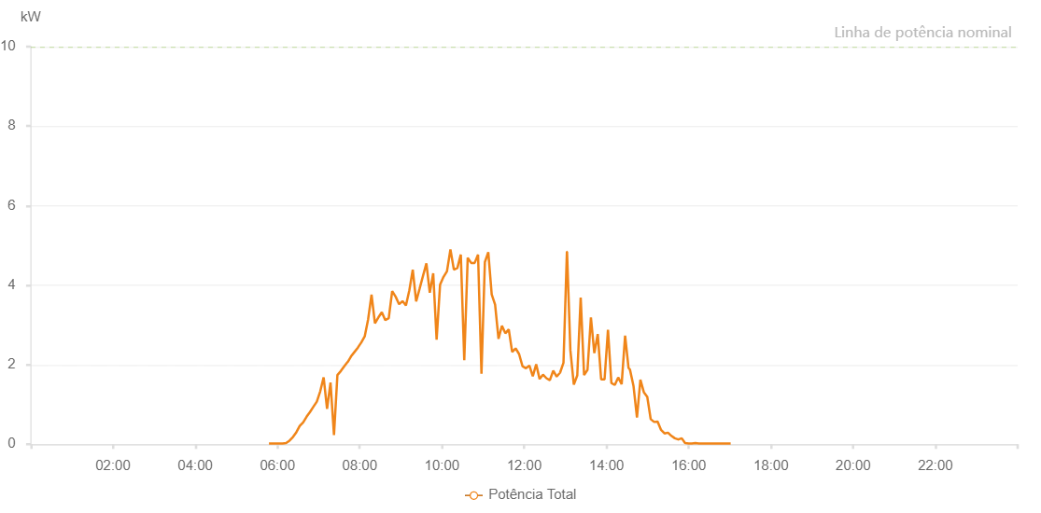

Number | Time | Working State | Alarm Code | Total Inverter Power(W)
1 | 16/07/2023 05:47:36 (UTC-4:00) | Normal |  | 20.000
2 | 16/07/2023 05:52:37 (UTC-4:00) | Normal |  | 20.000
3 | 16/07/2023 05:57:37 (UTC-4:00) | Normal |  | 20.000
4 | 16/07/2023 06:02:35 (UTC-4:00) | Normal |  | 20.000
5 | 16/07/2023 06:07:37 (UTC-4:00) | Normal |  | 20.000
6 | 16/07/2023 06:12:35 (UTC-4:00) | Normal |  | 30.000
7 | 16/07/2023 06:17:34 (UTC-4:00) | Normal |  | 90.000
8 | 16/07/2023 06:22:33 (UTC-4:00) | Normal |  | 180.000
9 | 16/07/2023 06:27:31 (UTC-4:00) | Normal |  | 300.000
10 | 16/07/2023 06:32:29 (UTC-4:00) | Normal |  | 460.000
11 | 16/07/2023 06:37:28 (UTC-4:00) | Normal |  | 550.000
12 | 16/07/2023 06:42:27 (UTC-4:00) | Normal |  | 690.000
13 | 16/07/2023 06:47:25 (UTC-4:00) | Normal |  | 810.000
14 | 16/07/2023 06:52:25 (UTC-4:00) | Normal |  | 940.000
15 | 16/07/2023 06:57:24 (UTC-4:00) | Normal |  | 1070.000
16 | 16/07/2023 07:02:23 (UTC-4:00) | Normal |  | 1330.000
17 | 16/07/2023 07:07:21 (UTC-4:00) | Normal |  | 1680.000
18 | 16/07/2023 07:12:22 (UTC-4:00) | Normal |  | 890.000
19 | 16/07/2023 07:17:24 (UTC-4:00) | Normal |  | 1550.000
20 | 16/07/2023 07:22:27 (UTC-4:00) | Normal |  | 230.000
21 | 16/07/2023 07:27:26 (UTC-4:00) | Normal |  | 1740.000
22 | 16/07/2023 07:32:24 (UTC-4:00) | Normal |  | 1840.000
23 | 16/07/2023 07:37:23 (UTC-4:00) | Normal |  | 1960.000
24 | 16/07/2023 07:42:21 (UTC-4:00) | Normal |  | 2070.000
25 | 16/07/2023 07:42:32 (UTC-4:00) | Normal |  | 2070.000
26 | 16/07/2023 07:47:23 (UTC-4:00) | Normal |  | 2210.000
27 | 16/07/2023 07:52:21 (UTC-4:00) | Normal |  | 2320.000
28 | 16/07/2023 07:57:20 (UTC-4:00) | Normal |  | 2430.000
29 | 16/07/2023 08:02:18 (UTC-4:00) | Normal |  | 2560.000
30 | 16/07/2023 08:07:17 (UTC-4:00) | Normal |  | 2710.000
31 | 16/07/2023 08:12:15 (UTC-4:00) | Normal |  | 3140.000
32 | 16/07/2023 08:17:14 (UTC-4:00) | Normal |  | 3760.000
33 | 16/07/2023 08:22:13 (UTC-4:00) | Normal |  | 3040.000
34 | 16/07/2023 08:27:15 (UTC-4:00) | Normal |  | 3190.000
35 | 16/07/2023 08:32:16 (UTC-4:00) | Normal |  | 3320.000
36 | 16/07/2023 08:37:18 (UTC-4:00) | Normal |  | 3120.000
37 | 16/07/2023 08:42:21 (UTC-4:00) | Normal |  | 3170.000
38 | 16/07/2023 08:47:23 (UTC-4:00) | Normal |  | 3850.000
39 | 16/07/2023 08:52:26 (UTC-4:00) | Normal |  | 3710.000
40 | 16/07/2023 08:57:28 (UTC-4:00) | Normal |  | 3520.000
41 | 16/07/2023 09:02:27 (UTC-4:00) | Normal |  | 3600.000
42 | 16/07/2023 09:07:26 (UTC-4:00) | Normal |  | 3490.000
43 | 16/07/2023 09:12:24 (UTC-4:00) | Normal |  | 3870.000
44 | 16/07/2023 09:17:23 (UTC-4:00) | Normal |  | 4390.000
45 | 16/07/2023 09:22:21 (UTC-4:00) | Normal |  | 3590.000
46 | 16/07/2023 09:27:20 (UTC-4:00) | Normal |  | 3910.000
47 | 16/07/2023 09:32:18 (UTC-4:00) | Normal |  | 4230.000
48 | 16/07/2023 09:37:17 (UTC-4:00) | Normal |  | 4550.000
49 | 16/07/2023 09:42:15 (UTC-4:00) | Normal |  | 3810.000
50 | 16/07/2023 09:47:14 (UTC-4:00) | Normal |  | 4300.000
51 | 16/07/2023 09:52:12 (UTC-4:00) | Normal |  | 2630.000
52 | 16/07/2023 09:57:14 (UTC-4:00) | Normal |  | 4010.000
53 | 16/07/2023 10:02:17 (UTC-4:00) | Normal |  | 4210.000
54 | 16/07/2023 10:07:19 (UTC-4:00) | Normal |  | 4350.000
55 | 16/07/2023 10:12:22 (UTC-4:00) | Normal |  | 4900.000
56 | 16/07/2023 10:17:24 (UTC-4:00) | Normal |  | 4390.000
57 | 16/07/2023 10:22:27 (UTC-4:00) | Normal |  | 4430.000
58 | 16/07/2023 10:27:30 (UTC-4:00) | Normal |  | 4770.000
59 | 16/07/2023 10:32:33 (UTC-4:00) | Normal |  | 2110.000
60 | 16/07/2023 10:37:35 (UTC-4:00) | Normal |  | 4690.000
61 | 16/07/2023 10:42:38 (UTC-4:00) | Normal |  | 4560.000
62 | 16/07/2023 10:47:41 (UTC-4:00) | Normal |  | 4560.000
63 | 16/07/2023 10:52:40 (UTC-4:00) | Normal |  | 4770.000
64 | 16/07/2023 10:57:38 (UTC-4:00) | Normal |  | 1770.000
65 | 16/07/2023 11:02:37 (UTC-4:00) | Normal |  | 4580.000
66 | 16/07/2023 11:07:36 (UTC-4:00) | Normal |  | 4830.000
67 | 16/07/2023 11:12:34 (UTC-4:00) | Normal |  | 3770.000
68 | 16/07/2023 11:17:33 (UTC-4:00) | Normal |  | 3510.000
69 | 16/07/2023 11:22:32 (UTC-4:00) | Normal |  | 2650.000
70 | 16/07/2023 11:27:30 (UTC-4:00) | Normal |  | 2980.000
71 | 16/07/2023 11:32:29 (UTC-4:00) | Normal |  | 2790.000
72 | 16/07/2023 11:37:28 (UTC-4:00) | Normal |  | 2890.000
73 | 16/07/2023 11:42:26 (UTC-4:00) | Normal |  | 2320.000
74 | 16/07/2023 11:47:27 (UTC-4:00) | Normal |  | 2410.000
75 | 16/07/2023 11:52:29 (UTC-4:00) | Normal |  | 2270.000
76 | 16/07/2023 11:57:32 (UTC-4:00) | Normal |  | 1960.000
77 | 16/07/2023 12:02:35 (UTC-4:00) | Normal |  | 1910.000
78 | 16/07/2023 12:07:33 (UTC-4:00) | Normal |  | 1980.000
79 | 16/07/2023 12:12:32 (UTC-4:00) | Normal |  | 1710.000
80 | 16/07/2023 12:17:30 (UTC-4:00) | Normal |  | 2010.000
81 | 16/07/2023 12:22:29 (UTC-4:00) | Normal |  | 1640.000
82 | 16/07/2023 12:27:27 (UTC-4:00) | Normal |  | 1750.000
83 | 16/07/2023 12:32:26 (UTC-4:00) | Normal |  | 1660.000
84 | 16/07/2023 12:37:25 (UTC-4:00) | Normal |  | 1610.000
85 | 16/07/2023 12:42:23 (UTC-4:00) | Normal |  | 1850.000
86 | 16/07/2023 12:47:23 (UTC-4:00) | Normal |  | 1700.000
87 | 16/07/2023 12:52:21 (UTC-4:00) | Normal |  | 1800.000
88 | 16/07/2023 12:57:20 (UTC-4:00) | Normal |  | 2050.000
89 | 16/07/2023 13:02:19 (UTC-4:00) | Normal |  | 4840.000
90 | 16/07/2023 13:02:30 (UTC-4:00) | Normal |  | 4840.000
91 | 16/07/2023 13:07:23 (UTC-4:00) | Normal |  | 2360.000
92 | 16/07/2023 13:12:24 (UTC-4:00) | Normal |  | 1500.000
93 | 16/07/2023 13:17:26 (UTC-4:00) | Normal |  | 1730.000
94 | 16/07/2023 13:22:25 (UTC-4:00) | Normal |  | 3690.000
95 | 16/07/2023 13:27:23 (UTC-4:00) | Normal |  | 1740.000
96 | 16/07/2023 13:32:22 (UTC-4:00) | Normal |  | 1870.000
97 | 16/07/2023 13:37:21 (UTC-4:00) | Normal |  | 3190.000
98 | 16/07/2023 13:42:19 (UTC-4:00) | Normal |  | 2290.000
99 | 16/07/2023 13:47:18 (UTC-4:00) | Normal |  | 2770.000
100 | 16/07/2023 13:52:16 (UTC-4:00) | Normal |  | 1630.000
101 | 16/07/2023 13:57:15 (UTC-4:00) | Normal |  | 1630.000
102 | 16/07/2023 14:02:14 (UTC-4:00) | Normal |  | 2880.000
103 | 16/07/2023 14:07:12 (UTC-4:00) | Normal |  | 1540.000
104 | 16/07/2023 14:12:12 (UTC-4:00) | Normal |  | 1490.000
105 | 16/07/2023 14:17:10 (UTC-4:00) | Normal |  | 1680.000
106 | 16/07/2023 14:22:12 (UTC-4:00) | Normal |  | 1510.000
107 | 16/07/2023 14:27:14 (UTC-4:00) | Normal |  | 2730.000
108 | 16/07/2023 14:32:17 (UTC-4:00) | Normal |  | 1910.000
109 | 16/07/2023 14:32:32 (UTC-4:00) | Normal |  | 1910.000
110 | 16/07/2023 14:34:15 (UTC-4:00) | Normal |  | 1880.000
111 | 16/07/2023 14:39:32 (UTC-4:00) | Normal |  | 1460.000
112 | 16/07/2023 14:44:32 (UTC-4:00) | Normal |  | 670.000
113 | 16/07/2023 14:49:32 (UTC-4:00) | Normal |  | 1620.000
114 | 16/07/2023 14:54:33 (UTC-4:00) | Normal |  | 1310.000
115 | 16/07/2023 14:59:34 (UTC-4:00) | Normal |  | 1190.000
116 | 16/07/2023 15:04:34 (UTC-4:00) | Normal |  | 630.000
117 | 16/07/2023 15:09:34 (UTC-4:00) | Normal |  | 560.000
118 | 16/07/2023 15:14:38 (UTC-4:00) | Normal |  | 570.000
119 | 16/07/2023 15:19:41 (UTC-4:00) | Normal |  | 360.000
120 | 16/07/2023 15:24:46 (UTC-4:00) | Normal |  | 270.000
121 | 16/07/2023 15:29:45 (UTC-4:00) | Normal |  | 290.000
122 | 16/07/2023 15:34:45 (UTC-4:00) | Normal |  | 210.000
123 | 16/07/2023 15:39:45 (UTC-4:00) | Normal |  | 150.000
124 | 16/07/2023 15:44:45 (UTC-4:00) | Normal |  | 120.000
125 | 16/07/2023 15:44:57 (UTC-4:00) | Normal |  | 120.000
126 | 16/07/2023 15:49:51 (UTC-4:00) | Normal |  | 150.000
127 | 16/07/2023 15:54:45 (UTC-4:00) | Normal |  | 30.000
128 | 16/07/2023 15:54:56 (UTC-4:00) | Normal |  | 30.000
129 | 16/07/2023 16:00:10 (UTC-4:00) | Normal |  | 20.000
130 | 16/07/2023 16:04:45 (UTC-4:00) | Normal |  | 20.000
131 | 16/07/2023 16:09:47 (UTC-4:00) | Normal |  | 30.000
132 | 16/07/2023 16:14:47 (UTC-4:00) | Normal |  | 20.000
133 | 16/07/2023 16:19:47 (UTC-4:00) | Normal |  | 20.000
134 | 16/07/2023 16:24:50 (UTC-4:00) | Normal |  | 20.000
135 | 16/07/2023 16:29:51 (UTC-4:00) | Normal |  | 20.000
136 | 16/07/2023 16:34:58 (UTC-4:00) | Normal |  | 20.000
137 | 16/07/2023 16:40:10 (UTC-4:00) | Normal |  | 20.000
138 | 16/07/2023 16:40:51 (UTC-4:00) | Normal |  | 20.000
139 | 16/07/2023 16:46:14 (UTC-4:00) | Normal |  | 20.000
140 | 16/07/2023 16:51:15 (UTC-4:00) | Normal |  | 20.000
141 | 16/07/2023 16:56:15 (UTC-4:00) | Normal |  | 20.000
142 | 16/07/2023 17:01:15 (UTC-4:00) | Normal |  | 20.000

