Inverter History Report__17-08-
Inverter History Report_18/07/2023_Report

Inverter SN:054B7020C020041 |  | Inverter type:B7
Collector SN:4045966636 |  | Full Load Hours(h):2.22
Rated Power:10000Wp

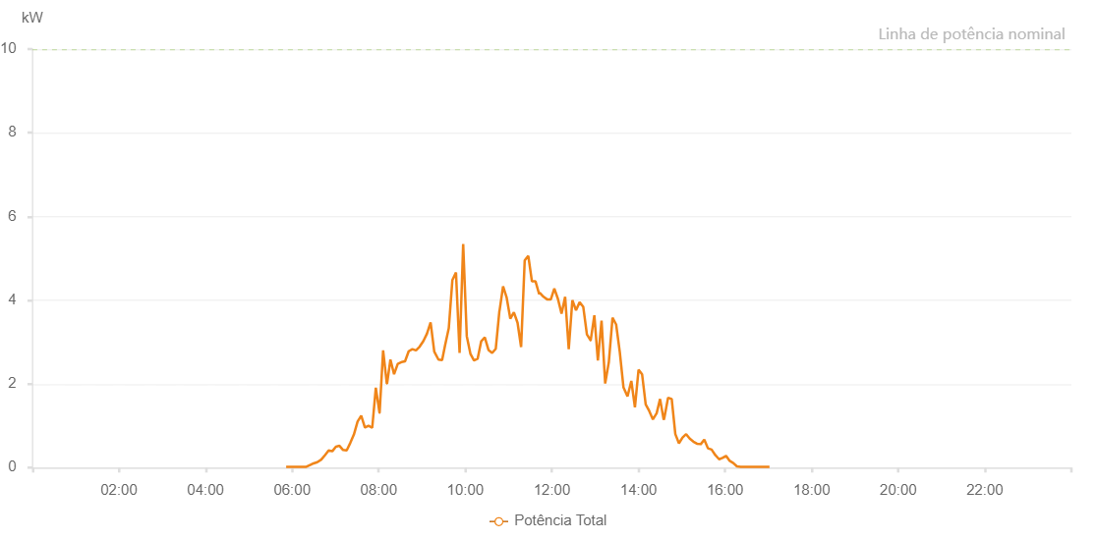

Number | Time | Working State | Alarm Code | Total Inverter Power(W)
1 | 18/07/2023 05:51:42 (UTC-4:00) | Normal |  | 20.000
2 | 18/07/2023 05:56:42 (UTC-4:00) | Normal |  | 20.000
3 | 18/07/2023 06:01:52 (UTC-4:00) | Normal |  | 20.000
4 | 18/07/2023 06:06:41 (UTC-4:00) | Normal |  | 20.000
5 | 18/07/2023 06:09:22 (UTC-4:00) | Normal |  | 20.000
6 | 18/07/2023 06:14:39 (UTC-4:00) | Normal |  | 20.000
7 | 18/07/2023 06:19:39 (UTC-4:00) | Normal |  | 20.000
8 | 18/07/2023 06:24:50 (UTC-4:00) | Normal |  | 60.000
9 | 18/07/2023 06:24:54 (UTC-4:00) | Normal |  | 60.000
10 | 18/07/2023 06:29:39 (UTC-4:00) | Normal |  | 100.000
11 | 18/07/2023 06:34:51 (UTC-4:00) | Normal |  | 130.000
12 | 18/07/2023 06:40:20 (UTC-4:00) | Normal |  | 190.000
13 | 18/07/2023 06:45:39 (UTC-4:00) | Normal |  | 300.000
14 | 18/07/2023 06:50:38 (UTC-4:00) | Normal |  | 410.000
15 | 18/07/2023 06:55:38 (UTC-4:00) | Normal |  | 390.000
16 | 18/07/2023 07:00:38 (UTC-4:00) | Normal |  | 500.000
17 | 18/07/2023 07:05:38 (UTC-4:00) | Normal |  | 520.000
18 | 18/07/2023 07:10:37 (UTC-4:00) | Normal |  | 420.000
19 | 18/07/2023 07:15:37 (UTC-4:00) | Normal |  | 410.000
20 | 18/07/2023 07:20:37 (UTC-4:00) | Normal |  | 590.000
21 | 18/07/2023 07:25:36 (UTC-4:00) | Normal |  | 790.000
22 | 18/07/2023 07:30:42 (UTC-4:00) | Normal |  | 1100.000
23 | 18/07/2023 07:35:45 (UTC-4:00) | Normal |  | 1240.000
24 | 18/07/2023 07:40:50 (UTC-4:00) | Normal |  | 960.000
25 | 18/07/2023 07:41:01 (UTC-4:00) | Normal |  | 960.000
26 | 18/07/2023 07:45:52 (UTC-4:00) | Normal |  | 1000.000
27 | 18/07/2023 07:51:00 (UTC-4:00) | Normal |  | 950.000
28 | 18/07/2023 07:55:59 (UTC-4:00) | Normal |  | 1910.000
29 | 18/07/2023 08:01:03 (UTC-4:00) | Normal |  | 1310.000
30 | 18/07/2023 08:01:14 (UTC-4:00) | Normal |  | 1310.000
31 | 18/07/2023 08:06:06 (UTC-4:00) | Normal |  | 2800.000
32 | 18/07/2023 08:11:10 (UTC-4:00) | Normal |  | 2010.000
33 | 18/07/2023 08:11:35 (UTC-4:00) | Normal |  | 2010.000
34 | 18/07/2023 08:16:13 (UTC-4:00) | Normal |  | 2580.000
35 | 18/07/2023 08:21:17 (UTC-4:00) | Normal |  | 2230.000
36 | 18/07/2023 08:26:21 (UTC-4:00) | Normal |  | 2480.000
37 | 18/07/2023 08:31:25 (UTC-4:00) | Normal |  | 2520.000
38 | 18/07/2023 08:31:35 (UTC-4:00) | Normal |  | 2520.000
39 | 18/07/2023 08:36:29 (UTC-4:00) | Normal |  | 2540.000
40 | 18/07/2023 08:41:33 (UTC-4:00) | Normal |  | 2780.000
41 | 18/07/2023 08:46:38 (UTC-4:00) | Normal |  | 2830.000
42 | 18/07/2023 08:51:40 (UTC-4:00) | Normal |  | 2800.000
43 | 18/07/2023 08:56:43 (UTC-4:00) | Normal |  | 2890.000
44 | 18/07/2023 09:01:47 (UTC-4:00) | Normal |  | 3020.000
45 | 18/07/2023 09:06:51 (UTC-4:00) | Normal |  | 3200.000
46 | 18/07/2023 09:11:54 (UTC-4:00) | Normal |  | 3470.000
47 | 18/07/2023 09:16:58 (UTC-4:00) | Normal |  | 2770.000
48 | 18/07/2023 09:22:48 (UTC-4:00) | Normal |  | 2580.000
49 | 18/07/2023 09:27:52 (UTC-4:00) | Normal |  | 2570.000
50 | 18/07/2023 09:32:05 (UTC-4:00) | Normal |  | 2930.000
51 | 18/07/2023 09:37:05 (UTC-4:00) | Normal |  | 3330.000
52 | 18/07/2023 09:42:04 (UTC-4:00) | Normal |  | 4480.000
53 | 18/07/2023 09:47:04 (UTC-4:00) | Normal |  | 4660.000
54 | 18/07/2023 09:52:04 (UTC-4:00) | Normal |  | 2740.000
55 | 18/07/2023 09:57:03 (UTC-4:00) | Normal |  | 5340.000
56 | 18/07/2023 10:02:03 (UTC-4:00) | Normal |  | 3140.000
57 | 18/07/2023 10:07:03 (UTC-4:00) | Normal |  | 2720.000
58 | 18/07/2023 10:12:02 (UTC-4:00) | Normal |  | 2560.000
59 | 18/07/2023 10:17:02 (UTC-4:00) | Normal |  | 2600.000
60 | 18/07/2023 10:22:03 (UTC-4:00) | Normal |  | 3020.000
61 | 18/07/2023 10:27:01 (UTC-4:00) | Normal |  | 3110.000
62 | 18/07/2023 10:32:07 (UTC-4:00) | Normal |  | 2810.000
63 | 18/07/2023 10:37:12 (UTC-4:00) | Normal |  | 2740.000
64 | 18/07/2023 10:42:13 (UTC-4:00) | Normal |  | 2840.000
65 | 18/07/2023 10:47:17 (UTC-4:00) | Normal |  | 3750.000
66 | 18/07/2023 10:47:28 (UTC-4:00) | Normal |  | 3750.000
67 | 18/07/2023 10:52:20 (UTC-4:00) | Normal |  | 4330.000
68 | 18/07/2023 10:57:20 (UTC-4:00) | Normal |  | 4060.000
69 | 18/07/2023 11:02:20 (UTC-4:00) | Normal |  | 3560.000
70 | 18/07/2023 11:07:19 (UTC-4:00) | Normal |  | 3710.000
71 | 18/07/2023 11:12:24 (UTC-4:00) | Normal |  | 3460.000
72 | 18/07/2023 11:17:20 (UTC-4:00) | Normal |  | 2880.000
73 | 18/07/2023 11:22:19 (UTC-4:00) | Normal |  | 4950.000
74 | 18/07/2023 11:27:19 (UTC-4:00) | Normal |  | 5060.000
75 | 18/07/2023 11:32:20 (UTC-4:00) | Normal |  | 4450.000
76 | 18/07/2023 11:37:20 (UTC-4:00) | Normal |  | 4450.000
77 | 18/07/2023 11:42:24 (UTC-4:00) | Normal |  | 4140.000
78 | 18/07/2023 11:43:01 (UTC-4:00) | Normal |  | 4180.000
79 | 18/07/2023 11:48:23 (UTC-4:00) | Normal |  | 4080.000
80 | 18/07/2023 11:53:23 (UTC-4:00) | Normal |  | 4020.000
81 | 18/07/2023 11:58:34 (UTC-4:00) | Normal |  | 4020.000
82 | 18/07/2023 12:03:22 (UTC-4:00) | Normal |  | 4280.000
83 | 18/07/2023 12:08:22 (UTC-4:00) | Normal |  | 4030.000
84 | 18/07/2023 12:13:22 (UTC-4:00) | Normal |  | 3680.000
85 | 18/07/2023 12:18:21 (UTC-4:00) | Normal |  | 4080.000
86 | 18/07/2023 12:23:21 (UTC-4:00) | Normal |  | 2830.000
87 | 18/07/2023 12:28:21 (UTC-4:00) | Normal |  | 4000.000
88 | 18/07/2023 12:33:25 (UTC-4:00) | Normal |  | 3760.000
89 | 18/07/2023 12:38:24 (UTC-4:00) | Normal |  | 3950.000
90 | 18/07/2023 12:43:29 (UTC-4:00) | Normal |  | 3840.000
91 | 18/07/2023 12:48:32 (UTC-4:00) | Normal |  | 3180.000
92 | 18/07/2023 12:53:36 (UTC-4:00) | Normal |  | 3040.000
93 | 18/07/2023 12:53:47 (UTC-4:00) | Normal |  | 3040.000
94 | 18/07/2023 12:58:50 (UTC-4:00) | Normal |  | 3640.000
95 | 18/07/2023 13:03:43 (UTC-4:00) | Normal |  | 2560.000
96 | 18/07/2023 13:08:49 (UTC-4:00) | Normal |  | 3510.000
97 | 18/07/2023 13:13:51 (UTC-4:00) | Normal |  | 2010.000
98 | 18/07/2023 13:18:54 (UTC-4:00) | Normal |  | 2520.000
99 | 18/07/2023 13:24:02 (UTC-4:00) | Normal |  | 3580.000
100 | 18/07/2023 13:29:02 (UTC-4:00) | Normal |  | 3420.000
101 | 18/07/2023 13:34:06 (UTC-4:00) | Normal |  | 2760.000
102 | 18/07/2023 13:39:10 (UTC-4:00) | Normal |  | 1920.000
103 | 18/07/2023 13:44:48 (UTC-4:00) | Normal |  | 1700.000
104 | 18/07/2023 13:50:05 (UTC-4:00) | Normal |  | 2070.000
105 | 18/07/2023 13:55:04 (UTC-4:00) | Normal |  | 1440.000
106 | 18/07/2023 14:00:06 (UTC-4:00) | Normal |  | 2340.000
107 | 18/07/2023 14:05:00 (UTC-4:00) | Normal |  | 2230.000
108 | 18/07/2023 14:09:59 (UTC-4:00) | Normal |  | 1510.000
109 | 18/07/2023 14:14:58 (UTC-4:00) | Normal |  | 1350.000
110 | 18/07/2023 14:19:59 (UTC-4:00) | Normal |  | 1150.000
111 | 18/07/2023 14:25:11 (UTC-4:00) | Normal |  | 1300.000
112 | 18/07/2023 14:29:55 (UTC-4:00) | Normal |  | 1640.000
113 | 18/07/2023 14:34:57 (UTC-4:00) | Normal |  | 1140.000
114 | 18/07/2023 14:35:42 (UTC-4:00) | Normal |  | 1180.000
115 | 18/07/2023 14:41:03 (UTC-4:00) | Normal |  | 1670.000
116 | 18/07/2023 14:46:03 (UTC-4:00) | Normal |  | 1640.000
117 | 18/07/2023 14:51:03 (UTC-4:00) | Normal |  | 800.000
118 | 18/07/2023 14:56:03 (UTC-4:00) | Normal |  | 580.000
119 | 18/07/2023 15:01:04 (UTC-4:00) | Normal |  | 720.000
120 | 18/07/2023 15:06:03 (UTC-4:00) | Normal |  | 800.000
121 | 18/07/2023 15:11:04 (UTC-4:00) | Normal |  | 690.000
122 | 18/07/2023 15:16:04 (UTC-4:00) | Normal |  | 620.000
123 | 18/07/2023 15:21:04 (UTC-4:00) | Normal |  | 570.000
124 | 18/07/2023 15:26:19 (UTC-4:00) | Normal |  | 560.000
125 | 18/07/2023 15:26:20 (UTC-4:00) | Normal |  | 560.000
126 | 18/07/2023 15:31:13 (UTC-4:00) | Normal |  | 670.000
127 | 18/07/2023 15:36:16 (UTC-4:00) | Normal |  | 460.000
128 | 18/07/2023 15:41:19 (UTC-4:00) | Normal |  | 430.000
129 | 18/07/2023 15:46:23 (UTC-4:00) | Normal |  | 300.000
130 | 18/07/2023 15:51:43 (UTC-4:00) | Normal |  | 200.000
131 | 18/07/2023 15:51:44 (UTC-4:00) | Normal |  | 200.000
132 | 18/07/2023 15:51:49 (UTC-4:00) | Normal |  | 200.000
133 | 18/07/2023 15:56:29 (UTC-4:00) | Normal |  | 230.000
134 | 18/07/2023 16:01:23 (UTC-4:00) | Normal |  | 280.000
135 | 18/07/2023 16:06:26 (UTC-4:00) | Normal |  | 160.000
136 | 18/07/2023 16:11:23 (UTC-4:00) | Normal |  | 110.000
137 | 18/07/2023 16:16:27 (UTC-4:00) | Normal |  | 30.000
138 | 18/07/2023 16:21:31 (UTC-4:00) | Normal |  | 20.000
139 | 18/07/2023 16:26:35 (UTC-4:00) | Normal |  | 20.000
140 | 18/07/2023 16:31:34 (UTC-4:00) | Normal |  | 20.000
141 | 18/07/2023 16:36:34 (UTC-4:00) | Normal |  | 20.000
142 | 18/07/2023 16:41:34 (UTC-4:00) | Normal |  | 20.000
143 | 18/07/2023 16:46:34 (UTC-4:00) | Normal |  | 20.000
144 | 18/07/2023 16:51:34 (UTC-4:00) | Normal |  | 20.000
145 | 18/07/2023 16:56:34 (UTC-4:00) | Normal |  | 20.000
146 | 18/07/2023 16:56:44 (UTC-4:00) | Normal |  | 20.000
147 | 18/07/2023 17:01:33 (UTC-4:00) | Normal |  | 20.000

