Inverter History Report__17-08-
Inverter History Report_19/07/2023_Report

Inverter SN:054B7020C020041 |  | Inverter type:B7
Collector SN:4045966636 |  | Full Load Hours(h):2.28
Rated Power:10000Wp

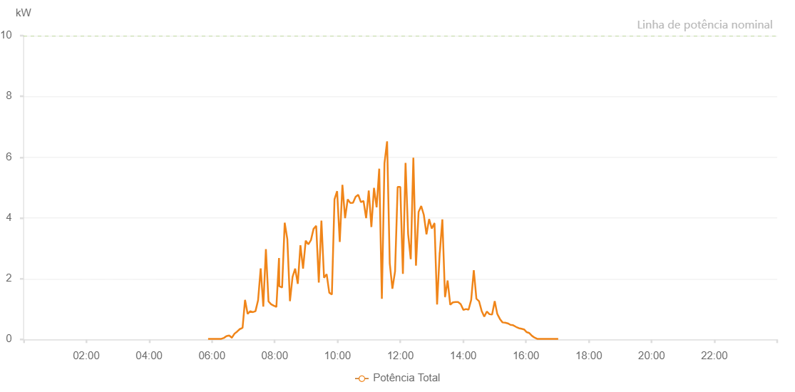

Number | Time | Working State | Alarm Code | Total Inverter Power(W)
1 | 19/07/2023 05:52:46 (UTC-4:00) | Normal |  | 20.000
2 | 19/07/2023 05:57:48 (UTC-4:00) | Normal |  | 20.000
3 | 19/07/2023 06:02:47 (UTC-4:00) | Normal |  | 20.000
4 | 19/07/2023 06:07:49 (UTC-4:00) | Normal |  | 20.000
5 | 19/07/2023 06:12:52 (UTC-4:00) | Normal |  | 20.000
6 | 19/07/2023 06:17:55 (UTC-4:00) | Normal |  | 20.000
7 | 19/07/2023 06:22:58 (UTC-4:00) | Normal |  | 50.000
8 | 19/07/2023 06:28:01 (UTC-4:00) | Normal |  | 110.000
9 | 19/07/2023 06:28:12 (UTC-4:00) | Normal |  | 110.000
10 | 19/07/2023 06:33:05 (UTC-4:00) | Normal |  | 130.000
11 | 19/07/2023 06:38:07 (UTC-4:00) | Normal |  | 60.000
12 | 19/07/2023 06:38:18 (UTC-4:00) | Normal |  | 60.000
13 | 19/07/2023 06:43:12 (UTC-4:00) | Normal |  | 190.000
14 | 19/07/2023 06:48:13 (UTC-4:00) | Normal |  | 260.000
15 | 19/07/2023 06:53:16 (UTC-4:00) | Normal |  | 340.000
16 | 19/07/2023 06:58:19 (UTC-4:00) | Normal |  | 380.000
17 | 19/07/2023 06:58:34 (UTC-4:00) | Normal |  | 380.000
18 | 19/07/2023 07:03:18 (UTC-4:00) | Normal |  | 1300.000
19 | 19/07/2023 07:08:17 (UTC-4:00) | Normal |  | 840.000
20 | 19/07/2023 07:13:16 (UTC-4:00) | Normal |  | 930.000
21 | 19/07/2023 07:18:15 (UTC-4:00) | Normal |  | 900.000
22 | 19/07/2023 07:18:26 (UTC-4:00) | Normal |  | 900.000
23 | 19/07/2023 07:23:14 (UTC-4:00) | Normal |  | 930.000
24 | 19/07/2023 07:28:13 (UTC-4:00) | Normal |  | 1290.000
25 | 19/07/2023 07:33:12 (UTC-4:00) | Normal |  | 2340.000
26 | 19/07/2023 07:38:11 (UTC-4:00) | Normal |  | 1080.000
27 | 19/07/2023 07:43:10 (UTC-4:00) | Normal |  | 2970.000
28 | 19/07/2023 07:48:09 (UTC-4:00) | Normal |  | 1250.000
29 | 19/07/2023 07:53:08 (UTC-4:00) | Normal |  | 1160.000
30 | 19/07/2023 07:58:07 (UTC-4:00) | Normal |  | 1110.000
31 | 19/07/2023 07:58:18 (UTC-4:00) | Normal |  | 1110.000
32 | 19/07/2023 08:03:12 (UTC-4:00) | Normal |  | 1070.000
33 | 19/07/2023 08:08:14 (UTC-4:00) | Normal |  | 2680.000
34 | 19/07/2023 08:08:45 (UTC-4:00) | Normal |  | 1750.000
35 | 19/07/2023 08:14:06 (UTC-4:00) | Normal |  | 1710.000
36 | 19/07/2023 08:19:06 (UTC-4:00) | Normal |  | 3840.000
37 | 19/07/2023 08:24:06 (UTC-4:00) | Normal |  | 3300.000
38 | 19/07/2023 08:29:06 (UTC-4:00) | Normal |  | 1260.000
39 | 19/07/2023 08:34:06 (UTC-4:00) | Normal |  | 2060.000
40 | 19/07/2023 08:39:06 (UTC-4:00) | Normal |  | 2330.000
41 | 19/07/2023 08:44:06 (UTC-4:00) | Normal |  | 1830.000
42 | 19/07/2023 08:49:07 (UTC-4:00) | Normal |  | 3100.000
43 | 19/07/2023 08:54:10 (UTC-4:00) | Normal |  | 2330.000
44 | 19/07/2023 08:59:14 (UTC-4:00) | Normal |  | 3250.000
45 | 19/07/2023 09:04:14 (UTC-4:00) | Normal |  | 3130.000
46 | 19/07/2023 09:09:14 (UTC-4:00) | Normal |  | 3270.000
47 | 19/07/2023 09:14:14 (UTC-4:00) | Normal |  | 3640.000
48 | 19/07/2023 09:19:14 (UTC-4:00) | Normal |  | 3740.000
49 | 19/07/2023 09:24:14 (UTC-4:00) | Normal |  | 1870.000
50 | 19/07/2023 09:29:14 (UTC-4:00) | Normal |  | 3910.000
51 | 19/07/2023 09:34:14 (UTC-4:00) | Normal |  | 2030.000
52 | 19/07/2023 09:39:14 (UTC-4:00) | Normal |  | 2150.000
53 | 19/07/2023 09:44:14 (UTC-4:00) | Normal |  | 1540.000
54 | 19/07/2023 09:49:14 (UTC-4:00) | Normal |  | 1480.000
55 | 19/07/2023 09:54:13 (UTC-4:00) | Normal |  | 4610.000
56 | 19/07/2023 09:59:14 (UTC-4:00) | Normal |  | 4880.000
57 | 19/07/2023 10:04:17 (UTC-4:00) | Normal |  | 3210.000
58 | 19/07/2023 10:09:21 (UTC-4:00) | Normal |  | 5090.000
59 | 19/07/2023 10:14:26 (UTC-4:00) | Normal |  | 3990.000
60 | 19/07/2023 10:19:29 (UTC-4:00) | Normal |  | 4610.000
61 | 19/07/2023 10:24:33 (UTC-4:00) | Normal |  | 4490.000
62 | 19/07/2023 10:29:37 (UTC-4:00) | Normal |  | 4500.000
63 | 19/07/2023 10:34:40 (UTC-4:00) | Normal |  | 4700.000
64 | 19/07/2023 10:39:40 (UTC-4:00) | Normal |  | 4760.000
65 | 19/07/2023 10:44:40 (UTC-4:00) | Normal |  | 4520.000
66 | 19/07/2023 10:49:42 (UTC-4:00) | Normal |  | 4560.000
67 | 19/07/2023 10:54:40 (UTC-4:00) | Normal |  | 3990.000
68 | 19/07/2023 10:59:41 (UTC-4:00) | Normal |  | 4900.000
69 | 19/07/2023 11:04:42 (UTC-4:00) | Normal |  | 3700.000
70 | 19/07/2023 11:09:42 (UTC-4:00) | Normal |  | 4990.000
71 | 19/07/2023 11:14:42 (UTC-4:00) | Normal |  | 4350.000
72 | 19/07/2023 11:19:42 (UTC-4:00) | Normal |  | 5620.000
73 | 19/07/2023 11:24:42 (UTC-4:00) | Normal |  | 1340.000
74 | 19/07/2023 11:29:42 (UTC-4:00) | Normal |  | 5800.000
75 | 19/07/2023 11:34:43 (UTC-4:00) | Normal |  | 6520.000
76 | 19/07/2023 11:39:47 (UTC-4:00) | Normal |  | 2510.000
77 | 19/07/2023 11:44:51 (UTC-4:00) | Normal |  | 1670.000
78 | 19/07/2023 11:49:55 (UTC-4:00) | Normal |  | 2240.000
79 | 19/07/2023 11:54:55 (UTC-4:00) | Normal |  | 5020.000
80 | 19/07/2023 11:59:55 (UTC-4:00) | Normal |  | 5020.000
81 | 19/07/2023 12:04:55 (UTC-4:00) | Normal |  | 2160.000
82 | 19/07/2023 12:09:59 (UTC-4:00) | Normal |  | 5810.000
83 | 19/07/2023 12:14:54 (UTC-4:00) | Normal |  | 3470.000
84 | 19/07/2023 12:19:55 (UTC-4:00) | Normal |  | 2640.000
85 | 19/07/2023 12:24:54 (UTC-4:00) | Normal |  | 5980.000
86 | 19/07/2023 12:29:54 (UTC-4:00) | Normal |  | 2430.000
87 | 19/07/2023 12:34:54 (UTC-4:00) | Normal |  | 4200.000
88 | 19/07/2023 12:39:54 (UTC-4:00) | Normal |  | 4390.000
89 | 19/07/2023 12:44:54 (UTC-4:00) | Normal |  | 4100.000
90 | 19/07/2023 12:49:57 (UTC-4:00) | Normal |  | 3460.000
91 | 19/07/2023 12:54:59 (UTC-4:00) | Normal |  | 3960.000
92 | 19/07/2023 13:00:03 (UTC-4:00) | Normal |  | 3650.000
93 | 19/07/2023 13:05:07 (UTC-4:00) | Normal |  | 3820.000
94 | 19/07/2023 13:05:18 (UTC-4:00) | Normal |  | 3820.000
95 | 19/07/2023 13:10:14 (UTC-4:00) | Normal |  | 1150.000
96 | 19/07/2023 13:15:15 (UTC-4:00) | Normal |  | 2860.000
97 | 19/07/2023 13:15:26 (UTC-4:00) | Normal |  | 2860.000
98 | 19/07/2023 13:20:18 (UTC-4:00) | Normal |  | 3950.000
99 | 19/07/2023 13:25:22 (UTC-4:00) | Normal |  | 1410.000
100 | 19/07/2023 13:25:37 (UTC-4:00) | Normal |  | 1410.000
101 | 19/07/2023 13:30:22 (UTC-4:00) | Normal |  | 1940.000
102 | 19/07/2023 13:35:22 (UTC-4:00) | Normal |  | 1140.000
103 | 19/07/2023 13:40:22 (UTC-4:00) | Normal |  | 1220.000
104 | 19/07/2023 13:45:22 (UTC-4:00) | Normal |  | 1230.000
105 | 19/07/2023 13:50:21 (UTC-4:00) | Normal |  | 1230.000
106 | 19/07/2023 13:55:21 (UTC-4:00) | Normal |  | 1160.000
107 | 19/07/2023 14:00:33 (UTC-4:00) | Normal |  | 970.000
108 | 19/07/2023 14:05:21 (UTC-4:00) | Normal |  | 1000.000
109 | 19/07/2023 14:10:21 (UTC-4:00) | Normal |  | 980.000
110 | 19/07/2023 14:15:21 (UTC-4:00) | Normal |  | 1300.000
111 | 19/07/2023 14:20:21 (UTC-4:00) | Normal |  | 2280.000
112 | 19/07/2023 14:25:22 (UTC-4:00) | Normal |  | 1340.000
113 | 19/07/2023 14:30:21 (UTC-4:00) | Normal |  | 1260.000
114 | 19/07/2023 14:35:21 (UTC-4:00) | Normal |  | 940.000
115 | 19/07/2023 14:40:21 (UTC-4:00) | Normal |  | 750.000
116 | 19/07/2023 14:45:21 (UTC-4:00) | Normal |  | 920.000
117 | 19/07/2023 14:50:21 (UTC-4:00) | Normal |  | 830.000
118 | 19/07/2023 14:55:21 (UTC-4:00) | Normal |  | 820.000
119 | 19/07/2023 15:00:20 (UTC-4:00) | Normal |  | 1260.000
120 | 19/07/2023 15:05:20 (UTC-4:00) | Normal |  | 830.000
121 | 19/07/2023 15:05:31 (UTC-4:00) | Normal |  | 830.000
122 | 19/07/2023 15:10:20 (UTC-4:00) | Normal |  | 670.000
123 | 19/07/2023 15:15:20 (UTC-4:00) | Normal |  | 560.000
124 | 19/07/2023 15:20:20 (UTC-4:00) | Normal |  | 550.000
125 | 19/07/2023 15:25:21 (UTC-4:00) | Normal |  | 530.000
126 | 19/07/2023 15:30:25 (UTC-4:00) | Normal |  | 480.000
127 | 19/07/2023 15:35:29 (UTC-4:00) | Normal |  | 470.000
128 | 19/07/2023 15:36:06 (UTC-4:00) | Normal |  | 460.000
129 | 19/07/2023 15:41:28 (UTC-4:00) | Normal |  | 410.000
130 | 19/07/2023 15:46:28 (UTC-4:00) | Normal |  | 370.000
131 | 19/07/2023 15:51:27 (UTC-4:00) | Normal |  | 350.000
132 | 19/07/2023 15:56:27 (UTC-4:00) | Normal |  | 330.000
133 | 19/07/2023 16:01:27 (UTC-4:00) | Normal |  | 240.000
134 | 19/07/2023 16:06:26 (UTC-4:00) | Normal |  | 210.000
135 | 19/07/2023 16:11:26 (UTC-4:00) | Normal |  | 120.000
136 | 19/07/2023 16:16:27 (UTC-4:00) | Normal |  | 60.000
137 | 19/07/2023 16:21:29 (UTC-4:00) | Normal |  | 20.000
138 | 19/07/2023 16:26:33 (UTC-4:00) | Normal |  | 20.000
139 | 19/07/2023 16:31:37 (UTC-4:00) | Normal |  | 20.000
140 | 19/07/2023 16:36:40 (UTC-4:00) | Normal |  | 20.000
141 | 19/07/2023 16:41:40 (UTC-4:00) | Normal |  | 20.000
142 | 19/07/2023 16:46:40 (UTC-4:00) | Normal |  | 20.000
143 | 19/07/2023 16:51:39 (UTC-4:00) | Normal |  | 20.000
144 | 19/07/2023 16:56:39 (UTC-4:00) | Normal |  | 20.000
145 | 19/07/2023 17:01:39 (UTC-4:00) | Normal |  | 20.000

