Inverter History Report__17-08-
Inverter History Report_20/07/2023_Report

Inverter SN:054B7020C020041 |  | Inverter type:B7
Collector SN:4045966636 |  | Full Load Hours(h):2.64
Rated Power:10000Wp

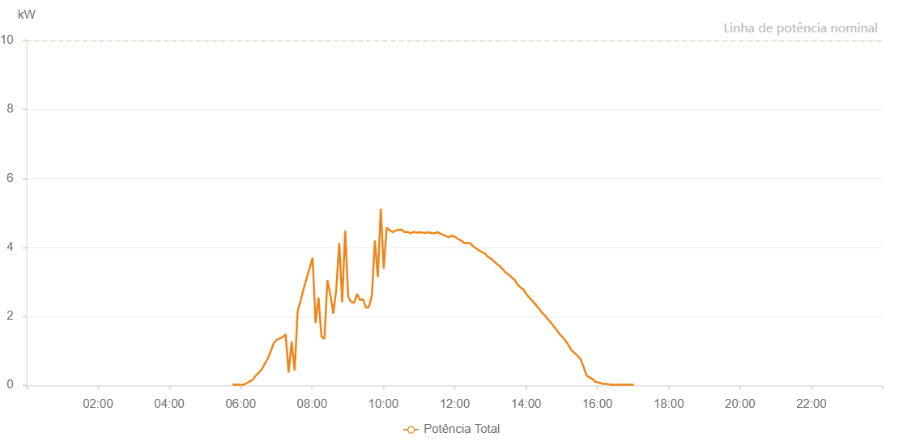

Number | Time | Working State | Alarm Code | Total Inverter Power(W)
1 | 20/07/2023 05:45:50 (UTC-4:00) | Normal |  | 20.000
2 | 20/07/2023 05:50:51 (UTC-4:00) | Normal |  | 20.000
3 | 20/07/2023 05:55:51 (UTC-4:00) | Normal |  | 20.000
4 | 20/07/2023 06:00:49 (UTC-4:00) | Normal |  | 20.000
5 | 20/07/2023 06:05:51 (UTC-4:00) | Normal |  | 20.000
6 | 20/07/2023 06:10:49 (UTC-4:00) | Normal |  | 70.000
7 | 20/07/2023 06:15:48 (UTC-4:00) | Normal |  | 120.000
8 | 20/07/2023 06:20:46 (UTC-4:00) | Normal |  | 170.000
9 | 20/07/2023 06:25:45 (UTC-4:00) | Normal |  | 290.000
10 | 20/07/2023 06:30:44 (UTC-4:00) | Normal |  | 370.000
11 | 20/07/2023 06:35:42 (UTC-4:00) | Normal |  | 470.000
12 | 20/07/2023 06:40:41 (UTC-4:00) | Normal |  | 630.000
13 | 20/07/2023 06:45:39 (UTC-4:00) | Normal |  | 780.000
14 | 20/07/2023 06:50:38 (UTC-4:00) | Normal |  | 990.000
15 | 20/07/2023 06:55:36 (UTC-4:00) | Normal |  | 1220.000
16 | 20/07/2023 07:00:35 (UTC-4:00) | Normal |  | 1320.000
17 | 20/07/2023 07:05:34 (UTC-4:00) | Normal |  | 1360.000
18 | 20/07/2023 07:10:36 (UTC-4:00) | Normal |  | 1400.000
19 | 20/07/2023 07:15:39 (UTC-4:00) | Normal |  | 1480.000
20 | 20/07/2023 07:20:41 (UTC-4:00) | Normal |  | 370.000
21 | 20/07/2023 07:25:44 (UTC-4:00) | Normal |  | 1270.000
22 | 20/07/2023 07:30:46 (UTC-4:00) | Normal |  | 430.000
23 | 20/07/2023 07:35:49 (UTC-4:00) | Normal |  | 2160.000
24 | 20/07/2023 07:40:51 (UTC-4:00) | Normal |  | 2450.000
25 | 20/07/2023 07:45:54 (UTC-4:00) | Normal |  | 2800.000
26 | 20/07/2023 07:50:56 (UTC-4:00) | Normal |  | 3100.000
27 | 20/07/2023 07:55:59 (UTC-4:00) | Normal |  | 3400.000
28 | 20/07/2023 08:00:57 (UTC-4:00) | Normal |  | 3700.000
29 | 20/07/2023 08:05:56 (UTC-4:00) | Normal |  | 1810.000
30 | 20/07/2023 08:10:54 (UTC-4:00) | Normal |  | 2550.000
31 | 20/07/2023 08:15:53 (UTC-4:00) | Normal |  | 1410.000
32 | 20/07/2023 08:20:53 (UTC-4:00) | Normal |  | 1350.000
33 | 20/07/2023 08:25:51 (UTC-4:00) | Normal |  | 3050.000
34 | 20/07/2023 08:30:50 (UTC-4:00) | Normal |  | 2630.000
35 | 20/07/2023 08:35:48 (UTC-4:00) | Normal |  | 2080.000
36 | 20/07/2023 08:40:47 (UTC-4:00) | Normal |  | 2790.000
37 | 20/07/2023 08:45:45 (UTC-4:00) | Normal |  | 4130.000
38 | 20/07/2023 08:50:44 (UTC-4:00) | Normal |  | 2410.000
39 | 20/07/2023 08:55:43 (UTC-4:00) | Normal |  | 4470.000
40 | 20/07/2023 08:55:54 (UTC-4:00) | Normal |  | 4470.000
41 | 20/07/2023 09:00:47 (UTC-4:00) | Normal |  | 2570.000
42 | 20/07/2023 09:05:50 (UTC-4:00) | Normal |  | 2420.000
43 | 20/07/2023 09:10:51 (UTC-4:00) | Normal |  | 2390.000
44 | 20/07/2023 09:15:49 (UTC-4:00) | Normal |  | 2650.000
45 | 20/07/2023 09:20:48 (UTC-4:00) | Normal |  | 2470.000
46 | 20/07/2023 09:25:46 (UTC-4:00) | Normal |  | 2500.000
47 | 20/07/2023 09:30:45 (UTC-4:00) | Normal |  | 2250.000
48 | 20/07/2023 09:35:43 (UTC-4:00) | Normal |  | 2270.000
49 | 20/07/2023 09:40:42 (UTC-4:00) | Normal |  | 2610.000
50 | 20/07/2023 09:45:41 (UTC-4:00) | Normal |  | 4200.000
51 | 20/07/2023 09:50:39 (UTC-4:00) | Normal |  | 3140.000
52 | 20/07/2023 09:55:39 (UTC-4:00) | Normal |  | 5120.000
53 | 20/07/2023 10:00:37 (UTC-4:00) | Normal |  | 3380.000
54 | 20/07/2023 10:05:37 (UTC-4:00) | Normal |  | 4570.000
55 | 20/07/2023 10:10:39 (UTC-4:00) | Normal |  | 4500.000
56 | 20/07/2023 10:15:39 (UTC-4:00) | Normal |  | 4440.000
57 | 20/07/2023 10:20:40 (UTC-4:00) | Normal |  | 4490.000
58 | 20/07/2023 10:25:43 (UTC-4:00) | Normal |  | 4510.000
59 | 20/07/2023 10:30:45 (UTC-4:00) | Normal |  | 4510.000
60 | 20/07/2023 10:35:48 (UTC-4:00) | Normal |  | 4440.000
61 | 20/07/2023 10:40:51 (UTC-4:00) | Normal |  | 4450.000
62 | 20/07/2023 10:45:53 (UTC-4:00) | Normal |  | 4410.000
63 | 20/07/2023 10:50:56 (UTC-4:00) | Normal |  | 4450.000
64 | 20/07/2023 10:55:58 (UTC-4:00) | Normal |  | 4430.000
65 | 20/07/2023 11:01:01 (UTC-4:00) | Normal |  | 4440.000
66 | 20/07/2023 11:05:59 (UTC-4:00) | Normal |  | 4430.000
67 | 20/07/2023 11:10:58 (UTC-4:00) | Normal |  | 4420.000
68 | 20/07/2023 11:15:57 (UTC-4:00) | Normal |  | 4440.000
69 | 20/07/2023 11:20:55 (UTC-4:00) | Normal |  | 4410.000
70 | 20/07/2023 11:25:54 (UTC-4:00) | Normal |  | 4410.000
71 | 20/07/2023 11:30:52 (UTC-4:00) | Normal |  | 4440.000
72 | 20/07/2023 11:35:51 (UTC-4:00) | Normal |  | 4400.000
73 | 20/07/2023 11:40:49 (UTC-4:00) | Normal |  | 4360.000
74 | 20/07/2023 11:41:04 (UTC-4:00) | Normal |  | 4360.000
75 | 20/07/2023 11:45:48 (UTC-4:00) | Normal |  | 4320.000
76 | 20/07/2023 11:50:47 (UTC-4:00) | Normal |  | 4300.000
77 | 20/07/2023 11:55:45 (UTC-4:00) | Normal |  | 4340.000
78 | 20/07/2023 12:00:44 (UTC-4:00) | Normal |  | 4300.000
79 | 20/07/2023 12:00:56 (UTC-4:00) | Normal |  | 4300.000
80 | 20/07/2023 12:05:46 (UTC-4:00) | Normal |  | 4240.000
81 | 20/07/2023 12:10:49 (UTC-4:00) | Normal |  | 4200.000
82 | 20/07/2023 12:15:51 (UTC-4:00) | Normal |  | 4130.000
83 | 20/07/2023 12:20:54 (UTC-4:00) | Normal |  | 4130.000
84 | 20/07/2023 12:21:06 (UTC-4:00) | Normal |  | 4130.000
85 | 20/07/2023 12:25:57 (UTC-4:00) | Normal |  | 4120.000
86 | 20/07/2023 12:30:59 (UTC-4:00) | Normal |  | 4030.000
87 | 20/07/2023 12:36:01 (UTC-4:00) | Normal |  | 3970.000
88 | 20/07/2023 12:41:00 (UTC-4:00) | Normal |  | 3910.000
89 | 20/07/2023 12:45:59 (UTC-4:00) | Normal |  | 3860.000
90 | 20/07/2023 12:50:57 (UTC-4:00) | Normal |  | 3820.000
91 | 20/07/2023 12:55:56 (UTC-4:00) | Normal |  | 3720.000
92 | 20/07/2023 13:00:55 (UTC-4:00) | Normal |  | 3680.000
93 | 20/07/2023 13:05:53 (UTC-4:00) | Normal |  | 3600.000
94 | 20/07/2023 13:10:51 (UTC-4:00) | Normal |  | 3520.000
95 | 20/07/2023 13:15:50 (UTC-4:00) | Normal |  | 3460.000
96 | 20/07/2023 13:20:49 (UTC-4:00) | Normal |  | 3370.000
97 | 20/07/2023 13:25:47 (UTC-4:00) | Normal |  | 3260.000
98 | 20/07/2023 13:30:46 (UTC-4:00) | Normal |  | 3210.000
99 | 20/07/2023 13:35:45 (UTC-4:00) | Normal |  | 3130.000
100 | 20/07/2023 13:40:44 (UTC-4:00) | Normal |  | 3060.000
101 | 20/07/2023 13:45:43 (UTC-4:00) | Normal |  | 2920.000
102 | 20/07/2023 13:50:41 (UTC-4:00) | Normal |  | 2840.000
103 | 20/07/2023 13:55:40 (UTC-4:00) | Normal |  | 2780.000
104 | 20/07/2023 14:00:38 (UTC-4:00) | Normal |  | 2640.000
105 | 20/07/2023 14:05:37 (UTC-4:00) | Normal |  | 2540.000
106 | 20/07/2023 14:10:36 (UTC-4:00) | Normal |  | 2450.000
107 | 20/07/2023 14:15:34 (UTC-4:00) | Normal |  | 2350.000
108 | 20/07/2023 14:20:33 (UTC-4:00) | Normal |  | 2250.000
109 | 20/07/2023 14:25:32 (UTC-4:00) | Normal |  | 2140.000
110 | 20/07/2023 14:30:30 (UTC-4:00) | Normal |  | 2040.000
111 | 20/07/2023 14:31:08 (UTC-4:00) | Normal |  | 2040.000
112 | 20/07/2023 14:36:29 (UTC-4:00) | Normal |  | 1920.000
113 | 20/07/2023 14:41:30 (UTC-4:00) | Normal |  | 1830.000
114 | 20/07/2023 14:46:28 (UTC-4:00) | Normal |  | 1710.000
115 | 20/07/2023 14:51:27 (UTC-4:00) | Normal |  | 1610.000
116 | 20/07/2023 14:56:26 (UTC-4:00) | Normal |  | 1480.000
117 | 20/07/2023 15:01:25 (UTC-4:00) | Normal |  | 1400.000
118 | 20/07/2023 15:06:23 (UTC-4:00) | Normal |  | 1290.000
119 | 20/07/2023 15:11:22 (UTC-4:00) | Normal |  | 1170.000
120 | 20/07/2023 15:16:23 (UTC-4:00) | Normal |  | 1020.000
121 | 20/07/2023 15:21:25 (UTC-4:00) | Normal |  | 940.000
122 | 20/07/2023 15:26:24 (UTC-4:00) | Normal |  | 860.000
123 | 20/07/2023 15:31:23 (UTC-4:00) | Normal |  | 770.000
124 | 20/07/2023 15:36:21 (UTC-4:00) | Normal |  | 560.000
125 | 20/07/2023 15:41:20 (UTC-4:00) | Normal |  | 300.000
126 | 20/07/2023 15:41:32 (UTC-4:00) | Normal |  | 300.000
127 | 20/07/2023 15:46:19 (UTC-4:00) | Normal |  | 230.000
128 | 20/07/2023 15:51:17 (UTC-4:00) | Normal |  | 190.000
129 | 20/07/2023 15:56:16 (UTC-4:00) | Normal |  | 110.000
130 | 20/07/2023 16:01:15 (UTC-4:00) | Normal |  | 80.000
131 | 20/07/2023 16:06:14 (UTC-4:00) | Normal |  | 60.000
132 | 20/07/2023 16:11:13 (UTC-4:00) | Normal |  | 40.000
133 | 20/07/2023 16:16:12 (UTC-4:00) | Normal |  | 40.000
134 | 20/07/2023 16:21:10 (UTC-4:00) | Normal |  | 20.000
135 | 20/07/2023 16:26:13 (UTC-4:00) | Normal |  | 20.000
136 | 20/07/2023 16:31:16 (UTC-4:00) | Normal |  | 20.000
137 | 20/07/2023 16:36:18 (UTC-4:00) | Normal |  | 20.000
138 | 20/07/2023 16:41:21 (UTC-4:00) | Normal |  | 20.000
139 | 20/07/2023 16:46:23 (UTC-4:00) | Normal |  | 20.000
140 | 20/07/2023 16:51:26 (UTC-4:00) | Normal |  | 20.000
141 | 20/07/2023 16:51:37 (UTC-4:00) | Normal |  | 20.000
142 | 20/07/2023 16:56:30 (UTC-4:00) | Normal |  | 20.000
143 | 20/07/2023 17:01:33 (UTC-4:00) | Normal |  | 20.000

